Contents

Contents
To access data tables, select the table headings or tabs.
To return to contents click "Back to contents" link at the top of each page.
This release contains 10 worksheets, a guidance page and a page of notes.
For more information about the Family Resources Survey please see our guidance section.
Guidance
Notes
Table | Table Description
8.1 | Percentage of self-employed working full and part-time by gender and age group, 2022 to 2023, United Kingdom
8.2a | Median net earnings of working-age employees and the self-employed, financial year ending 2012 to financial year ending 2023, United Kingdom (2022 to 2023 prices)
8.2b | Median net earnings of working-age employees and the self-employed index, financial year ending 2012 to financial year ending 2023, United Kingdom (2022 to 2023 prices)
8.3a | Median net total income of working-age employees and the self-employed, financial year ending 2012 to financial year ending 2023, United Kingdom (2022 to 2023 prices)
8.3b | Median net total income of working-age employees and the self-employed index, financial year ending 2012 to financial year ending 2023, United Kingdom (2022 to 2023 prices)
8.4a | Self employment by gender, financial year ending 2012 to financial year ending 2023, United Kingdom
8.4a(I) | Self employment by gender index, financial year ending 2012 to financial year ending 2023, United Kingdom
8.4b | Self employment by age group, financial year ending 2012 to financial year ending 2023, United Kingdom
8.4b(I) | Self employment by age group index, financial year ending 2012 to financial year ending 2023, United Kingdom
8.5 | Median net self-employed earnings by gender, age group and working pattern, financial year ending 2012 to financial year ending 2023, United Kingdom (2022 to 2023 prices)

8_1
Data tables: Self employment, Family Resources Survey, financial year 2022 to 2023, United Kingdom
This worksheet contains 1 table and 1 chart presented horizontally with 1 blank column in between.
Relevant notes can be found on the Notes worksheet. See [Note 1] [Note 2].
Back to Contents |  | See Notes
Source: Family Resources Survey
Table 8.1: Percentage of self-employed [Note 1] working full and part time by gender and age group, 2022 to 2023, United Kingdom |  |  |  | Chart 8.1: Percentage of self-employed [Note 1] working full and part time by gender and age group, 2022 to 2023, United Kingdom
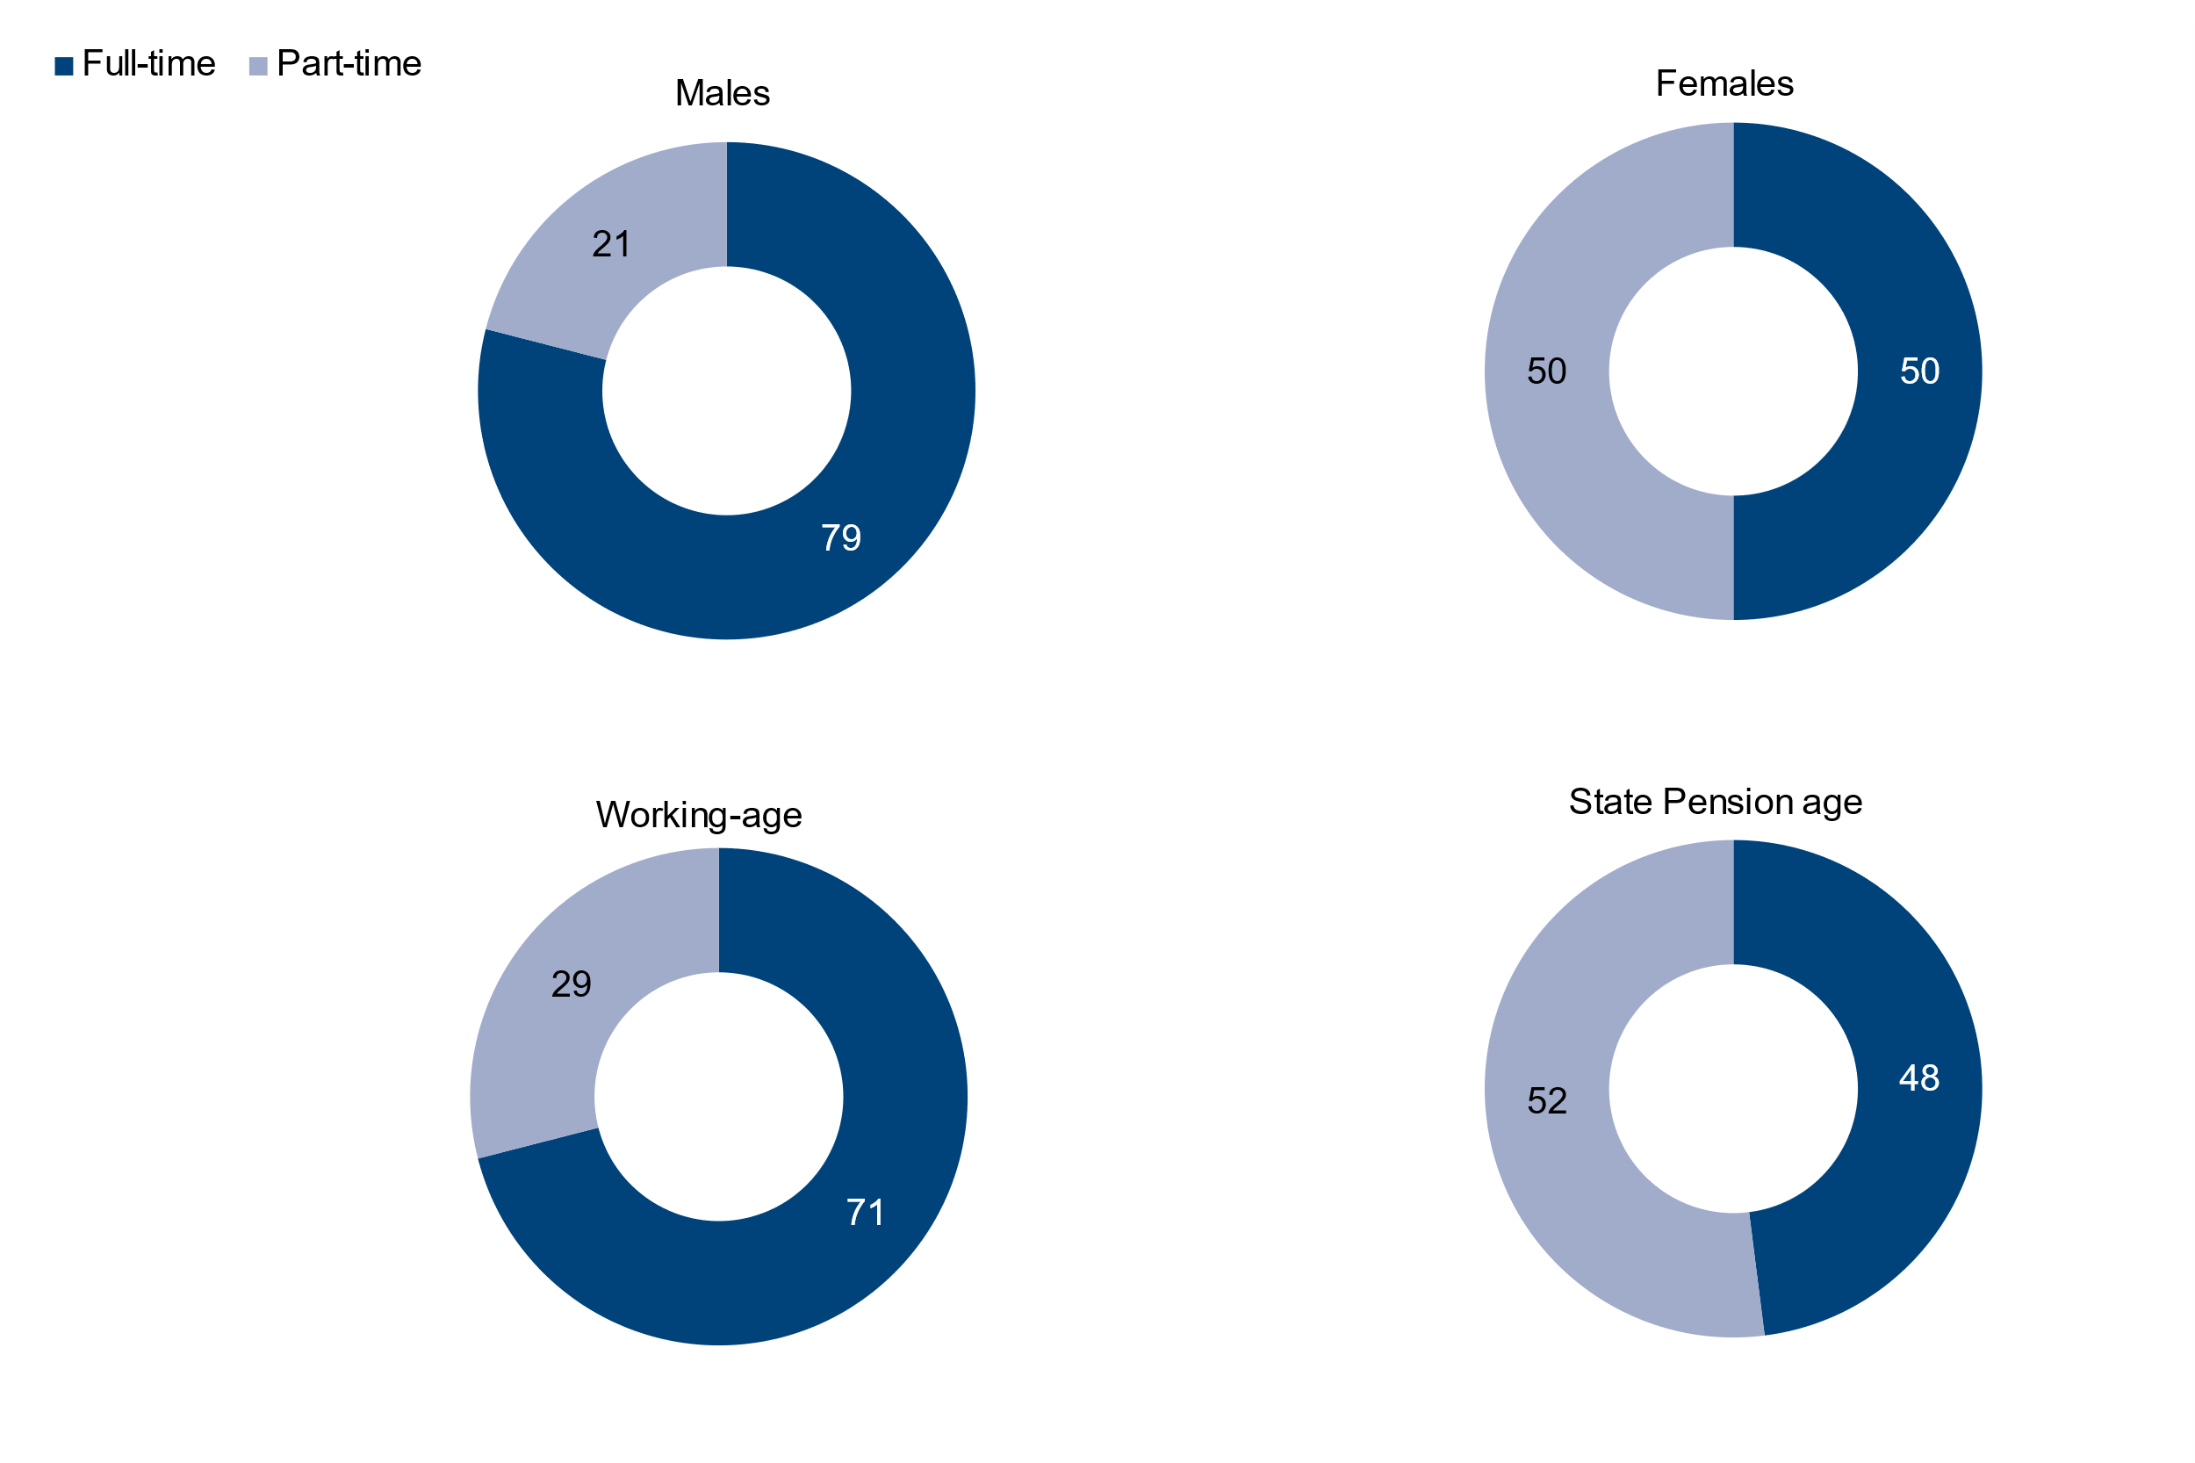
 |  |  | Percentage of self-employed people
Gender/age group | Full-time | Part-time | Sample size
All | 69 | 31 | 3,305
Males | 79 | 21 | 2,064
Females | 50 | 50 | 1,241
Working-age | 71 | 29 | 2,770
State Pension age [Note 2] | 48 | 52 | 535

8_2a
Data tables: Self employment, Family Resources Survey, financial year 2022 to 2023, United Kingdom
This worksheet contains 1 table and 1 chart presented horizontally with 1 blank column in between.
Relevant notes can be found on the Notes worksheet. See [Note 3] [Note 4] [Note 5] [Note 6].
Back to Contents |  | See Notes
Source: Family Resources Survey
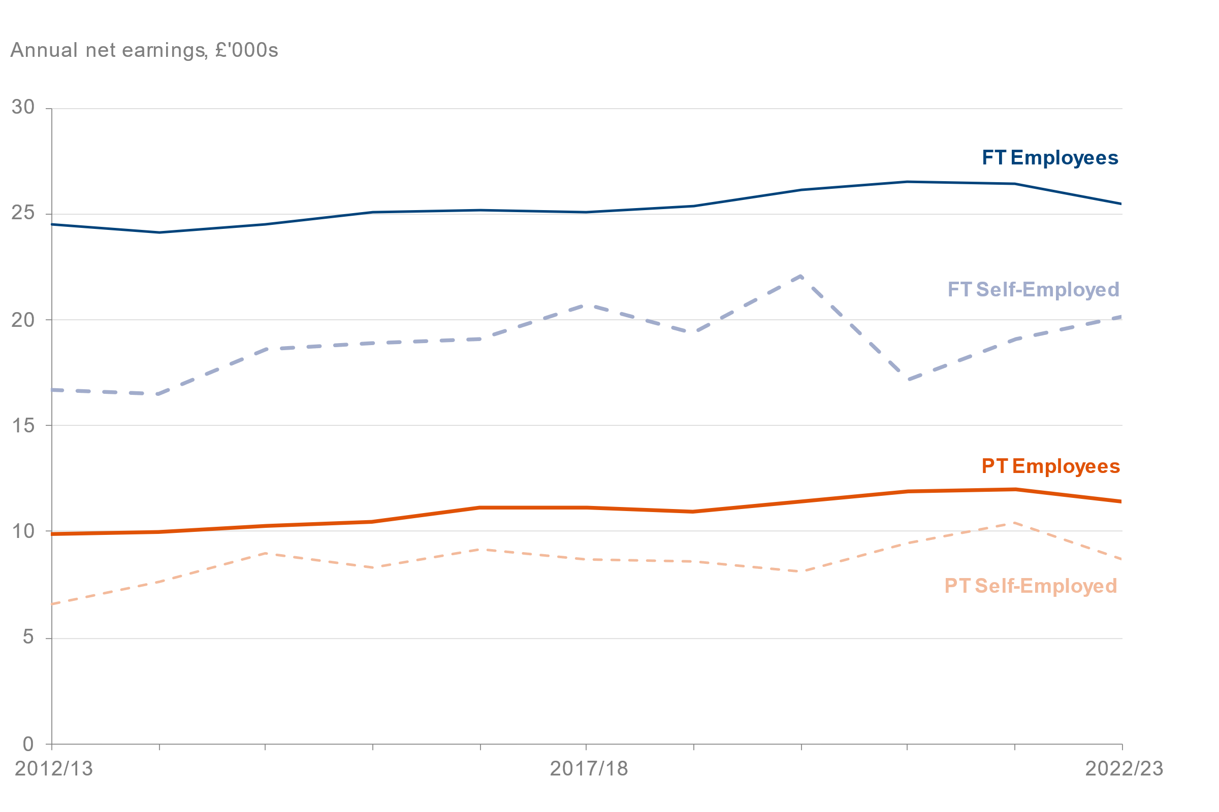
Table 8.2a: Median net earnings [Note 5] [Note 6] of working-age employees and the self-employed [Note 3] by working pattern [Note 4], FYE 2013 to FYE 2023, United Kingdom (2022 to 2023 prices) |  |  |  |  |  | Chart 8.2: Median net earnings of working-age employees and the self-employed by working pattern FYE 2013 to FYE 2023, United Kingdom (2022 to 2023 prices)
 |  |  |  |  | Median net annual earnings (£)
 |  | Full-Time |  | Part-Time
Year | Employees (FT) | Self-employed (FT) | Employees (PT) | Self-employed (PT) | Sample size
2012/13 | 24,500 | 16,700 | 9,900 | 6,600 | 18,583
2013/14 | 24,100 | 16,500 | 10,000 | 7,600 | 18,965
2014/15 | 24,500 | 18,600 | 10,300 | 9,000 | 18,605
2015/16 | 25,100 | 18,900 | 10,500 | 8,300 | 17,865
2016/17 | 25,200 | 19,100 | 11,100 | 9,200 | 18,189
2017/18 | 25,100 | 20,700 | 11,100 | 8,700 | 17,963
2018/19 | 25,400 | 19,400 | 10,900 | 8,600 | 17,915
2019/20 | 26,100 | 22,100 | 11,400 | 8,100 | 18,271
2020/21 | 26,500 | 17,200 | 11,900 | 9,500 | 8,486
2021/22 | 26,400 | 19,100 | 12,000 | 10,400 | 14,035
2022/23 | 25,500 | 20,100 | 11,400 | 8,700 | 22,219

8_3a
Data tables: Self employment, Family Resources Survey, financial year 2022 to 2023, United Kingdom
This worksheet contains 1 table and 1 chart presented horizontally with 1 blank column in between.
Relevant notes can be found on the Notes worksheet. See [Note 1] [Note 4] [Note 7] [Note 8] [Note 9] [Note 10].
Back to Contents |  | See Notes
Source: Family Resources Survey
Table 8.3a: Median net total income [Note 7] [Note 8] [Note 9] [Note 10] of working-age employees and the self-employed [Note 1] by working pattern [Note 4], FYE 2013 to FYE 2023, United Kingdom (2022 to 2023 prices) |  |  |  |  |  | Chart 8.3: Median net total income of working-age employees and the self-employed by working pattern FYE 2013 to FYE 2023, United Kingdom (2022 to 2023 prices)
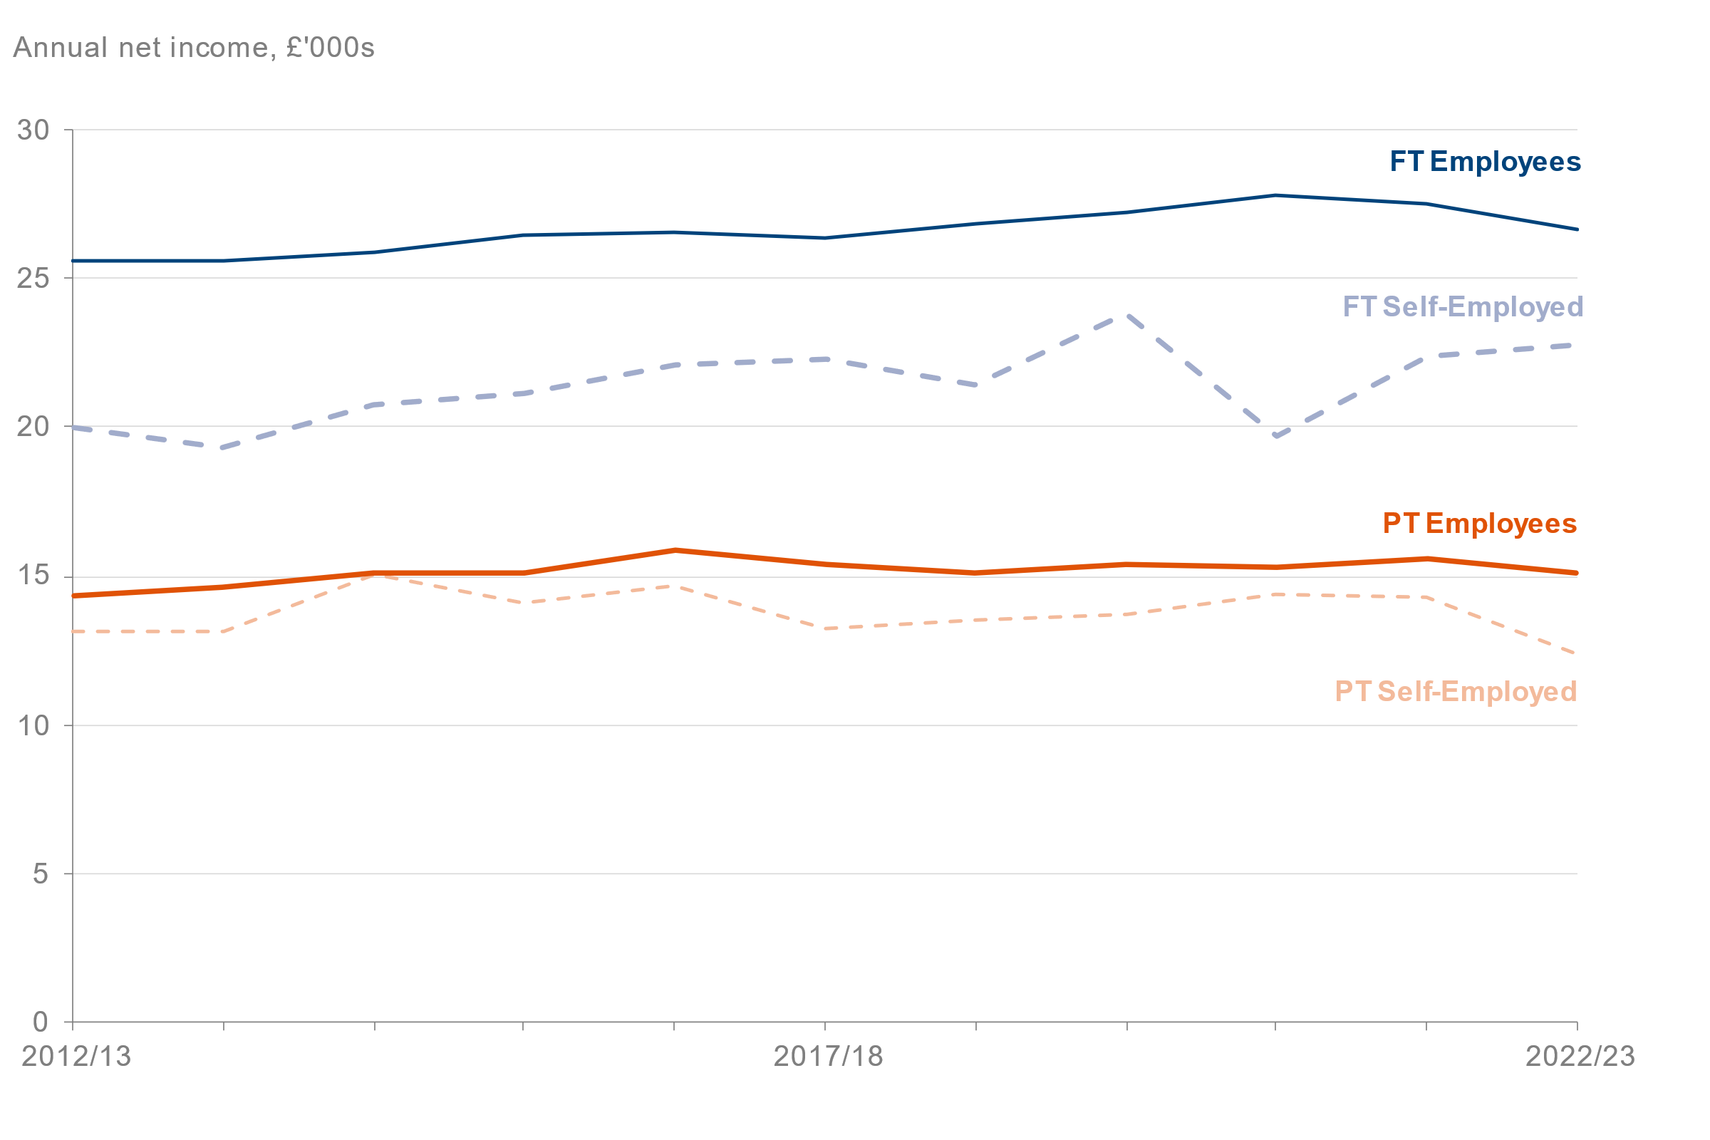
 |  |  |  |  | Median net total annual income (£)
 |  | Full-Time |  | Part-Time
Year | Employees (FT) | Self-employed (FT) | Employees (PT) | Self-employed (PT) | Sample size
2012/13 | 25,600 | 20,000 | 14,300 | 13,100 | 18,583
2013/14 | 25,600 | 19,300 | 14,600 | 13,100 | 18,965
2014/15 | 25,900 | 20,800 | 15,100 | 15,100 | 18,605
2015/16 | 26,500 | 21,100 | 15,100 | 14,100 | 17,865
2016/17 | 26,600 | 22,100 | 15,900 | 14,700 | 18,189
2017/18 | 26,400 | 22,300 | 15,400 | 13,200 | 17,963
2018/19 | 26,800 | 21,400 | 15,100 | 13,500 | 17,915
2019/20 | 27,200 | 23,800 | 15,400 | 13,700 | 18,271
2020/21 | 27,800 | 19,700 | 15,300 | 14,400 | 8,486
2021/22 | 27,500 | 22,400 | 15,600 | 14,300 | 14,035
2022/23 | 26,700 | 22,800 | 15,100 | 12,400 | 22,219

8_4a
Data tables: Self employment, Family Resources Survey, financial year 2022 to 2023, United Kingdom
This worksheet contains 1 table and 1 chart presented horizontally with 1 blank column in between.
Relevant notes can be found on the Notes worksheet. See [Note 1].
Back to Contents |  | See Notes
Source: Family Resources Survey
Table 8.4a: Self employment [Note 1] by gender, FYE 2013 to FYE 2023, United Kingdom |  |  |  |  | Chart 8.4: Number of self-employed [Note 1] by gender FYE 2013 to FYE 2023, United Kingdom
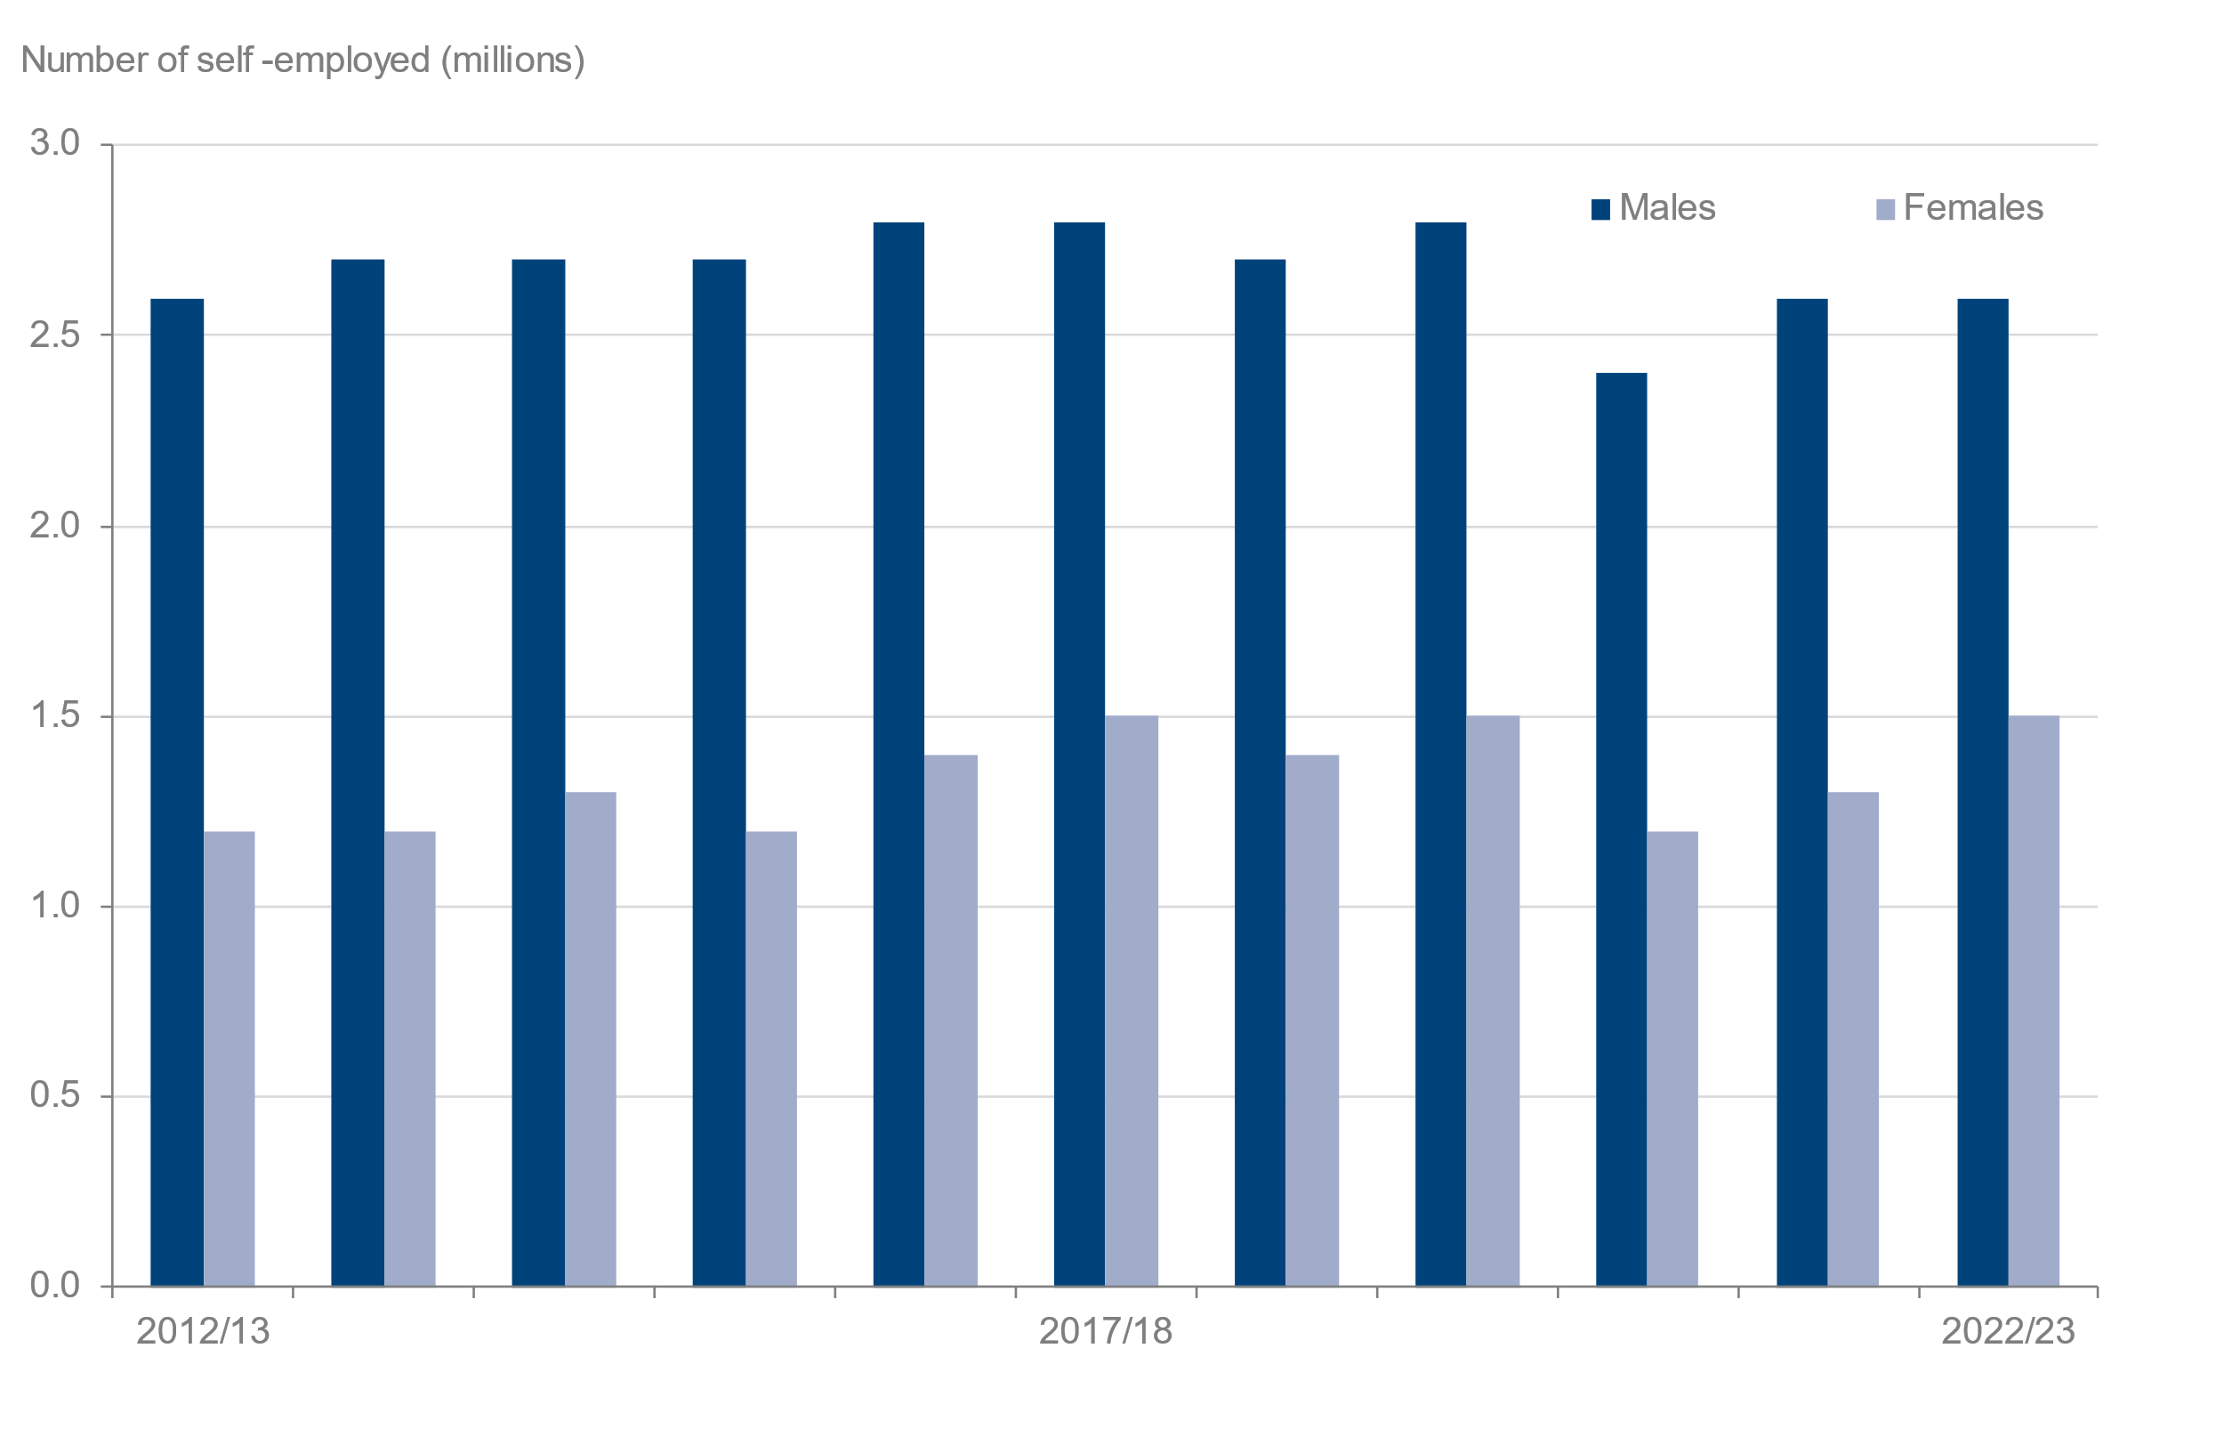
 |  |  |  | Number of self-employed people (millions)
Year | All | Males | Females | Sample size
2012/13 | 3.8 | 2.6 | 1.2 | 2,568
2013/14 | 3.9 | 2.7 | 1.2 | 2,672
2014/15 | 4.0 | 2.7 | 1.3 | 2,676
2015/16 | 3.9 | 2.7 | 1.2 | 2,524
2016/17 | 4.3 | 2.8 | 1.4 | 2,721
2017/18 | 4.3 | 2.8 | 1.5 | 2,755
2018/19 | 4.1 | 2.7 | 1.4 | 2,567
2019/20 | 4.3 | 2.8 | 1.5 | 2,683
2020/21 | 3.6 | 2.4 | 1.2 | 1,154
2021/22 | 3.9 | 2.6 | 1.3 | 2,061
2022/23 | 4.1 | 2.6 | 1.5 | 3,305

8_4b
Data tables: Self employment, Family Resources Survey, financial year 2022 to 2023, United Kingdom
This worksheet contains 1 table and 1 chart presented horizontally with 1 blank column in between.
Relevant notes can be found on the Notes worksheet. See [Note 1] [Note 2].
Back to Contents |  | See Notes
Source: Family Resources Survey
Table 8.4b: Self employment [Note 1] by age group [Note 2], FYE 2013 to FYE 2023, United Kingdom |  |  |  |  | Chart 8.4b: Number of self-employed [Note 1] under and over State Pension age [Note 2] FYE 2013 to FYE 2023, United Kingdom
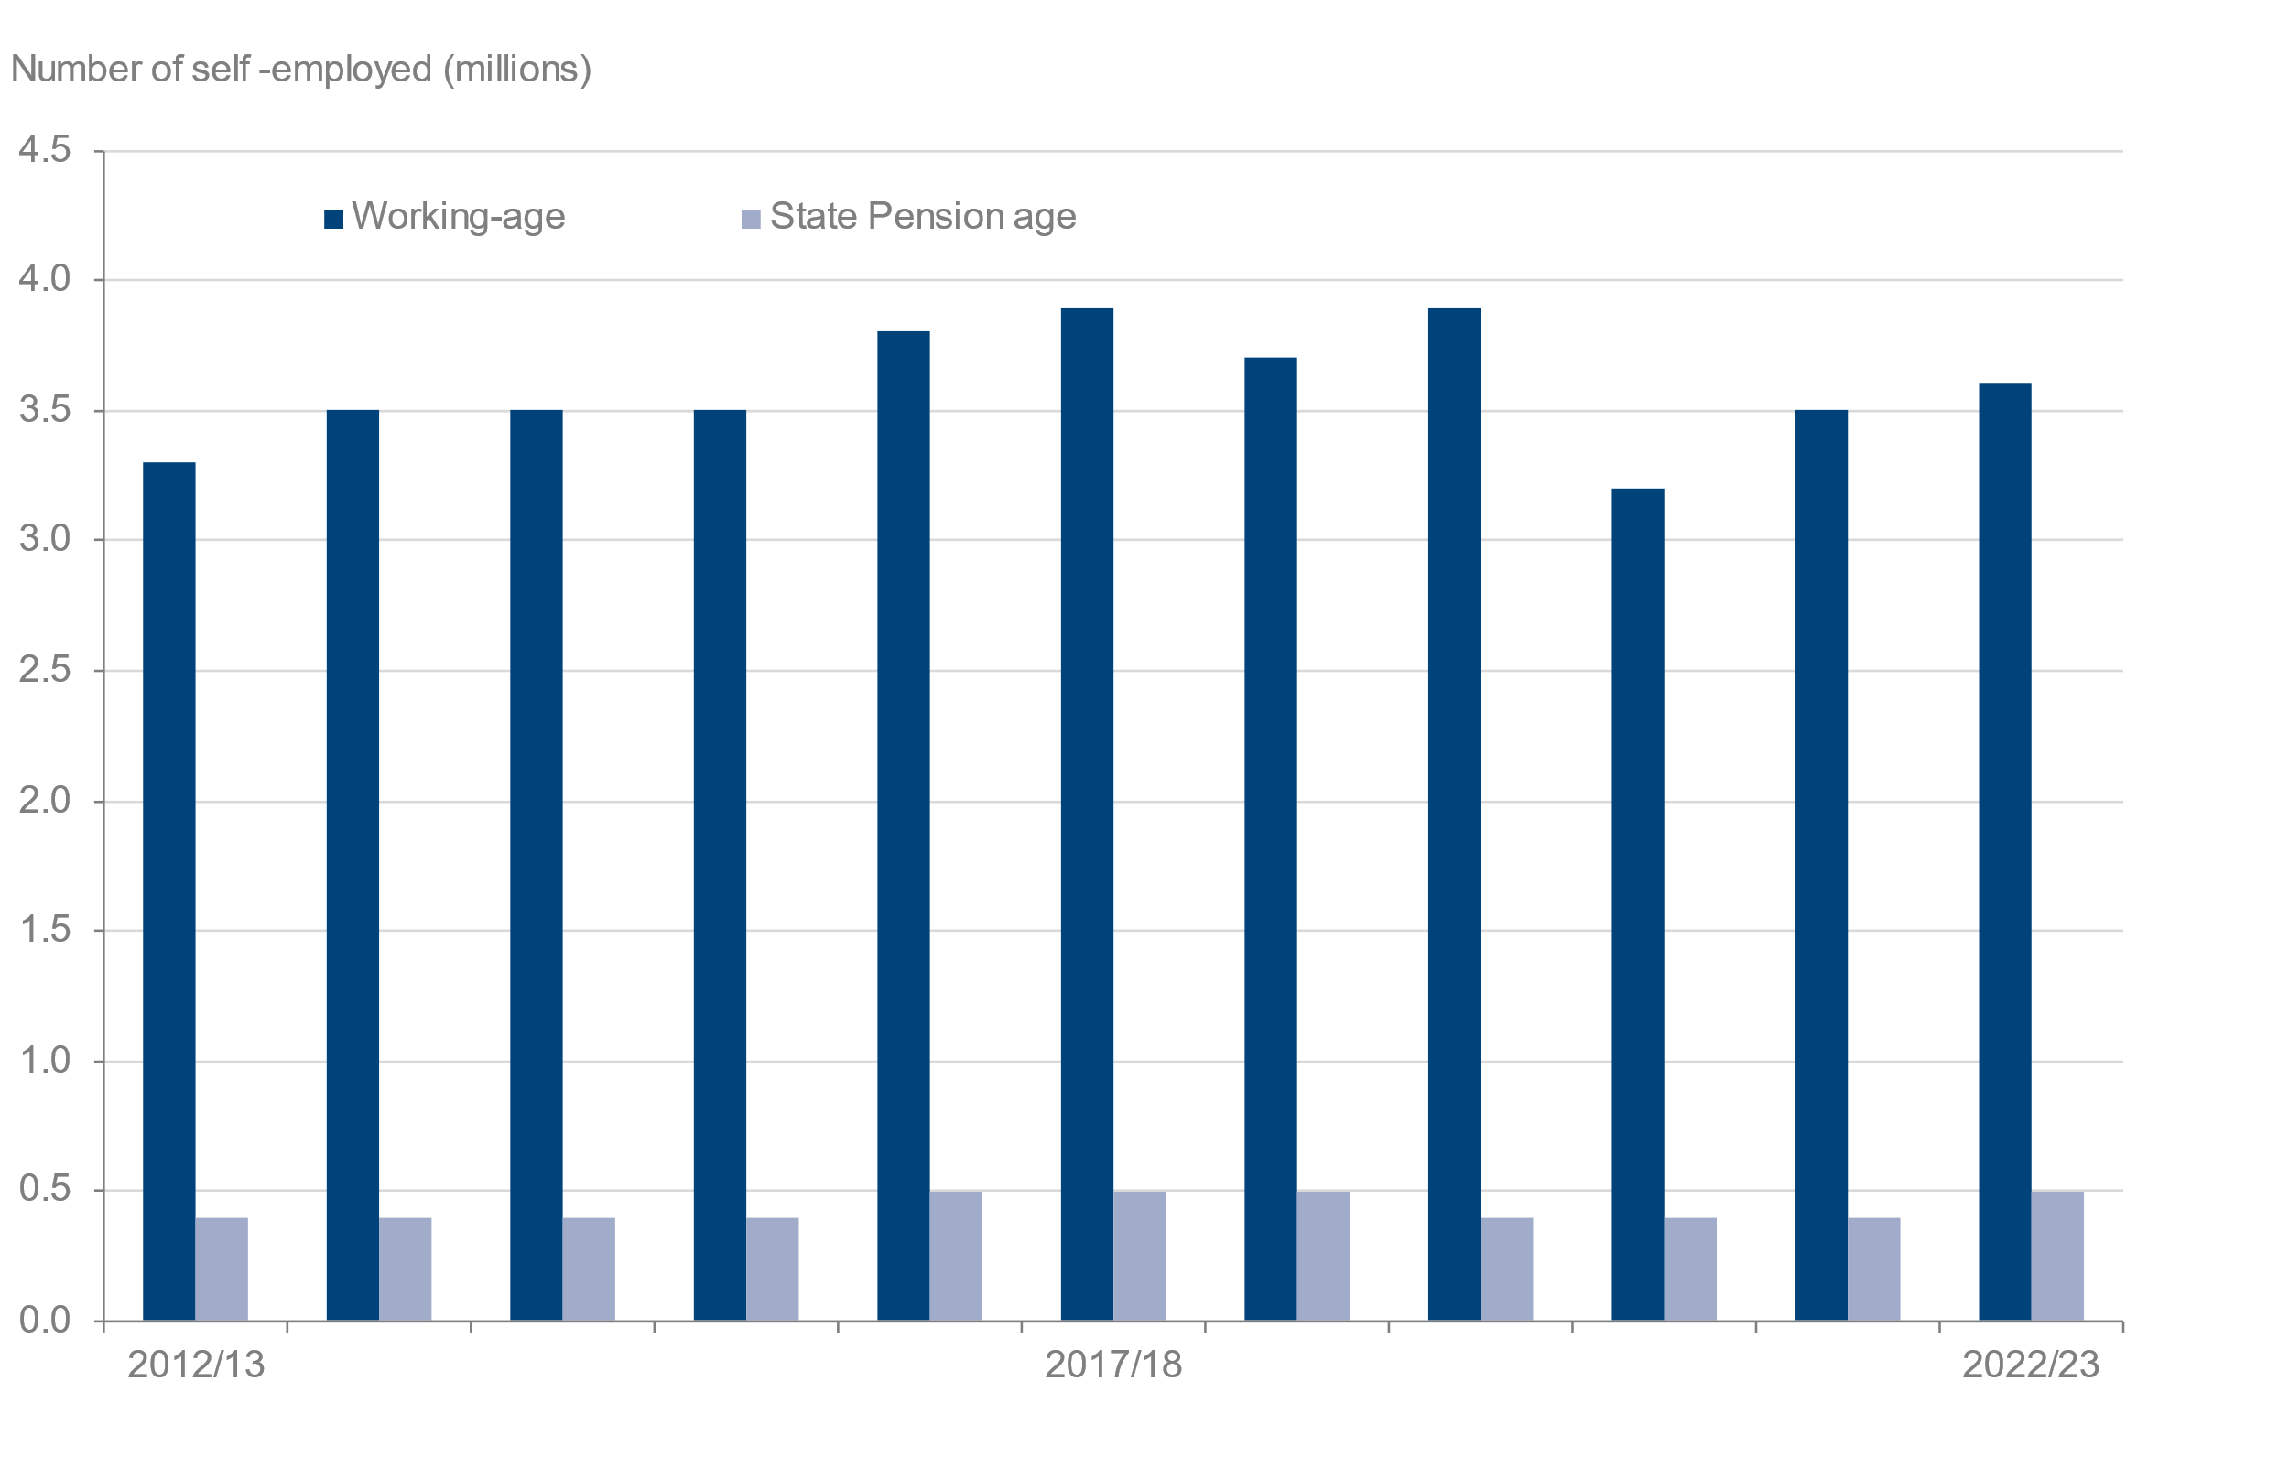
 |  |  |  | Number of self-employed people (millions)
Year | All | Working-age | State Pension age | Sample size
2012/13 | 3.8 | 3.3 | 0.4 | 2,568
2013/14 | 3.9 | 3.5 | 0.4 | 2,672
2014/15 | 4.0 | 3.5 | 0.4 | 2,676
2015/16 | 3.9 | 3.5 | 0.4 | 2,524
2016/17 | 4.3 | 3.8 | 0.5 | 2,721
2017/18 | 4.3 | 3.9 | 0.5 | 2,755
2018/19 | 4.1 | 3.7 | 0.5 | 2,567
2019/20 | 4.3 | 3.9 | 0.4 | 2,683
2020/21 | 3.6 | 3.2 | 0.4 | 1,154
2021/22 | 3.9 | 3.5 | 0.4 | 2,061
2022/23 | 4.1 | 3.6 | 0.5 | 3,305

8_5
Data tables: Self employment, Family Resources Survey, financial year 2022 to 2023, United Kingdom
This worksheet contains 1 table and 2 charts presented horizontally with 1 blank column in between.
Relevant notes can be found on the Notes worksheet. See [Note 1] [Note 2] [Note 3] [Note 4] [Note 5].
Back to Contents |  | See Notes
Source: Family Resources Survey
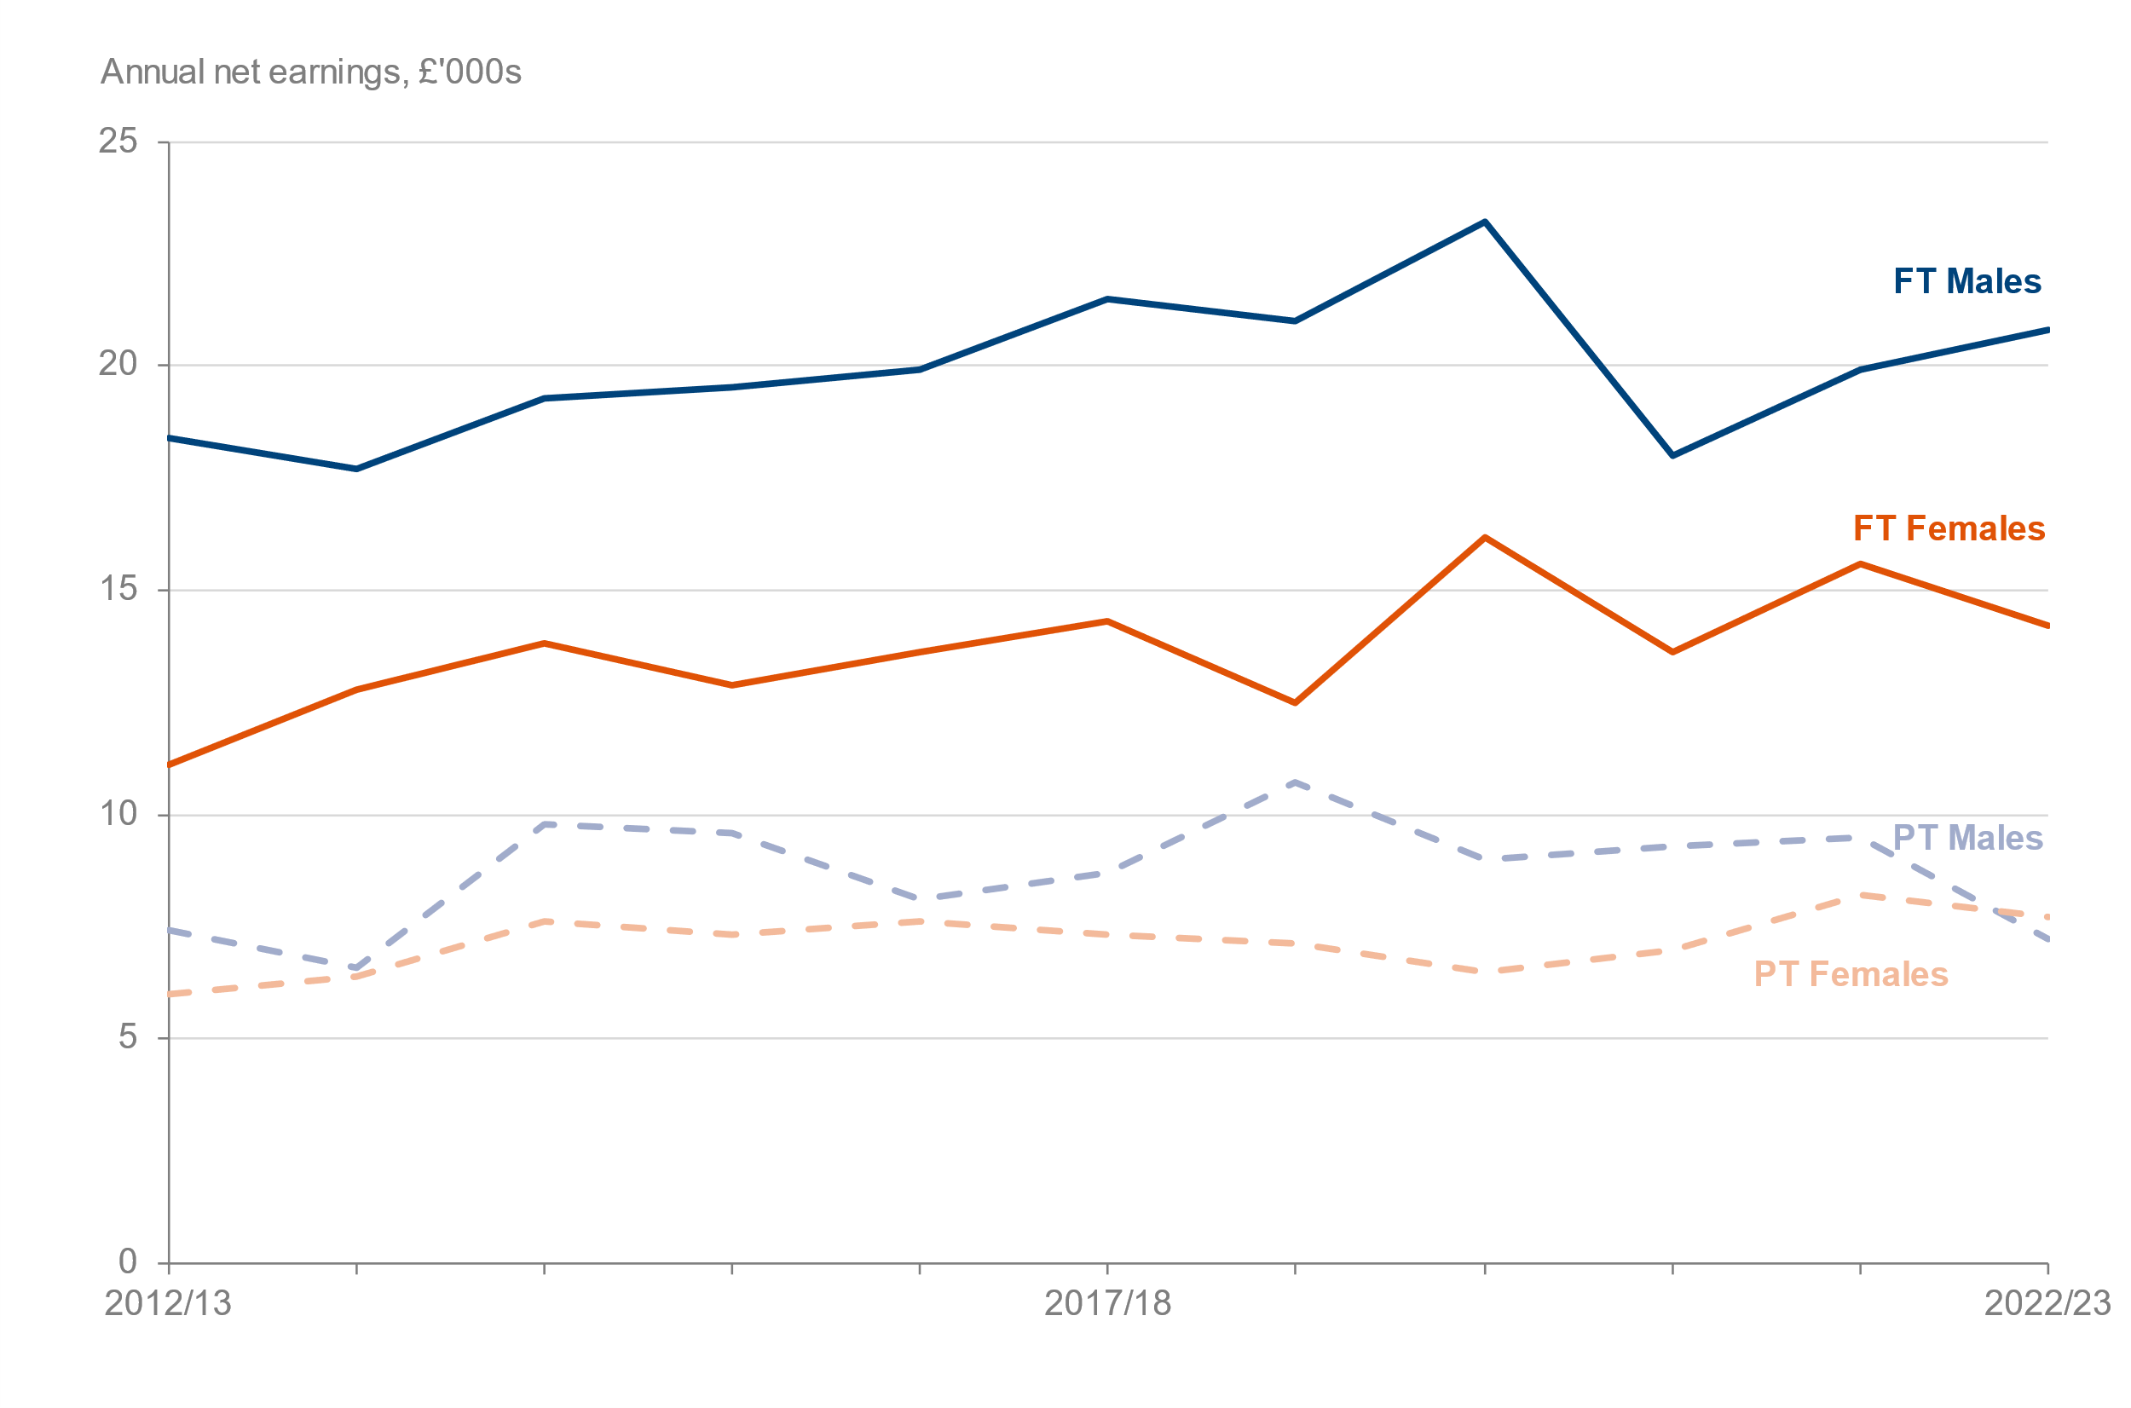
Table 8.5: Median net self-employed earnings [Note 1] [Note 3] [Note 5] by gender, age group [Note 2] and working pattern [Note 4], FYE 2013 to FYE 2023, United Kingdom (2022 to 2023 prices) |  |  |  |  |  |  |  | Chart 8.5A: Median net self-employed earnings by gender (2022 to 2023 prices) FYE 2013 to FYE 2023, United Kingdom | Chart 8.5B: Median net self-employed earnings by age group (2022 to 2023 prices) FYE 2013 to FYE 2023, United Kingdom
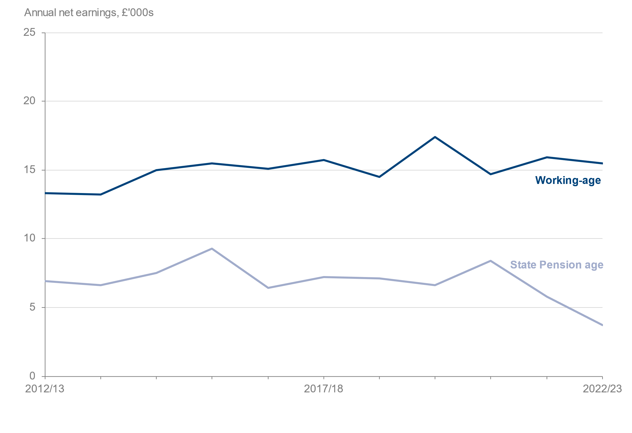
 |  |  |  |  |  |  | Median net annual earnings (£)
 |  | Full-Time |  | Part-Time
Year | Males (FT) | Females (FT) | Males (PT) | Females (PT) | Working-age | State Pension age | Sample size
2012/13 | 18,400 | 11,100 | 7,400 | 6,000 | 13,300 | 6,900 | 2,568
2013/14 | 17,700 | 12,800 | 6,600 | 6,400 | 13,200 | 6,600 | 2,672
2014/15 | 19,300 | 13,800 | 9,800 | 7,600 | 15,000 | 7,500 | 2,676
2015/16 | 19,500 | 12,900 | 9,600 | 7,300 | 15,500 | 9,300 | 2,524
2016/17 | 19,900 | 13,600 | 8,100 | 7,600 | 15,100 | 6,400 | 2,721
2017/18 | 21,500 | 14,300 | 8,700 | 7,300 | 15,700 | 7,200 | 2,755
2018/19 | 21,000 | 12,500 | 10,700 | 7,100 | 14,500 | 7,100 | 2,567
2019/20 | 23,200 | 16,200 | 9,000 | 6,500 | 17,400 | 6,600 | 2,683
2020/21 | 18,000 | 13,600 | 9,300 | 7,000 | 14,700 | 8,400 | 1,154
2021/22 | 19,900 | 15,600 | 9,500 | 8,200 | 15,900 | 5,800 | 2,061
2022/23 | 20,800 | 14,200 | 7,200 | 7,700 | 15,500 | 3,700 | 3,305

