Introduction
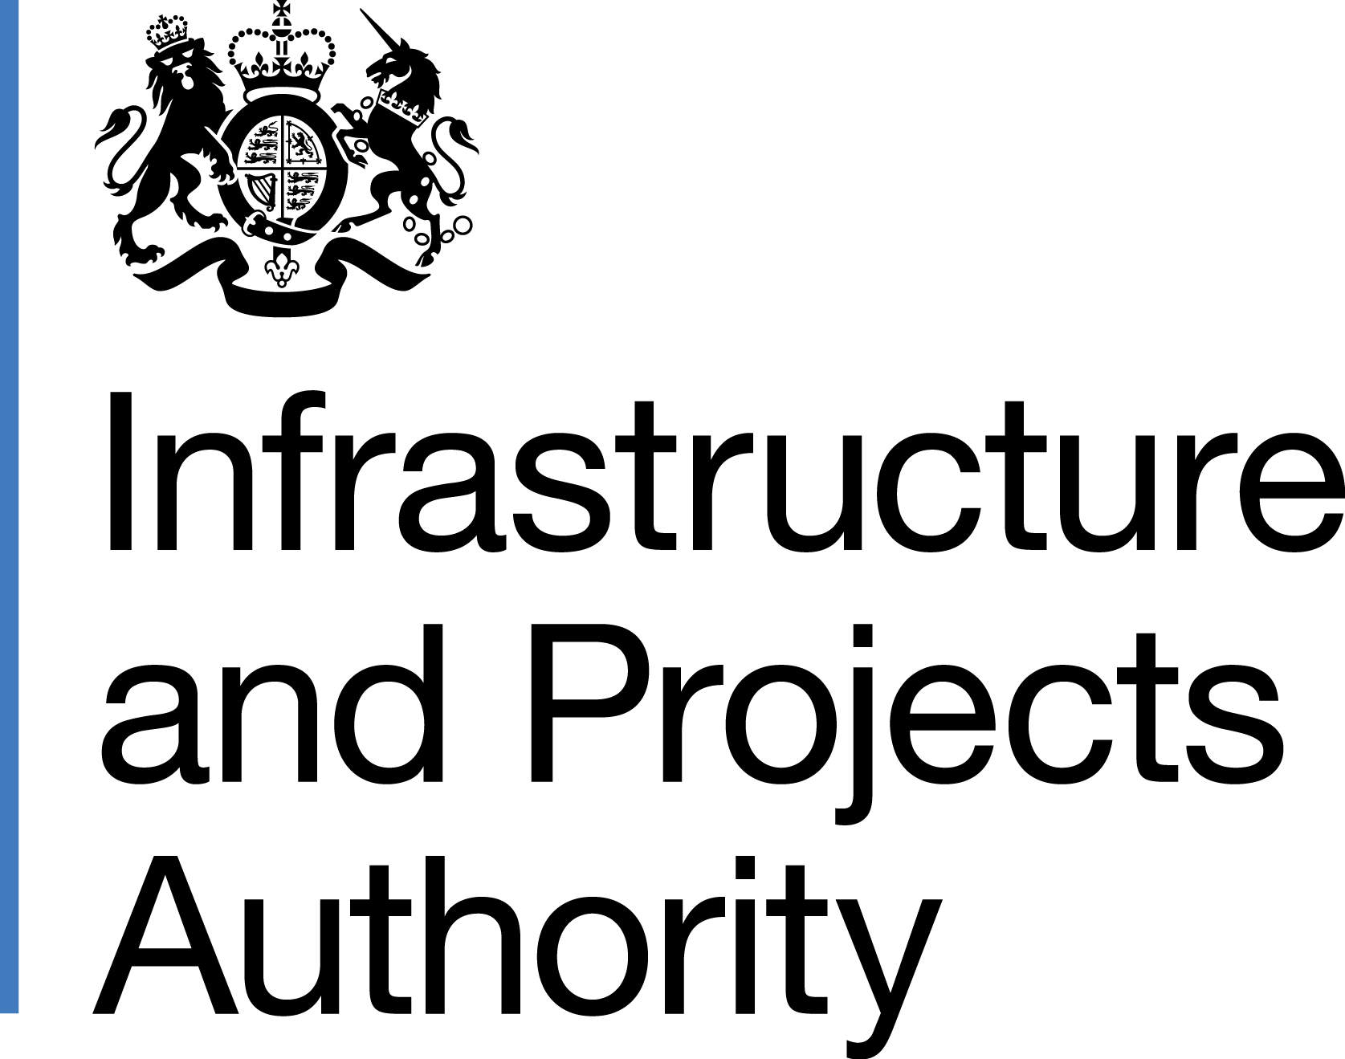
National Infrastructure and Construction Pipeline 2023
This workbook contains the infrastructure and construction investment and procurement pipelines that have been compiled by the government.
The overall pipeline is not a statement of need or a commitment to undertake all or any specific projects or programmes shown. All of the publicly funded elements of the infrastructure and construction pipeline represent announced government projects or spending commitments, in line with funding agreed for the 2021 Spending Review period (which set departmental budgets to 2024/25). Public spending beyond 2024/25 will be confirmed within the next Spending Review. In a number of other sectors, such as energy, the decision to go ahead with individual projects will be determined by the market.
The pipeline is based on unaudited administrative data and should not be considered as national statistics or as official statistics. The data is owned by Departments, Local Authorities or Companies that provided it. Anyone using the pipeline data does so at their own risk and no responsibility is accepted by HM Government for any loss or liability which may arise from such use directly or indirectly. In preparing and collating this National Infrastructure and Construction Pipeline, sensitive information has been removed for reasons of confidentiality, linked to commercial sensitivity or national security.

HS2 update: The NICP dataset includes estimates for phase 1 of HS2 following the Prime Minister's 4th October 2023 announcement that HS2 phases 2a, 2b and HS2 East had been cancelled. These figures are provisional, not yet approved by HMT and may be subject to change. Transport capital pipelines will be updated in future iterations of the NICP as plans develop.

