Cover_sheet

Social Housing Decarbonisation Fund (SHDF) Statistics

This spreadsheet contains a selection of data tables to provide an overview of the progression of the SHDF scheme.
The Government launched Wave 1 of the SHDF in August 2021. It has awarded around £179m of grant funding for delivery from 2022 into 2023, and will see energy performance improvements to up to 20,000 social housing properties.
This release incorporates data on Wave 2.1 of the SHDF for the first time. Further detail will be incorporated in future releases.
Successful projects within Wave 2.1 of the SHDF were announced on 22 March 2023. Wave 2.1 of the SHDF awarded around £778m of grant funding, delivering from 2023 to 2025.

Publication dates
The data tables in this spreadsheet were published at 09:30am Thursday 25th January 2024.

Data Coverage
Data covered in this release is for Wave 1 and Wave 2.1 delivery to the end of November 2023.
Data covered in this release is for England only, as the scheme only operated in England.

Units, notes and no data
Some cells in the tables refer to notes which can be found beneath the tables on each worksheet. Note markers are presented in square brackets, for example: [n1]. Some cells have no data, when this is the case cell is left blank. An explanation of why there is no data is given at the top of the worksheet. Some column headings give units, when this is the case the units are presented in round brackets to differentiate them from note markers.

Contact Details
Press Enquiries to the Press Officer: 020 7215 5975; or the news desk: 020 7215 1000
Responsible Statisticians: Isi Avbulimen and Christine Cheung
EnergyEfficiency.Stats@energysecurity.gov.uk
07927 579551

This workbook was updated on: | 2024-01-25
The next update for these statistics is: | 2024-02-29

Charts
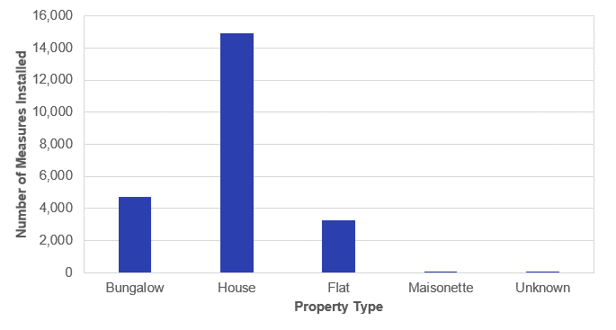
Charts visualising key statistics
This worksheet contains seven charts. The charts visualise some of the key statistics within the release.
This worksheet contains blank rows and columns to aid the presentation of the charts.

Chart 1: Number of Measures Installed by Installation Month under SHDF Wave 1 and Wave 2.1 | Chart 2: Number of Households Upgraded by First Installation Month under SHDF Wave 1 and Wave 2.1
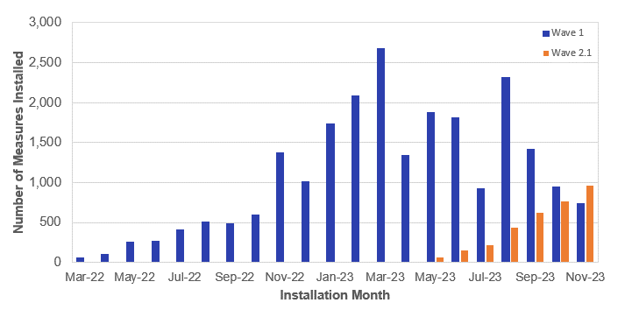
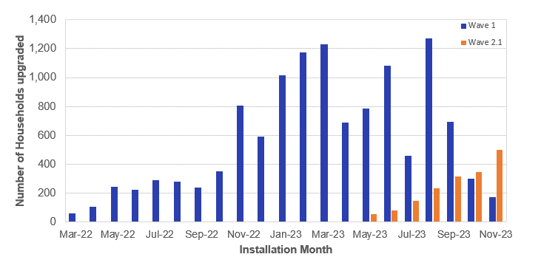

Chart 3.1: Number of Measures Installed by Measure Type under SHDF Wave 1 | Chart 3.2: Number of Measures Installed by Measure Type under SHDF Wave 2.1
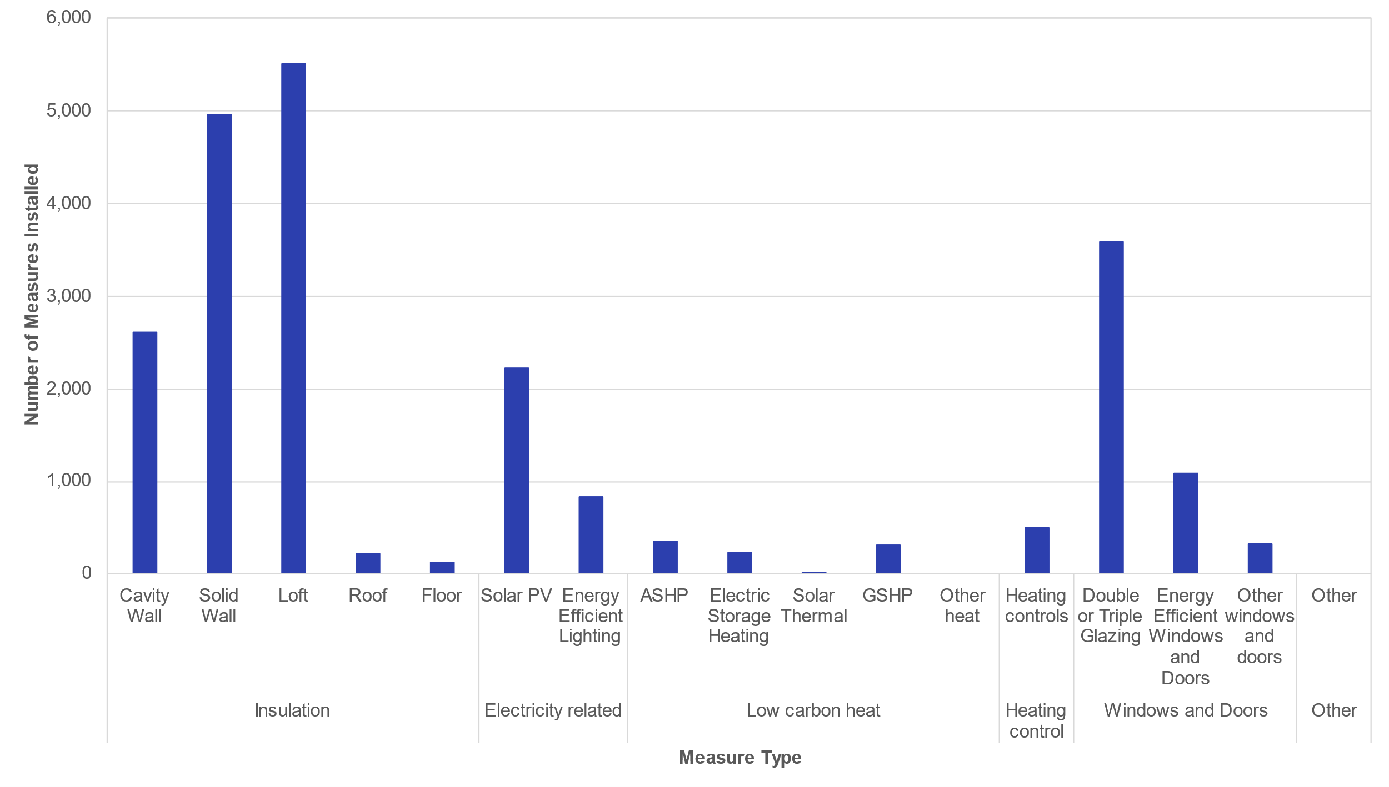
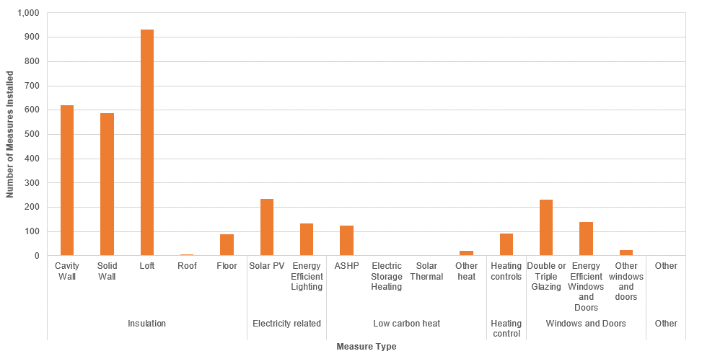

Chart 4: Proportion of Measures Installed by English Region under SHDF Wave 1 | Chart 5: Proportion of Households Upgraded by English Region under SHDF Wave 1
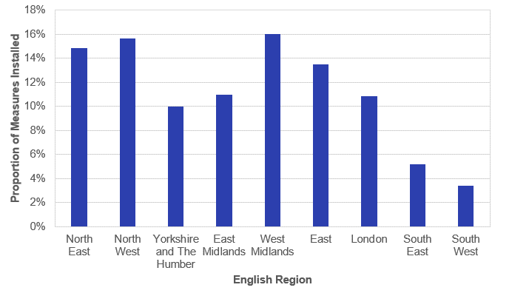
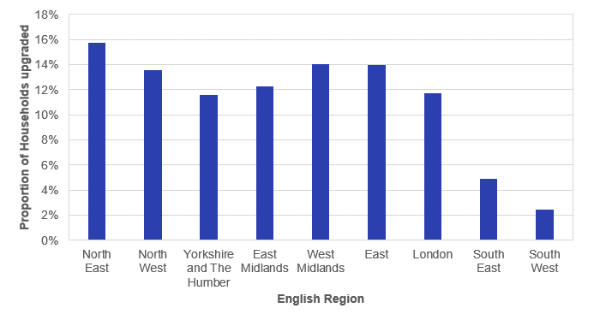

Chart 6: Number of Measures Installed by Property Type under SHDF Wave 1

