Intro

Monthly Provisional UK Sea Fisheries Statistics October 2023

This workbook was updated 24th November 2023

Contents


Highlights - Time series | Highlights - Live weight landings (t) and Value (£000's) by month and cumulative totals over the year.
Highlights - Time series Data | Highlights - Breakdown of data used for time series graphs by each month in 2022 & 2023
Highlights - October | Highlights - October (compared to same month in 2022)
Table 1 | Landings by UK vessels into all ports (Live weight (tonnes) and Value (£000's)) by vessel nationality, vessel length and species group (Summary)
Table 1a | Landings of UK vessels into UK ports (Live weight (tonnes) and Value (£000's)) by vessel nationality, vessel length and species group (Summary)
Table 1b | Landings of UK vessels into Foreign ports (Live weight (tonnes) and Value (£000's)) of UK vessels into Foreign ports by vessel nationality, vessel length and species group (Summary)
Table 2 | Landings of UK vessels into UK ports (Live weight (tonnes), Value (£000's) and Price (£/tonne)) by Species
Table 3 | Landings of UK vessels into all ports (Live weight (tonnes), Value (£000's) and Price (£/tonne)) by Species
Table 4 | Landings of foreign vessels into the UK (Live weight (tonnes), Value (£000's) and Price (£/tonne)) by species
Table 5 | Landings into UK ports by all vessels (Live weight (tonnes) and Value (£000's)) by country of landing and port
Table 6 | Landings by all UK vessels into all ports (Live weight (t) and Value (£000's)) by species group and vessel nationality
Table 7 | Landings (Live weight (t) and Value (£000's)) and number of trips of UK vessels in all ports by country and vessel length
Table 8 | Quantity of landings (t) and value landed (£000's) by UK vessels and Foreign vessels into the UK in last 2 years

Intro

This is a National Statistics publication. This notice provides an overview of the reported weight and value of landings by UK vessels into the UK and abroad, and by foreign vessels into the UK. Data are used to provide analysis and evidence to researchers and the media and to respond to ad-hoc requests from fishers, other fishing organisations and the general public. They are also used to formulate and monitor fishing policy for fisheries administrations. This data is provisional and represents the best available data the MMO holds on fishing activity by the UK fleet and into the UK. Data will be revised each month and lags will be reviewed following protocol documented here: https://www.gov.uk/guidance/fishing-activity-and-landings-data-collection-and-processing. Please note, the monthly data in these reports for tables 1 to 7 represent a 'snapshot' at the time of release, therefore the totals may not align with the latest published 'underlying dataset', which is downloaded from our 'live' database and presented alongside the monthly reports. The raw data that feeds into this publication is equivalent to the data used to produce our regular national statistics and is processed and collected as outlined above. Due to the timing of this report the data for 2022 does not correspond with 'final' data recently published in our annual publication ‘Sea Fish Statistics 2022’ (published 28th September 2023) and therefore remain provisional. Data for 2022 activity within this release are scheduled to be updated in the coming months.

Highlights - Time Series
Highlights - Time Series showing landings by month and cumulative totals over the year.

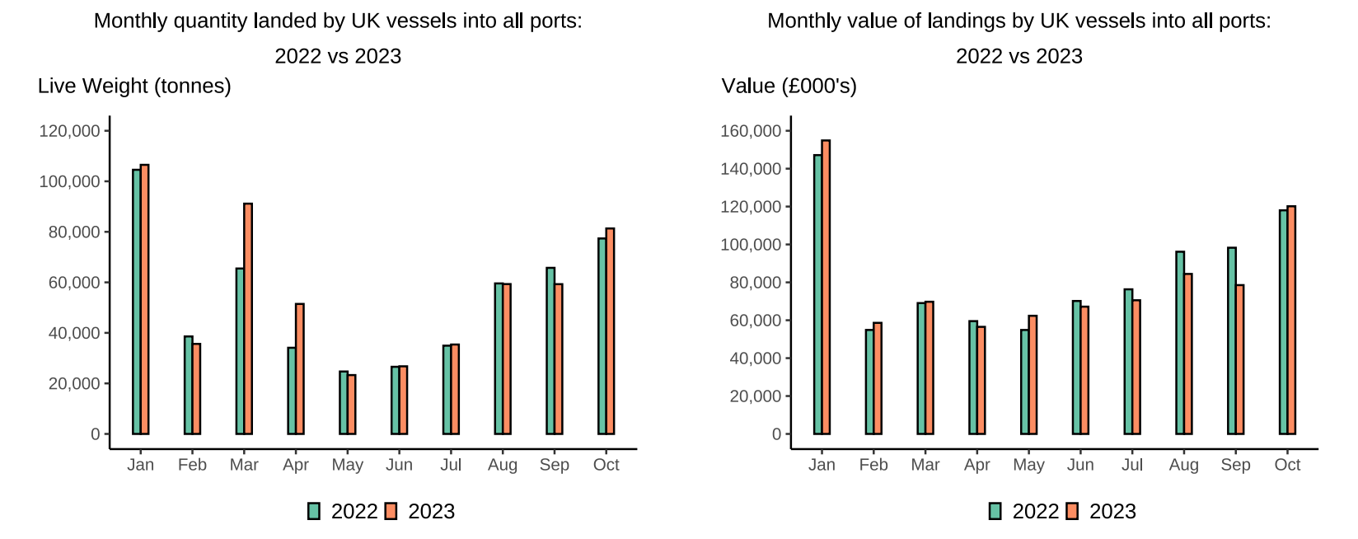

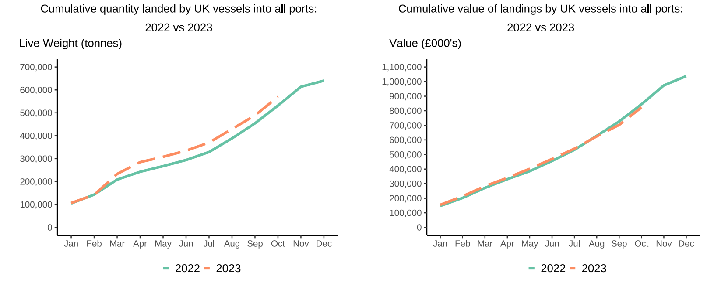
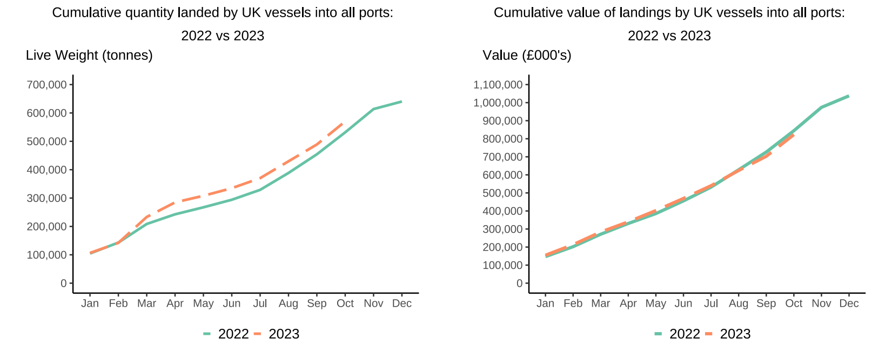

In this release, fishing activity recorded from January to December 2023 is compared to 2022. All quantities are reported as live weight tonnage and values are at first sale in pounds sterling (£000s).
Cumulatively for 2023, the value of landings is down 3 per cent compared to 2022. Quantity of landings is up by 7 per cent compared to tonnage landed in between January - October 2022.
For breakdown and comparisons of value and quantity landed for individual months see Highlights - Time Series Data tab.

Highlights - October
Highlights - October 2023
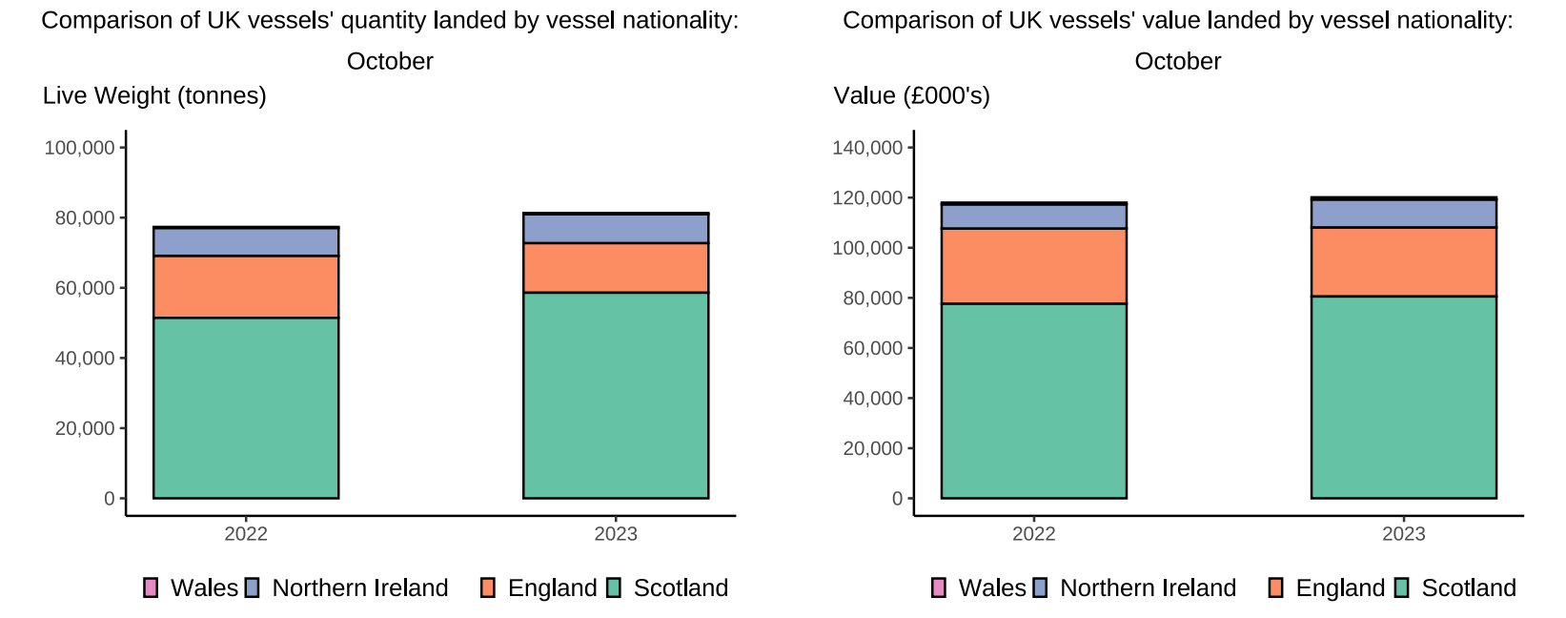

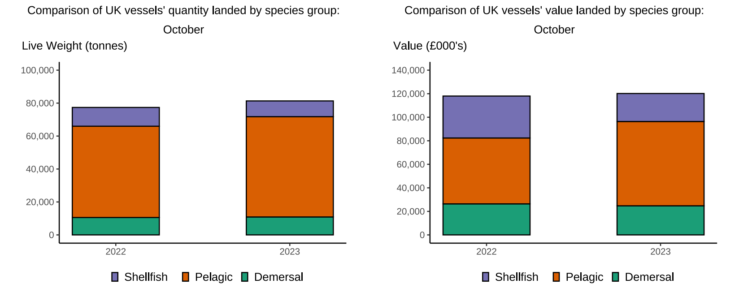

Here, fishing activity recorded in October 2023 is compared to activity in October 2022. All quantities are reported as live weight tonnes and values are at first sale in pounds sterling (£000's).
The total quantity of landings by UK vessels (tonnes) increased in October 2023 compared to 2022, up 5%. The value of landings in October 2023 (£120.2m) also increased compared to 2022, up 2%.
Landings of species groups typically fluctuate over the year due to seasonality of UK stocks. Landings in October 2023 comprised mostly of Pelagic species (75%) (T6). This was driven by higher landings of Mackerel which are typically heavily targeted in the winter months. Pelagic species comprised the majority of the value landed (60%), again driven by the large landings of Mackerel. Landings by Scottish vessels contributed to 70% of total landings by the UK fleet in October. This is due to the Scottish sector having a large pelagic fleet which heavily targets Mackerel.
The landings into UK ports (by UK and foreign vessels) in October 2023 increased by 7% compared to 2022. Value landed however decreased by 8% compared to 2022. Landings into Peterhead contributed to 47% of total landings and 37% of the total value landed into UK ports in October 2023 (T5). This is likely driven by the increased Mackerel landings by Scottish vessels.

