Guidance
Risk Register Guidance
Risk Definition: A risk event is an uncertain event or set of circumstances that would, if it occurred, have an effect on the achievement of one or more project objectives. Using this definition, risks can be either threats that hurt the objectives or opportunities that benefit them.

Risk Description: The risk descriptions in the risk regiser must state the risk event, the cause and the impact. For example there is a risk that [describe risk event] caused by [describe cause of risk event] will result in [describe impact on project, in terms of cost, timelines and scope].

Scoring of Risks: This is to determine the RAG status of the risk by identifying the impact and probability. Please use the below chart to help guide you in your scoring of risk and to understand the different types of impact a risk can generate.
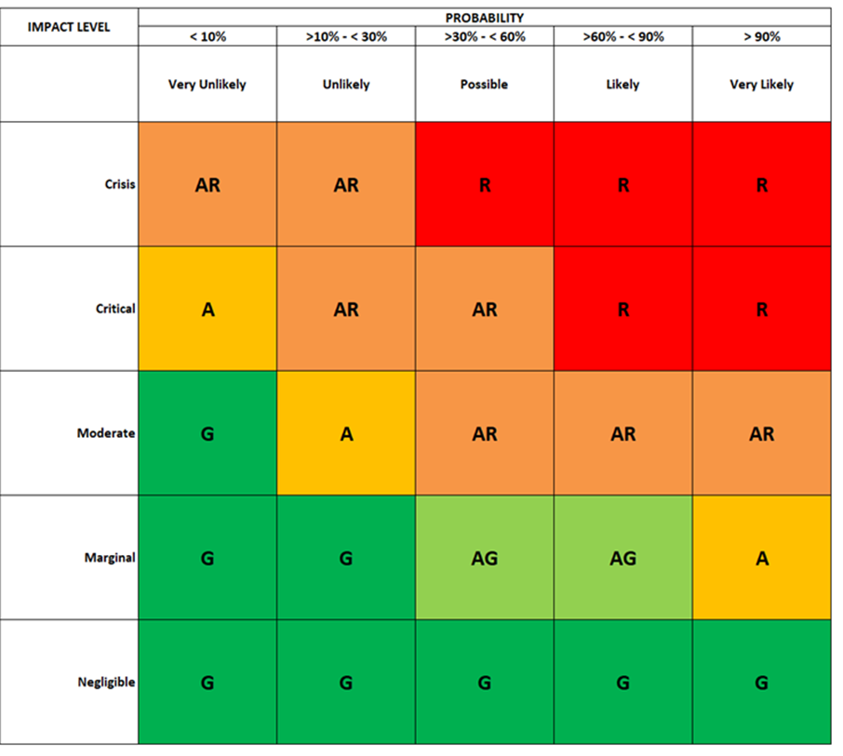

Inherent Risk Status: This RAG status represents the severity of risks before you implement controls to reduce or mitigate the risk. The Inherent Rag Status is calculated when you assign Likelihood and Impact ratings by using the chart above.
Mitgated Risk Status: This RAG status represents the severity of risks after you have implemented or considered mitigating actions. This Rag Status is calculated when you assign Likelihood and Impact ratings by using the chart above.

