Cover_sheet
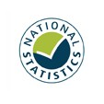
Detailed analysis of fires attended by FRSs
England, April 2021 to March 2022: data tables
Table 0603
Responsible Statistician: Helene Clark
Email: Firestatistics@homeoffice.gov.uk
Press enquiries: 0300 123 3535
Published: 29 September 2022
Next update: Autumn 2023
Crown copyright © 2022
Contents
We’re always looking to improve the accessibility of our documents.
If you find any problems, or have any feedback, relating to accessibility
please email us at firestatistics@homeoffice.gov.uk

