Guidance notes
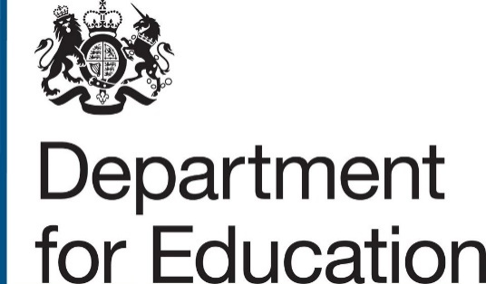
 | Form name | Level 3 Free Courses for Jobs - notification form for awarding organisations

 | Version | 1.0

 | Purpose | For awarding organisations to tell us about qualifications they would like adding to the new funded offers

Guidance notes

You can use this form to tell us about the regulated qualifications you want us to consider for the Level 3 Free Courses for Jobs offer.

We will only accept these notification forms from awarding organisations.

Before you complete this form, please read and follow the guidance in the |  |  | Qualification funding approval manual

You must send this form to us by the deadlines set out in the manual: by 17:00 on 18 September 2023; by 17:00 on 22 April 2024.

For each submission, please include details of all your qualifications that you are asking us to review that month in a single form. You must send completed forms to:
Qualifications.approval@education.gov.uk

For us to consider your submission, you must send us all the information that we ask for in the manual.

Click here to complete the form

