Fig 1.1
Figure 1.1: Energy efficiency rating bands, 2011 and 2021 | Underlying data for Figure 1.1: Energy efficiency rating bands, 2011 and 2021

 |  | 2011 | 2021
 |  |  | percentages
 | A/B/C | 16.0 | 47.5
 | D | 49.3 | 42.7
 | E/F/G | 34.8 | 9.8

Base: all occupied dwellings
Note: underlying data are presented in Annex Table 1.3
Source: English Housing Survey, dwelling sample

Fig 1.2
Figure 1.2: Energy efficiency rating bands, 2011 to 2021 | Underlying data for Figure 1.2: Energy efficiency rating bands, 2011 to 2021
 |  | 2011 | 2012 | 2013 | 2014 | 2015 | 2016 | 2017 | 2018 | 2019 | 2020 | 2021
 | A/B | 0% | 1% | 1% | 1% | 1% | 1% | 1% | 1% | 2% | 3% | 3%
 | C | 15% | 18% | 22% | 25% | 27% | 28% | 29% | 33% | 38% | 43% | 44%
 | D | 49% | 51% | 51% | 51% | 50% | 50% | 51% | 49% | 47% | 43% | 43%
 | E | 28% | 25% | 19% | 17% | 17% | 16% | 14% | 12% | 10% | 8% | 7%
 | F | 6% | 5% | 5% | 4% | 4% | 4% | 4% | 3% | 3% | 2% | 2%
 | G | 2% | 1% | 2% | 1% | 1% | 1% | 1% | 1% | 1% | 1% | 0%

Base: all dwellings
Notes:
1) from 2018 the SAP 2012 methodology used new U values for cavity, solid and stone walls, both insulated and uninsulated.

2) EER bands A and B are grouped. There are currently insufficient numbers of Band A properties existing for which meaningful estimates can be made through a sample survey.

3) due to the COVID-19 pandemic, EHS surveyors did not conduct any inspection of vacant properties in 2020. Although an external inspection of vacant homes occurred in 2021, the 2021 combined survey dwelling sample is for occupied properties only.

4) underlying data are presented in Annex Table 1.2
Source: English Housing Survey, dwelling sample

Fig 1.3
Figure 1.3: Energy efficiency rating bands, by dwelling age, 2021 | Underlying data for Figure 1.3: Energy efficiency rating bands, by dwelling age, 2021

 |  | A/B/C | D | E/F/G
 |  |  |  | percentages
 | pre 1919 | 18.2 | 56.5 | 25.2
 | 1919 to 1944 | 30.0 | 61.1 | 8.9
 | 1945 to 1964 | 47.7 | 45.8 | 6.5
 | 1965 to 1980 | 49.4 | 43.2 | 7.3
 | 1981 to 1990 | 61.8 | 33.1 | 5.1
 | post 1990 | 81.1 | 16.8 | 2.1

Base: all occupied dwellings
Note: underlying data are presented in Annex Table 1.5
Source: English Housing Survey, dwelling sample

Fig 1.4
Figure 1.4: Energy efficiency rating bands, by dwelling type, 2021 | Underlying data for Figure 1.4: Energy efficiency rating bands, by dwelling type, 2021

 |  | A/B/C | D | E/F/G
 |  |  |  | percentages
 | small terraced house | 43.9 | 47.6 | 8.5
 | medium/large terraced house | 43.5 | 48.3 | 8.1
 | semi-detached house | 41.2 | 50.3 | 8.6
 | detached house | 43.9 | 41.3 | 14.8
 | bungalow | 32.2 | 55.5 | 12.3
 | converted flat | 31.7 | 46.3 | 21.9
 | purpose built flat, low rise | 73.3 | 21.3 | 5.4
 | purpose built flat, high rise | 84.5 | 12.5 | 3.0

Base: all occupied dwellings
Note: underlying data are presented in Annex Table 1.5
Source: English Housing Survey, dwelling sample

Fig 1.5
Figure 1.5: Proportion of A to C rated dwellings, by region, 2021 | Underlying data for Figure 1.5: Proportion of A to C rated dwellings, by region, 2021
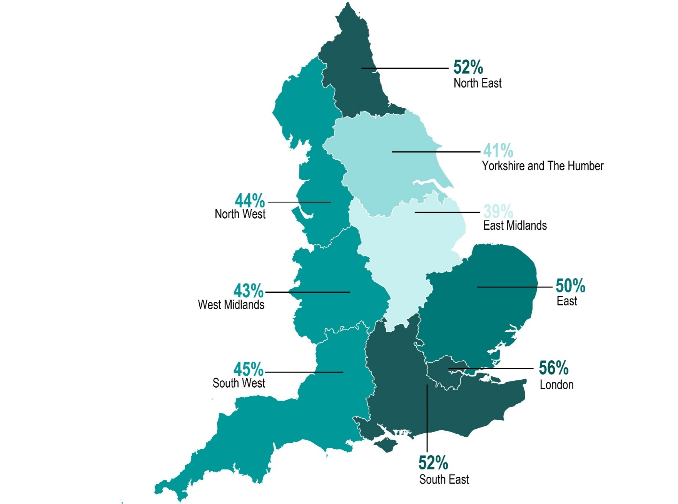
 |  | percentages
 | North East | 51.7
 | North West | 43.8
 | Yorkshire and the Humber | 40.9
 | East Midlands | 39.4
 | West Midlands | 43.1
 | East of England | 50.3
 | London | 56.1
 | South East | 52.1
 | South West | 45.3

Base: all occupied dwellings
Note: underlying data are presented in Annex Table 1.5
Source: English Housing Survey, dwelling sample

Fig 1.6
Figure 1.6: Energy efficiency rating bands, by age of HRP, 2021-22 | Underlying data for Figure 1.6: Energy efficiency rating bands, by age of HRP, 2021-22

 |  | A/B/C | D | E/F/G
 |  |  |  | percentages
 | 16 to 24 | 60.7 | 28.7 | 10.6
 | 25 to 34 | 55.7 | 37.6 | 6.8
 | 35 to 44 | 53.6 | 39.7 | 6.7
 | 45 to 64 | 45.9 | 44.4 | 9.7
 | 65 to 74 | 41.3 | 46.6 | 12.0
 | 75 or over | 38.7 | 47.0 | 14.3

Base: all households
Note: underlying data are presented in Annex Table 1.6
Source: English Housing Survey, household sub sample

