Fig 2.1
Fig 2.1 Presence of savings by tenure, 2021-22
 |  | has savings | no savings
 | social renters | 25.7 | 74.3
 | private renters | 51.9 | 48.1
 | owner occupiers | 78.1 | 21.9

Base: all households
Note: underlying data are presented in Annex Table 2.4
Source: English Housing Survey, full household sample

Fig 2.2.
Fig 2.2 Proportion of households in rent arrears, 2021-22

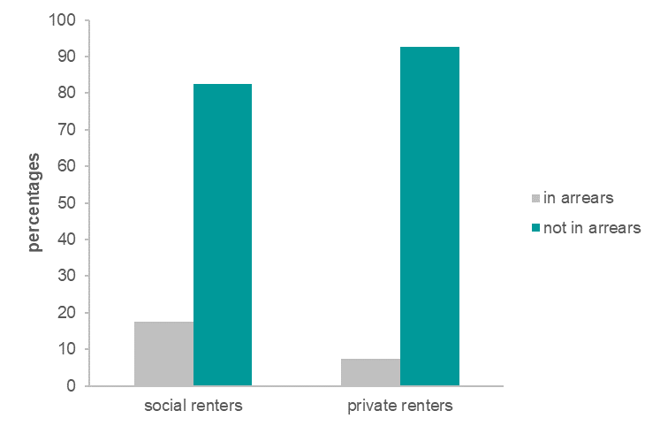
 |  | social renters | private renters
 | in arrears | 17.6 | 7.4
 | not in arrears | 82.4 | 92.6

Base: all renters
Source: English Housing Survey, full household sample

Fig 2.4
Fig 2.4 Method of payment for electricity and gas by ease of paying rent, 2021-22

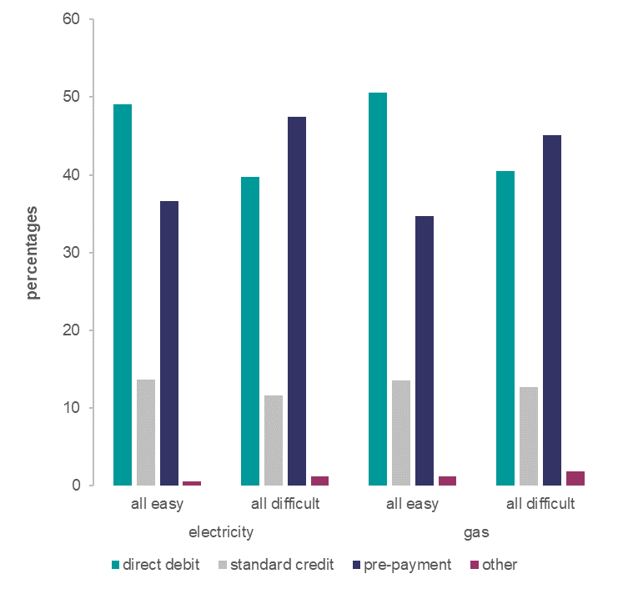
 |  |  | direct debit | standard credit | pre-payment | other | total
 | electricity | all easy | 49.1 | 13.7 | 36.7 | 0.6 | 100.0
 |  | all difficult | 39.7 | 11.6 | 47.5 | 1.2 | 100.0
 | gas | all easy | 50.6 | 13.5 | 34.7 | 1.2 | 100.0
 |  | all difficult | 40.5 | 12.7 | 45.1 | 1.8 | 100.0

Base: all social renters
Source: English Housing Survey, full household sample

Fig 2.5
Fig 2.5 Method of payment for electricity and gas by whether in arrears, 2021-22

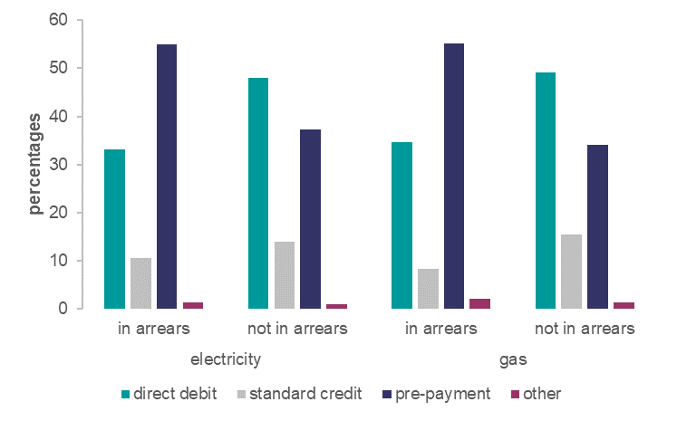
 |  |  | direct debit | standard credit | pre-payment | other | total
 | electricity | in arrears | 33.1 | 10.5 | 55.1 | 1.3 | 100.0
 |  | not in arrears | 48.1 | 13.8 | 37.2 | 0.8 | 100.0
 | gas | in arrears | 34.6 | 8.2 | 55.1 | 2.1 | 100.0
 |  | not in arrears | 49.2 | 15.5 | 34.1 | 1.2 | 100.0

Base: all social renters
Source: English Housing Survey, full household sample

