Risks
 | Risk Guidance

 | Risk Matrix |  |  | Probability Table |  | Impact Table
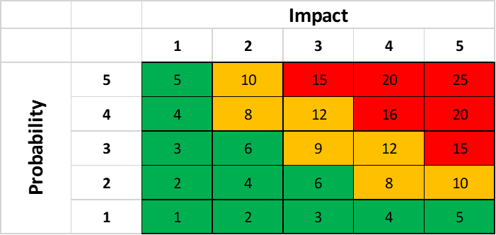
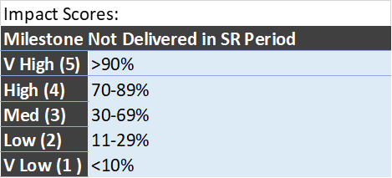

 | Risk Tables

 |  |  | Pre-Mitigation |  |  |  | Post Mitigation
Serial | Description - There is a risk that… | £ Retained | P | I | Score | Mitigation Actions | P2 | I3 | Score4
Ris_1 | e.g. The price of cocoa increases by >25% | 12,000 | 3 | 3 | 9 | e.g. Forward buy and store in a big fridge | 1 | 3 | 3
Ris_2 |  |  |  |  | 0 |  |  |  | 0 | Press 'tab' to extend this table
 |  |  |  |  | 0 |  |  |  | 0
 |  | 4,000 |  |  | 0 |  |  |  | 0

