Cover
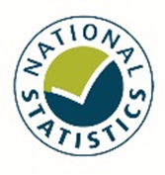 General Ophthalmic Services Annual Series Information to 2022/23

