Metadata
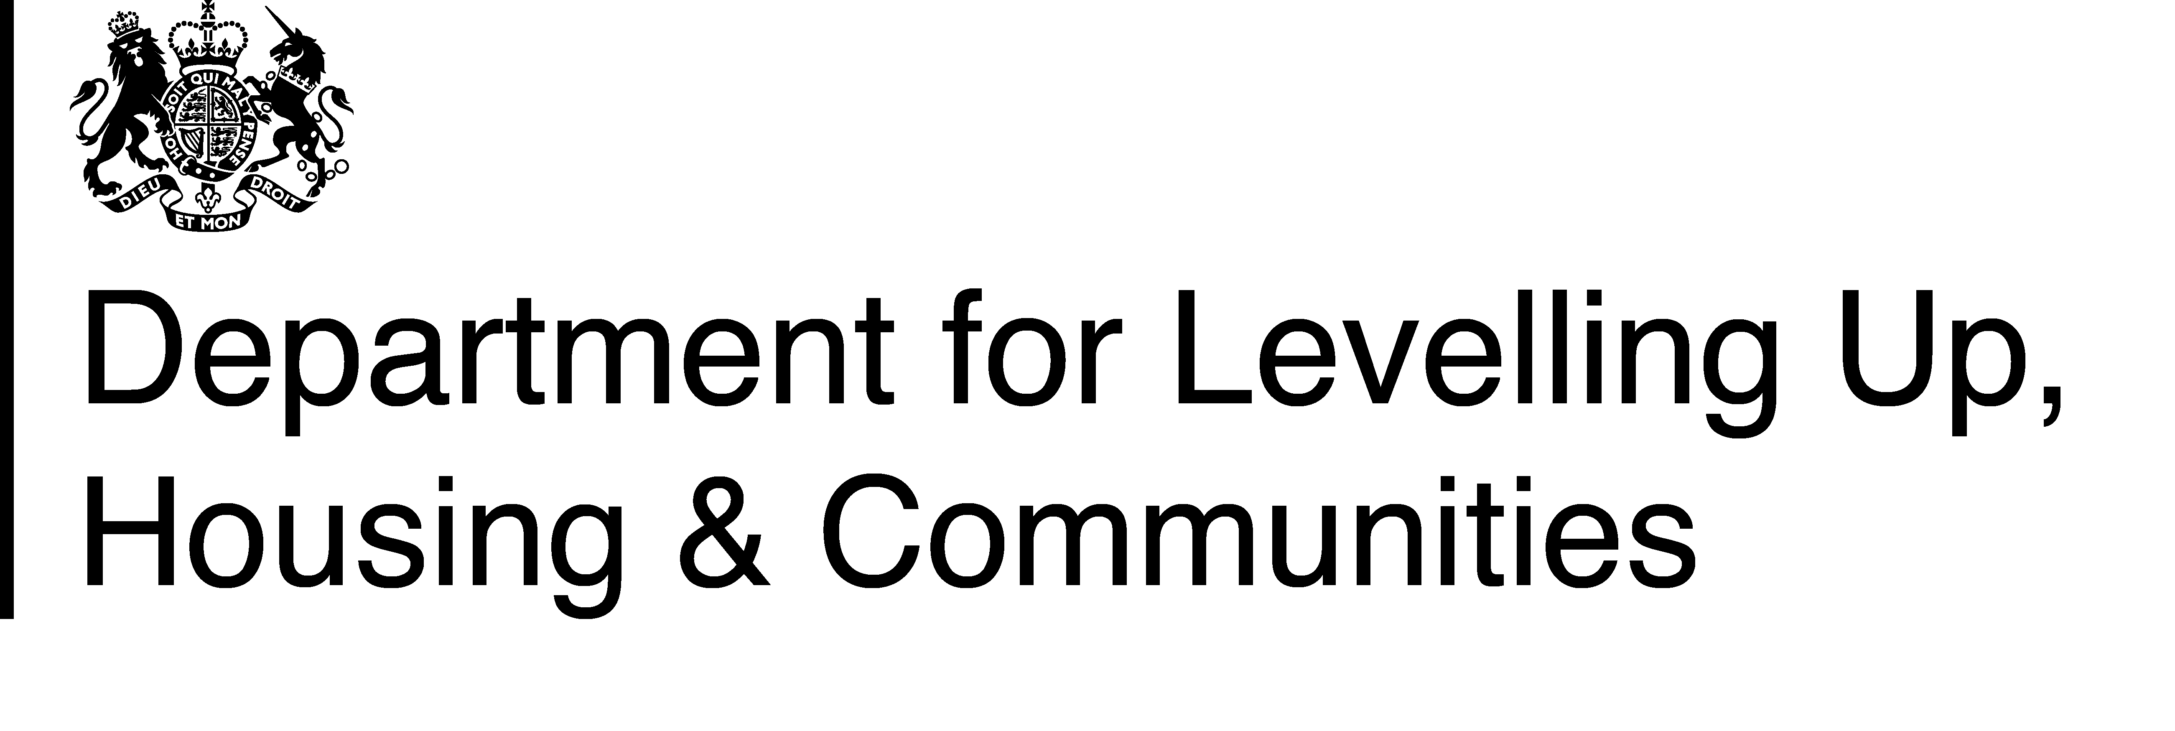

Local Government Pension Scheme Funds: 2021-22 England & Wales

Background
These tables provide data on Local Government Pension Scheme funds’ income, expenditure, membership, retirements and other activities for Administering Authorities in England and Wales. The SF3 (Pensions) form collects information on 85 Local Government Pension Scheme funds’ income, expenditure, membership, retirements, and other activities. It covers all members of the Local Government Pension Scheme except for the Environment Agency, which is outside the scope of the DLUHC data collection.

https://www.gov.uk/government/collections/local-government-pension-scheme
The workbook is split into 4 parts:

SF3 Expenditure & Income | Summary of income and expenditure (authority to be selected)

All Memo items | Additional (memorandum) data on scheme membership, market value of funds, fund management costs and retirement types (authority to be selected)

Data | Income and expenditure data for all authorities

Data2 | Memorandum data for all authorities.

Definitions and uses of the data

Definitions and uses of the data are described in the statistical release on the Department’s website.

Data Collection and quality

All 85 Administering Authorities in England and Wales were asked to complete the SF3 form in July - September 2022 and returned completed forms.

Authorities were also asked to submit their data based on their audited accounts. However, as the audit timetable has been extended to the 30 November, 66 authorities have submitted their SF3 form based on their provisional accounts data. Authorities have been asked to submit revised figures based on their audited figures if they are significantly different. We will update this release in due course when we receive revised returns, but do not expect any major change in the aggregate figures.

Figures are subjected to rigorous pre-defined validation tests both within the form itself, while the form is being completed by the authority and also by DLUHC as the data are received and stored.

Revisions
Authorities have been asked to submit revised figures based on their audited figures if they are significantly different. We will update this release in due course when we receive revised returns, but do not expect any major change in the aggregate figures. A revision to this data was published on 26 April 2023. This covers changes to the data from Camarthenshire, Derbyshire, Lewisham, Lincolnshire and Merton. The changes to England and Wales-level figures are small.

Public Enquiries

For enquiries about these data please contact: sf3.statistics@levellingup.gov.uk

Original published: 26 October 2022. (Revised 26 April 2023)

