Table 10
Table 10: Predicted number of working days to clear AFCS claims [note 24], by claim type, 1 April 2018 to 31 March 2022
This worksheet contains a table and a survival graph
Table 10a: Predicted number of working days to clear claims, by claim type and percentage of claims cleared, 1 April 2018 to 31 March 2022
Claim type | Predicted number of days to clear 25% of claims | Predicted number of days to clear 50% of claims | Predicted number of days to clear 75% of claims | Predicted number of days to clear 100% of claims
Injury Claims | 44 | 61 | 118 | N/A [note 25]
Survivors' Claims | 81 | 210 | 297 | N/A [note 25]
Reconsiderations | 24 | 82 | 153 | N/A [note 25]
Appeals | 288 | 384 | N/A [note 25] | N/A [note 25]

Figure 1: Survival graph generated using a Kaplan-Meier survival model, 1 April 2018 to 31 March 2022

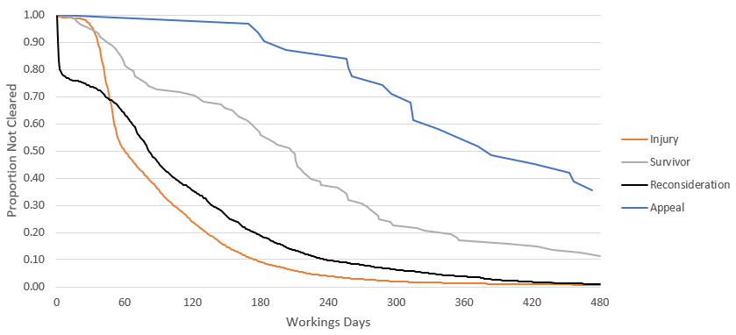

Source: Compensation and Pension System (CAPS)

