Contents

Contents
To access data tables, select the table headings or tabs.
To return to contents click "Back to contents" link at the top of each page.
This release contains 9 worksheets, a guidance page and a page of notes.
For more information about the Family Resources Survey please see our guidance section.
Guidance
Notes
Table | Table Description
6.1 | Pension scheme participation: percentage of adults by economic status and gender, 2021 to 2022, United Kingdom
6.2 | Pension scheme participation: percentage of adults by age and economic status, 2021 to 2022, United Kingdom
6.3a | Pension scheme participation: percentage of adults by total gross weekly household income and economic status, 2021 to 2022, United Kingdom
6.3b | Pension scheme participation: percentage of working-age adults by total gross weekly household income and economic status, 2021 to 2022, United Kingdom
6.4a | Pension scheme participation: percentage of adults by region/country and economic status, 2021 to 2022, United Kingdom
6.4b | Pension scheme participation: percentage of working-age adults by region/country and economic status, 2021 to 2022, United Kingdom
6.5 | Pension scheme participation of working-age adults by employment status, financial year ending 2012 to financial year ending 2022, United Kingdom
6.6a | Number of adults participating in pension schemes by ethnicity, average of financial year ending 2020, financial year ending 2021 and financial year ending 2022, United Kingdom
6.6b | Percentage of adults participating in pension schemes by ethnicity, average of financial year ending 2020, financial year ending 2021 and financial year ending 2022, United Kingdom

6_1
Data Tables: Pension Participation, Family Resources Survey, financial year 2021 to 2022, United Kingdom
This worksheet contains 1 table and 1 chart presented horizontally with 1 column in between.
Relevant notes can be found on the notes worksheet. See [Note 1] [Note 2] and [Note 3].
Back to Contents |  | See Notes
Source: Family Resources Survey
Table 6.1: Pension scheme participation: percentage of adults by economic status and gender, 2021 to 2022, United Kingdom |  |  |  |  |  |  | Chart 6.1: Pension scheme participation: percentage of working-age adults by pension type and gender, 2021 to 2022, United Kingdom
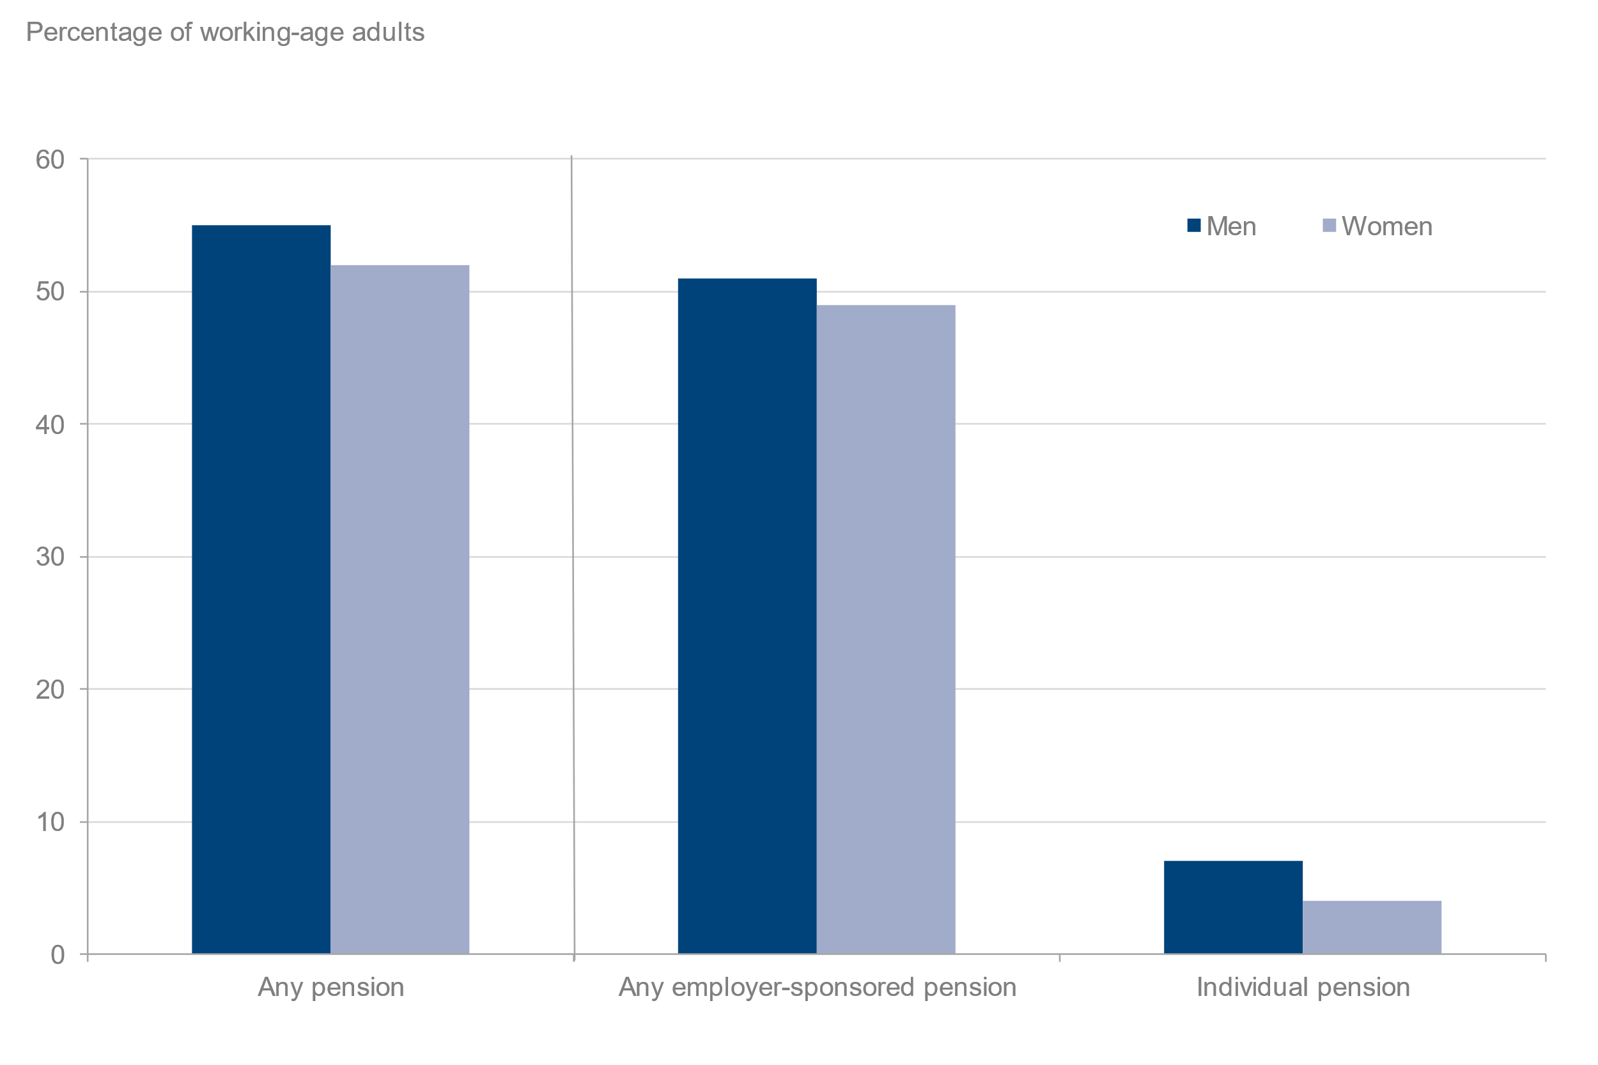
 |  |  |  |  |  | Percentage of adults
 |  | Gender |  |  | Gender
Pension scheme participation | All adults | Male (adults) | Female (adults) | All working-age adults | Male (working-age adults) | Female (working-age adults)
All adults | 42 | 44 | 40 | 53 | 55 | 52
Any employer-sponsored pension [Note 1] | 39 | 41 | 38 | 50 | 51 | 49
Occupational pension | 20 | 20 | 19 | 26 | 26 | 25
Group personal pension | 15 | 15 | 14 | 19 | 19 | 18
Group stakeholder pension | 2 | 2 | 2 | 3 | 3 | 3
Individual pension | 4 | 5 | 3 | 5 | 7 | 4
Personal pension | 4 | 5 | 3 | 5 | 6 | 4
Stakeholder pension | [low] | [low] | [low] | [low] | [low] | [low]
Sample size | 27,515 | 12,882 | 14,633 | 18,920 | 8,836 | 10,084
All employees | 78 | 78 | 78 | 79 | 79 | 79
Any employer-sponsored pension [Note 1] | 76 | 76 | 76 | 77 | 77 | 77
Occupational pension | 38 | 38 | 39 | 39 | 38 | 40
Group personal pension | 28 | 28 | 28 | 29 | 29 | 28
Group stakeholder pension | 4 | 4 | 4 | 4 | 4 | 4
Personal pension | 5 | 6 | 4 | 5 | 6 | 4
Stakeholder pension | [low] | [low] | [low] | [low] | [low] | [low]
Sample size | 12,665 | 6,072 | 6,593 | 12,256 | 5,842 | 6,414
All self-employed | 17 | 18 | 16 | 18 | 19 | 17
Personal pension | 16 | 17 | 14 | 17 | 18 | 16
Stakeholder pension | 1 | 1 | [low] | 1 | 1 | [low]
Other [Note 1][Note 2] | 1 | [low] | 1 | 1 | [low] | 1
Sample size | 2,061 | 1,267 | 794 | 1,779 | 1,080 | 699
All inactive [Note 3] | 1 | 1 | 1 | 2 | 2 | 1
Personal pension | 1 | 1 | 1 | 1 | 2 | 1
Stakeholder pension | [low] | [low] | [low] | [low] | [low] | [low]
Sample size | 12,789 | 5,543 | 7,246 | 4,885 | 1,914 | 2,971

6_5
Data Tables: Pension Participation, Family Resources Survey, financial year 2021 to 2022, United Kingdom
This worksheet contains 1 table and 1 chart presented horizontally with 1 column in between.
Relevant notes can be found on the notes worksheet. See [Note 12].
Back to Contents |  |  | See Notes
Source: Family Resources Survey
Table 6.5: Pension scheme participation of working-age adults by employment status, financial year ending 2012 to financial year ending 2022, United Kingdom |  |  |  |  |  |  |  |  | Chart 6.5: Pension scheme participation of working-age adults by employment status, financial year ending 2012 to financial year ending 2022, United Kingdom
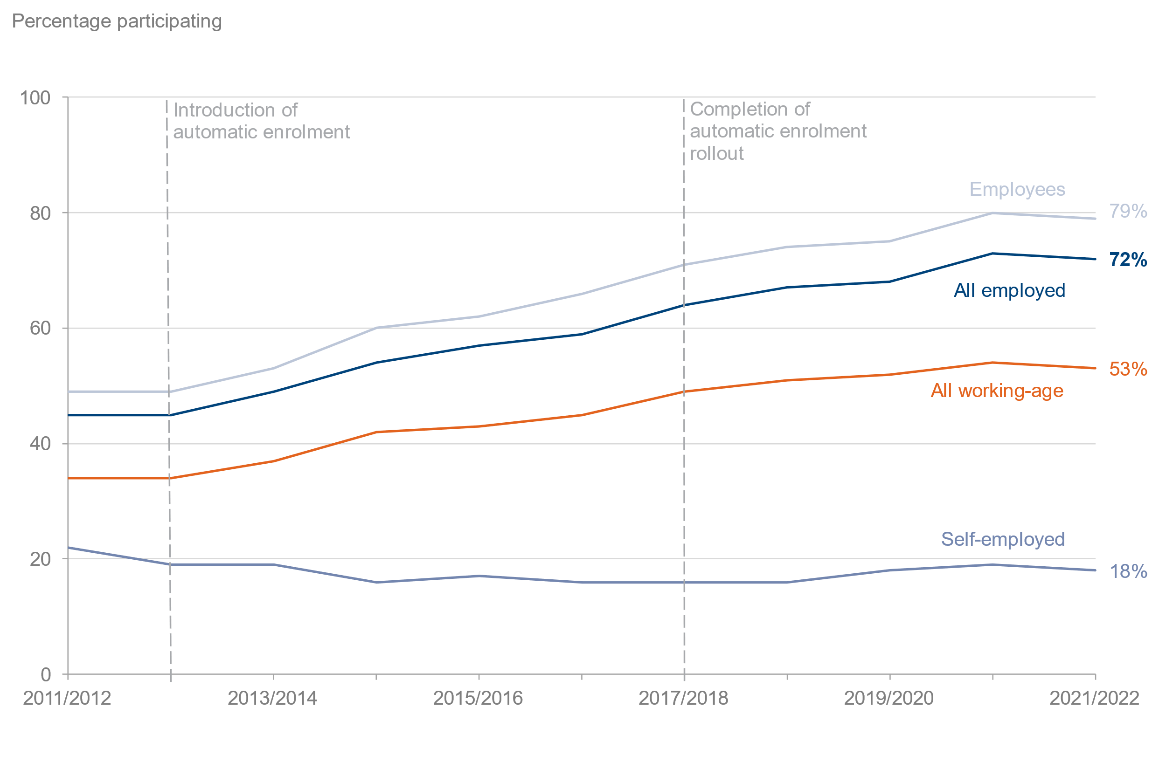
 |  |  |  |  |  |  |  | Percentage of working-age adults
Year | All working-age | Sample size (working-age) | All employed | Sample size (employed) | Employees | Sample size (employees) | Self-employed | Sample size (self-employed)
2011/2012 | 34 | 26,441 | 45 | 19,471 | 49 | 17,169 | 22 | 2,302
2012/2013 | 34 | 25,411 | 45 | 18,583 | 49 | 16,371 | 19 | 2,212
2013/2014 | 37 | 25,333 | 49 | 18,965 | 53 | 16,653 | 19 | 2,312
2014/2015 | 42 | 24,673 | 54 | 18,605 | 60 | 16,274 | 16 | 2,331
2015/2016 | 43 | 23,991 | 57 | 17,865 | 62 | 15,688 | 17 | 2,177
2016/2017 | 45 | 24,274 | 59 | 18,189 | 66 | 15,885 | 16 | 2,304
2017/2018 | 49 | 23,839 | 64 | 17,963 | 71 | 15,605 | 16 | 2,358
2018/2019 | 51 | 23,835 | 67 | 17,915 | 74 | 15,700 | 16 | 2,215
2019/2020 | 52 | 24,264 | 68 | 18,271 | 75 | 15,933 | 18 | 2,338
2020/2021 [Note 12] | 54 | 11,581 | 73 | 8,486 | 80 | 7,523 | 19 | 963
2021/2022 | 53 | 18,920 | 72 | 14,035 | 79 | 12,256 | 18 | 1,779

