Contents

Contents
To access data tables, select the table headings or tabs.
To return to contents click "Back to contents" link at the top of each page.
This release contains 19 worksheets, a guidance page and a page of notes.
For more information about Family Resources Survey please see our guidance section.
Guidance
Notes
Table | Table Description
M.1a | Response in the FRS, 2021 to 2022, United Kingdom
M.1b | Reasons for refusal to participate in the FRS, 2021 to 2022, Great Britain
M.2 | Regional response rates, 2021 to 2022, United Kingdom
M.3 | Distribution of households in each Council Tax band by country, FRS and administrative data, 2021 to 2022, Great Britain
M.4 | Summary of imputation in the FRS, 2020 to 2021 and 2021 to 2022, United Kingdom
M.5 | Extent of imputation, 2021 to 2022, United Kingdom
M.6a | Receipt of state support, FRS data and administrative data, 2021 to 2022, Great Britain
M.6b | Average weekly receipt of state support, FRS data and administrative data, 2021 to 2022, Great Britain
M.7 | Distribution of FRS interview lengths, 2021 to 2022, Great Britain
M.8 | Percentage of adult FRS respondents in receipt of DWP benefits, FRS and administrative data, 2021 to 2022, Great Britain
SE.1 | Households proportion, standard error, design factor, and confidence limits by household composition, 2021 to 2022, United Kingdom
SE.2 | Households proportion, standard error, design factor, and confidence limits by Council Tax band, 2021 to 2022, Great Britain
SE.3 | Total gross household income proportion, standard error, design factor, and confidence limits by source of income component, 2021 to 2022, United Kingdom
SE.4 | Benefit units proportion, standard error, design factor, and confidence limits by state support receipt, 2021 to 2022, United Kingdom
SE.5 | Households proportion, standard error, design factor, and confidence limits by tenure and accommodation type, 2021 to 2022, United Kingdom
SE.6 | Adults proportion, standard error, design factor, and confidence limits by types of account held, 2021 to 2022, United Kingdom
SE.7 | Adults proportion, standard error, design factor, and confidence limits by employment status, 2021 to 2022, United Kingdom
SE.8 | Benefit units proportion, standard error, design factor, and confidence limits by amount of savings and investments, 2021 to 2022, United Kingdom
SE.9 | Households proportion, standard error, design factor, and confidence limits by household food security status and food bank usage, 2021 to 2022, United Kingdom

M_7
Data Tables: Methodology and standard error, Family Resources Survey, financial year 2021 to 2022, Great Britain/United Kingdom
This worksheet contains 1 table and 1 chart presented horizontally with 1 column in between.
Relevant notes can be found on the notes worksheet. See [Note 35] and [Note 36].
Back to Contents | See Notes
Source: Family Resources Survey
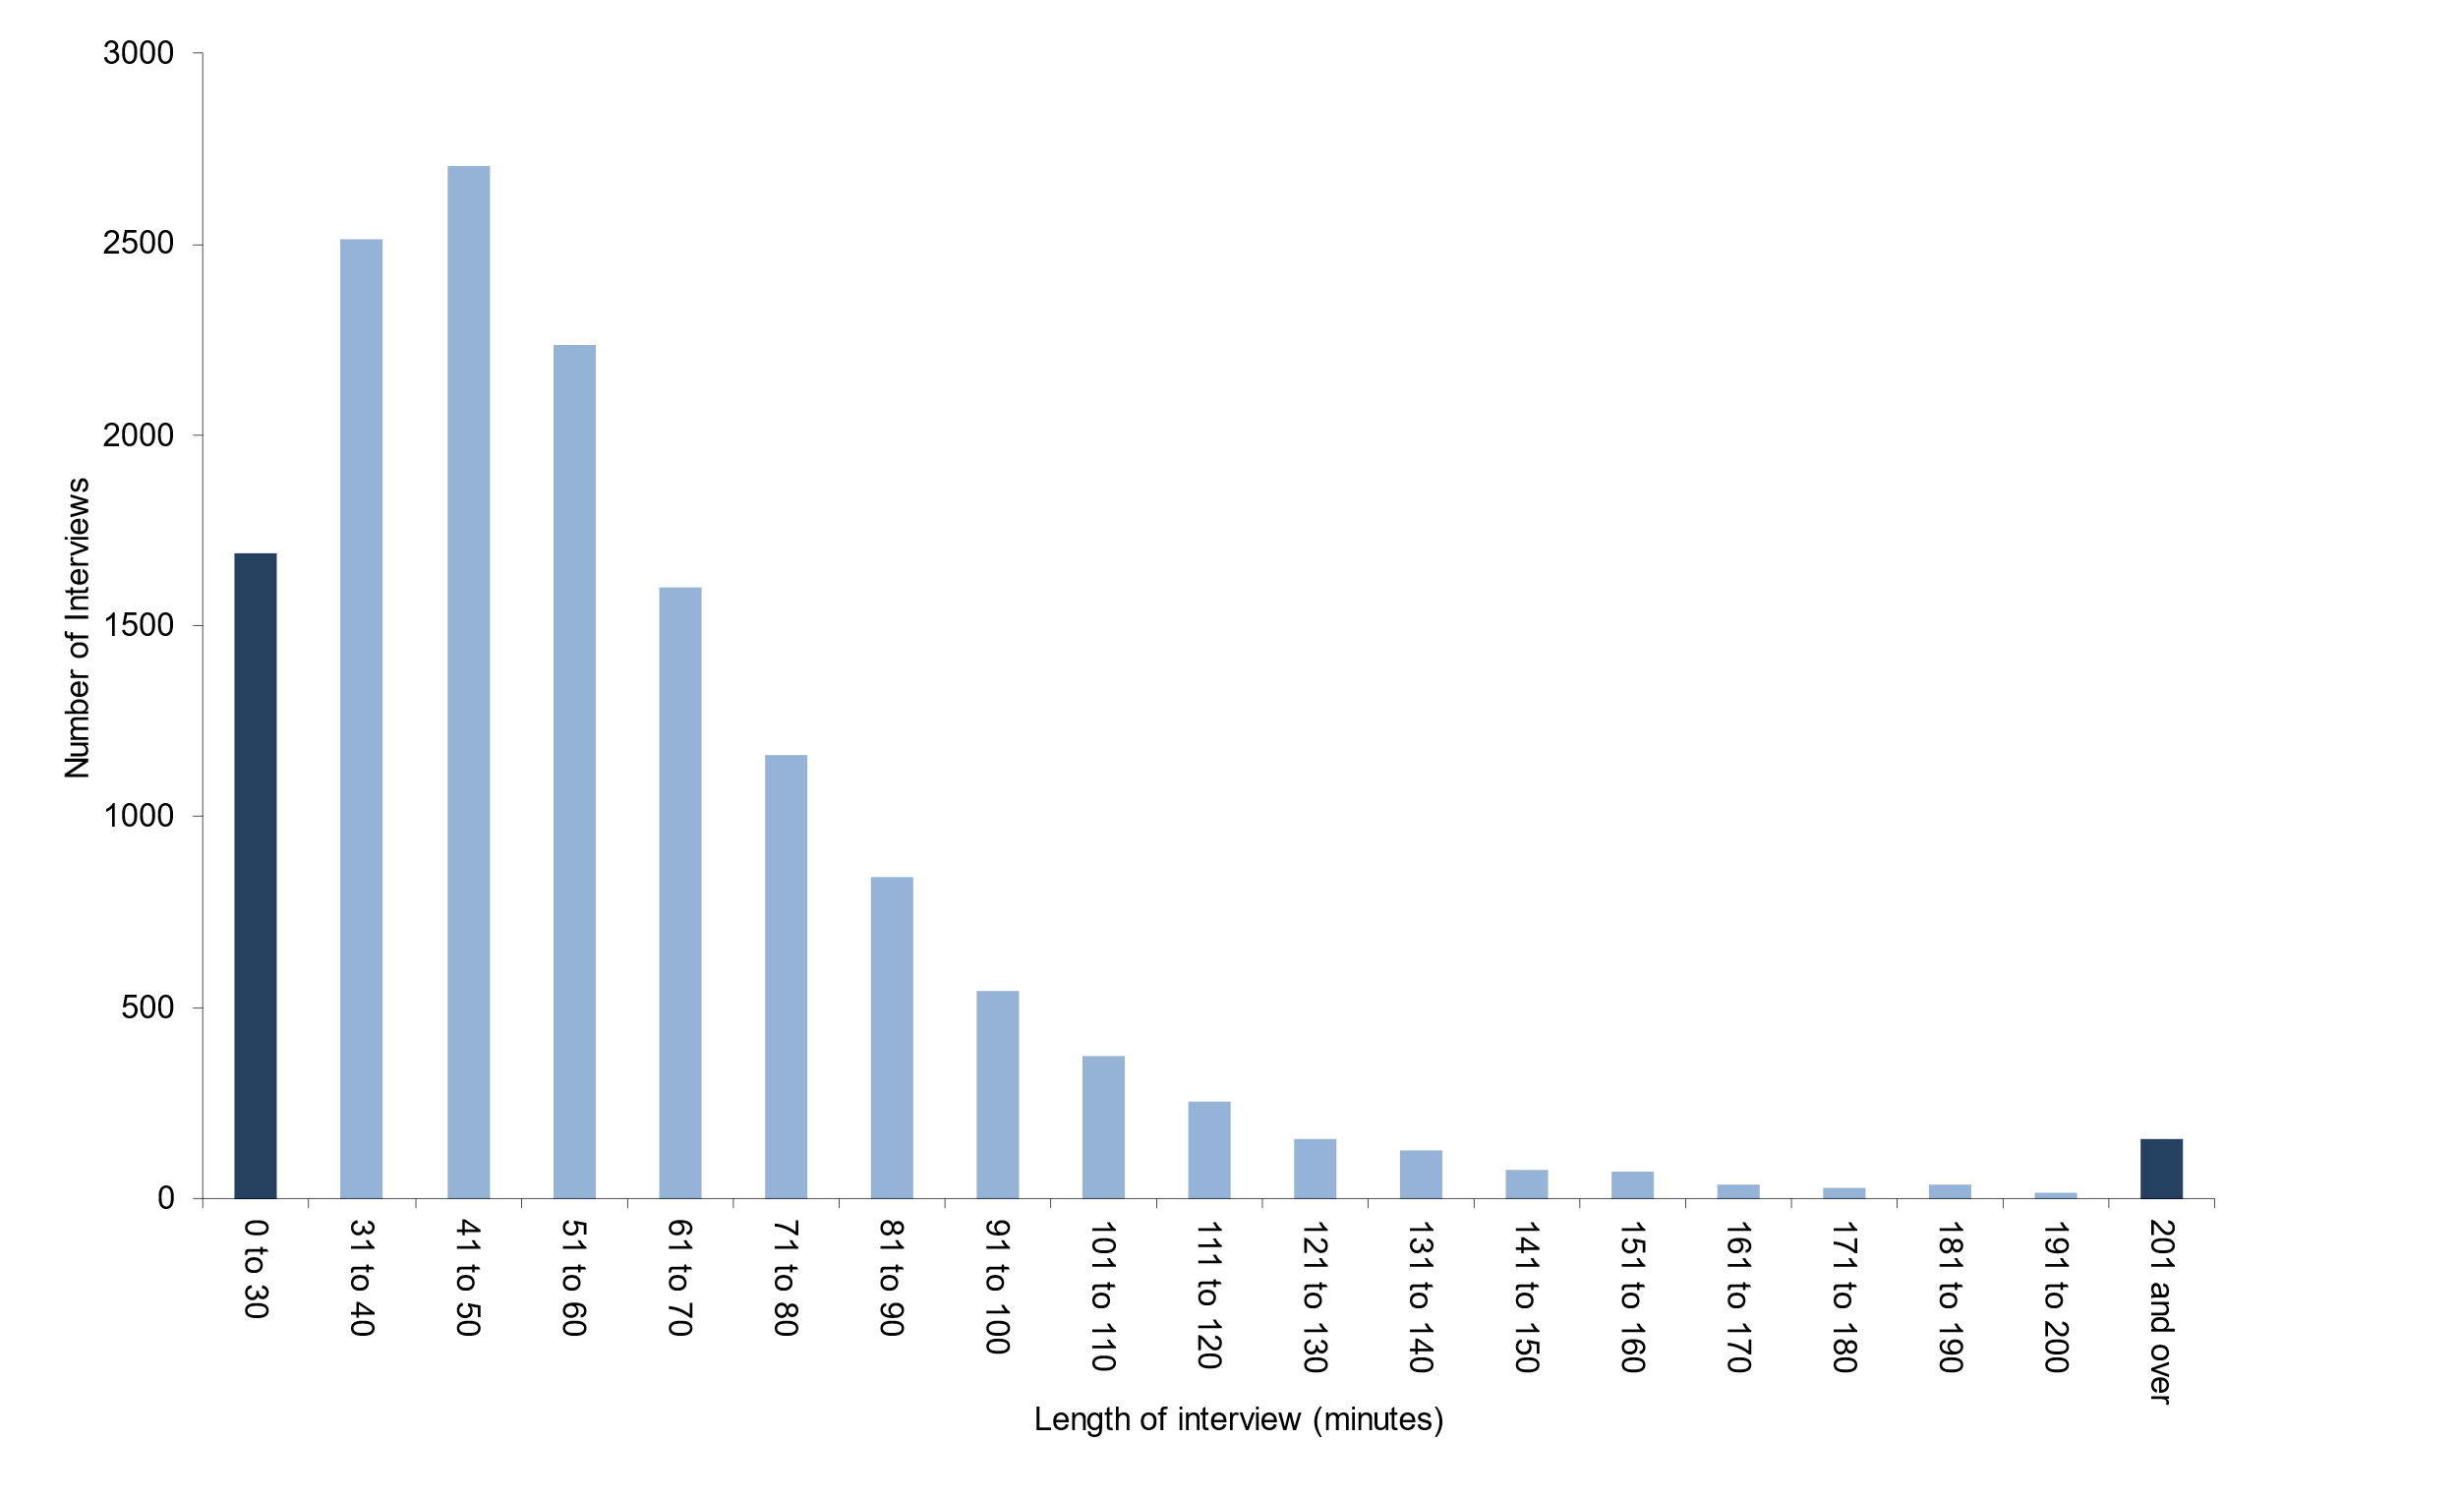
Table M.7: Distribution of FRS interview lengths [Note 35][Note 36], 2021 to 2022, Great Britain |  | Chart M.7: Distribution of FRS interview lengths [Note 35][Note 36], 2021 to 2022, Great Britain
Length of interview (minutes) | Number of households interviewed
0 to 30 | 1,691
31 to 40 | 2,511
41 to 50 | 2,704
51 to 60 | 2,235
61 to 70 | 1,602
71 to 80 | 1,163
81 to 90 | 841
91 to 100 | 543
101 to 110 | 375
111 to 120 | 252
121 to 130 | 158
131 to 140 | 126
141 to 150 | 73
151 to 160 | 70
161 to 170 | 37
171 to 180 | 30
181 to 190 | 35
191 to 200 | 16
201 and over | 154
Sample size | 14,616

M_8
Data Tables: Methodology and standard error, Family Resources Survey, financial year 2021 to 2022, Great Britain/United Kingdom
This worksheet contains 1 table and 1 chart presented horizontally with 1 column in between.
Relevant notes can be found on the notes worksheet. See [Note 37] and [Note 38].
Back to Contents | See Notes
Source: Family Resources Survey; DWP administrative data
Table M.8: Percentage of adult FRS respondents in receipt of DWP benefits, FRS and administrative data, 2021 to 2022, Great Britain |  |  |  | Chart M.8: Percentage of adult FRS respondents in receipt of DWP benefits, FRS and administrative data, 2021 to 2022, Great Britain
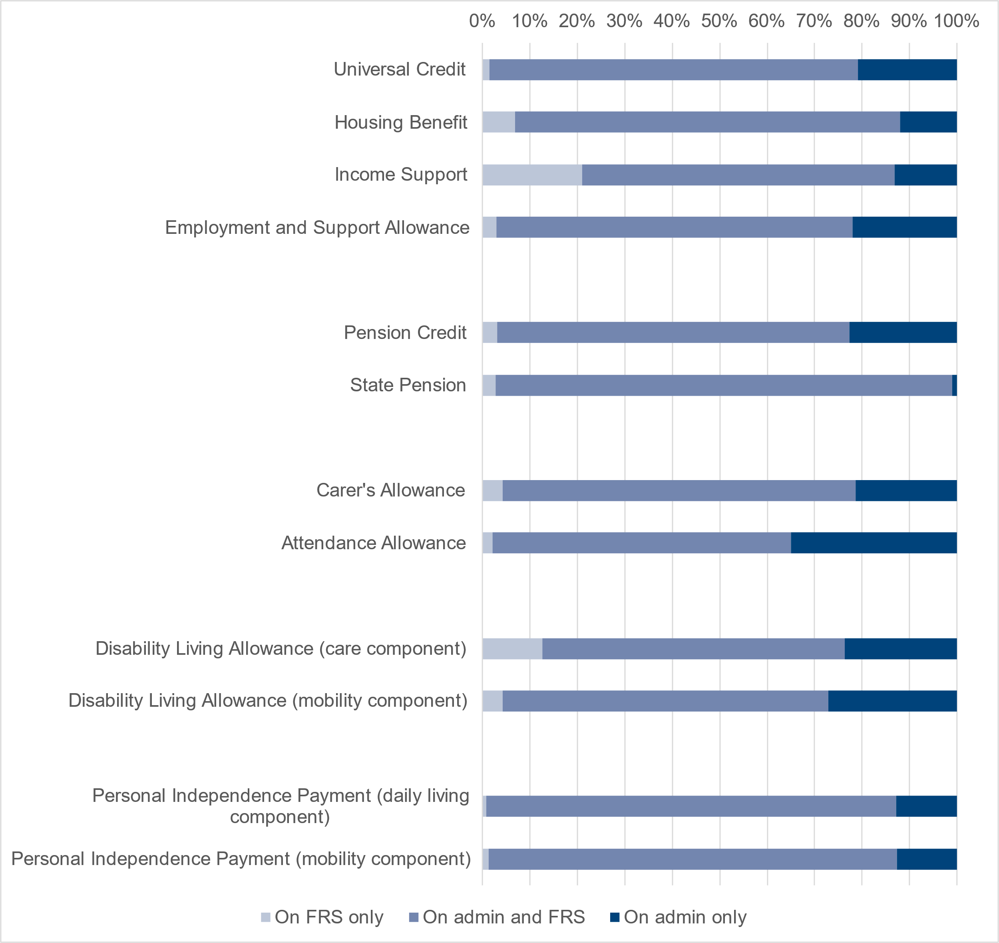
 |  |  | Percentage
Benefit type | On FRS only | On admin data and FRS | On admin data only
Universal Credit | 1 | 78 | 21
Housing Benefit | 7 | 81 | 12
Income Support | 21 | 66 | 13
Employment and Support Allowance | 3 | 75 | 22
Pension Credit | 3 | 74 | 23
State Pension | 3 | 96 | 1
Carer's Allowance [Note 37] | 4 | 74 | 21
Attendance Allowance | 2 | 63 | 35
Disability Living Allowance (care component) [Note 38] | 13 | 64 | 24
Disability Living Allowance (mobility component) [Note 38] | 4 | 69 | 27
Personal Independence Payment (daily living component) [Note 38] | 1 | 87 | 13
Personal Independence Payment (mobility component) [Note 38] | 1 | 86 | 13

