Intro

Monthly Provisional UK Sea Fisheries Statistics January 2023

This workbook was updated 24th February 2023

Contents


Highlights - January | Highlights - January 2023 (compared to same month in 2022)
Table 1 | Landings by UK vessels into all ports (Live weight (tonnes) and Value (£000's)) by vessel nationality, vessel length and species group (Summary)
Table 1a | Landings of UK vessels into UK ports (Live weight (tonnes) and Value (£000's)) by vessel nationality, vessel length and species group (Summary)
Table 1b | Landings of UK vessels into Foreign ports (Live weight (tonnes) and Value (£000's)) of UK vessels into Foreign ports by vessel nationality, vessel length and species group (Summary)
Table 2 | Landings of UK vessels into UK ports (Live weight (tonnes), Value (£000's) and Price (£/tonne)) by Species
Table 3 | Landings of UK vessels into all ports (Live weight (tonnes), Value (£000's) and Price (£/tonne)) by Species
Table 4 | Landings of foreign vessels into the UK (Live weight (tonnes), Value (£000's) and Price (£/tonne)) by species
Table 5 | Landings into UK ports by all vessels (Live weight (tonnes) and Value (£000's)) by country of landing and port
Table 6 | Landings by all UK vessels into all ports (Live weight (t) and Value (£000's)) by species group and vessel nationality
Table 7 | Landings (Live weight (t) and Value (£000's)) and number of trips of UK vessels in all ports by country and vessel length
Table 8 | Quantity of landings (t) and value landed (£000's) by UK vessels and Foreign vessels into the UK in last 2 years

Intro

This is a National Statistics publication. This notice provides an overview of the reported weight and value of landings by UK vessels into the UK and abroad, and by foreign vessels into the UK. Data are used to provide analysis and evidence to researchers and the media and to respond to ad-hoc requests from fishers, other fishing organisations and the general public. They are also used to formulate and monitor fishing policy for fisheries administrations. This data is provisional and represents the best available data the MMO holds on fishing activity by the UK fleet and into the UK. Data will be revised each month and lags will be reviewed following protocol documented here: https://www.gov.uk/guidance/fishing-activity-and-landings-data-collection-and-processing. Please note, the monthly data in these reports for tables 1 to 7 represent a 'snapshot' at the time of release, therefore the totals may not align with the latest published 'underlying dataset', which is downloaded from our 'live' database and presented alongside the monthly reports. The raw data that feeds into this publication is equivalent to the data used to produce our regular national statistics and is processed and collected as outlined above.

Highlights - January
Highlights - January 2023
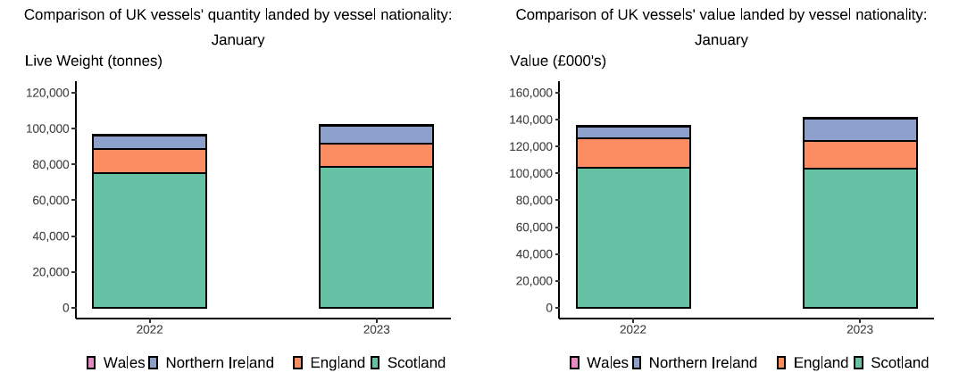

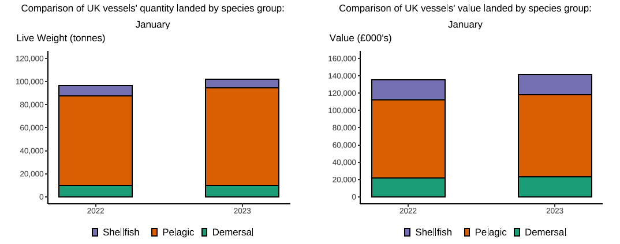

Here, fishing activity recorded in January 2023 is compared to activity in January 2022. All quantities are reported as live weight tonnes and values are at first sale in pounds sterling (£000's).
The total quantity of landings by UK vessels (tonnes) increased in January 2023 compared to 2022, up 6 per cent. The value of landings in January 2023 (£141m) also increased compared to 2022 up by 4 per cent.
Landings of species groups typically fluctuate over the year due to seasonality of UK stocks. Landings in January 2023 comprised mostly of Pelagic species (83 per cent) (T6). This was driven by high landings of Mackerel which is a typically heavily targeted fishery in the winter months. Landings in January 2023 of Pelagic species increased by 9 per cent compared to January 2022 which translated to a 5 per cent increase in value landed (£4.4m increase).
Although tonnage and value landed increased the number of trips was down overall compared to January 2022, this is because the majority of landings were made by larger over 24m scottish pelagic vessels which have a higher capacity and therefore land more fish in less trips (T7).
The landings into UK ports (by UK and foreign vessels) in January 2023 increased compared to 2022 up 23 per cent, value landed also increased, up 14 per cent compared to 2022 (T5).

