HSE 1992_2015
HSE HC Release Information 1992-2015 |  |  | Laura Hardiman (analysis for this work) | This work was performed to sense check the Alcalde et al 2018 work which identified 6.93% of UK gas wells between 1992 and 2015 to have a release per annum. From the analysis performed the Alcalde et al data includes a large number of process leaks on a "Wellhead" facility, so compressors, pumps, flowlines, etc. Using the same dataset the well releases from all development gas wells (including during development drilling and interventions, but excluding abandonment) were divided into the different leak rate categories and the durations of the leaks for each category plotted. The data used was the HC Release and Population Data for 1992 to 2015 downloaded from the HSE website: https://www.hse.gov.uk/offshore/statistics/index.htm |  |  |  | https://www.hse.gov.uk/offshore/statistics/index.htm
 | Calculated Data Based on Information in Source |  |  | https://www.hse.gov.uk/offshore/statistics/index.htm

 | 23928.98 | Gas Well Years
 | 23.25 | Years of data
 | 1029 | Average Number of Wells during that time

 |  |  |  |  |  | Maximum Duration
 | Seep | per well (over 23.25yrs) | 6.8% | per well year | 2.93E-03 | <5days | Note: Not Continuous, so not included
 | Minor |  |  | per well year | 3.30E-03 | <1day
 | Moderate |  |  | per well year | 5.43E-04 | <100days | G4 Incident (51 days), otherwise <1hr | G4 Incident Severity (once in 23929 Gas Well Years) | 4.1790336581E-05
 | Major |  |  | per well year | 2.09E-04 | <1min

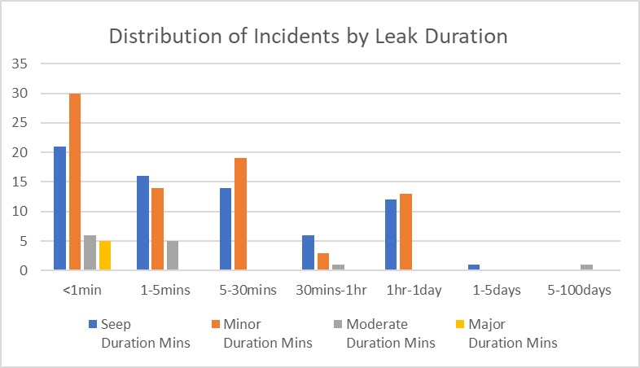
 |  | Data Summary for Migration to Comparison Sheet
 |  | Green cells indicate primary data for comparison Other cells only used where the data source provides subset data only. |  | Title of data Source | HSE HC Release Information 1992-2015
 |  |  |  | Author | Laura Hardiman
 |  |  |  | Data (summarised for comparison - see individual tabs for original form) | Probability per well/annum | Leak Rate (Tonnes CO2/day) | Duration (days)
 |  | Active Wells | Overall Well Data | Total - Seep (< 1 t/d)
 |  |  |  | Total - Minor Leak (1-50 t/d) | 3.30E-03 | 1 to 50 | <1
 |  |  |  | Total - Moderate Leak (50-1000 t/d) | 5.43E-04 | 50 to 1000 | <1 hour
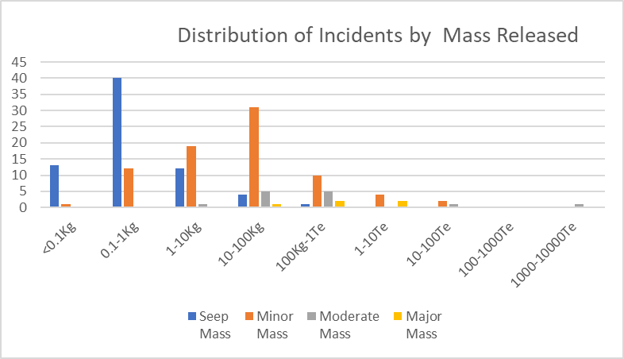
 |  |  |  | Total - Major Leak (1000-5000 t/d) | 2.09E-04 | >1000 | <1 minute
 |  |  | Data Subsets (if no total available) | Mechanical - Seep (< 1 t/d)
 |  |  |  | Mechanical - Minor Leak (1-50 t/d)
 |  |  |  | Mechanical - Moderate Leak (50-1000 t/d)
 |  |  |  | Mechanical - Major Leak (1000-5000 t/d)
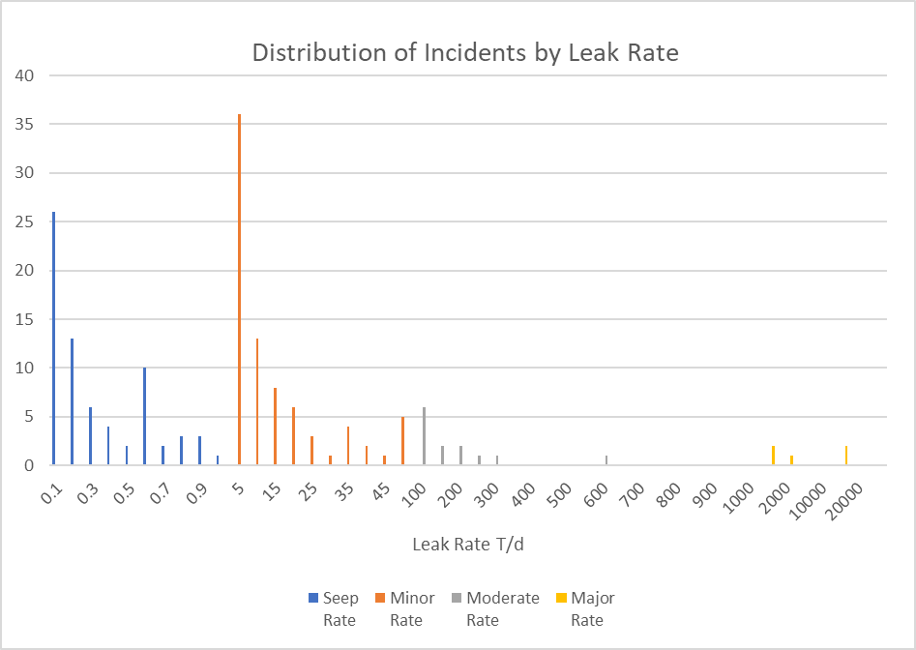
 |  |  |  | Cement- Seep (< 1 t/day)
 |  |  |  | Cement - Minor Leak (1-50 t/d)
 |  |  |  | Cement - Moderate Leak (50-1000 t/d)
 |  |  |  | Cement - Major Leak (1000-5000 t/d)
 |  | Decommisioned (Abandoned) Wells | Overall Well Data | Total - Seep (< 1 t/d)
 |  |  |  | Total - Minor Leak (1-50 t/d)
 |  |  |  | Total - Moderate Leak (50-1000 t/d)
 |  |  |  | Total - Major Leak (1000-5000 t/d)
 |  |  | Data Subsets (if no total available) | Mechanical - Seep (< 1 t/day)
 |  |  |  | Mechanical - Minor Leak (1-50 t/d)
 |  |  |  | Mechanical - Moderate Leak (50-1000 t/d)
 |  |  |  | Mechanical - Major Leak (1000-5000 t/d)
 |  |  |  | Cement- Seep (< 1 t/day)
 |  |  |  | Cement - Minor Leak (1-50 t/d)
 |  |  |  | Cement - Moderate Leak (50-1000 t/d)
 |  |  |  | Cement - Major Leak (1000-5000 t/d)

Bachu_Watson
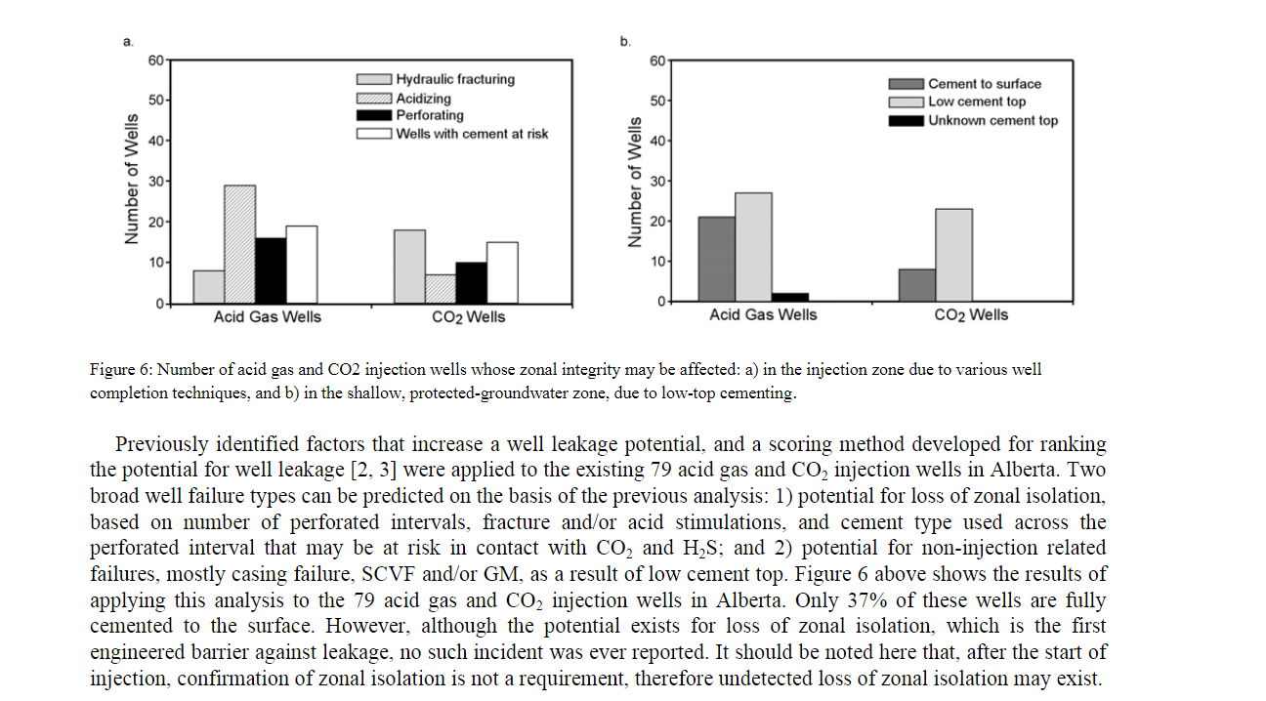
Review of failures for wells used for CO2 and acid gas injection in Alberta, Canada |  |  |  |  |  | Stefan Bachu, Theresa L. Watson | Energy Procedia vol 1 issue 1 (2009) pages 3531-3537 Greenhouse Gas Control Technologies 9
Open Access License

Most relevant data for CO2 injection wells after 1994.
Shows 0.9 failures/well; vast majority are tubing/packer failures (i.e. single barrier)

Data Summary for Migration to Comparison Sheet
Green cells indicate primary data for comparison Other cells only used where the data source provides subset data only. |  | Title of data Source | Review of failures for wells used for CO2 and acid gas injection in Alberta, Canada
 |  | Author | Stefan Bachua,*, Theresa L. Watson
 |  | Data (summarised for comparison - see individual tabs for original form) | Probability per well/annum | Leak Rate (Tonnes CO2/day) | Duration (days)
Active Wells | Overall Well Data | Total - Seep (< 1 t/d)
 |  | Total - Minor Leak (1-50 t/d)
 |  | Total - Moderate Leak (50-1000 t/d)
 |  | Total - Major Leak (1000-5000 t/d)
 | Data Subsets (if no total available) | Mechanical - Seep (< 1 t/d) | 0.9 per well single barrier failure, wells drilled since 1994
 |  | Mechanical - Minor Leak (1-50 t/d)
 |  | Mechanical - Moderate Leak (50-1000 t/d)
 |  | Mechanical - Major Leak (1000-5000 t/d)
 |  | Cement- Seep (< 1 t/day)
 |  | Cement - Minor Leak (1-50 t/d)
 |  | Cement - Moderate Leak (50-1000 t/d)
 |  | Cement - Major Leak (1000-5000 t/d)
Decommisioned (Abandoned) Wells | Overall Well Data | Total - Seep (< 1 t/d)
 |  | Total - Minor Leak (1-50 t/d)
 |  | Total - Moderate Leak (50-1000 t/d)
 |  | Total - Major Leak (1000-5000 t/d)
 | Data Subsets (if no total available) | Mechanical - Seep (< 1 t/day)
 |  | Mechanical - Minor Leak (1-50 t/d)
 |  | Mechanical - Moderate Leak (50-1000 t/d)
 |  | Mechanical - Major Leak (1000-5000 t/d)
 |  | Cement- Seep (< 1 t/day)
 |  | Cement - Minor Leak (1-50 t/d)
 |  | Cement - Moderate Leak (50-1000 t/d)
 |  | Cement - Major Leak (1000-5000 t/d)

