Pivot table slicer help
 |  | Pivot table slicer
 | For ease a PivotTable slicer has been created to help analyse the data. This PivotTable slicer creates an interactive summary that can be manipulated based on the information that you require.

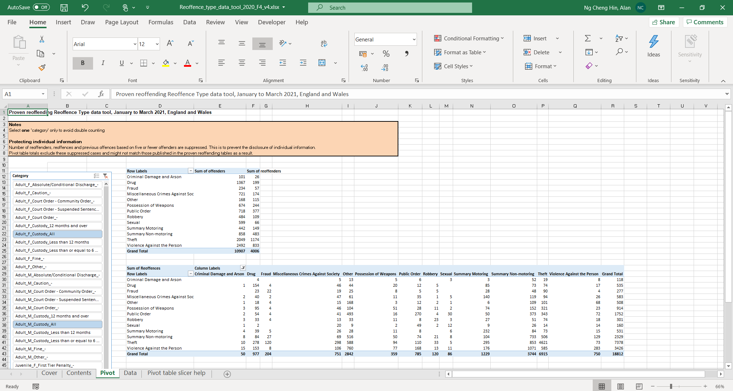

 |  |  | This box shows the number of offenders and reoffenders

 |  |  | This box shows the number of reoffences (index offence in rows, and reoffence in columns)
Select a category
Note: Ensure these are not overlapping to avoid double counting e.g. 'Adult_F_Custody_All', 'Adult_F_Custody_Less than or equal to 6 months', 'Adult_F_Custody_Less than 12 months' and 'Adult_F_Custody_12 months and over'

