Title
Green Homes Grant Local Authority Delivery Scheme (GHG LAD) and Home Upgrade Grant (HUG) Statistics for England |  |  | 
Data covered in this release is for all applications to the end of November 2022.
Please direct all press enquiries to Press Officer 020 7215 5975
Responsible Statistician | Responsible Statistician | Responsible Statistician
Nick Dann | Teodor Tzokov | Thania Zaman
EnergyEfficiency.Stats@beis.gov.uk | EnergyEfficiency.Stats@beis.gov.uk | EnergyEfficiency.Stats@beis.gov.uk
0300 068 6838 | 020 7215 1491 | 0300 068 8000
This workbook was updated on: | 2023-01-19
The next update for these statistics is: | 2023-02-23

Charts
Charts Showing Signed up Households, Installed Measures and Households Upgraded
This sheet provides 14 charts displaying some of the key data in this release.
There are some blank rows and columns to aid the presentation of the charts.
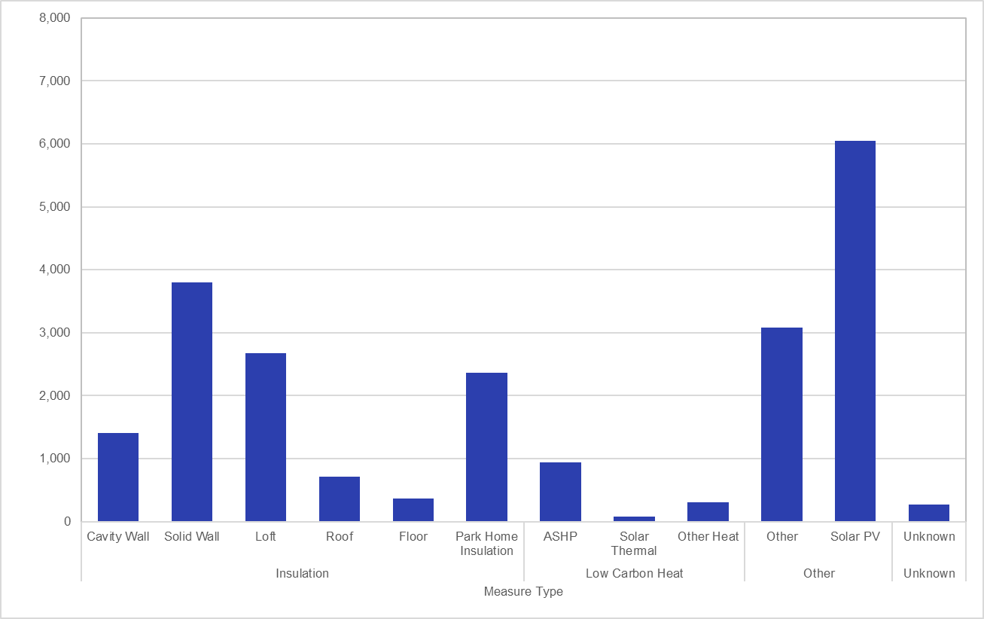 Chart 1.1: Total Number of Measures Installed by measure type, for measures installed to end of November 2022 for Phase 1. | 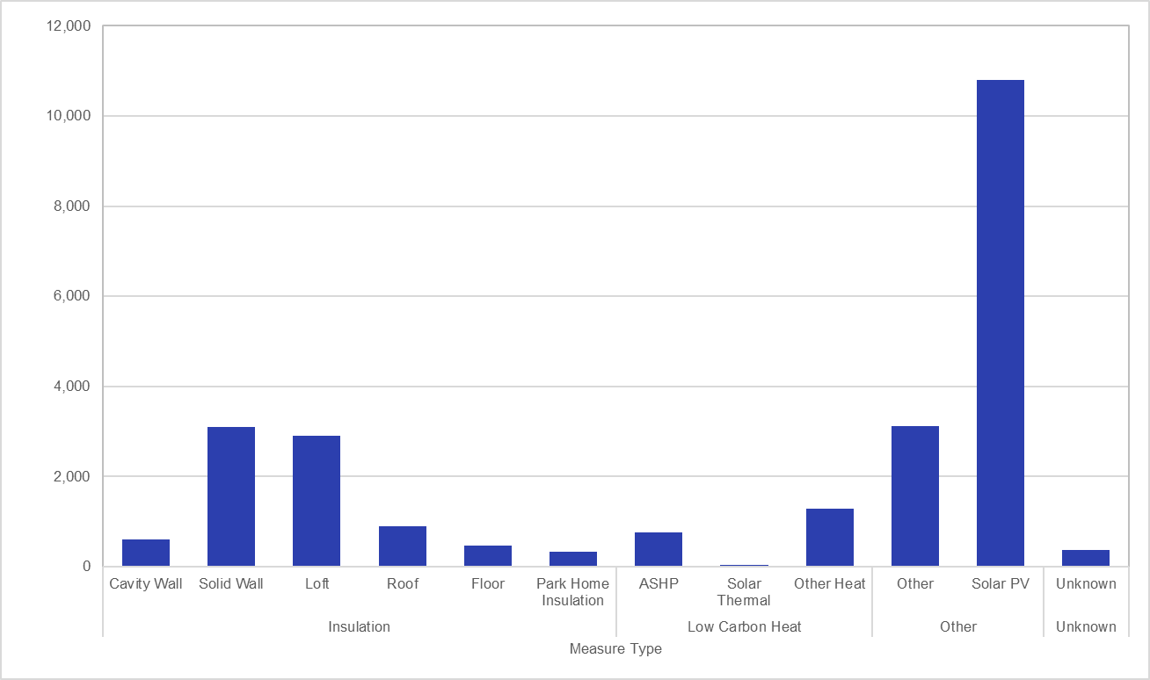 Chart 1.2: Total Number of Measures Installed by measure type, for measures installed to end of November 2022 for Phase 2.
North East | 11.44%
North West | 8.00%
Yorkshire and The Humber | 9.34%
East Midlands | 11.97%
West Midlands | 3.55%
East | 9.95%
London | 12.59%
South East | 20.94%
South West | 12.22%
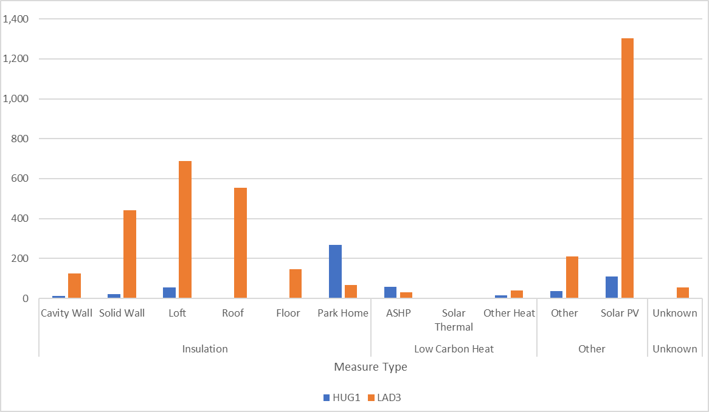 Chart 1.3: Total Number of Measures Installed by measure type, for measures installed to end of November 2022 for LAD Phase 3 and HUG Phase 1. | Chart 2.1: Proportion of Measures Installed by English Region, for measures installed to end of November 2022 for Phase 1.
North East | 9.26%
North West | 30.31%
Yorkshire and The Humber | 7.57%
East Midlands | 6.58%
West Midlands | 5.36%
East | 4.41%
London | 4.81%
South East | 8.82%
South West | 22.88%
 | HUG1 | LAD3
North East | 2% | 7%
North West | 15% | 34%
Yorkshire and The Humber | 3% | 16%
East Midlands | 2% | 4%
West Midlands | 0% | 3%
East | 50% | 17%
London | 5% | 8%
South East | 14% | 12%
South West | 9% | 0%
Chart 2.2: Proportion of Measures Installed by English Region, for measures installed to end of November 2022 for Phase 2. | Chart 2.3: Proportion of Measures Installed by English Region, for measures installed to end of November 2022 for Sustainable Warmth.
 | Household Applications
North East | 11%
North West | 7%
Yorkshire and The Humber | 6%
East Midlands | 15%
West Midlands | 4%
East of England | 10%
London | 16%
South East | 20%
South West | 10%
 | Household Applications
North East | 8%
North West | 18%
Yorkshire and The Humber | 8%
East Midlands | 7%
West Midlands | 9%
East of England | 10%
London | 5%
South East | 11%
South West | 23%
Chart 3.1: Proportion of Signed-Up Households by Region, for applications to end of November 2022 for Phase 1. | Chart 3.2: Proportion of Signed-Up Households by Region, for applications to end of November 2022 for Phase 2.
 | HUG1 | LAD3
North East | 1% | 3%
North West | 11% | 13%
Yorkshire and The Humber | 8% | 7%
East Midlands | 7% | 9%
West Midlands | 6% | 13%
East of England | 22% | 20%
London | 4% | 16%
South East | 23% | 18%
South West | 18% | 1%
 | Phase 1A | Phase 1B | Phase 2
October 2020 | 20 | 0
November 2020 | 94 | 0
December 2020 | 223 | 0
January 2021 | 376 | 25
February 2021 | 747 | 32
March 2021 | 1410 | 49
April 2021 | 2055 | 78
May 2021 | 2513 | 182
June 2021 | 3220 | 579 | 0
July 2021 | 4022 | 1263 | 0
August 2021 | 5300 | 2217 | 40
September 2021 | 5812 | 3667 | 178
October 2021 | 5934 | 5433 | 457
November 2021 | 6089 | 6050 | 1126
December 2021 | 6215 | 6621 | 1800
January 2022 | 6262 | 7496 | 2892
February 2022 | 6279 | 8531 | 4356
March 2022 | 6287 | 10046 | 6863
April 2022 | 6295 | 11123 | 9488
May 2022 | 6297 | 12261 | 12854
June 2022 | 6304 | 13317 | 15927
July 2022 | 6332 | 14065 | 17960
August 2022 | 6356 | 14673 | 20462
September 2022 | 6356 | 15226 | 23365
October 2022 | 6358 | 15275 | 23449
November 2022 | 6358 | 15275 | 23468
Chart 3.3: Proportion of Signed-Up Households by Region, for applications to end of November 2022 for Sustainable Warmth. | Chart 4: Cumulative Number of Measures Installed by Month, for measures installed to end of November 2022
 | Phase 1 | Phase 2 | Phase 3 | HUG 1
October 2020 | 20
November 2020 | 74
December 2020 | 129
January 2021 | 178
February 2021 | 378
March 2021 | 680
April 2021 | 674
May 2021 | 562
June 2021 | 1,104
July 2021 | 1,486
August 2021 | 2,232 | 40 | 0 | 0
September 2021 | 1,962 | 138 | 0 | 0
October 2021 | 1,888 | 279 | 0 | 0
November 2021 | 772 | 669 | 0 | 0
December 2021 | 697 | 674 | 64 | 19
January 2022 | 922 | 1092 | 26 | 0
February 2022 | 1,052 | 1464 | 31 | 0
March 2022 | 1,523 | 2507 | 58 | 3
April 2022 | 1,085 | 2625 | 100 | 24
May 2022 | 1,140 | 3366 | 125 | 9
June 2022 | 1,063 | 3073 | 128 | 37
July 2022 | 776 | 2033 | 188 | 57
August 2022 | 632 | 2502 | 458 | 69
September 2022 | 553 | 2903 | 608 | 74
October 2022 | 51 | 84 | 1134 | 152
November 2022 | 0 | 19 | 729 | 132
 | Phase 1 | Phase 2
October 2020 | 20
November 2020 | 94
December 2020 | 220
January 2021 | 390
February 2021 | 755
March 2021 | 1381
April 2021 | 1989
May 2021 | 2449
June 2021 | 3372
July 2021 | 4455
August 2021 | 6160 | 36
September 2021 | 7576 | 168
October 2021 | 9149 | 418
November 2021 | 9718 | 965
December 2021 | 10229 | 1522
January 2022 | 10896 | 2481
February 2022 | 11746 | 3723
March 2022 | 12914 | 5725
April 2022 | 13724 | 7783
May 2022 | 14487 | 10199
June 2022 | 15309 | 12496
July 2022 | 15961 | 14057
August 2022 | 16512 | 15833
September 2022 | 16997 | 17773
October 2022 | 17028 | 17831
November 2022 | 17028 | 17843
Chart 5: Total Number of Measures Installed by Month, for measures installed to end of November 2022 | Chart 6: Cumulative Number of Households Upgraded by Month, for households upgraded to the end of November 2022
Chart 7: Total Number of Households Upgraded by Month, for households upgraded to the end of November 2022 (Line Chart) | Chart 8: Total Number of Households Upgraded by Month, for households upgraded to the end of November 2022 (Stacked Bar Chart)
 | LAD 1 | LAD 2 | LAD 3 | HUG 1
October 2020 | 20
November 2020 | 74
December 2020 | 126
January 2021 | 170
February 2021 | 365
March 2021 | 626
April 2021 | 608
May 2021 | 460
June 2021 | 923
July 2021 | 1083
August 2021 | 1705 | 36 | 0 | 0
September 2021 | 1416 | 132 | 0 | 0
October 2021 | 1573 | 250 | 0 | 0
November 2021 | 569 | 547 | 0 | 0
December 2021 | 511 | 557 | 0 | 0
January 2022 | 667 | 959 | 25 | 0
February 2022 | 850 | 1242 | 29 | 0
March 2022 | 1168 | 2002 | 57 | 2
April 2022 | 810 | 2058 | 99 | 24
May 2022 | 763 | 2416 | 111 | 7
June 2022 | 822 | 2297 | 123 | 34
July 2022 | 652 | 1561 | 175 | 40
August 2022 | 551 | 1776 | 389 | 47
September 2022 | 485 | 1940 | 448 | 56
October 2022 |  |  | 872 | 121
November 2022 |  |  | 569 | 106
 | Households upgraded Phase 1 | Households Upgraded Phase 2
October 2020 | 20
November 2020 | 74
December 2020 | 126
January 2021 | 170
February 2021 | 365
March 2021 | 626
April 2021 | 608
May 2021 | 460
June 2021 | 923
July 2021 | 1083
August 2021 | 1705 | 36
September 2021 | 1416 | 132
October 2021 | 1573 | 250
November 2021 | 569 | 547
December 2021 | 511 | 557
January 2022 | 667 | 959
February 2022 | 850 | 1242
March 2022 | 1168 | 2002
April 2022 | 810 | 2058
May 2022 | 763 | 2416
June 2022 | 822 | 2297
July 2022 | 652 | 1561
August 2022 | 551 | 1776
September 2022 | 485 | 1940
October 2022 | 31 | 58
November 2022 | 0 | 12

