Title
Green Homes Grant Local Authority Delivery Scheme (GHG LAD) and Home Upgrade Grant (HUG) Statistics for England |  | 
Data covered in this release is for all applications to the end of August 2022.
Please direct all press enquiries to Press Officer 020 7215 5975
Responsible Statistician | Responsible Statistician
Nick Dann | Zheni Goranova
EnergyEfficiency.Stats@beis.gov.uk | EnergyEfficiency.Stats@beis.gov.uk
0300 068 6838 | 07552 857903
This workbook was updated on: | 2022-10-20
The next update for these statistics is: | 2022-11-24

Charts
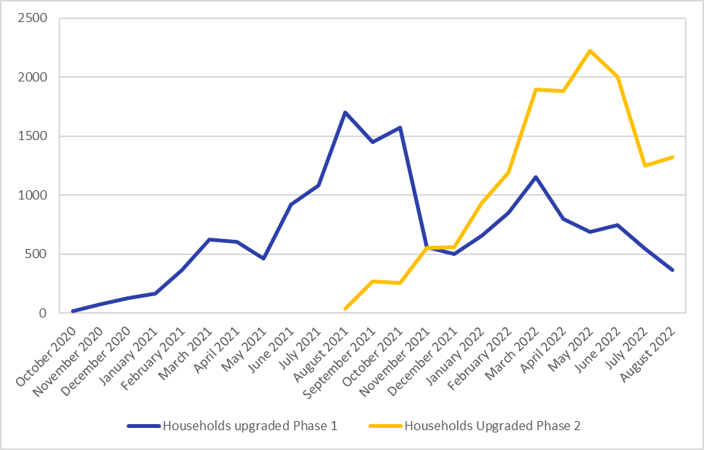
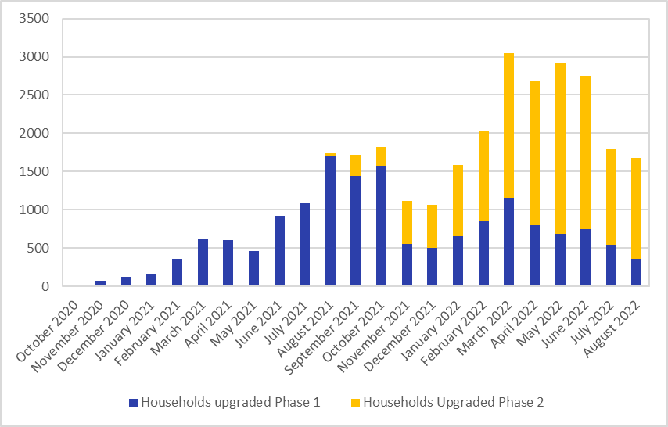
Charts Showing Signed up Households, Installed Measures and Households Upgraded
This sheet provides 14 charts displaying some of the key data in this release.
There are some blank rows and columns to aid the presentation of the charts.
Insulation Cavity Wall | 1220
Insulation Solid Wall | 3670
Insulation Loft | 2496
Insulation Roof | 710
Insulation Floor | 353
Insulation Park Home Insulation | 2280
Low Carbon Heat ASHP | 918
Low Carbon Heat Solar Thermal | 82
Low Carbon Heat Other Heat | 312
Other Other | 2960
Other Solar PV | 5546
Unknown Unknown | 361
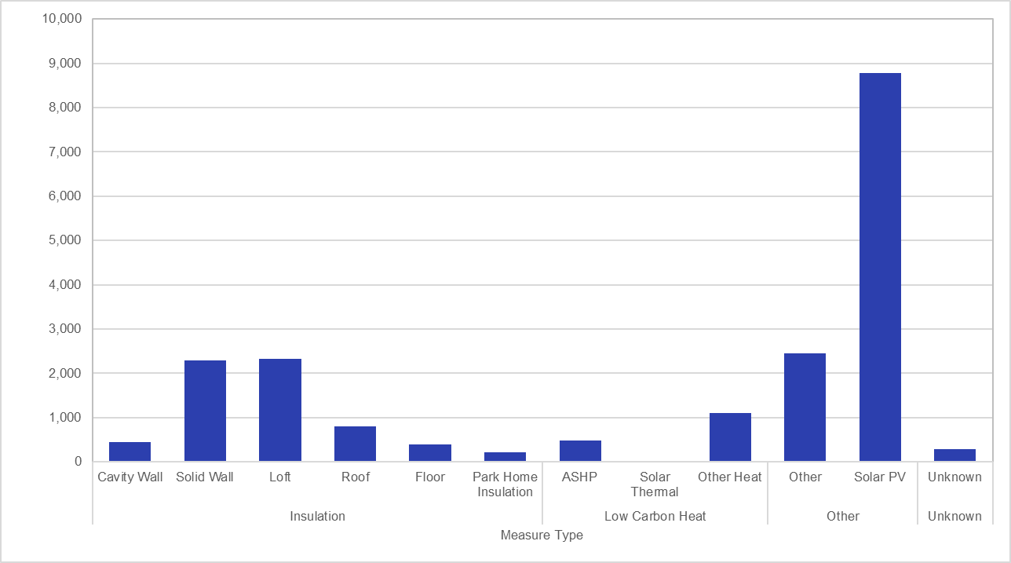 Chart 1.1: Total Number of Measures Installed by Measure Type, for measures installed to end of August 2022 in Phase 1 | Chart 1.2: Total Number of Measures Installed by Measure Type, for measures installed to end of August 2022 in Phase 2
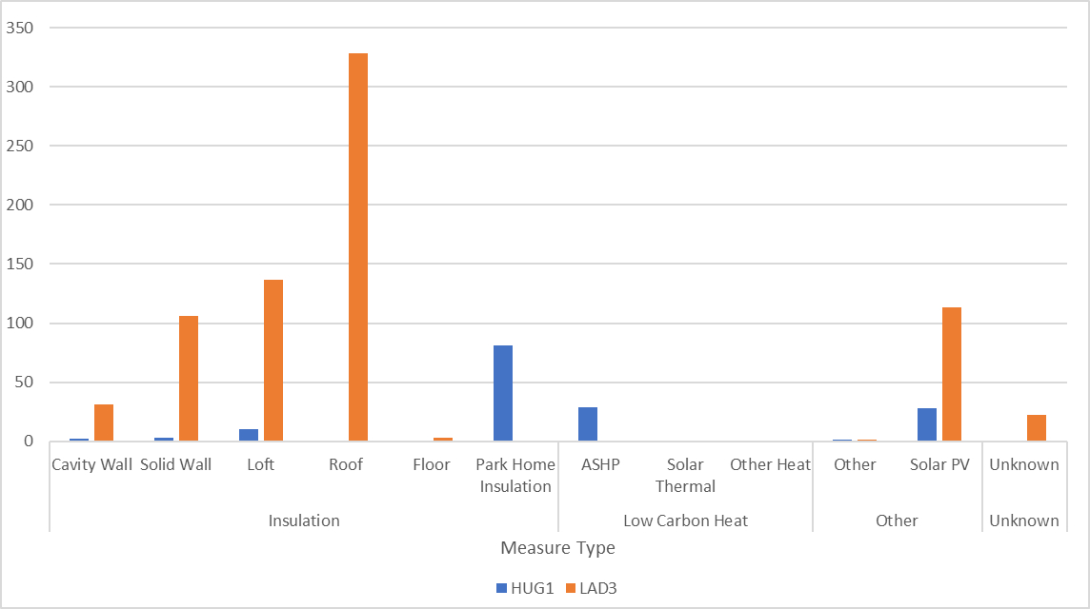 Chart 1.3: Total Number of Measures Installed by Measure Type, for measures installed to end of August 2022 in LAD Phase 3 and HUG Phase 1 | 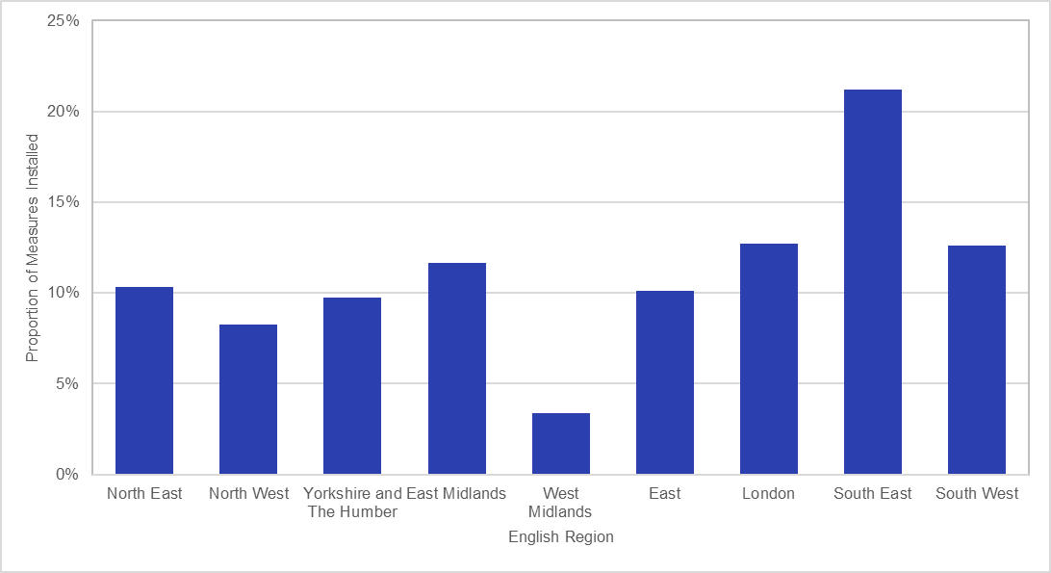 Chart 2.1: Proportion of Measures Installed by English Region, for measures installed to end of August 2022 in Phase 1
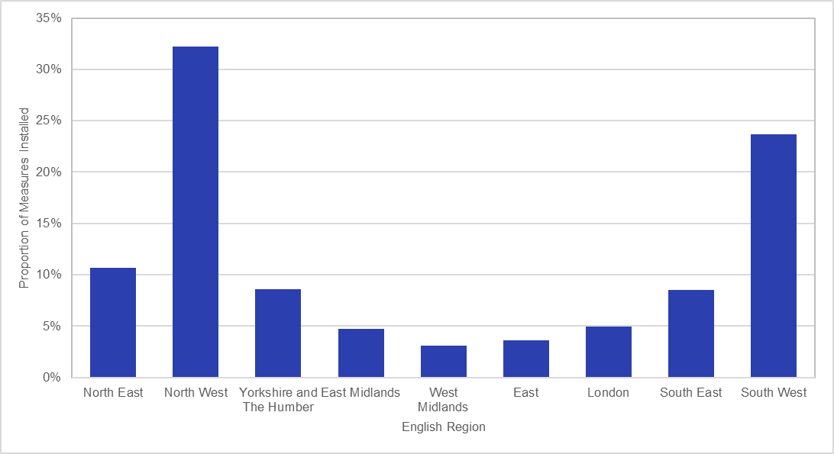 Chart 2.2: Proportion of Measures Installed by English Region, for measures installed to end of August 2022 in Phase 2 | 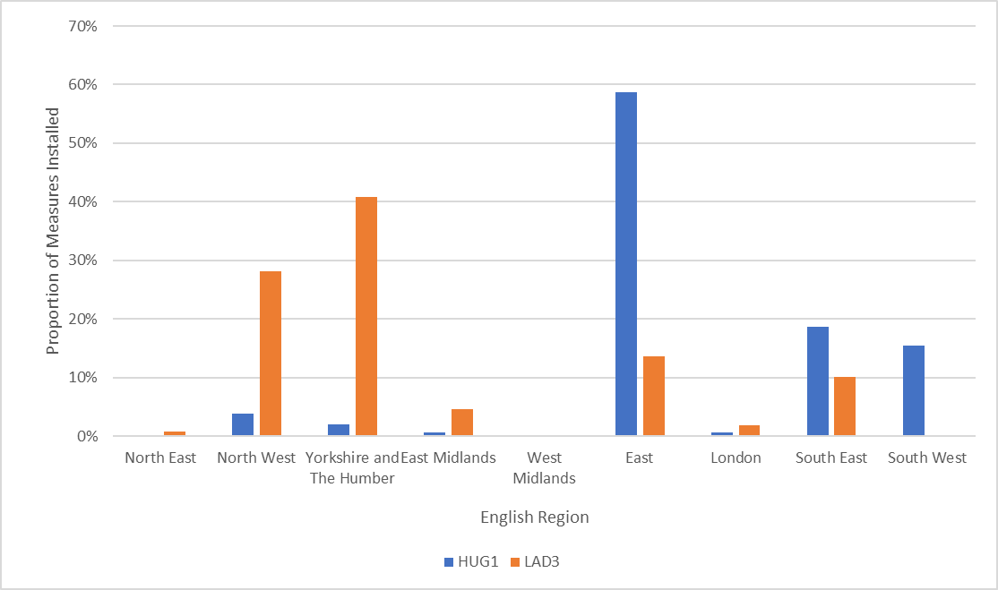 Chart 2.3: Proportion of Measures Installed by English Region, for measures installed to end of August 2022 in Sustainable Warmth
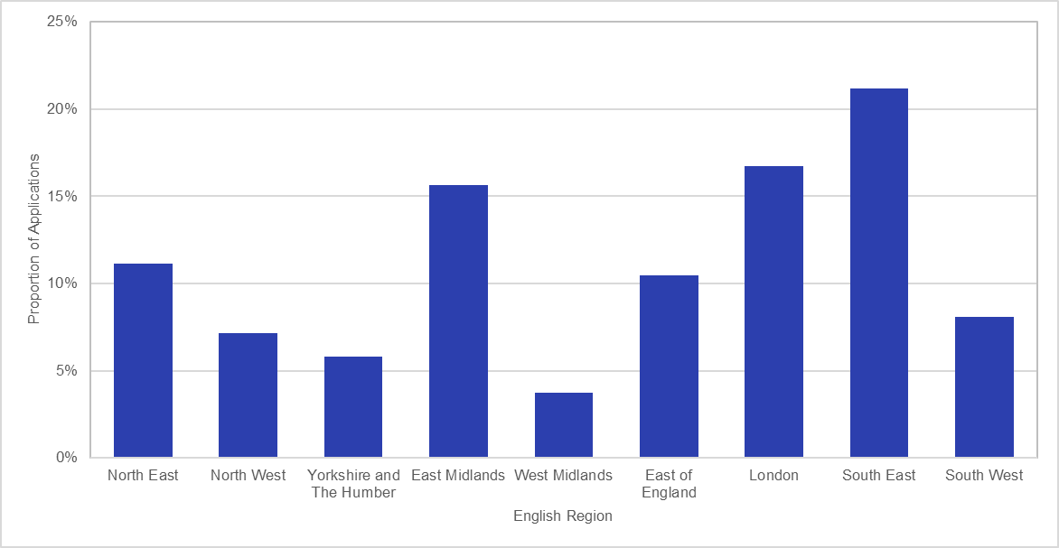 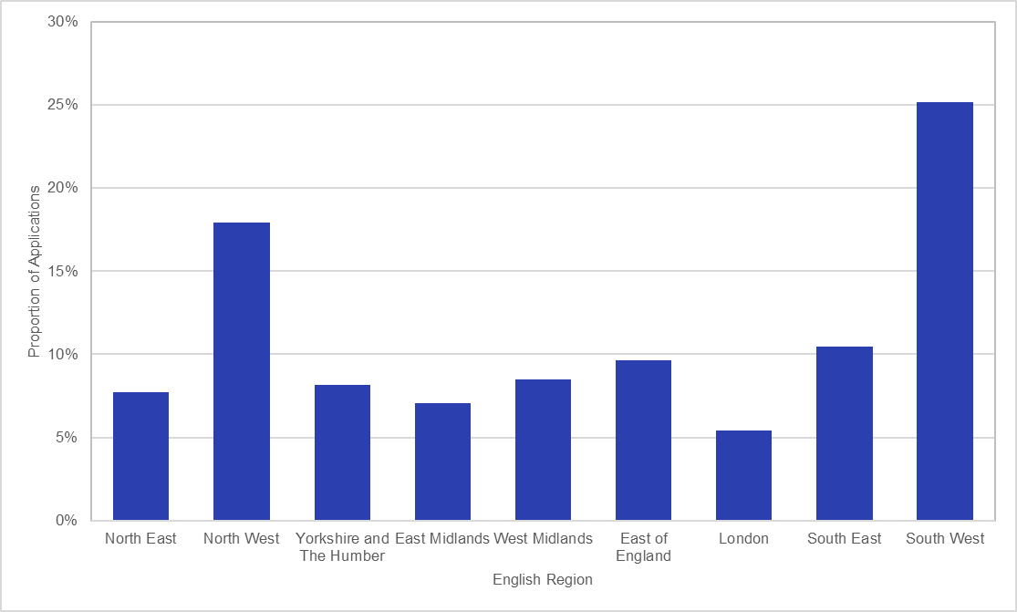 Chart 3.1: Proportion of Signed-Up Households by Region, for applications to end of August 2022 in Phase 1 | Chart 3.2: Proportion of Signed-Up Households by Region, for applications to end of August 2022 in Phase 2
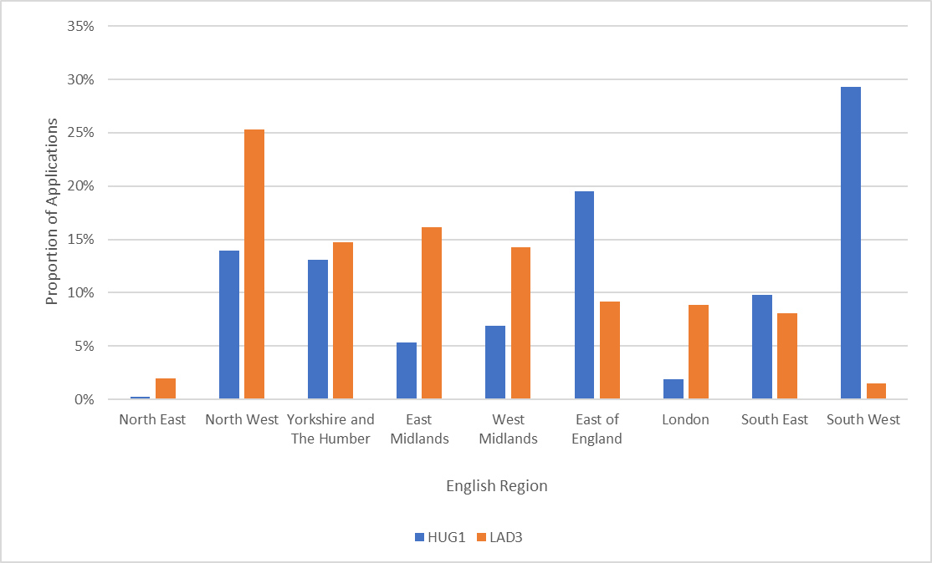 Chart 3.3: Proportion of Signed-Up Households by Region, for applications to end of August 2022 in Sustainable Warmth | 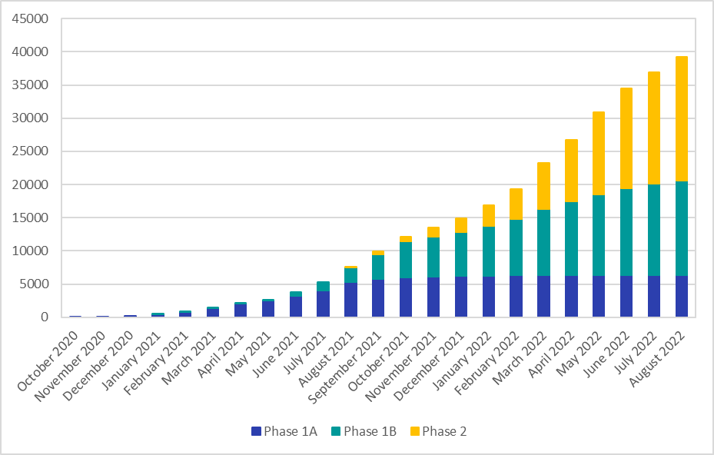 Chart 4: Cumulative Number of Measures Installed by Month, for measures installed to end of August 2022 in Phase 1 and Phase 2
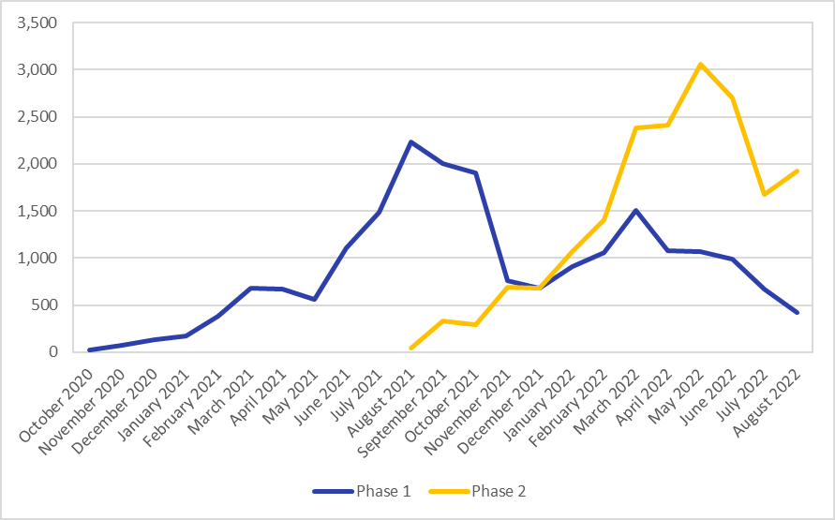 Chart 5: Total Number of Measures Installed by Month, for measures installed to end of August 2022 in Phase 1 and Phase 2 | 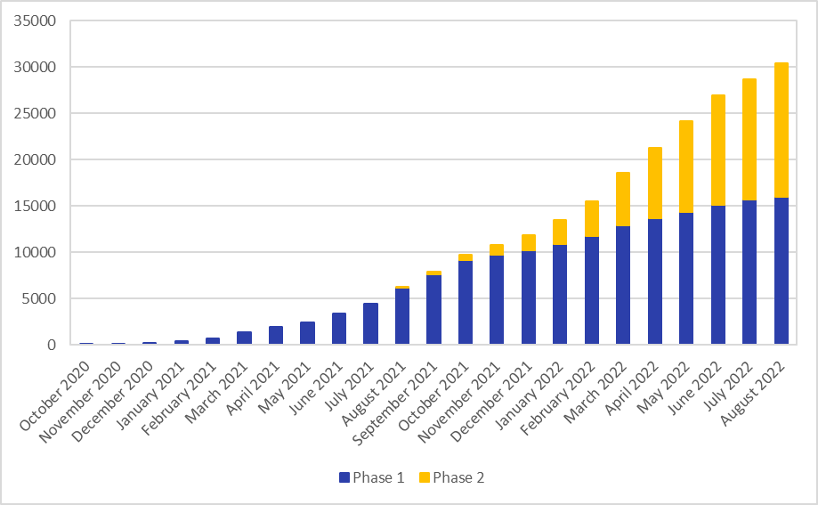 Chart 6: Cumulative Number of Households Upgraded by Month, for households upgraded to the end of August 2022 in Phase 1 and Phase 2
Chart 7: Total Number of Households Upgraded by Month, for households upgraded to the end of August 2022 in Phase 1 and Phase 2 (Line Chart) | Chart 8: Total Number of Households Upgraded by Month, for households upgraded to the end of August 2022 in Phase 1 and Phase 2 (Stacked Bar Chart)

