Intro

Monthly Provisional UK Sea Fisheries Statistics August 2022

This workbook was updated 30th September 2022

Contents


Highlights - Time Series | Highlights - Live weight landings (t) and Value (£000's) by month and cumulative totals over the year.
Highlights - Time Series Data | Highlights - Breakdown of data used for time series graphs by each month in 2021 & 2022
Highlights - August | Highlights - August 2022 (compared to same month in 2021)
Table 1 | Landings by UK vessels into all ports (Live weight (tonnes) and Value (£000's)) by vessel nationality, vessel length and species group (Summary)
Table 1a | Landings of UK vessels into UK ports (Live weight (tonnes) and Value (£000's)) by vessel nationality, vessel length and species group (Summary)
Table 1b | Landings of UK vessels into Foreign ports (Live weight (tonnes) and Value (£000's)) of UK vessels into Foreign ports by vessel nationality, vessel length and species group (Summary)
Table 2 | Landings of UK vessels into UK ports (Live weight (tonnes), Value (£000's) and Price (£/tonne)) by Species
Table 3 | Landings of UK vessels into all ports (Live weight (tonnes), Value (£000's) and Price (£/tonne)) by Species
Table 4 | Landings of foreign vessels into the UK (Live weight (tonnes), Value (£000's) and Price (£/tonne)) by species
Table 5 | Landings into UK ports by all vessels (Live weight (tonnes) and Value (£000's)) by country of landing and port
Table 6 | Landings by all UK vessels into all ports (Live weight (t) and Value (£000's)) by species group and vessel nationality
Table 7 | Landings (Live weight (t) and Value (£000's)) and number of trips of UK vessels in all ports by country and vessel length
Table 8 | Quantity of landings (t) and value landed (£000's) by UK vessels and Foreign vessels into the UK in last 2 years

Intro

This is a National Statistics publication. This notice provides an overview of the reported weight and value of landings by UK vessels into the UK and abroad, and by foreign vessels into the UK. Data are used to provide analysis and evidence to researchers and the media and to respond to ad-hoc requests from fishers, other fishing organisations and the general public. They are also used to formulate and monitor fishing policy for fisheries administrations. This data is provisional and represents the best available data the MMO holds on fishing activity by the UK fleet and into the UK. Data will be revised each month and lags will be reviewed following protocol documented here: https://www.gov.uk/guidance/fishing-activity-and-landings-data-collection-and-processing. Please note, the monthly data in these reports for tables 1 to 7 represent a 'snapshot' at the time of release, therefore the totals may not align with the latest published 'underlying dataset', which is downloaded from our 'live' database and presented alongside the monthly reports. The raw data that feeds into this publication is equivalent to the data used to produce our regular national statistics and is processed and collected as outlined above. Due to the timing of this report the data for 2021 does not correspond with data recently published in our annual publication ‘Sea Fish Statistics 2021’ (published 29th September 2021) and therefore remain provisional. Data for 2021 activity are scheduled to be updated with the September monthly ‘Sea Fisheries Statistics’ on ‘28th October 2022’.

Highlights - Time Series
Highlights - Time Series showing landings by month and cumulative totals over the year.

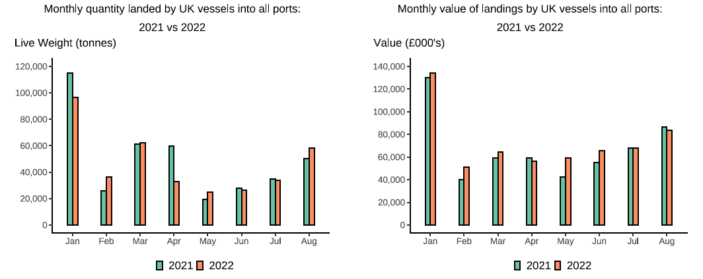

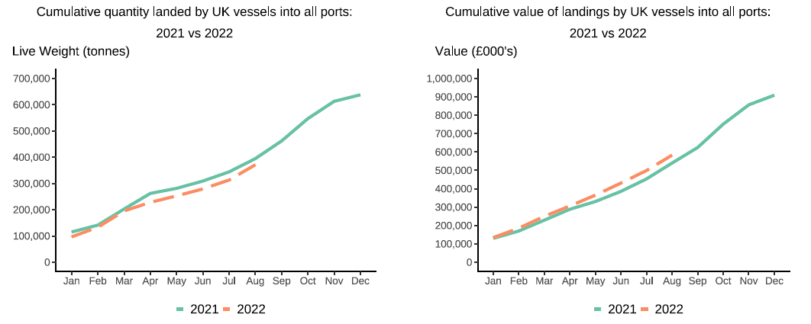

In this release, fishing activity recorded from January to August 2022 is compared to 2021. All quantities are reported as live weight tonnage and values are at first sale in pounds sterling (£000s).
Cumulatively for the whole of 2022, the value of landings is up 8 per cent compared to 2021. While the quantity of landings is down 6 per cent compared to tonnage landed in between January - August 2021.
For breakdown and comparisons of value and quanity landed for individual months see Highlights - Time Series Data tab.

Highlights - August
Highlights - August 2022
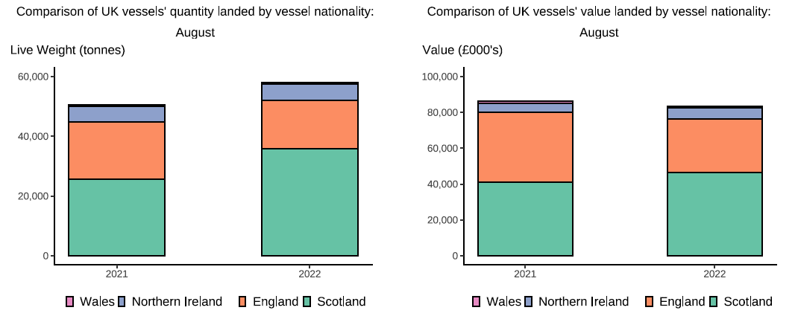

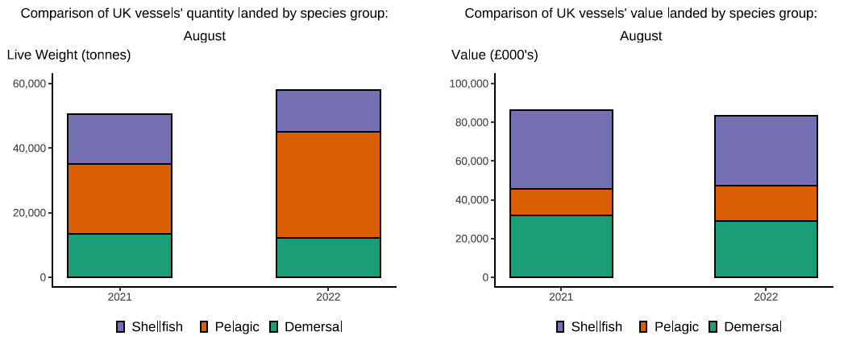

Here, fishing activity recorded in August 2022 is compared to activity in August 2021. All quantities are reported as live weight tonnes and values are at first sale in pounds sterling (£000's).
The total quantity of landings by UK vessels (tonnes) increased in August 2022 compared to 2021, up 15 per cent. The value of landings in August 2022 (£83.5m) decreased compared 2021, down by 3 per cent.
Landings of species groups typically fluctuate over the year due to seasonality of UK stocks. Landings in August 2022 comprised mostly of Pelagic species (57 per cent) (T6). This was driven by higher landings of Herring which are typically caught more in the summer months due with vessels targetting the North Sea and Irish Sea stocks. Shellfish species comprised the majority of the value landed (43 per cent), this is because shellfish species typically fetch a higher price. Demersal also contributed to a high proportion of the total landings in August 2022 (35 per cent) continuing to be driven by landings of Haddock. However, when compared to August 2021 both quantity and the value of Demersal landings were down 9 per cent (T6).
The total quantity of landings into UK ports (by UK and foreign vessels) in August 2022 showed no change compared to 2021 with landings into Peterhead making up almost a third of total landings into UK ports in August. However, the value landed is down 8 per cent compared to 2021 (T5).

