Intro

Monthly Provisional UK Sea Fisheries Statistics July 2022

This workbook was updated 26th July 2022

Contents


Highlights - Time Series | Highlights - Live weight landings (t) and Value (£000's) by month and cumulative totals over the year.
Highlights - Time Series Data | Highlights - Breakdown of data used for time series graphs by each month in 2021 & 2022
Highlights - July | Highlights - July 2022 (compared to same month in 2021)
Table 1 | Landings by UK vessels into all ports (Live weight (tonnes) and Value (£000's)) by vessel nationality, vessel length and species group (Summary)
Table 1a | Landings of UK vessels into UK ports (Live weight (tonnes) and Value (£000's)) by vessel nationality, vessel length and species group (Summary)
Table 1b | Landings of UK vessels into Foreign ports (Live weight (tonnes) and Value (£000's)) of UK vessels into Foreign ports by vessel nationality, vessel length and species group (Summary)
Table 2 | Landings of UK vessels into UK ports (Live weight (tonnes), Value (£000's) and Price (£/tonne)) by Species
Table 3 | Landings of UK vessels into all ports (Live weight (tonnes), Value (£000's) and Price (£/tonne)) by Species
Table 4 | Landings of foreign vessels into the UK (Live weight (tonnes), Value (£000's) and Price (£/tonne)) by species
Table 5 | Landings into UK ports by all vessels (Live weight (tonnes) and Value (£000's)) by country of landing and port
Table 6 | Landings by all UK vessels into all ports (Live weight (t) and Value (£000's)) by species group and vessel nationality
Table 7 | Landings (Live weight (t) and Value (£000's)) and number of trips of UK vessels in all ports by country and vessel length
Table 8 | Quantity of landings (t) and value landed (£000's) by UK vessels and Foreign vessels into the UK in last 2 years

Intro

This is a National Statistics publication. This notice provides an overview of the reported weight and value of landings by UK vessels into the UK and abroad, and by foreign vessels into the UK. Data are used to provide analysis and evidence to researchers and the media and to respond to ad-hoc requests from fishers, other fishing organisations and the general public. They are also used to formulate and monitor fishing policy for fisheries administrations. This data is provisional and represents the best available data the MMO holds on fishing activity by the UK fleet and into the UK. Data will be revised each month and lags will be reviewed following protocol documented here: https://www.gov.uk/guidance/fishing-activity-and-landings-data-collection-and-processing. Please note, the monthly data in these reports for tables 1 to 7 represent a 'snapshot' at the time of release, therefore the totals may not align with the latest published 'underlying dataset', which is downloaded from our 'live' database and presented alongside the monthly reports. The raw data that feeds into this publication is equivalent to the data used to produce our regular national statistics and is processed and collected as outlined above.

Highlights - Time Series
Highlights - Time Series showing landings by month and cumulative totals over the year.

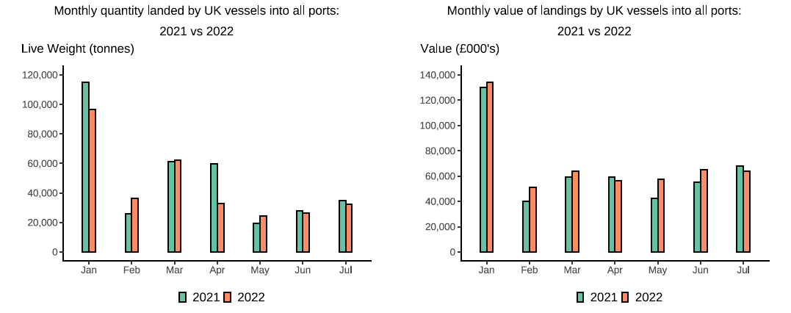

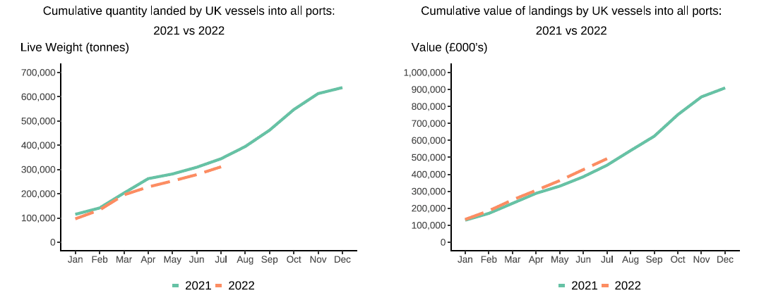

In this release, fishing activity recorded from January to July 2022 is compared to 2021. All quantities are reported as live weight tonnage and values are at first sale in pounds sterling (£000s).
Cumulatively for the whole of 2022, the value of landings is up 9 per cent compared to 2021. While the quantity of landings is down 10 per cent compared to tonnage landed in between January - July 2021.
For breakdown and comparisons of value and quanity landed for individual months see Highlights - Time Series Data tab.

Highlights - July
Highlights - July 2022
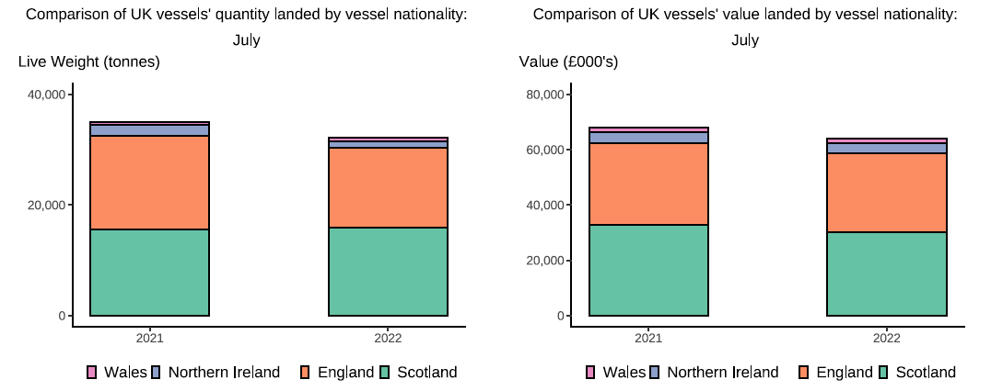

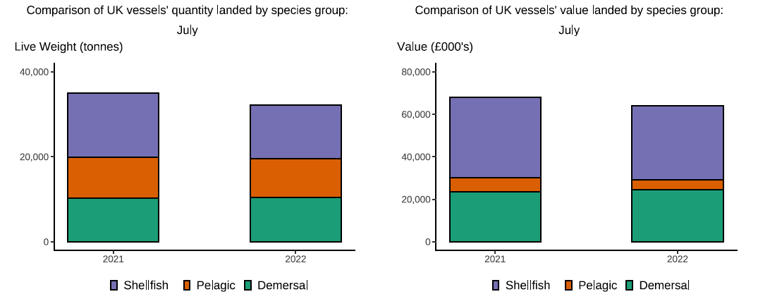

Here, fishing activity recorded in July 2022 is compared to activity in July 2021. All quantities are reported as live weight tonnes and values are at first sale in pounds sterling (£000's).
The total quantity of landings by UK vessels (tonnes) decreased in July 2022 compared to 2021, down 8 per cent. The value of landings in July 2022 (£64m) decreased compared 2021, down by 6 per cent.
Landings of species groups typically fluctuate over the year due to seasonality of UK stocks. Landings in July 2022 comprised mostly of Shellfish species (39 per cent) (T6). Shellfish species also comprised the majority of the value landed (55 per cent), this is because Shellfish (in particular Lobsters, crabs and Scallops) typically fetch a high price. However, when compared to July 2021 both quantity and the value of shellfish landings were down 16 per cent and 7 per cent respectively (T6). Demersal species also contributed to a high proportion of the total landings in July 2022 (33 per cent) driven by landings of Haddock which is typically targetted at this time of year. High quota pelagic species (such as Mackerel) are typically targetted in the winter months therefore landings remained relatively low in July 2022.
The total quantity of landings into UK ports (by UK and foreign vessels) in July 2022 is down 5 per cent compared to 2021. The value landed also decreased by 5 per cent compared to 2021 (T5).

