Title
Green Homes Grant Local Authority Delivery Scheme (GHG LAD) and Home Upgrade Grant (HUG) Statistics for England |  | 
Data covered in this release is for all applications to the end of May 2022.
Please direct all press enquiries to Press Officer 020 7215 5975
Responsible Statistician | Responsible Statistician
Nick Dann | Max Davis
EnergyEfficiency.Stats@beis.gov.uk | EnergyEfficiency.Stats@beis.gov.uk
0300 068 6838 | 07552 857903
This workbook was updated on: | 2022-07-21
The next update for these statistics is: | 2022-08-18

Charts
Charts Showing Signed up Households, Installed Measures and Households Upgraded
This sheet provides 11 charts displaying some of the key data in this release.
There are some blank rows and columns to aid the presentation of the charts.
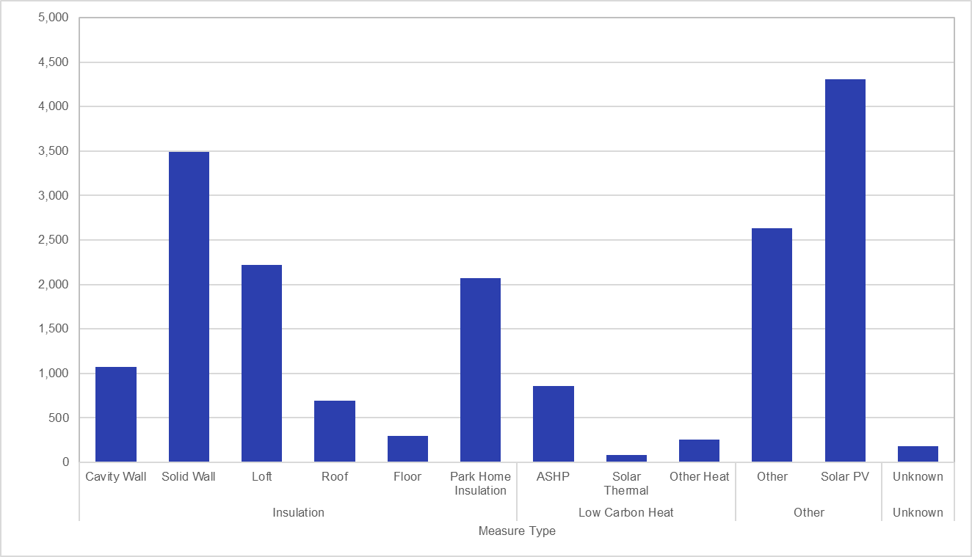 Chart 1.1: Total Number of Measures Installed by Measure Type, for measures installed to end of May 2022 in Phase 1 | 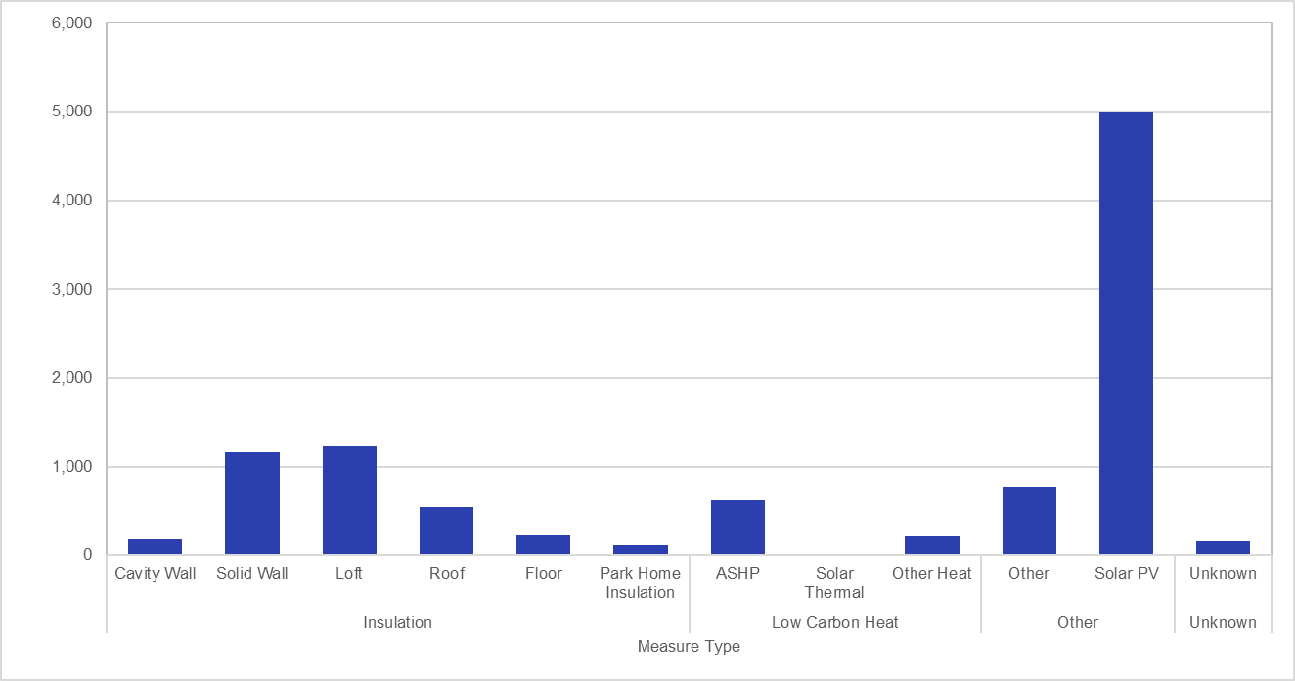 Chart 1.2: Total Number of Measures Installed by Measure Type, for measures installed to end of May 2022 in Phase 2
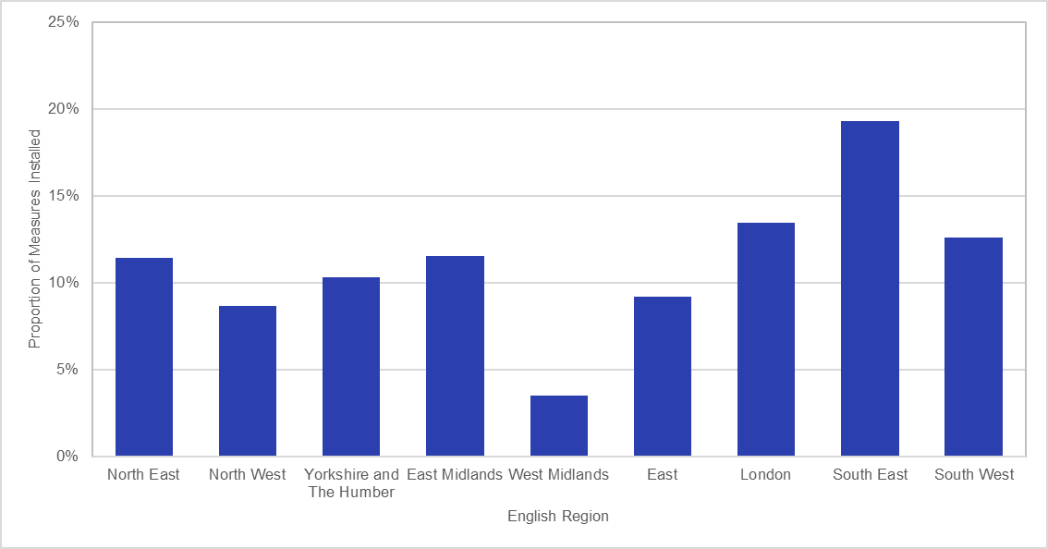 Chart 2.1: Proportion of Measures Installed by English Region, for measures installed to end of May 2022 in Phase 1 | 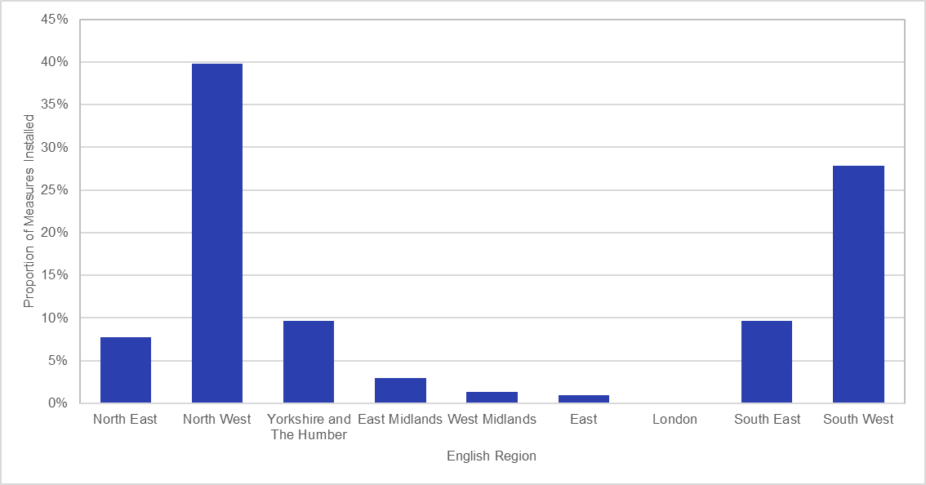 Chart 2.2: Proportion of Measures Installed by English Region, for measures installed to end of May 2022 in Phase 2
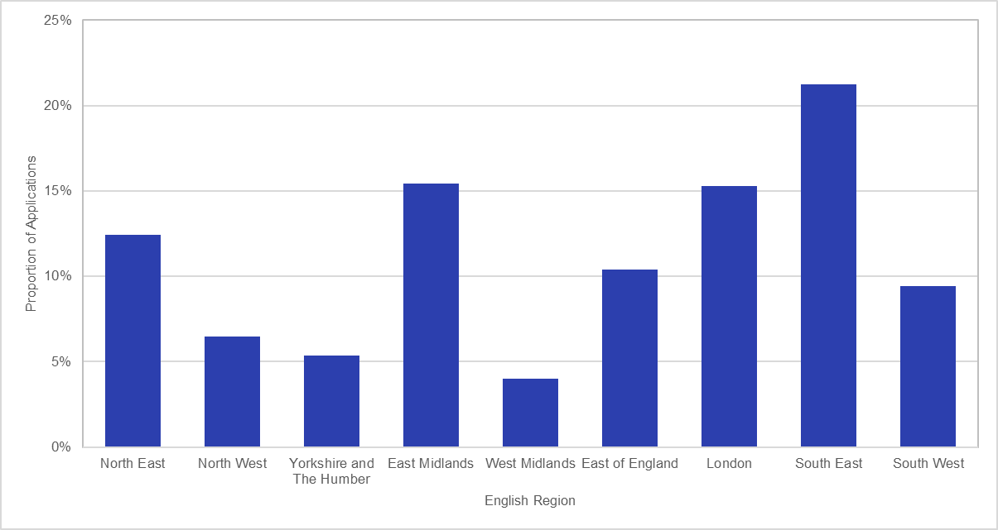 Chart 3.1: Proportion of Signed-Up Households by Region, for applications to end of May 2022 in Phase 1 | 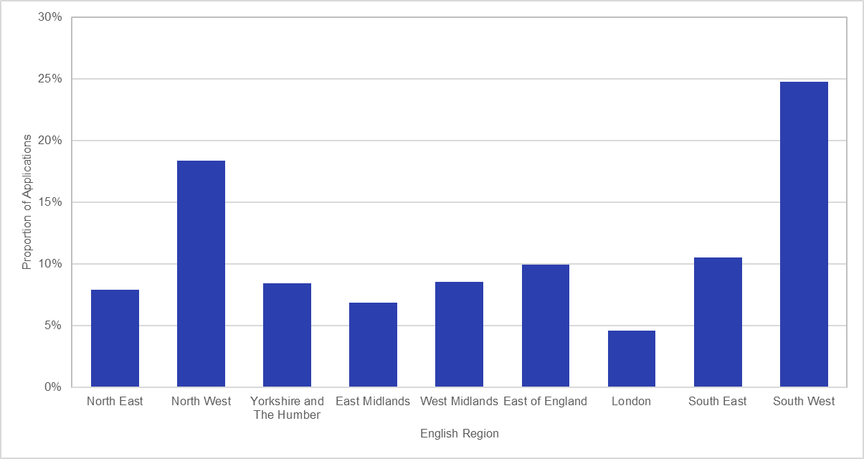 Chart 3.2: Proportion of Signed-Up Households by Region, for applications to end of May 2022 in Phase 2
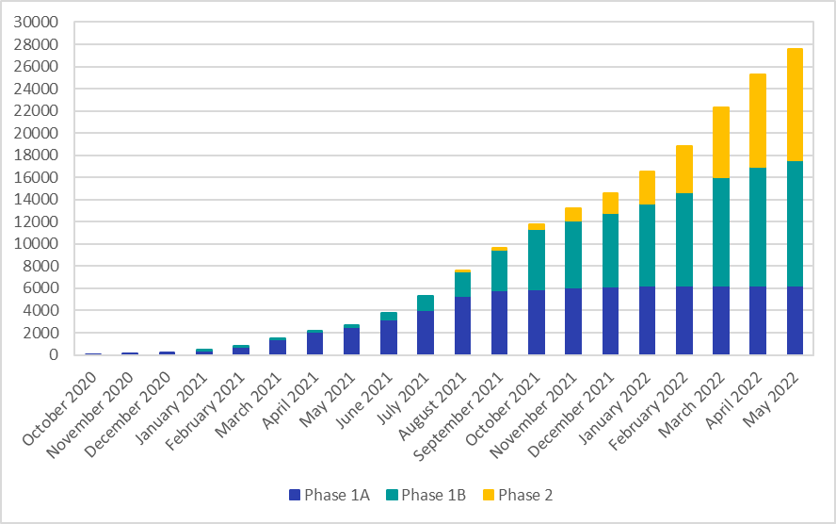 Chart 4: Cumulative Number of Measures Installed by Month, for measures installed to end of May 2022 in Phase 1 and Phase 2 | 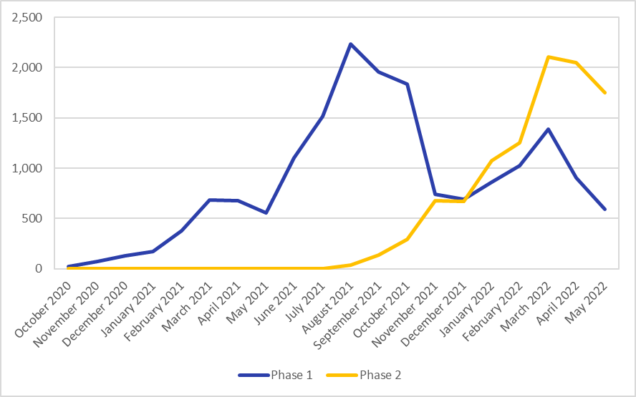 Chart 5: Total Number of Measures Installed by Month, for measures installed to end of May 2022 in Phase 1 and Phase 2
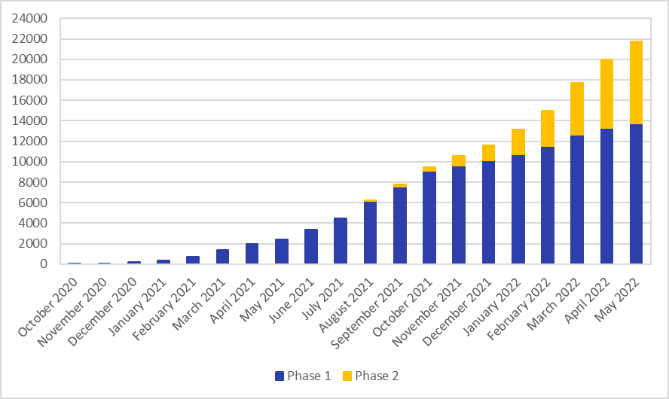 Chart 6: Cumulative Number of Households Upgraded by Month, for households upgraded to the end of May 2022 in Phase 1 and Phase 2 | 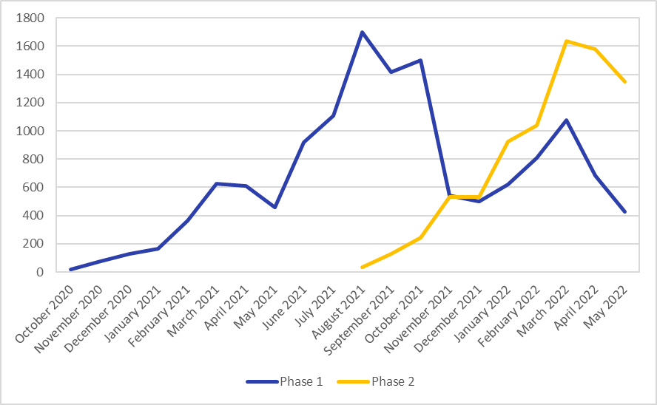 Chart 7: Total Number of Households Upgraded by Month, for households upgraded to the end of May 2022 in Phase 1 and Phase 2 (Line Chart)
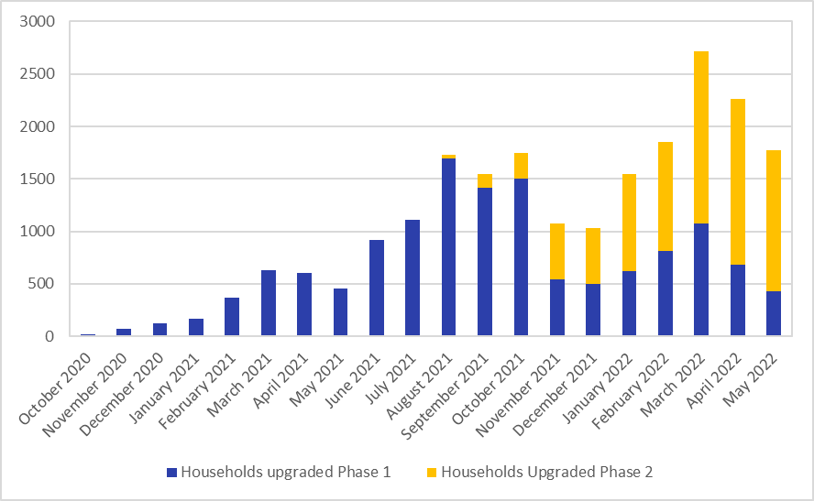
Chart 8: Total Number of Households Upgraded by Month, for households upgraded to the end of May 2022 in Phase 1 and Phase 2 (Stacked Bar Chart)

A bar chart showing the proportion of measures installed in Phase 1 by English region. The regions are organised according to the Government Statistical Service Geography Code. The South East had the highest proportion of measures installed (19 per cent), followed by London (13 per cent), and the South West (13 per cent).

