Fig 1.1
Figure 1.1: Energy efficiency rating bands, 2010 and 2020 | Underlying data for Figure 1.1: Energy efficiency rating bands, 2010 and 2020

 |  | 2010 | 2020
 |  |  | percentages
 | A/B | 0.3 | 2.9
 | C | 13.8 | 43.2
 | D | 47.1 | 43.4
 | E | 28.6 | 7.8
 | F/G | 10.3 | 2.7

Base: all dwellings
Note: underlying data are presented in Annex Table 1.2
Source: English Housing Survey, dwelling sample

Fig 1.2
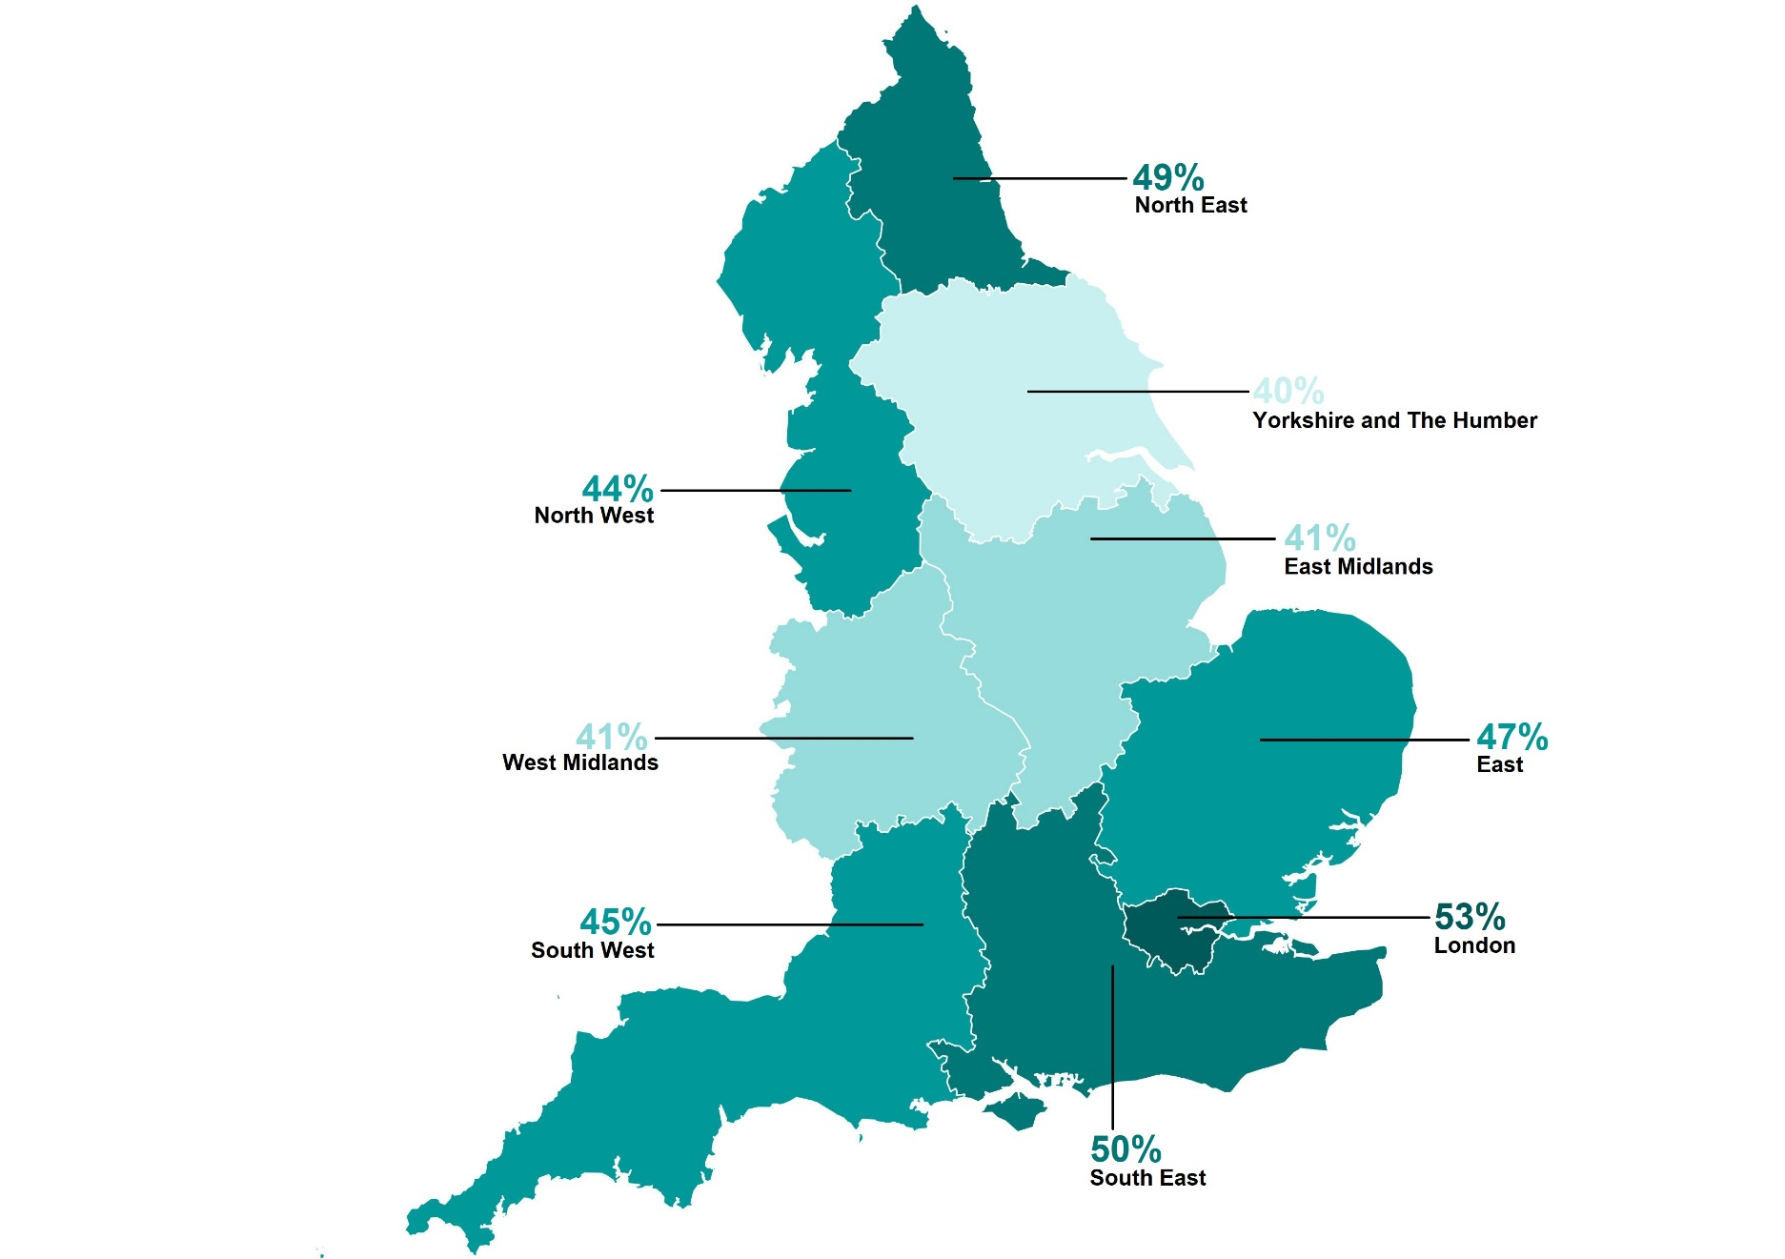
Figure 1.2: Proportion of A to C rated dwellings, by region, 2020 | Underlying data for Figure 1.2: Proportion of A to C rated dwellings, by region, 2020

 |  | percentages
 | North East | 48.6
 | North West | 44.5
 | Yorkshire and the Humber | 39.6
 | East Midlands | 41.4
 | West Midlands | 41.1
 | East | 47.4
 | London | 53.3
 | South East | 50.1
 | South West | 44.6

Base: all dwellings
Note: underlying data are presented in Annex Table 1.3
Source: English Housing Survey, dwelling sample

