Figure G1
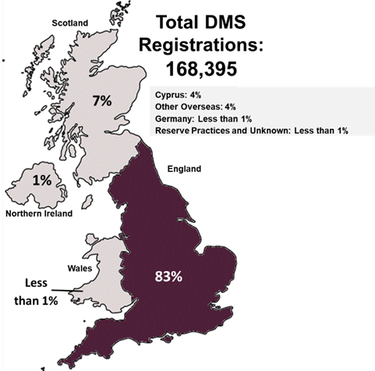
Annex G - Report figures
This worksheet contains one figure which presents the total number of DMS registrations in the UK and abroad, with percentage breakdowns into nations and regions.
Figure G1 is a map representing the breakdown of DMS registrations between the four nations of the UK, some cells refer to notes which can be found on the notes worksheet.
Figure G1: UK armed forces and entitled civilian DMS registrations, by registration location, numbers and percentages [note 15]
As at 1 April 2022
Source: Defence Statistics Health - DMICP Data Warehouse and JPA
Return to contents

Figure G2
Annex G - Report figures
This worksheet contains one figure and one table which presents the number of UK armed forces DMS registrations, broken down by country, from 1 April 2020 to 1 April 2022.
Figure G2 is a bar chart representing the data in the accompanying Underlying Data table, some cells refer to notes which can be found on the notes worksheet.
Figure G2: UK armed forces DMS registrations, by country [note 16], [note 17], [note 18], numbers
1 April 2020 to 1 April 2022
Source: Defence Statistics Health - DMICP Data Warehouse and JPA
Return to contents
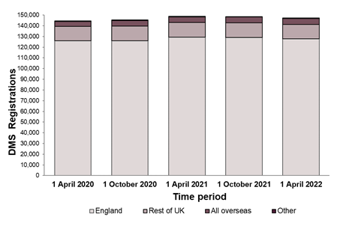
Underlying Data
Country | 1 April 2020 | 1 October 2020 | 1 April 2021 | 1 October 2021 | 1 April 2022
England | 125,972 | 125,978 | 129,471 | 129,129 | 127,693
Rest of UK | 13,351 | 13,688 | 13,478 | 13,645 | 13,627
All overseas | 4,709 | 5,089 | 5,370 | 5,292 | 5,475
Other | 605 | 740 | 454 | 336 | 359

Figure G3
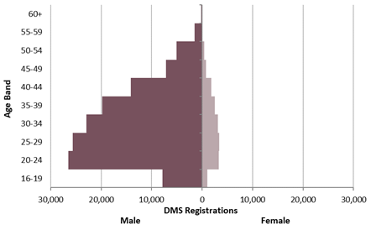
Annex G - Report figures
This worksheet contains one figure which presents the number of UK armed forces DMS registrations, by gender and age band.
Figure G3 is a population pyramid representing the number of DMS registrations in each age band for male and female UK armed forces personnel.
Some cells refer to notes which can be found on the notes worksheet.
Figure G3: UK armed forces DMS registrations, by gender and age band [note 6], numbers
As at 1 April 2022
Source: Defence Statistics Health - DMICP Data Warehouse and JPA
Return to contents

Figure G4
Annex G - Report figures
This worksheet contains one figure and one table which presents the number of entitled civilian DMS registrations, broken down by country, from 1 April 2020 to 1 April 2022.
Figure G4 is a bar chart representing the data in the accompanying Underlying Data table, some cells refer to notes which can be found on the notes worksheet.
Figure G4: Entitled civilians DMS registrations, by country [note 16], [note 17], [note 18], numbers
1 April 2020 to 1 April 2022
Source: Defence Statistics Health - DMICP Data Warehouse and JPA
Return to contents
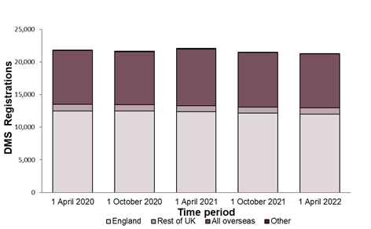
Underlying Data
Country | 1 April 2020 | 1 October 2020 | 1 April 2021 | 1 October 2021 | 1 April 2022
England | 12,500 | 12,459 | 12,362 | 12,137 | 12,010
Rest of UK | 1,022 | 977 | 927 | 908 | 943
All overseas | 8,240 | 8,140 | 8,695 | 8,398 | 8,261
Other | 81 | 94 | 95 | 40 | 27

Figure G5
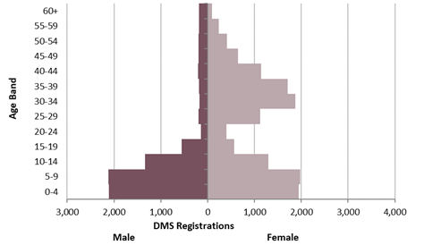
Annex G - Report figures
This worksheet contains one figure which presents the number of entitled civilian DMS registrations, by gender and age band.
Figure G5 is a population pyramic representing the number of DMS registrations in each age band for male and female entitled civilians.
Some cells refer to notes which can be found on the notes worksheet.
Figure G5: Entitled civilians DMS registrations, by gender and age band [note 6], numbers [note 19]
As at 1 April 2022
Source: Defence Statistics Health - DMICP Data Warehouse and JPA
Return to contents

Figure G6
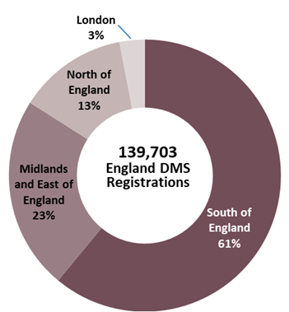
Annex G - Report figures
This worksheet contains one figure which presents a regional percentage breakdown of DMS registrations in the England.
Figure G6 is a doughnut chart representing the breakdown of DMS registrations in England by region, some cells refer to notes which can be found on the notes worksheet.
Figure G6: UK armed forces and entitled civilian DMS registrations in England by region [note 20], percentages [note 15]
As at 1 April 2022
Source: Defence Statistics Health - DMICP Data Warehouse and JPA
Return to contents

Figure G7
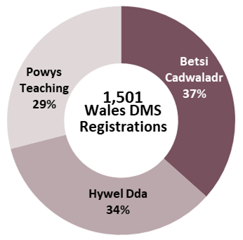
Annex G - Report figures
This worksheet contains one figure which presents a regional percentage breakdown of DMS registrations in the Wales.
Figure G7 is a doughnut chart representing the breakdown of DMS registrations in Wales by Local Health Board, some cells refer to notes which can be found on the notes worksheet.
Figure G7: UK armed forces and entitled civilian DMS registrations in Wales, by Local Health Board, percentages [note 15]
As at 1 April 2022
Source: Defence Statistics Health - DMICP Data Warehouse and JPA
Return to contents

Figure G8
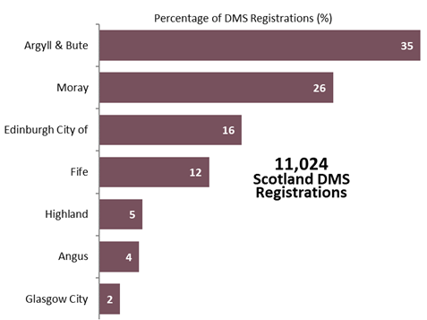
Annex G - Report figures
This worksheet contains one figure which presents a regional percentage breakdown of DMS registrations in the Scotland.
Figure G8 is a histogram representing the breakdown of DMS registrations in Scotland by Council Area, some cells refer to notes which can be found on the notes worksheet.
Figure G8: UK armed forces and entitled civilian DMS registrations in Scotland, by Council Area [note 21], percentages [note 15]
As at 1 April 2022
Source: Defence Statistics Health - DMICP Data Warehouse and JPA
Return to contents

