Introduction & Contents
Analysis of Intra-Company Transfer route

This spreadsheet contains the original data tables that accompany the charts and tables in the main report.
The MAC have carried out analysis using statistics including the APS, ASHE, Revealing Reality Research, IDBR, HO Immigration Statistics as well as independent academic analysis for which we thank the authors.
We have included key caveats and limitations where possible, however please refer to the source data for detailed descriptions of the methodology and caveats.

Produced by | Migration Advisory Committee

Chapter 2 | Primary Research and Engagement
Table 2.1 | Usage of ICT visas in the last 5 years as reported by CfE respondents
Table 2.2 | Sampling characteristics of research interviews carried out by Revealing Reality Research

Chapter 3 | Economic Impacts of the ICT Route
Figure 3.1 | Total visa applications for T2(G) and ICT route, 2010-2020
Figure 3.2 | Total ICT visa applicants by usage, 2010-2021
Table 3.3 | Nationality of ICT migrants, 2019
Table 3.4 | Top 10 firms using the ICT route split by usage, 2019
Table 3.5 | Gender split, by usage
Table 3.6 | 2019 median salaries of ICT migrants, by age group and gender
Figure 3.7 | Salary distributions of the ICT routes compared to T2(G), 2019
Figure 3.8 | Salary distributions of the ICT routes compared to UK residents, 2019
Table 3.9 | ICT applicants as a percentage of total employment by occupation, 2019/20
Figure 3.10 | Unemployment rate for the top 4 ICT occupations vs the UK unemployment rate
Figure 3.11 | Change in unemployment rate, and number of visa applicants, for the top 4 ICT occupations
Figure 3.12 | Percentage change in weighted mean salary, and number of visa applicants, for the top 4 ICT occupations
Table 3.13 | Percentile wage distribution for the top 4 ICT occupations, 2019
Figure 3.14 | Total employment and total ICT visa applicants by the top 10 employers of ICTs in the IT sector
Figure 3.15 | Turnover share over time of the top 10 ICT users in the UK in SICs 62020, 62090 and 62012
Figure 3.16 | Annual net fiscal contributions by household
Figure 3.17 | 2019 ICT destinations based on address of employer

Chapter 4 | Technical Rules
Table 4.1 | Occupations used for analysis
Table 4.2 | Description of SOC major groups 1-3
Table 4.3 | Requirements for RQF levels 4-6
Table 4.4 | Summary of median and 25th percentile salaries for each option
Figure 4.5 | Density plot of ICT Graduate Trainee salaries, Apr 2017 - Mar 2020
Figure 4.6 | Number of high earner (>£73,900) and regular ICT visas, 2010-2020
Table 4.7 | Payments that can count towards the salary threshold

Chapter 5 | Subsidiaries, Secondments and Short-term Assignments
Table 5.1 | Comparison of key criteria of RoBR, Start-up and Innovator visa
Figure 5.2 | Frequency distribution of employee count in foreign subsidiaries in the UK established since 2018, split by parent company region
Figure 5.3 | Number of new subsidiaries established in the UK over time, split by EU or ROW immediate parent company
Figure 5.4 | Regional distribution of subsidiaries in the UK, split by EU or ROW parent
Figure 5.5 | Frequency distribution of subsidiaries with an EU or ROW parent, by industry sector
Figure 5.6 | Cumulative frequency distribution of employee count in UK firms with a subsidiary abroad
Figure 5.7 | Cumulative frequency distribution of turnover of UK firms with a subsidiary abroad
Figure 5.8 | Volume of ICT visa applicants by salary group
Figure 5.9 | Volume of ICT visa applicants by length of visa

Contacts
MAC@homeoffice.gov.uk

Figure 3.1
Contents

Figure 3.1: Total visa applications for T2(G) and ICT route, 2010-2020
Year | ICT | T2 Gen
2010 | 36,443 | 23,989
2011 | 36,321 | 21,374
2012 | 37,884 | 30,746
2013 | 41,043 | 39,364
2014 | 44,090 | 42,661
2015 | 44,147 | 42,911
2016 | 43,653 | 45,291
2017 | 39,162 | 46,859
2018 | 41,714 | 53,412
2019 | 42,294 | 66,788
2020 | 22,895 | 51,297
Source: Home Office Management Information
Certificate of Sponsorship (CoS) data 01 Jan 2010 - 31 Dec 2020
Notes: Used CoS. CoS is assigned to a migrant by their sponsoring employer and the migrant can then use the certificate number to make a visa application
ICT includes all categories including contractor and conventional and long term and short term migrants

Figure 3.2
Contents

Figure 3.2: Total ICT visa applicants by usage, 2010-2021
Year | Contractor | Conventional
2010 | 19,607 | 16,836
2011 | 19,728 | 16,593
2012 | 21,064 | 16,820
2013 | 22,926 | 18,117
2014 | 25,905 | 18,185
2015 | 26,277 | 17,870
2016 | 26,701 | 16,952
2017 | 23,510 | 15,652
2018 | 25,776 | 15,938
2019 | 26,745 | 15,549
2020 | 15,408 | 7,487
2021* | 6,126 | 3,074
Source: Home Office Management Information
Certificate of Sponsorship (CoS) data 01 Jan 2010 - 30 June 2021
Notes: Used CoS. CoS is assigned to a migrant by their sponsoring employer and the migrant can then use the certificate number to make a visa application
*2021 is not full year data and is only up to 30 June 2021

Figure 3.7
Contents

Figure 3.7: Salary distributions of the ICT routes compared to T2(G), 2019

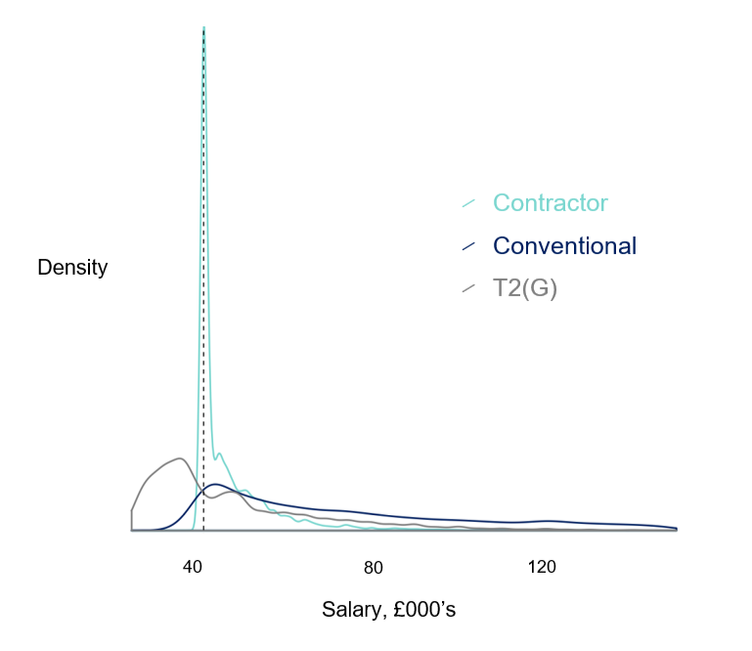

Source: Home Office Management Information
Certificate of Sponsorship (CoS) data 01 Jan 2019 – 31 Dec 2019
Notes: Used CoS. CoS is assigned to a migrant by their sponsoring employer and the migrant can then use the certificate number to make a visa application.
2019 Frequency Distribution data. We also ran a scenario for 2014 which displays a similar trend. Across all SOCs.
Filtered between £25,000-£150,000 to account for outliers

Figure 3.8
Contents

Figure 3.8: Salary distributions of the ICT routes compared to UK residents, 2019

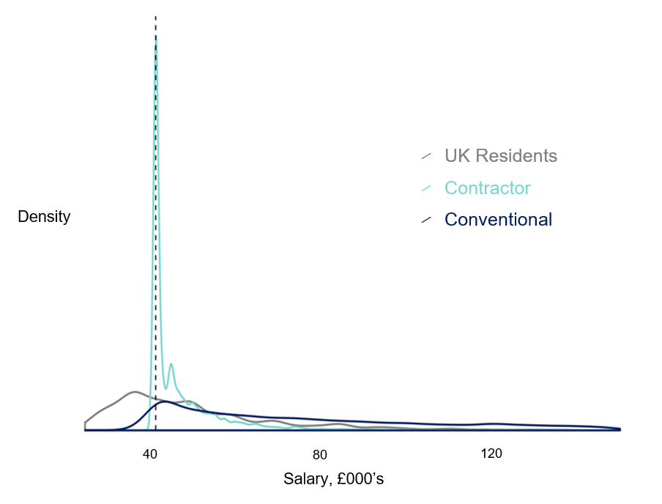

Source: Home Office Management Information, ONS
Certificate of Sponsorship (CoS) data 01 Jan 2019 – 31 Dec 2019, Annual Survey of Hours and Earnings (ASHE) 2019
Notes: CoS is assigned to a migrant by their sponsoring employer and the migrant can then use the certificate number to make a visa application;
ASHE sample of UK residents reweighted to have the same age, sex and occupation mix as the CoS 2019 dataset
Filtered between £25,000-£150,000 to account for outliers

Figure 3.10
Contents

Figure 3.10: Unemployment rate for the top 4 ICT occupations vs the UK unemployment rate
year | Unemployment rate for top 4 ICT SOC's | UK wide unemployment rate
2011 | 3.6% | 8.1%
2012 | 3.5% | 8.0%
2013 | 3.4% | 7.6%
2014 | 2.2% | 6.2%
2015 | 2.5% | 5.4%
2016 | 2.0% | 4.9%
2017 | 2.2% | 4.4%
2018 | 2.0% | 4.1%
2019 | 1.5% | 3.8%
Source: ONS
Annual Population Survey 2011-2019
Notes: Top 4 IT SOCs are those with the largest share of ICTs as a percentage of total employment and include SOC 2134,2135,2136,2139

Figure 3.11
Contents

Figure 3.11: Change in unemployment rate, and number of visa applicants, for the top 4 ICT occupations
Year | Unemployment rate | Change in unemployment rate for top 4 ICT SOCs (p.p) | Number of ICT visas for top 4 SOCs
2013 | 3.4% | -0.1 | 17,512
2014 | 2.2% | -1.2 | 26,170
2015 | 2.5% | 0.3 | 25,946
2016 | 2.0% | -0.5 | 26,123
2017 | 2.2% | 0.2 | 23,650
2018 | 2.0% | -0.2 | 25,837
2019 | 1.5% | -0.5 | 26,762
Source: Home Office Management Information, ONS
Certificate of Sponsorship (CoS) data 01 Jan 2013 - 31 Dec 2019, Annual Population Survey 2013 - 2019
Note: Used CoS. CoS is assigned to a migrant by their sponsoring employer and the migrant can then use the certificate number to make a visa application
Change measured in percentage points (p.p)

Figure 3.12
Contents

Figure 3.12: Percentage change in weighted mean salary, and number of visa applicants, for the top 4 ICT occupations
Year | Percentage change in weighted mean salary for top 4 ICT occupations | Number of visas issued for top 4 ICT occupations
2013 | 3% | 17,512
2014 | 2% | 26,170
2015 | -0.3% | 25,946
2016 | 2% | 26,123
2017 | 3% | 23,650
2018 | 5% | 25,837
2019 | 0.9% | 26,762
2020 | 0.4% | 15,121
Source: Home Office Management Information, ONS
Certificate of Sponsorship (CoS) data 01 Jan 2013 - 31 Dec 2020, Annual Population Survey 2013-2020
Note: Used CoS. CoS is assigned to a migrant by their sponsoring employer and the migrant can then use the certificate number to make a visa application

Figure 3.14
Contents

Figure 3.14: Total employment and total ICT visa applicants by the top 10 users of ICTs in the IT sector
Year | Total employment | Total ICTs assigned
2015 | 38,991 | 18,297
2016 | 43,333 | 18,904
2017 | 51,135 | 17,334
2018 | 53,555 | 18,151
2019 | 54,345 | 19,633
2020 | 57,610 | 1,932
Source: Home Office Management Information, ONS (IDBR data)
Certificate of Sponsorship (CoS) data 01 Jan 2015 – 31 Dec 2020
Notes: Used CoS. CoS is assigned to a migrant by their sponsoring employer and the migrant can then use the certificate number to make a visa application

Figure 3.15
Contents

Figure 3.15: Turnover share over time of the top 10 ICT users in the UK in SICs 62020, 62090 and 62012
Year | Turnover share
2015 | 9.2%
2016 | 8.1%
2017 | 8.1%
2018 | 8.1%
2019 | 7.5%
2020 | 8.3%
Source: IDBR

Figure 3.16
Contents

Figure 3.16: Annual net fiscal contributions by household
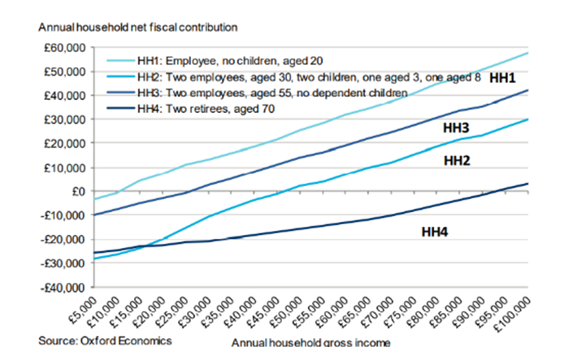

Source: Oxford Economics
Notes: Chart taken directly from Oxford Economics Report

Figure 3.17
Contents
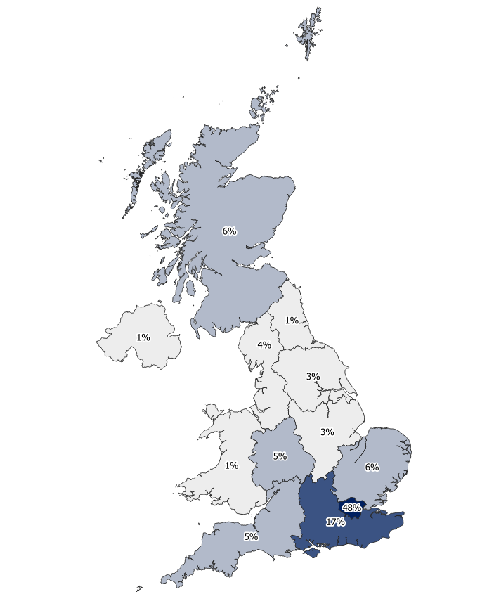

Figure 3.17: 2019 ICT destinations based on address of employer
Region | Count | Share of total
London | 20,197 | 48%
South East | 7,175 | 17%
East of England | 2,721 | 6%
Scotland | 2,384 | 6%
South West | 1,991 | 5%
West Midlands | 1,918 | 5%
North West | 1,725 | 4%
Yorkshire and The Humber | 1,463 | 3%
East Midlands | 1,404 | 3%
Northern Ireland | 471 | 1%
North East | 401 | 1%
Wales | 386 | 1%
2019 Total ICTs | 42,294
Source: Home Office Management Information
Certificate of Sponsorship (CoS) data 01 Jan 2019 – 31 Dec 2019
Notes: Based on Address in HO Management Information which may not be where the migrant is based
Used CoS. CoS is assigned to a migrant by their sponsoring employer and the migrant can then use the certificate number to make a visa application

Figure 4.5
Contents

Figure 4.5: Density plot of ICT Graduate Trainee salaries, Apr 2017 - Mar 2020
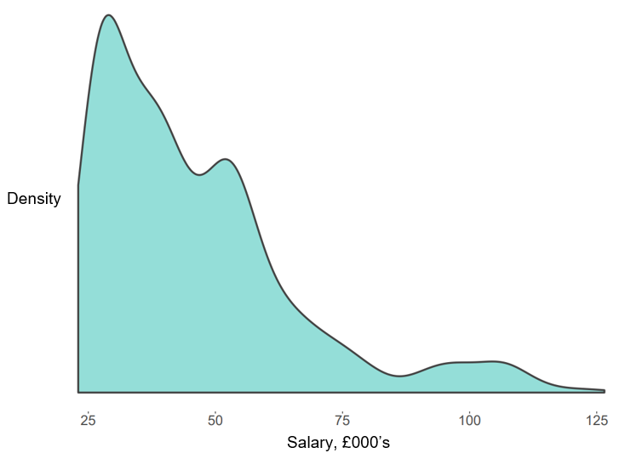
Source: Home Office Management
Certificate of Sponsorship (CoS) data 01 Apr 2017 - 31 March 2020
Notes: Used CoS. CoS is assigned to a migrant by their sponsoring employer and the migrant can then use the certificate number to make a visa application.
Date range widened to increase sample size
Filtered between £23,000-£150,000

Figure 4.6
Contents

Figure 4.6: Number of high earner (>£73,900) and regular ICT visas, 2010-2020
year | High earner | Regular ICT
2010 | 4,857 | 27,577
2011 | 5,584 | 29,491
2012 | 6,630 | 31,149
2013 | 7,196 | 33,774
2014 | 7,172 | 36,853
2015 | 7,308 | 36,778
2016 | 7,170 | 36,428
2017 | 7,964 | 31,141
2018 | 8,077 | 33,560
2019 | 8,438 | 33,789
2020 | 4,718 | 18,146
Source: Home Office Management Information, ONS (IDBR data)
Certificate of Sponsorship (CoS) data 01 Jan 2010 - 31 Dec 2020
Notes: Used CoS. CoS is assigned to a migrant by their sponsoring employer and the migrant can then use the certificate number to make a visa application

Figure 5.2
Contents

Figure 5.2: Frequency distribution of employee count in foreign subsidiaries in the UK established since 2018, split by parent company region
Employees | EU parent | ROW parent
0 | 10% | 11%
1 | 67% | 66%
2 | 6% | 6%
3-5 | 7% | 7%
6-10 | 4% | 4%
11-25 | 4% | 3%
26-100 | 2% | 2%
101-250 | 0% | 0%
251-1000 | 0% | 0%
1000+ | 0% | 0%
Source: IDBR

Figure 5.3
Contents

Figure 5.3: Number of new subsidiaries established in the UK over time, split by EU or ROW immediate parent company
year | EU | ROW
1990 | 218 | 234
1991 | 227 | 218
1992 | 186 | 206
1993 | 259 | 316
1994 | 155 | 204
1995 | 174 | 217
1996 | 200 | 208
1997 | 235 | 258
1998 | 255 | 281
1999 | 297 | 354
2000 | 340 | 404
2001 | 285 | 327
2002 | 250 | 299
2003 | 291 | 336
2004 | 279 | 366
2005 | 306 | 385
2006 | 349 | 431
2007 | 498 | 631
2008 | 320 | 412
2009 | 275 | 380
2010 | 405 | 445
2011 | 447 | 556
2012 | 450 | 587
2013 | 518 | 710
2014 | 596 | 702
2015 | 700 | 799
2016 | 801 | 938
2017 | 867 | 1072
2018 | 944 | 1246
2019 | 2064 | 2716
2020 | 2051 | 2073
Source: IDBR

Figure 5.4
Contents

Figure 5.4: Regional distribution of subsidiaries in the UK, split by EU or ROW parent
Region | EU parent | ROW parent
North East | 1% | 1%
Wales | 1% | 1%
East Midlands | 2% | 2%
Yorkshire & the Humber | 3% | 2%
Scotland | 2% | 3%
Northern Ireland | 5% | 3%
South West | 3% | 4%
North West | 5% | 5%
East | 5% | 5%
West Midlands | 7% | 3%
South East | 10% | 11%
London | 55% | 59%
Source: IDBR

Figure 5.5
Contents

Figure 5.5: Frequency distribution of subsidiaries with an EU or ROW parent, by industry sector
Industry | EU parent | ROW parent
Other | 5% | 4%
Creative Arts and Entertainment | 1% | 1%
Accommodation and Hospitality | 2% | 1%
Media and Communications | 2% | 4%
Construction | 5% | 3%
Other Manufacturing | 6% | 4%
IT | 9% | 12%
Wholesale and Retail Trade | 14% | 13%
Finance and Insurance | 14% | 17%
Professional Services | 18% | 21%
Non-professional administrative and support service activities | 24% | 20%
Source: IDBR
Other includes: Residential and Social Care, Health, Manufacture of Foods and Beverages, Transport, Education, Warehousing, Utilities

Figure 5.6
Contents

Figure 5.6: Cumulative frequency distribution of employee count in UK firms with a subsidiary abroad
Number of Employees | Proportion | Cumulative proportion
0 | 18% | 18%
1 | 37% | 55%
2 | 6% | 60%
3-5 | 7% | 68%
6-10 | 7% | 74%
11-25 | 8% | 82%
26-100 | 11% | 92%
101-250 | 3% | 96%
251-1000 | 2% | 98%
1000+ | 2% | 100%
Source: IDBR

Figure 5.7
Contents

Figure 5.7: Cumulative frequency distribution of turnover of UK firms with a subsidiary abroad
Turnover | Proportion | Cumulative Proportion
<£10k | 22% | 22%
£10k - £50k | 4% | 26%
£50k - £100k | 12% | 38%
£100k - £250k | 21% | 58%
£250k - £1m | 12% | 70%
£1m - £5m | 12% | 82%
£5m - £25m | 11% | 92%
£25m - £100m | 4% | 97%
£100m+ | 3% | 100%
Source: IDBR

Figure 5.8
Contents

 |  |  |  |  |  | Longer time series of salary groups. Not included in the publication but added for refence
Figure 5.8: Volume of ICT visa applicants by salary group |  |  |  |  |  | Volume of quarterly ICT visa applicants by salary group, Q1 2013 - Q2 2021
Month | <£40,000 | £40,000-£60,000 | £60,000-£80,000 | £80,000-£100,000 | >£100,000 | Quarter | <40,000 | 40,000-60,000 | 60,000-80,000 | 80,000-100,000 | >100,000
Oct-16 | 1115 | 1190 | 313 | 138 | 312 | 2013 Q1 | 4539 | 2784 | 792 | 522 | 1130
Nov-16 | 1235 | 1219 | 260 | 119 | 356 | 2013 Q2 | 4029 | 3262 | 762 | 474 | 1214
Dec-16 | 1023 | 1266 | 235 | 114 | 288 | 2013 Q3 | 4469 | 3155 | 859 | 461 | 993
Jan-17 | 1254 | 1384 | 318 | 172 | 415 | 2013 Q4 | 4182 | 2926 | 733 | 384 | 938
Feb-17 | 1418 | 1303 | 319 | 191 | 475 | 2014 Q1 | 4702 | 3444 | 866 | 531 | 1184
Mar-17 | 1720 | 1554 | 368 | 179 | 540 | 2014 Q2 | 4406 | 3522 | 856 | 504 | 1136
Apr-17 | 295 | 1538 | 277 | 127 | 436 | 2014 Q3 | 4838 | 3768 | 891 | 467 | 973
May-17 | 5 | 2128 | 369 | 196 | 441 | 2014 Q4 | 4002 | 3643 | 787 | 430 | 910
Jun-17 | 7 | 2108 | 354 | 182 | 514 | 2015 Q1 | 4361 | 3860 | 920 | 493 | 1237
Jul-17 | 5 | 2470 | 356 | 157 | 411 | 2015 Q2 | 4105 | 3554 | 837 | 536 | 1217
Aug-17 | 1 | 2110 | 331 | 167 | 384 | 2015 Q3 | 4839 | 3973 | 965 | 506 | 943
Sep-17 | 6 | 2191 | 286 | 164 | 335 | 2015 Q4 | 3967 | 3500 | 817 | 409 | 888
Source: Home Office Management Information |  |  |  |  |  | 2016 Q1 | 4662 | 3993 | 943 | 554 | 1287
Certificate of Sponsorship (CoS) Data 01 Oct 2016 – 30 Sep 2017 |  |  |  |  |  | 2016 Q2 | 3912 | 3835 | 879 | 478 | 1119
Notes: Used CoS. CoS is assigned to a migrant by their sponsoring employer and the migrant can then use the certificate number to make a visa application |  |  |  |  |  | 2016 Q3 | 4328 | 4033 | 1008 | 424 | 1047
 |  |  |  |  |  | 2016 Q4 | 3373 | 3675 | 808 | 371 | 956
 |  |  |  |  |  | 2017 Q1 | 4392 | 4241 | 1005 | 542 | 1430
 |  |  |  |  |  | 2017 Q2 | 307 | 5774 | 1000 | 505 | 1391
 |  |  |  |  |  | 2017 Q3 | 12 | 6771 | 973 | 488 | 1130
 |  |  |  |  |  | 2017 Q4 | 17 | 6437 | 909 | 454 | 1028
 |  |  |  |  |  | 2018 Q1 | 17 | 7253 | 994 | 516 | 1244
 |  |  |  |  |  | 2018 Q2 | 13 | 7914 | 1160 | 616 | 1347
 |  |  |  |  |  | 2018 Q3 | 20 | 7612 | 1143 | 551 | 1153
 |  |  |  |  |  | 2018 Q4 | 26 | 7209 | 1062 | 468 | 1001
 |  |  |  |  |  | 2019 Q1 | 16 | 7570 | 1108 | 570 | 1408
 |  |  |  |  |  | 2019 Q2 | 25 | 7529 | 1243 | 613 | 1236
 |  |  |  |  |  | 2019 Q3 | 20 | 7597 | 1251 | 576 | 1266
 |  |  |  |  |  | 2019 Q4 | 10 | 7269 | 1087 | 444 | 1064
 |  |  |  |  |  | 2020 Q1 | 10 | 6147 | 928 | 437 | 1076
 |  |  |  |  |  | 2020 Q2 | 5 | 2572 | 382 | 172 | 478
 |  |  |  |  |  | 2020 Q3 | 11 | 3853 | 764 | 282 | 807
 |  |  |  |  |  | 2020 Q4 | 33 | 3483 | 546 | 223 | 570
 |  |  |  |  |  | 2021 Q1 | 196 | 3700 | 738 | 251 | 570
 |  |  |  |  |  | 2021 Q2 | 112 | 2224 | 565 | 225 | 505
 |  |  |  |  |  | Source: Home Office Management Information
 |  |  |  |  |  | Certificate of Sponsorship (CoS) Data Q1 2013 – Q2 2021
 |  |  |  |  |  | Notes: Used CoS. CoS is assigned to a migrant by their sponsoring employer and the migrant can then use the certificate number to make a visa application
 |  |  |  |  |  | May not match published data due to filtering

Figure 5.9
Contents

Figure 5.9: Volume of ICT visa applicants by length of visa
Month | Short Term ICT | Long Term ICT
Oct-16 | 1525 | 1546
Nov-16 | 1597 | 1596
Dec-16 | 1376 | 1553
Jan-17 | 1719 | 1828
Feb-17 | 1863 | 1848
Mar-17 | 2275 | 2088
Apr-17 | 454 | 2226
May-17 | 0 | 3145
Jun-17 | 0 | 3167
Jul-17 | 0 | 3407
Aug-17 | 0 | 2995
Sep-17 | 0 | 2992
Source: Home Office Management Information
Certificate of Sponsorship (CoS) Data 01 Oct 2016 – 30 Sep 2017
Notes: Used CoS. CoS is assigned to a migrant by their sponsoring employer and the migrant can then use the certificate number to make a visa application

