Figure A5
Figure A5: UK regular army personnel LTA deaths by vehicle type and age split, Standardised Mortality Ratio [note 4]
This worksheet contains one image of Figure A5 and a text description of that figure. Notes can be found in the notes tab.
Back to Contents
Figure A5 is a pictograph comparing Army under 30 personnel LTA risk against the UK general population by vehicle type over the period 2017-2021. During this period, under 30 Army personnel were at a 74% increased risk of dying from a motor vehicle accident, 190% increased risk of a motorcycle accident, and 148% increased risk of dying from a pedstrian accident compared to the UK general population. | 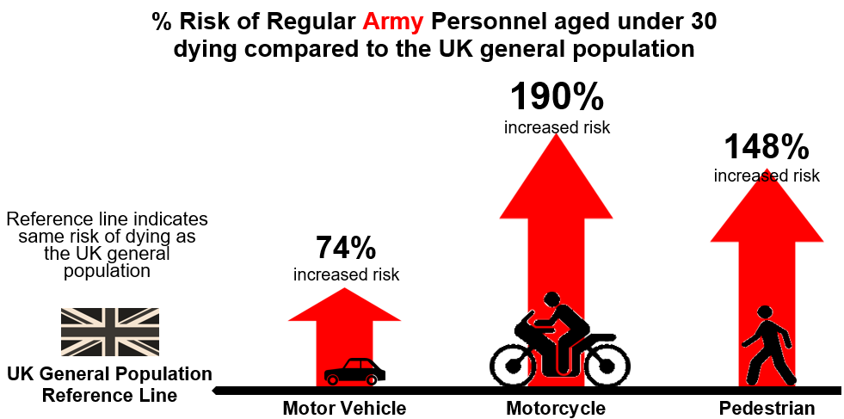

Additional Figure 1
Additional Figure 1: UK regular armed forces LTA deaths by service [note 3], three-year moving average Standardised Mortality Ratio [note 12] [note 13] [note 19] [note 21]
This worksheet contains one image of Additional Figure 1, a text description of that figure, and a table below containing underlying data for the figure. Notes can be found in the notes tab.
Acronyms used: SMR = Standardised Mortality Ratio
The time period covered by the table is 1 January 1984 to 31 December 2021
Back to Contents
 | Tri-Service | Naval Service | Army | RAF
1985 | 164.39072673 | 126.41018858 | 161.12961346 | 200.90579481
1986 | 159.89288733 | 97.561698412 | 174.23132487 | 179.78406936
1987 | 140.55836719 | 98.191083868 | 164.36063589 | 125.45170295
1988 | 166.96860714 | 101.3055178 | 211.91541055 | 126.77892647
1989 | 168.48840574 | 110.54110528 | 207.47350643 | 133.88804921
1990 | 183.37277281 | 120.38757971 | 243.05195466 | 111.51591676
1991 | 177.16975413 | 139.17205036 | 227.47042034 | 105.70029521
1992 | 194.085164 | 192.31751449 | 236.15753161 | 111.38573095
1993 | 203.37367349 | 193.37748343 | 240.64701325 | 137.03975379
1994 | 208.43278164 | 174.26995454 | 247.6632114 | 156.9068746
1995 | 187.95074788 | 128.44634254 | 234.40796011 | 139.95975788
1996 | 186.67212598 | 141.56081357 | 228.06846073 | 129.32569723
1997 | 204.53321706 | 133.85171906 | 246.96839815 | 162.89498047
1998 | 207.09933632 | 145.15880265 | 250.92950864 | 151.23930776
1999 | 199.69306676 | 130.09632015 | 232.96875417 | 177.02688709
2000 | 171.11756126 | 163.89492752 | 192.23167342 | 124.44727055
2001 | 192.67506206 | 147.16219702 | 215.79564573 | 172.20263182
2002 | 192.53138944 | 169.48214671 | 207.64209711 | 173.07426813
2003 | 211.05288441 | 164.29776581 | 237.14573875 | 183.05826602
2004 | 205.77680868 | 178.21514712 | 233.15992516 | 156.63174091
2005 | 225.49574978 | 183.08557919 | 261.1393625 | 166.38418035
2006 | 223.95821396 | 165.54052662 | 263.3423419 | 165.30333047
2007 | 197.06716923 | 184.41026301 | 223.59901207 | 129.02932003
2008 | 169.04820146 | 136.55794115 | 192.81655874 | 127.86744381
2009 | 176.61914477 | 127.64513037 | 206.28040642 | 134.93869114
2010 | 197.96224108 | 86.494889562 | 253.44444779 | 140.40616304
2011 | 197.24838105 | 101.43077518 | 263.50396407 | 89.948585458
2012 | 172.84486707 | 85.730916256 | 233.01751727 | 73.174852204
2013 | 178.85303835 | 55.890989678 | 223.97613316 | 163.28619648
2014 | 176.36559227 | 58.216433624 | 226.13204288 | 146.31326167
2015 | 164.97768067 | 55.228486738 | 217.20348161 | 123.58508317
2016 | 151.89576747 | 101.33856329 | 206.72145937 | 43.79452126
2017 | 150.9995019 | 64.083945758 | 212.43020384 | 66.203880708
2018 | 167.14541223 | 46.11007655 | 220.60726464 | 145.40859106
2019 | 145.12552539 | 27.939080403 | 155.25279896 | 239.74506135
2020 | 147.77972671 | 82.576913005 | 125.9693111 | 276.27553023
Additional Figure 1 is a series of line graphs displaying the three-year moving average SMR of each service over the period 1984-2021. For the latest three-year moving average, the services that had an SMR of over 100 were Tri-Service, Army and RAF, whilst the Royal Navy had an SMR under 100. Tri-Service and Army personnel had SMRs of over 100 for the whole period. Whilst the Royal Navy has had an SMR under 100 since 2016.
Service: | 1985 | 1986 | 1987 | 1988 | 1989 | 1990 | 1991 | 1992 | 1993 | 1994 | 1995 | 1996 | 1997 | 1998 | 1999 | 2000 | 2001 | 2002 | 2003 | 2004 | 2005 | 2006 | 2007 | 2008 | 2009 | 2010 | 2011 | 2012 | 2013 | 2014 | 2015 | 2016 | 2017 | 2018 | 2019 | 2020
Tri-Service | 164.4 | 159.9 | 140.6 | 167.0 | 168.5 | 183.4 | 177.2 | 194.1 | 203.4 | 208.4 | 188.0 | 186.7 | 204.5 | 207.1 | 199.7 | 171.1 | 192.7 | 192.5 | 211.1 | 205.8 | 225.5 | 224.0 | 197.1 | 169.0 | 176.6 | 198.0 | 197.2 | 172.8 | 178.9 | 176.4 | 165.0 | 151.9 | 151.0 | 167.1 | 145.1 | 147.8
Royal Navy | 126.4 | 97.6 | 98.2 | 101.3 | 110.5 | 120.4 | 139.2 | 192.3 | 193.4 | 174.3 | 128.4 | 141.6 | 133.9 | 145.2 | 130.1 | 163.9 | 147.2 | 169.5 | 164.3 | 178.2 | 183.1 | 165.5 | 184.4 | 136.6 | 127.6 | 86.5 | 101.4 | 85.7 | 55.9 | 58.2 | 55.2 | 101.3 | 64.1 | 46.1 | 27.9 | 82.6
Army | 161.1 | 174.2 | 164.4 | 211.9 | 207.5 | 243.1 | 227.5 | 236.2 | 240.6 | 247.7 | 234.4 | 228.1 | 247.0 | 250.9 | 233.0 | 192.2 | 215.8 | 207.6 | 237.1 | 233.2 | 261.1 | 263.3 | 223.6 | 192.8 | 206.3 | 253.4 | 263.5 | 233.0 | 224.0 | 226.1 | 217.2 | 206.7 | 212.4 | 220.6 | 155.3 | 126.0
RAF | 200.9 | 179.8 | 125.5 | 126.8 | 133.9 | 111.5 | 105.7 | 111.4 | 137.0 | 156.9 | 140.0 | 129.3 | 162.9 | 151.2 | 177.0 | 124.4 | 172.2 | 173.1 | 183.1 | 156.6 | 166.4 | 165.3 | 129.0 | 127.9 | 134.9 | 140.4 | 89.9 | 73.2 | 163.3 | 146.3 | 123.6 | 43.8 | 66.2 | 145.4 | 239.7 | 276.3

Additional Figure 2
Additional Figure 2: UK regular armed forces, UK general population LTA deaths by service [note 3] and three-year moving average [note 12], rates [note 1] [note 13]
This worksheet contains one image of Additional Figure 2, a text description of that figure, and a table below containing underlying data for the figure. Notes can be found in the notes tab.
The time period covered by the table is 1 January 1984 to 31 December 2021
Back to Contents
Additional Figure 2 is a series of line graphs displaying the three-year moving average rate of each service over the period 1984-2021. For the latest three-year moving average, all services had a rate higher than the UK general population. Tri-Service and Army personnel rates have been higher than the UK General Population for the whole period. Whilst the latest three-year moving average is the first time the Royal Navy's rate has been higher than the UK General Population since 2016. | 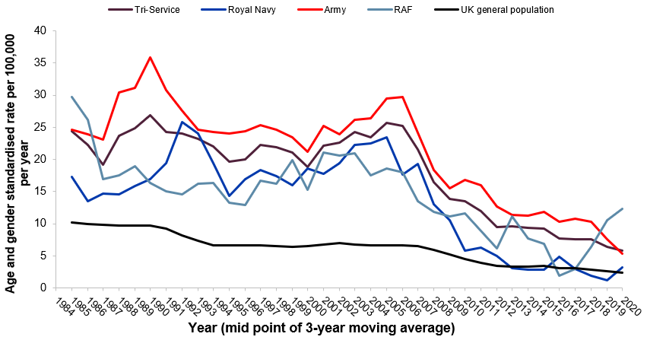
Group: | 1985 | 1986 | 1987 | 1988 | 1989 | 1990 | 1991 | 1992 | 1993 | 1994 | 1995 | 1996 | 1997 | 1998 | 1999 | 2000 | 2001 | 2002 | 2003 | 2004 | 2005 | 2006 | 2007 | 2008 | 2009 | 2010 | 2011 | 2012 | 2013 | 2014 | 2015 | 2016 | 2017 | 2018 | 2019 | 2020
Tri-Service | 24.4 | 22.3 | 19.2 | 23.7 | 24.9 | 26.9 | 24.3 | 24.0 | 23.3 | 22.0 | 19.7 | 20.0 | 22.2 | 21.9 | 21.1 | 18.9 | 22.1 | 22.7 | 24.2 | 23.4 | 25.6 | 25.2 | 21.6 | 16.5 | 13.8 | 13.5 | 11.9 | 9.4 | 9.6 | 9.3 | 9.2 | 7.7 | 7.6 | 7.6 | 6.4 | 5.9
Royal Navy [note 3] | 17.3 | 13.5 | 14.7 | 14.6 | 15.8 | 17.0 | 19.4 | 25.8 | 24.0 | 19.4 | 14.3 | 16.9 | 18.4 | 17.4 | 16.0 | 18.6 | 17.7 | 19.4 | 22.3 | 22.5 | 23.5 | 17.6 | 19.3 | 13.0 | 10.5 | 5.7 | 6.3 | 4.9 | 3.0 | 2.8 | 2.9 | 4.8 | 2.9 | 1.9 | 1.2 | 3.1
Army | 24.7 | 23.9 | 23.0 | 30.4 | 31.2 | 35.9 | 30.7 | 27.6 | 24.6 | 24.3 | 24.0 | 24.4 | 25.4 | 24.6 | 23.5 | 21.2 | 25.2 | 24.0 | 26.2 | 26.4 | 29.5 | 29.7 | 24.1 | 18.4 | 15.5 | 16.8 | 16.0 | 12.7 | 11.3 | 11.2 | 11.8 | 10.3 | 10.7 | 10.3 | 7.6 | 5.4
RAF | 29.8 | 26.1 | 16.9 | 17.5 | 19.0 | 16.3 | 15.1 | 14.6 | 16.2 | 16.4 | 13.3 | 12.9 | 16.7 | 16.2 | 19.8 | 15.3 | 21.1 | 20.6 | 20.9 | 17.5 | 18.6 | 18.1 | 13.5 | 11.9 | 11.1 | 11.6 | 8.8 | 6.2 | 11.1 | 7.6 | 6.8 | 1.9 | 3.0 | 6.4 | 10.6 | 12.3
UK General Population | 10.2 | 10.0 | 9.8 | 9.7 | 9.7 | 9.7 | 9.2 | 8.1 | 7.3 | 6.6 | 6.6 | 6.6 | 6.6 | 6.5 | 6.3 | 6.5 | 6.7 | 6.9 | 6.8 | 6.6 | 6.6 | 6.6 | 6.5 | 5.9 | 5.2 | 4.5 | 3.9 | 3.4 | 3.4 | 3.3 | 3.4 | 3.1 | 3.0 | 2.8 | 2.7 | 2.4

