Cover
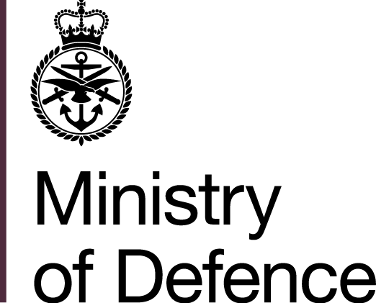
 |  | Royal Navy and Royal Marines
 |  | Sexual Harassment Survey 2021 Results

 |  |  | Published 31 March 2022

Reference Tables

Issued by: | People Insight, Intelligence and Analysis Cell
 | People & Training Directorate
 | Royal Navy

Email: | NAVYNPS-RSCHMAILBOX@mod.gov.uk

