Intro

Monthly Provisional UK Sea Fisheries Statistics November 2021

This workbook was updated 17th December 2021

Contents

Highlights - Time Series | Highlights - Live weight landings (t) and Value (£000's) by month and cumulative totals over the year.
Highlights - Time Series Data | Highlights - Breakdown of data used for time series graphs by each month in 2019, 2020 & 2021
Highlights - November | Highlights - November 2021 (compared to same month in 2019 & 2020)
Table 1 | Landings by UK vessels into all ports (Live weight (tonnes) and Value (£000's)) by vessel nationality, vessel length and species group (Summary)
Table 1a | Landings of UK vessels into UK ports (Live weight (tonnes) and Value (£000's)) by vessel nationality, vessel length and species group (Summary)
Table 1b | Landings of UK vessels into Foreign ports (Live weight (tonnes) and Value (£000's)) of UK vessels into Foreign ports by vessel nationality, vessel length and species group (Summary)
Table 2 | Landings of UK vessels into UK ports (Live weight (tonnes), Value (£000's) and Price (£/tonne)) by Species
Table 3 | Landings of UK vessels into all ports (Live weight (tonnes), Value (£000's) and Price (£/tonne)) by Species
Table 4 | Landings of foreign vessels into the UK (Live weight (tonnes), Value (£000's) and Price (£/tonne)) by species
Table 5 | Landings into UK ports by all vessels (Live weight (tonnes) and Value (£000's)) by country of landing and port
Table 6 | Landings by all UK vessels into all ports (Live weight (t) and Value (£000's)) by species group and vessel nationality
Table 7 | Landings (Live weight (t) and Value (£000's)) and number of trips of UK vessels in all ports by country and vessel length
Table 8 | Quantity of landings (t) and value landed (£000's) by UK vessels and Foreign vessels into the UK in last 3 years

Intro

This is a National Statistics publication. This notice provides an overview of the reported weight and value of landings by UK vessels into the UK and abroad, and by foreign vessels into the UK. Data are used to provide analysis and evidence to researchers and the media and to respond to ad-hoc requests from fishers, other fishing organisations and the general public. They are also used to formulate and monitor fishing policy for fisheries administrations. This data is provisional and represents the best available data the MMO holds on fishing activity by the UK fleet and into the UK. Data will be revised each month and lags will be reviewed following protocol documented here: https://www.gov.uk/guidance/fishing-activity-and-landings-data-collection-and-processing. The raw data that feeds into this publication is equivalent to the data used to produce our regular national statistics and is processed and collected as outlined above - the provisional data set published alongside this release this month contains some discrepancies in the value landed column. For November the value is £339,000 less than what is reported within this release. We are currently investigating these anomalies and will update the dataset in due course.

Highlights - Time Series
Highlights - Time Series showing landings by month and cumulative totals over the year.
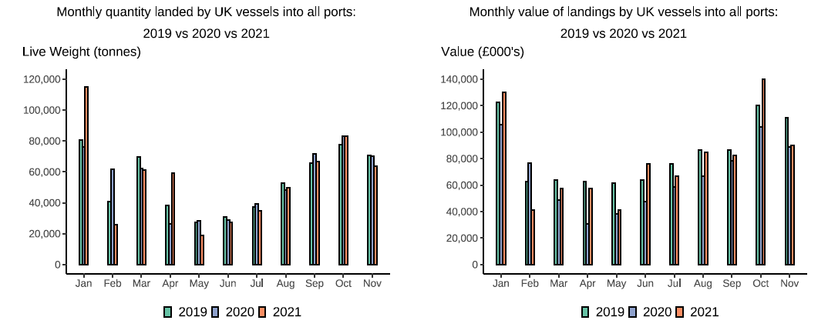

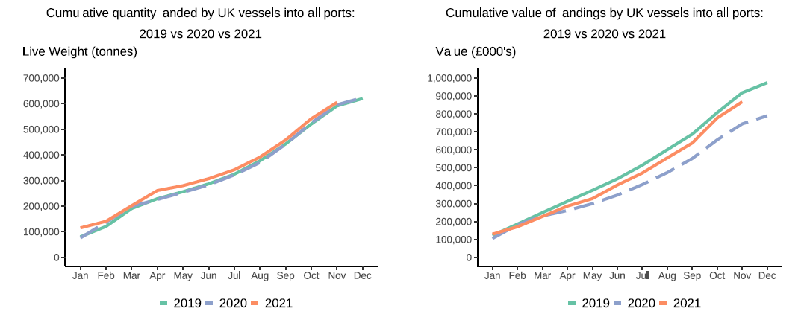

In this release, fishing activity recorded from January to November 2021 is compared to the same period in both 2019 and 2020. All quantities are reported as live weight tonnage and values are at first sale in pounds sterling (£).
2020 was an abnormal year for fishing activity due to the ongoing pandemic. In this release we therefore compare 2021 activity to 2020 and 2019, where 2019 was a relatively normal year for fishing activity.
Cumulatively for January to November 2021, the value of landings is down 6 per cent compared to 2019 but up by 17 per cent compared to 2020. While the quantity of landings is up 2 per cent when compared to both 2019 and 2020. This was driven by an continuation of high Pelagic vessel activity due to a switch in fishing behaviour to target Mackerel while the winter season for this stock is underway.
For breakdown and comparisons of value and quanity landed for individual months see Highlights - Time Series Data tab.

Highlights - November
Highlights - November 2021
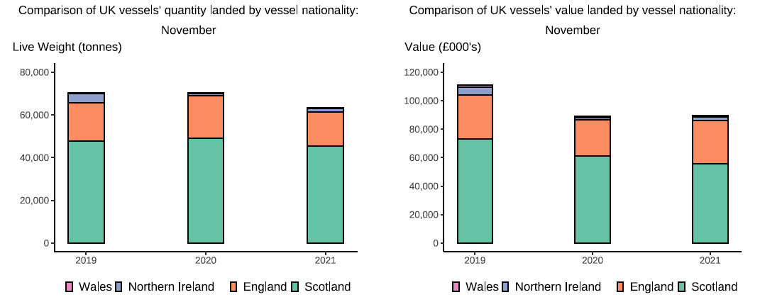

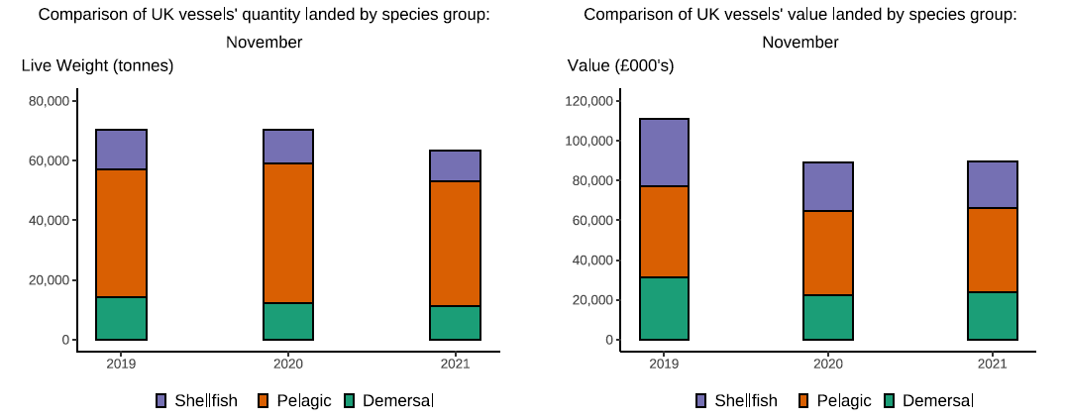

Here, fishing activity recorded in November 2021 is compared to activity in November 2019 and November 2020. All quantities are reported as live weight tonnes and values are at first sale in pounds sterling (£000's).
2020 was an abnormal year for fishing activity due to the ongoing pandemic. In this release we therefore compare 2021 activity to 2020 and 2019, where 2019 was a relatively normal year for fishing activity.
The total quantity of landings by UK vessels (tonnes) decreased in November 2021 compared to both 2019 and 2020, down 10 per cent compared to both years. However, the value of landings in November 2021 (£90m) decreased when compared to 2019 (down 19 per cent) and increased compared to 2020, up 1 per cent.
Landings of pelagic species mainly by Scottish vessels have fluctuated over the course of the year. In November 2021, landings of pelagic species (42 thousand tonnes) have decreased compared to November 2019 (down 2 per cent) (T6). Landings in November 2021 consist mainly of pelagic species (around 66 per cent of landings) which usually fetch a lower price than demersal and shellfish species (T2).This is driven by increased uptake of Mackerel – a key pelagic species – as the winter fishing season for this stock is underway with November usually being a peak month for fishing pressure and therefore landings on this species.
When compared to November 2019, the value of demersal landings by UK vessels in November 2021 is down by 24 per cent however, when compared to 2020 the value of demersal landings is up by 8 per cent. The value of shellfish landings are down 29 per cent compared to 2019 and down 2 per cent compared to 2020 landings (T6).
This month, the number of trips has again decreased overall from all UK however, English vessels have seen an increase compared to previous years on the number of trips driven by the U10m non sector of the fleet (T7).
Landings of UK vessels into foreign ports are down overall when compared to 2019 and 2020 (T1b) driven by large quantities of pelagic species being landed abroad by the Scottish sector of the UK fleet. The total quantity of landings into UK ports (by UK and foreign vessels) in November 2021 is up 6 per cent compared to 2019 and up 5 per cent compared to 2020. Value landed is also down 10 per cent compared to 2019 and up 14 per cent compared to 2020 (T5).

