Front Page
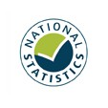

Statistics on the operation of police powers under the Terrorism Act 2000 and subsequent legislation
Year to September 2021: Quarterly Data Tables

Responsible Statistician: Jodie Hargreaves
Enquiries: HSAI_Statistics@homeoffice.gov.uk
Published: 09 December 2021
Crown copyright © 2021

Contents

