Intro

Monthly Provisional UK Sea Fisheries Statistics September 2021

This workbook was updated 29th October 2021

Contents

Highlights - Time Series | Highlights - Live weight landings (t) and Value (£000's) by month and cumulative totals over the year.
Highlights - Time Series Data | Highlights - Breakdown of data used for time series graphs by each month in 2019, 2020 & 2021
Highlights - September | Highlights - September 2021 (compared to same month in 2019 & 2020)
Table 1 | Landings by UK vessels into all ports (Live weight (tonnes) and Value (£000's)) by vessel nationality, vessel length and species group (Summary)
Table 1a | Landings of UK vessels into UK ports (Live weight (tonnes) and Value (£000's)) by vessel nationality, vessel length and species group (Summary)
Table 1b | Landings of UK vessels into Foreign ports (Live weight (tonnes) and Value (£000's)) of UK vessels into Foreign ports by vessel nationality, vessel length and species group (Summary)
Table 2 | Landings of UK vessels into UK ports (Live weight (tonnes), Value (£000's) and Price (£/tonne)) by Species
Table 3 | Landings of UK vessels into all ports (Live weight (tonnes), Value (£000's) and Price (£/tonne)) by Species
Table 4 | Landings of foreign vessels into the UK (Live weight (tonnes), Value (£000's) and Price (£/tonne)) by species
Table 5 | Landings into UK ports by all vessels (Live weight (tonnes) and Value (£000's)) by country of landing and port
Table 6 | Landings by all UK vessels into all ports (Live weight (t) and Value (£000's)) by species group and vessel nationality
Table 7 | Landings (Live weight (t) and Value (£000's)) and number of trips of UK vessels in all ports by country and vessel length
Table 8 | Quantity of landings (t) and value landed (£000's) by UK vessels and Foreign vessels into the UK in last 3 years

Intro

This is a National Statistics publication. This notice provides an overview of the reported weight and value of landings by UK vessels into the UK and abroad, and by foreign vessels into the UK. Data are used to provide analysis and evidence to researchers and the media and to respond to ad-hoc requests from fishers, other fishing organisations and the general public. They are also used to formulate and monitor fishing policy for fisheries administrations. This data is provisional and represents the best available data the MMO holds on fishing activity by the UK fleet and into the UK. Data will be revised each month and lags will be reviewed following protocol documented here: https://www.gov.uk/guidance/fishing-activity-and-landings-data-collection-and-processing. The raw data that feeds into this publication is equivalent to the data used to produce our regular national statistics and is processed and collected as outlined above.

Highlights - Time Series
Highlights - Time Series showing landings by month and cumulative totals over the year.
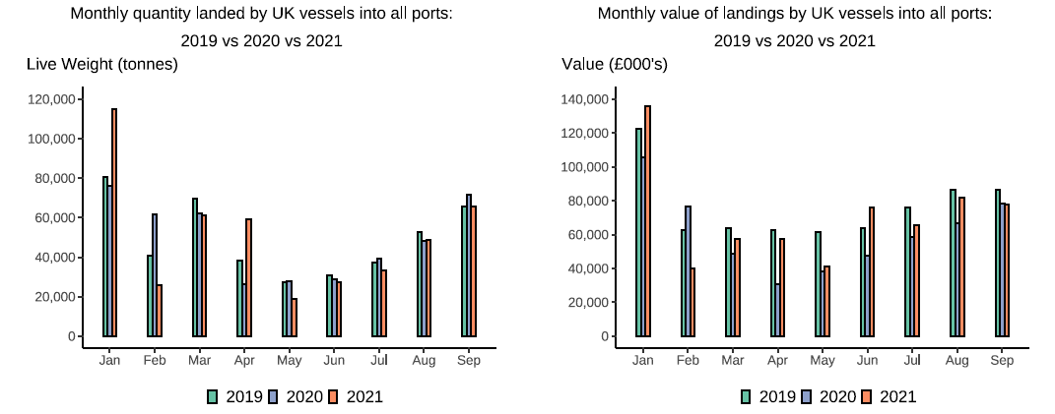

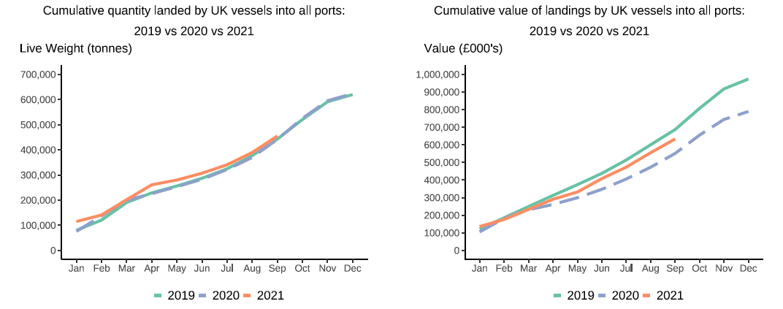

In this release, fishing activity recorded from January to September 2021 is compared to both 2019 and 2020. All quantities are reported as live weight tonnage and values are at first sale in pounds sterling (£).
2020 was an abnormal year for fishing activity due to the ongoing pandemic. In this release we therefore compare 2021 activity to 2020 and 2019, where 2019 was a relatively normal year for fishing activity.
Cumulatively for January to September 2021, the value of landings is down 8 per cent compared to 2019 but up by 15 per cent compared to 2020. While the quantity of landings is up 3 per cent compared to both 2019 and 2020. This was driven by an increase in Pelagic vessel activity in the last couple of months due to a switch in fishing behaviour to target Herring while the season for this stock is underway.
For breakdown and comparisons of value and quanity landed for individual months see Highlights - Time Series Data tab.

Highlights - September
Highlights - September 2021
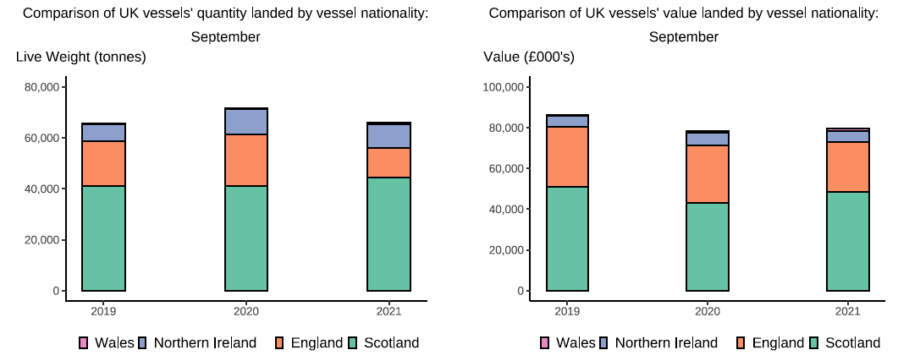

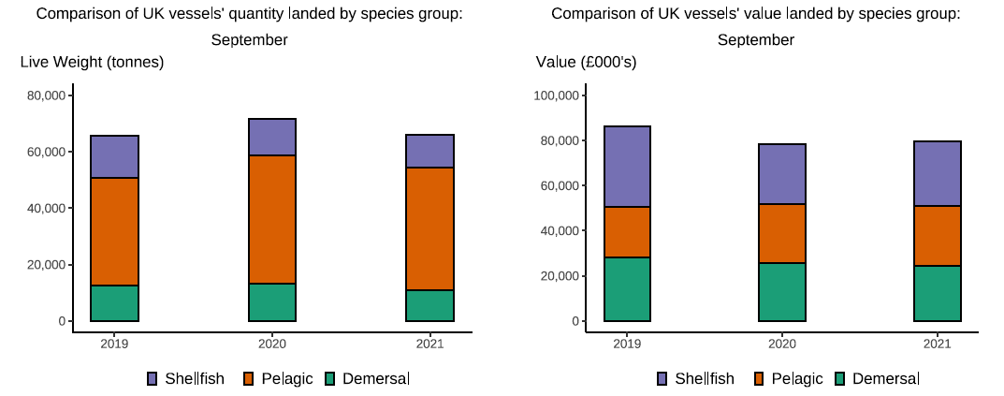

Here, fishing activity recorded in September 2021 is compared to activity in September 2019 and September 2020. All quantities are reported as live weight tonnes and values are at first sale in pounds sterling (£000's).
2020 was an abnormal year for fishing activity due to the ongoing pandemic. In this release we therefore compare 2021 activity to 2020 and 2019, where 2019 was a relatively normal year for fishing activity.
The total quantity of landings by UK vessels (tonnes) decreased in September 2021 compared to 2019, down (<1 per cent) and down 9 per cent compared to 2020. The value of landings in September 2021 (£78m) decreased when compared to both 2019 and 2020, down 10 per cent and 1 per cent respectively.
Landings of pelagic species mainly by Scottish vessels have fluctuated over the first two quarters of the year. In September 2021, landings of pelagic species (44 thousand tonnes) have increased compared to September 2019 (up 14 per cent) (T6). Landings in September 2021 consist mainly of pelagic species (around 67 per cent of landings) which usually fetch a lower price than demersal and shellfish species (T2).This is driven by increased uptake of herring – a key pelagic species – as the fishing season for this stock continues.
When compared to September 2019, the value of demersal landings by UK vessels in September 2021 is down by 14 per cent however, when compared to 2020 the value of demersal landings is also down by 19 per cent. The value of shellfish landings are down 23 per cent compared to 2019 but up 6 per cent compared to September 2020 landings (T6).
This month, the number of trips has decreased from all UK nations with Northern Irish vessels having the largest decrease in the number of trips, down 31 per cent compared to September 2019 (T7).
Landings of UK vessels into foreign ports are down overall when compared to 2019 and 2020(T1b). The total quantity of landings into UK ports (by UK and foreign vessels) in September 2021 is down 5 per cent compared to both 2019 and 2020. Value landed is down 13 per cent compared to 2019 and down 5 per cent compared to 2020 (T5).

