Cover_sheet

Green Homes Grant Vouchers (GHGV) Statistics

This spreadsheet contains a selection of data tables to provide an overview of the progression of the GHGV scheme.
The GHGV scheme launched in September 2020 and closed on 31st March 2021 to enable householders and landlords to apply for grants for the installation of domestic energy efficiency measures. More information on the scheme can be found in the About this release sheet.
Publication dates
The data tables in this spreadsheet were published at 09:30am Thursday 21 October 2021.
The next publication will be at 09:30am on Thursday 18 November 2021.
Data Coverage
Data covered in this release is for all applications to the end of March 2021.
Data covered in this release is covers all processing of applications and vouchers to 7th October 2021.
Data covered in this release is for England only, as the scheme only operated in England.
Methodology
Key terminology used in this statistical release are defined in the Glossary sheet.
Information on the methods used in the analysis for this release are available in the About this release sheet.
Notes on any significant revisions and/or changes to the analysis method are also available in the About this release sheet.
Units, notes and no data
Some cells in the tables refer to notes which can be found beneath the tables on each worksheet. Note markers are presented in square brackets, for example: [n1]. Some cells have no data, when this is the case cell is left blank. An explanation of why there is no data is given at the top of the worksheet. Some column headings give units, when this is the case the units are presented in round brackets to differentiate them from note markers.
Other GHGV publications (opens in a new window)
Contact Details
EnergyEfficiency.Stats@beis.gov.uk
Press Enquiries to the Press Officer: 020 7215 5975
Statistical Enquiries: 020 7215 1259

This workbook was updated on: | 21-Oct-21
The next update for these statistics is: | 18-Nov-21

Charts
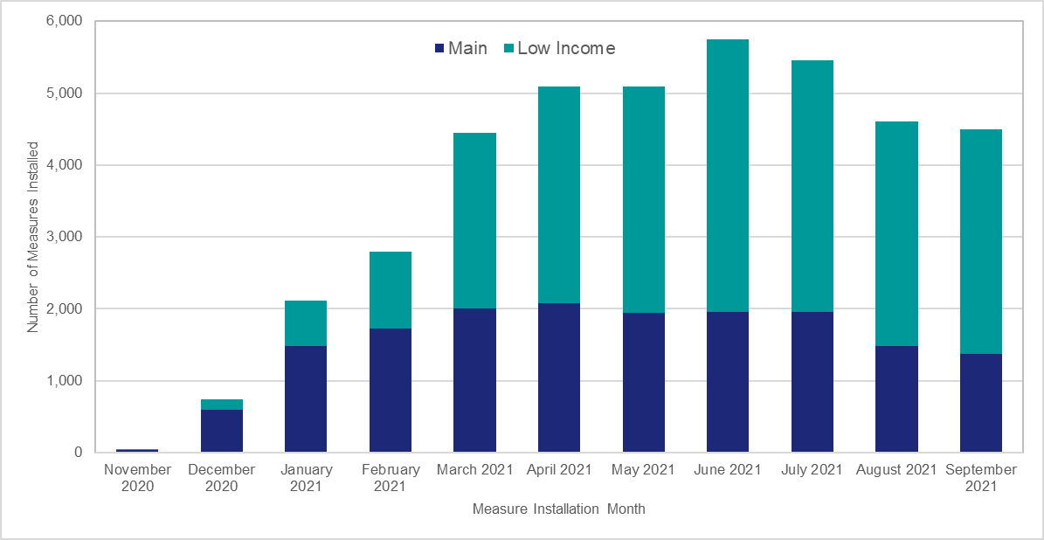
Charts visualising key statistics
This worksheet contains nine charts. The charts visualise some of the key statistics within the release.
This worksheet contains blank rows and columns to aid the presentation of the charts.
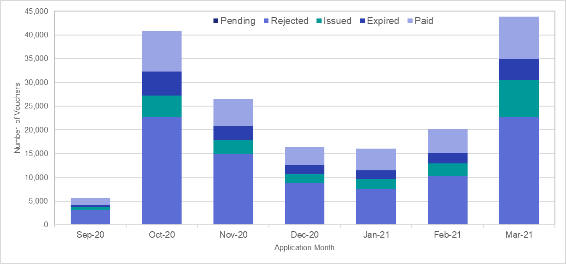
Chart 1: Household Application Processing by Application Month | Chart 2: Voucher Application Processing by Application Month
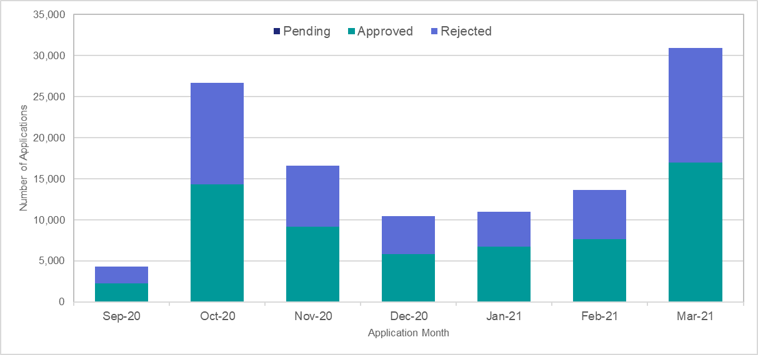

Chart 3: Number of Measures Installed by Measure Type | Chart 4: Proportion of Measures Installed by English Region
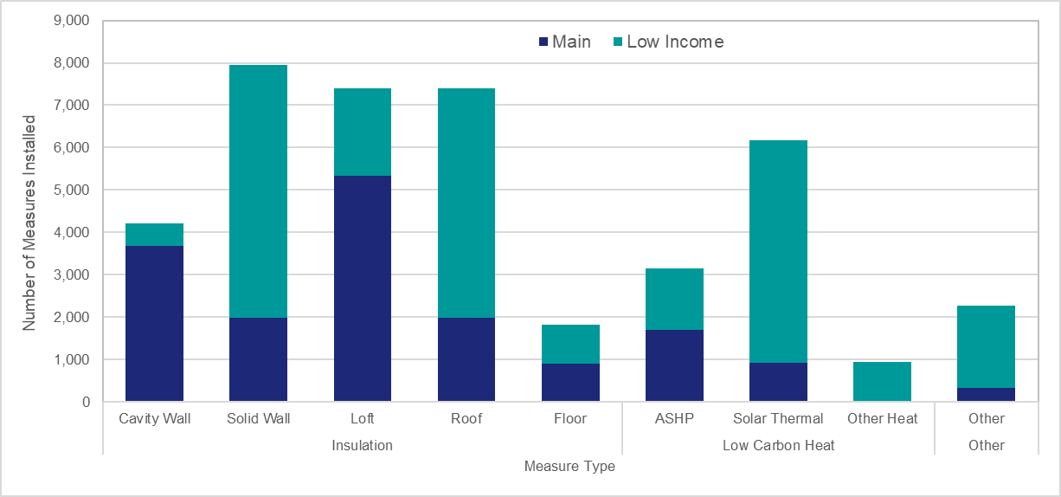
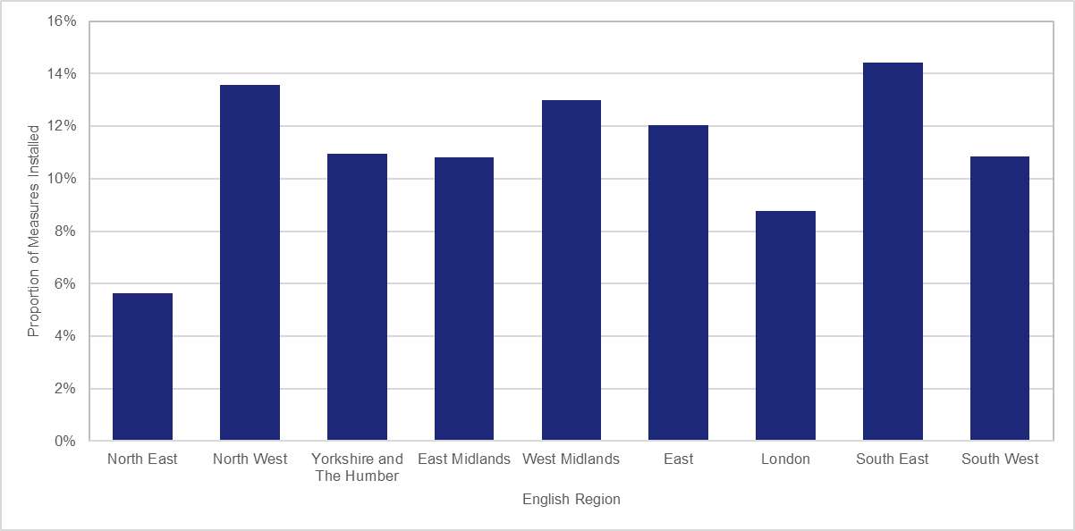

Chart 5: Number of Net Vouchers Applied for and Net Vouchers Issued by Measure Group | Chart 6: Number of Net Vouchers Applied for and Net Vouchers Issued per 1,000 Households by Region
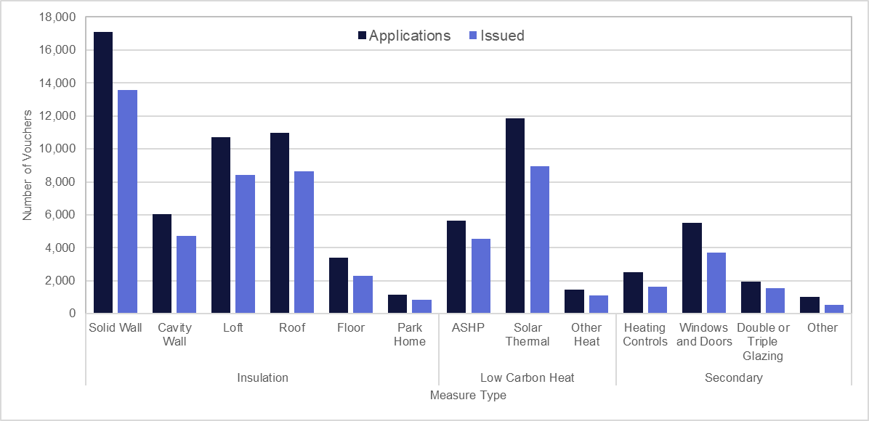
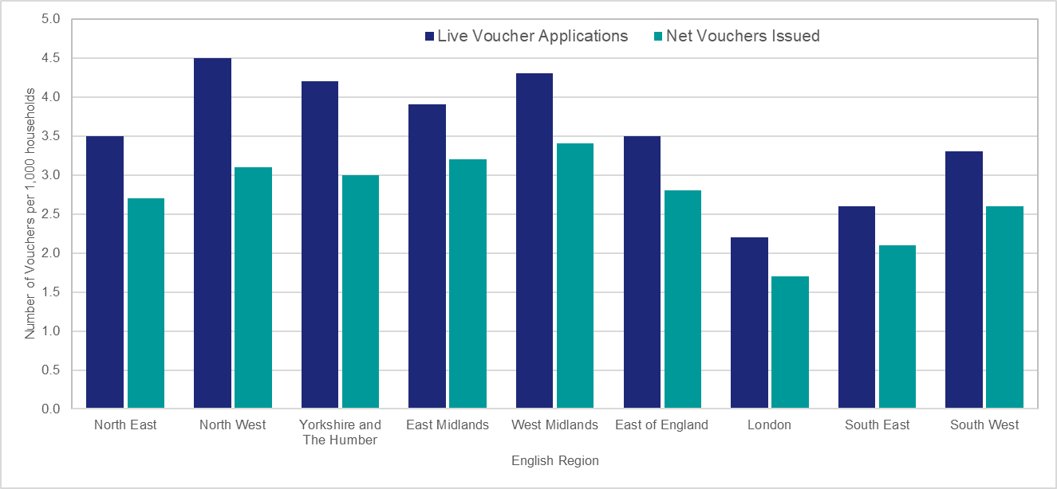

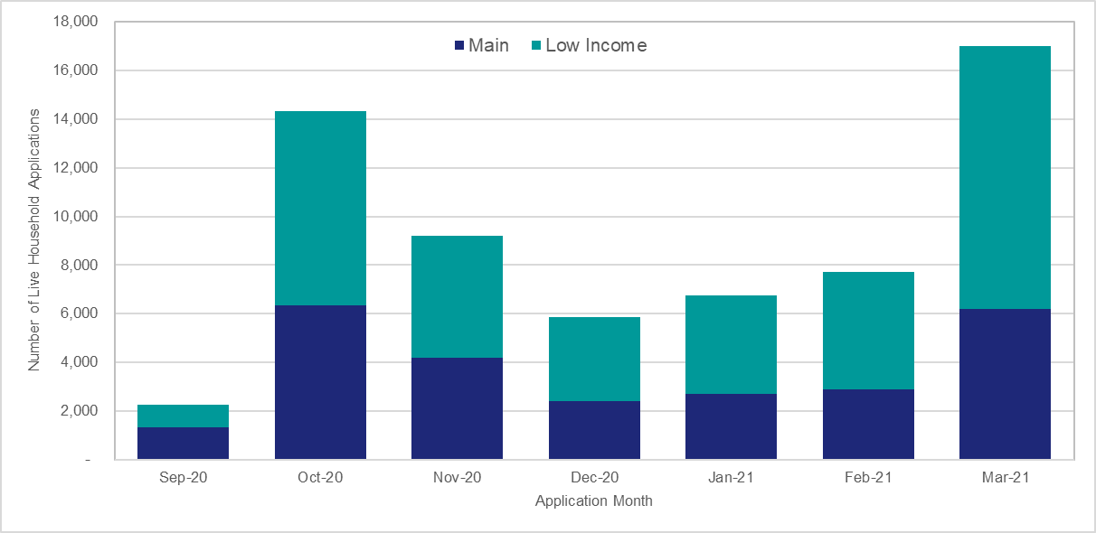
Chart 7: Proportion of Household Applications by Status | Chart 8: Net Household Applications by Application Month and scheme type
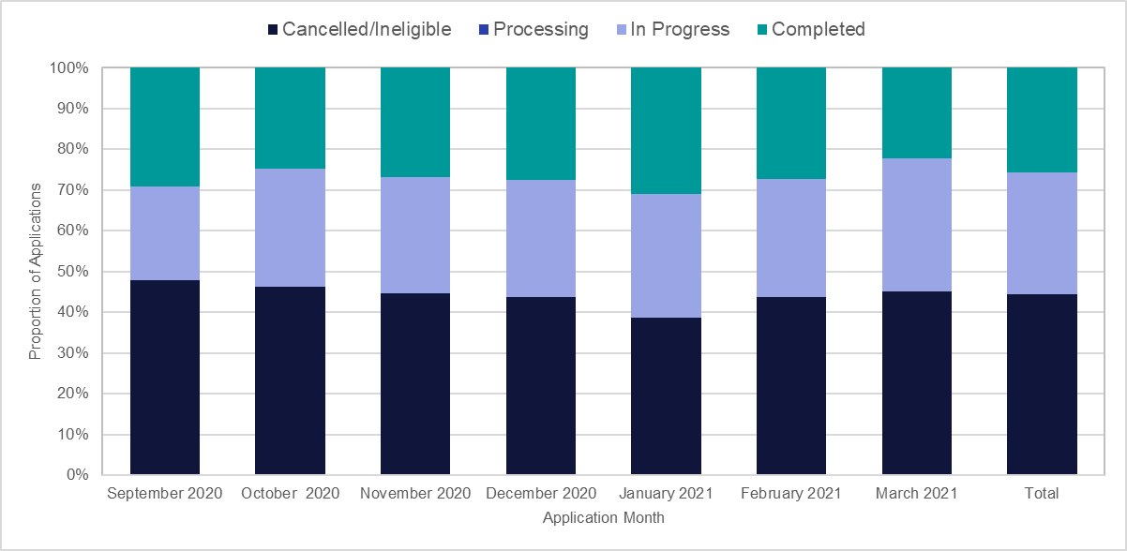

Chart 9: Number of Measures Installed by Month and Scheme Type

