Intro

Monthly Provisional UK Sea Fisheries Statistics July 2021

This workbook was updated 26th August 2021

Contents

Highlights - Time Series | Highlights - Live weight landings (t) and Value (£000's) by month and cumulative totals over the year.
Highlights - Time Series Data | Highlights - Breakdown of data used for time series graphs by each month in 2019, 2020 & 2021
Highlights - June | Highlights - July 2021 (compared to same month in 2019 & 2020)
Table 1 | Landings by UK vessels into all ports (Live weight (tonnes) and Value (£000's)) by vessel nationality, vessel length and species group (Summary)
Table 1a | Landings of UK vessels into UK ports (Live weight (tonnes) and Value (£000's)) by vessel nationality, vessel length and species group (Summary)
Table 1b | Landings of UK vessels into Foreign ports (Live weight (tonnes) and Value (£000's)) of UK vessels into Foreign ports by vessel nationality, vessel length and species group (Summary)
Table 2 | Landings of UK vessels into UK ports (Live weight (tonnes), Value (£000's) and Price (£/tonne)) by Species
Table 3 | Landings of UK vessels into all ports (Live weight (tonnes), Value (£000's) and Price (£/tonne)) by Species
Table 4 | Landings of foreign vessels into the UK (Live weight (tonnes), Value (£000's) and Price (£/tonne)) by species
Table 5 | Landings into UK ports by all vessels (Live weight (tonnes) and Value (£000's)) by country of landing and port
Table 6 | Landings by all UK vessels into all ports (Live weight (t) and Value (£000's)) by species group and vessel nationality
Table 7 | Landings (Live weight (t) and Value (£000's)) of UK vessels in all ports by country and vessel length
Table 8 | Quantity of landings (t) and value landed (£000's) by UK vessels and Foreign vessels into the UK in last 3 years

Intro

This is a National Statistics publication. This notice provides an overview of the reported weight and value of landings by UK vessels into the UK and abroad, and by foreign vessels into the UK. Data are used to provide analysis and evidence to researchers and the media and to respond to ad-hoc requests from fishers, other fishing organisations and the general public. They are also used to formulate and monitor fishing policy for fisheries administrations. This data is provisional and represents the best available data the MMO holds on fishing activity by the UK fleet and into the UK. Data will be revised each month and lags will be reviewed following protocol documented here: https://www.gov.uk/guidance/fishing-activity-and-landings-data-collection-and-processing. The raw data that feeds into this publication is equivalent to the data used to produce our regular national statistics and is processed and collected as outlined above.

Highlights - Time Series
Highlights - Time Series showing landings by month and cumulative totals over the year.
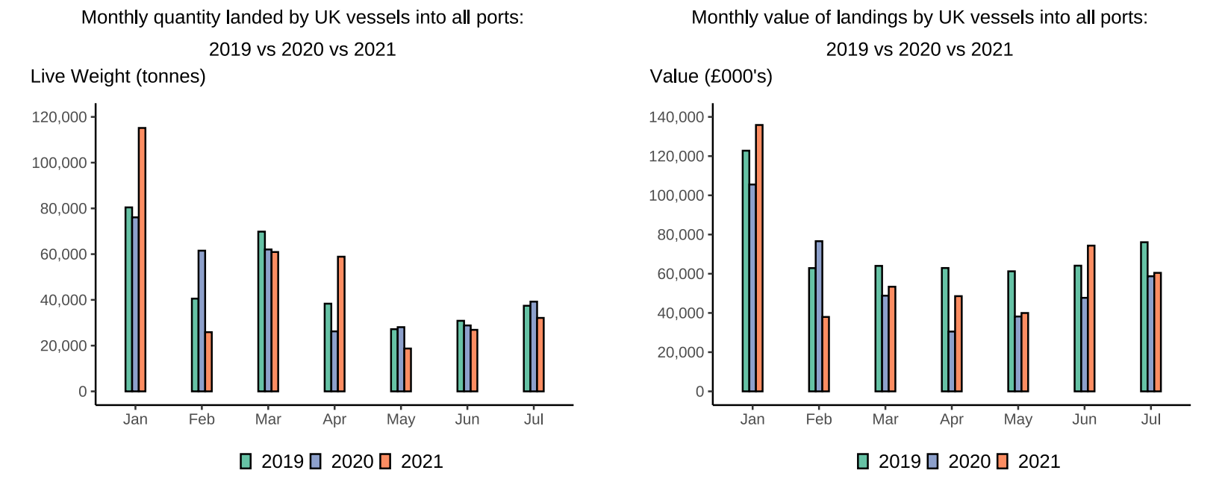

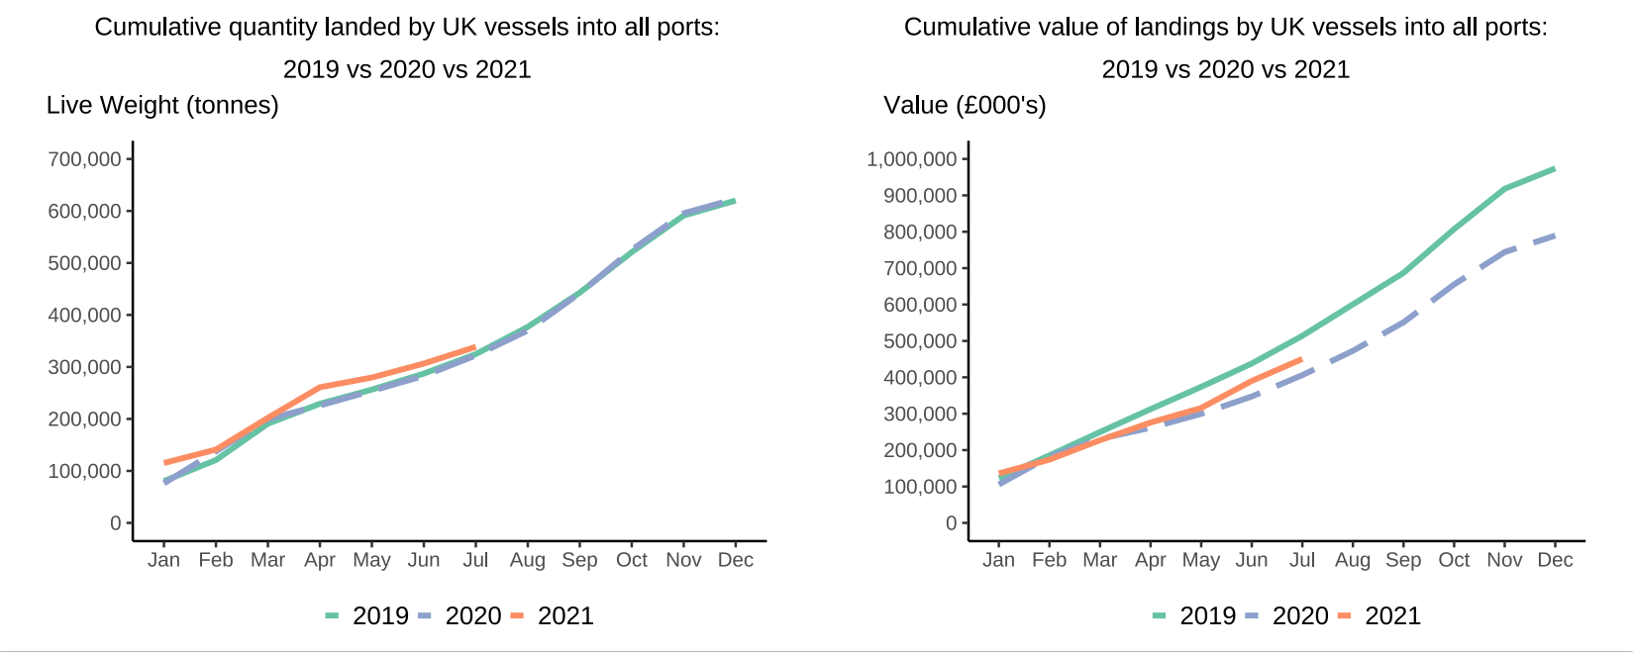

In this release, fishing activity recorded from January to July 2021 is compared to both 2019 and 2020. All quantities are reported as live weight tonnage and values are at first sale in pounds sterling (£).
2020 was an abnormal year for fishing activity due to the ongoing pandemic. In this release we therefore compare 2021 activity to 2020 and 2019, where 2019 was a relatively normal year for sea fisheries.
In 2021, the quantity of landings in July decreased compared to 2019 (-14%) and 2020 (-18%). The value landed decreased 21 per cent compared to July 2019 but increased slightly by 3 per cent from 2020. The cumulative quantity landed was higher in 2021 than in 2019 and 2020 for the first months of this year. However, quantity landed now appears to be returning to slightly lower levels seen in 2020 and 2019. The cumulative value of landings is increasing faster than in 2020 but has yet to reach 2019 levels. The cumulative value of landings is 11 per cent higher that July in 2020 but 12 per cent less than in 2019.
For breakdown and comparisons of value and quanity landed for individual months see Highlights - Time Series Data tab.

Highlights - July
Highlights - July 2021

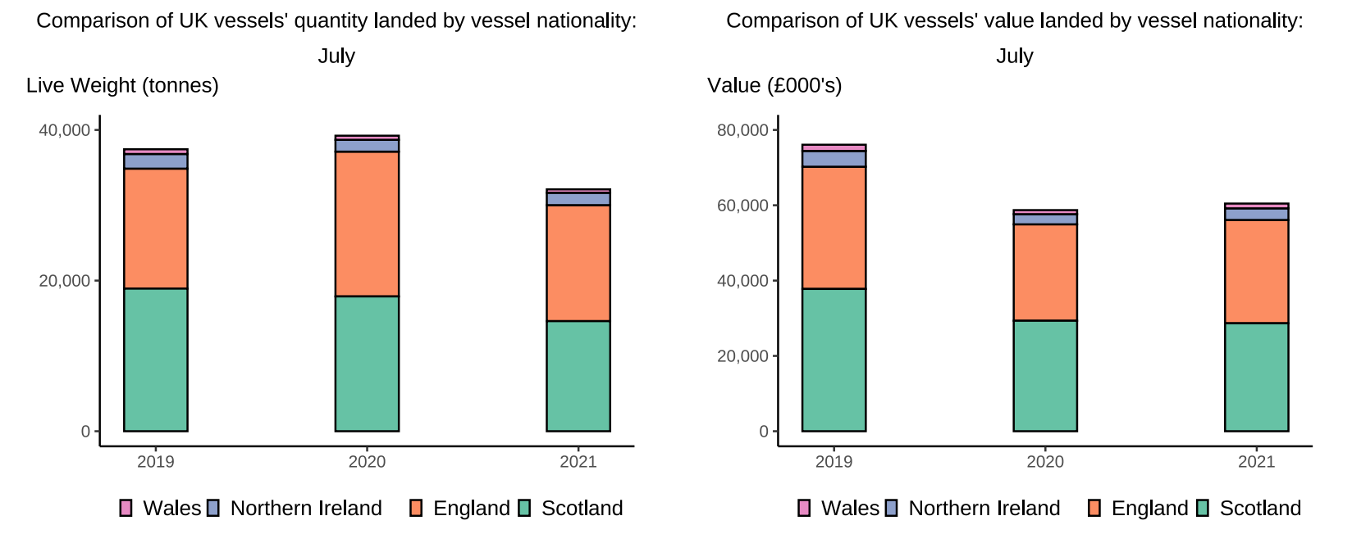

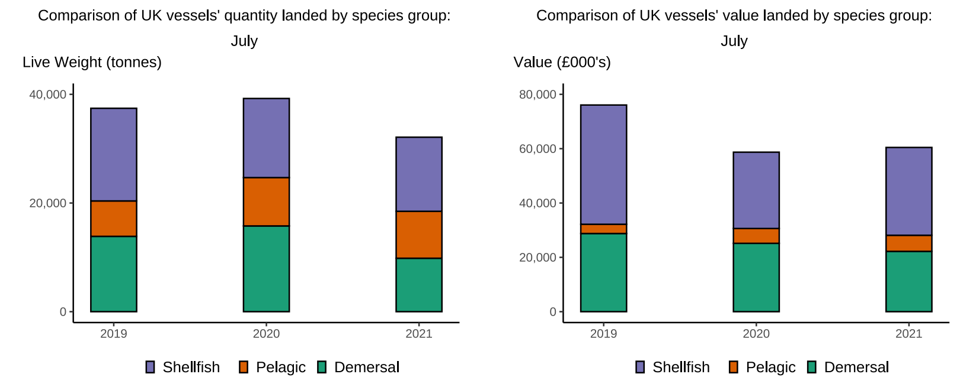

Here, fishing activity recorded in July 2021 is compared to activity in July 2019 and July 2020. All quantities are reported as live weight tonnes and values are at first sale in pounds sterling (£000's).
2020 was an abnormal year for fishing activity due to the ongoing pandemic. In this release we therefore compare 2021 activity to 2020 and 2019, where 2019 was a relatively normal year for fishing activity.
The total quantity of landings by UK vessels dropped in July 2021 in comparison to July 2020 and 2019. This was mainly due to a decrease in the quantity of landings in Scotland. In Scottland there was a 23 per cent decrease in landings quantity compared to July 2019 and 18 per cent decrease compared to July 2020. Fewer tonnes of demersal, pelagic, and shellfish species were caught in Scotland in comparison to 2019 and 2020. Landings were down in Wales and England too. Northern Irish landings were generally down but there was a 5 per cent increase in landed weight in comparison to July 2020.
The value of landings in July increased in comparison to 2020 but decreased in comparison to 2019. This is partially due to the value of Scottish landings remaining relatively stable compared to 2020 (-2%) but decreasing in comparison to 2019 (24%). Scottish landings were £9 million lower in 2021 than in 2019. English landings show a similar pattern. £1 million more was landed into England in July 2021 than in July 2020 but £5 million less was landed in July 2021 than in July 2019.
Shellfish landings in July of 2021 were 26 per cent lower in value and 20 per cent lower in quantity in comparison to 2019. The value of shellfish landings has increased 15 per cent compared to July 2020.
While pelagic landings remain low in comparison to demersal and shellfish landings due to the seasonality of pelagic species, July 2021 had a higher value of pelagic landings than 2019 and 2020. In comparison to 2019, 75 per cent more value was landed of pelagic species this year. However, due to the low number of total pelagic landings in the summer months, this amounted to £2.5 million extra value only.
UK vessels landed 40 per cent more fish into foreign ports in July in terms of quantity than 2019 but received 19 per cent less value for these landings. UK vessels landed a similar quantity (3%) and value (-8%) this July as compared to July 2020.

