Fig 4.1
Figure 4.1: Trickle ventilation in all rooms, by dwelling age, 2019 | Underlying Data for Figure 4.1: Trickle ventilation in all rooms, by dwelling age, 2019

 |  | percentages
 | pre 1919 | 3.2
 | 1919 to 1944 | 9.0
 | 1945 to 1964 | 13.1
 | 1965 to 1980 | 7.7
 | 1981 to 1990 | 10.1
 | post 1990 | 17.8

Base: all dwellings
Notes:
1) 'all rooms' refers to all surveyed rooms (living room, kitchen, main bedroom, bathroom and circulation space)
2) dwellings with no windows in the circulation space are not included in the figures
3) underlying data are presented in Annex Table 4.1
Source: English Housing Survey, dwelling sample

Fig 4.2
Figure 4.2: Presence of damp, by region, 2019 | Underlying data for Figure 4.2: Presence of damp, by region, 2019
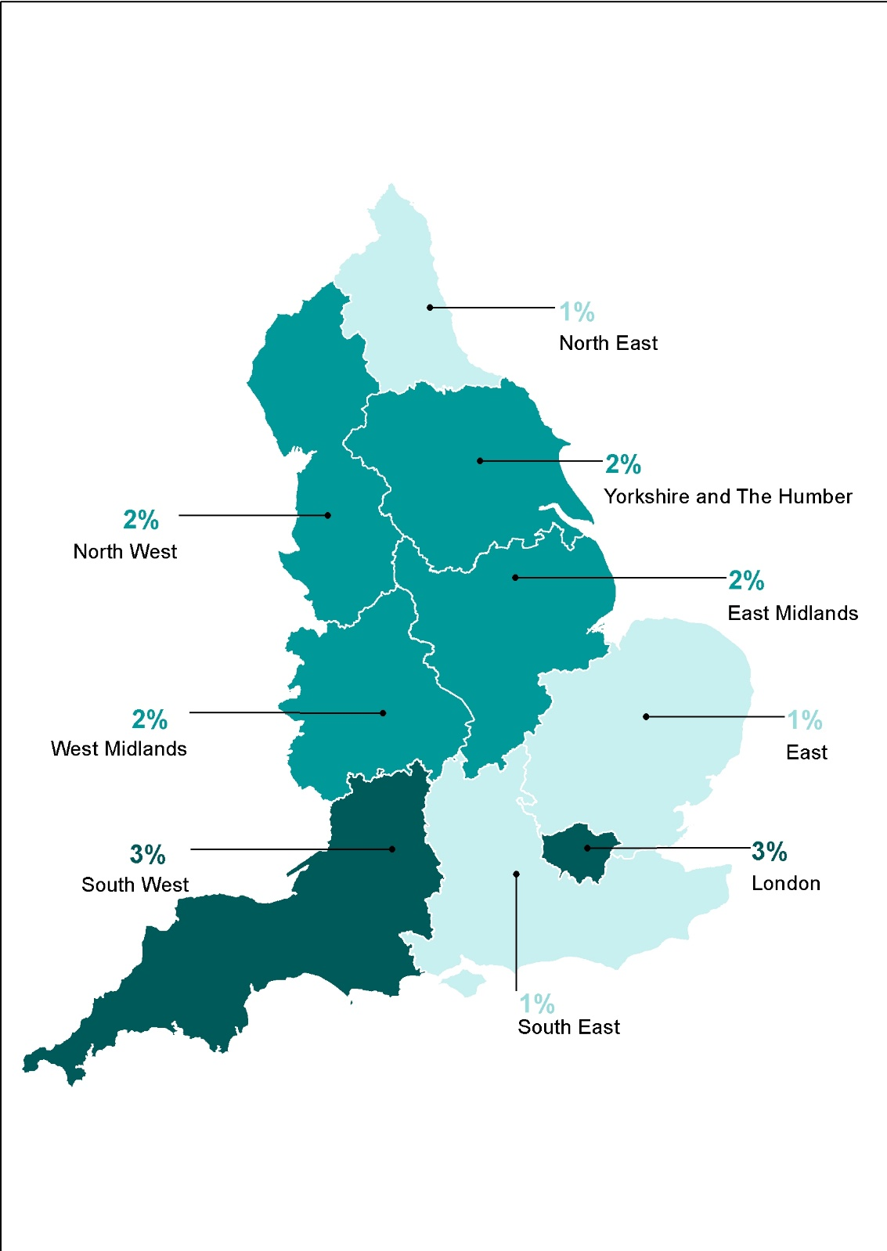
 |  | percentages
 | North East | 0.9
 | North West | 1.6
 | Yorkshire and the Humber | 2.0
 | East Midlands | 1.8
 | West Midlands | 1.7
 | East | 1.5
 | London | 2.8
 | South East | 1.2
 | South West | 2.9

Base: all dwellings
Note: underlying data are presented in Annex Table 4.2
Source: English Housing Survey, dwelling sample

Fig 4.3
Figure 4.3: Measures taken to deal with damp problems, by overcrowding, 2019-20 | Underlying data for Figure 4.3: Measures taken to deal with damp problems, by overcrowding, 2019-20

 |  | open windows | extractor fans | trickle vents
 |  |  |  | percentages
 | overcrowded | 93.8 | 33.4 | 15.0
 | at bedroom standard | 82.3 | 37.6 | 14.9
 | under-occupied | 77.3 | 33.0 | 15.9

Base: all households who reported having a damp problem
Notes:
1) analysis excludes 'don't know' responses"
2) underlying data are presented in Annex Table 4.5
Source: English Housing Survey, full household sample

Fig 4.4
Figure 4.4: Presence of household cooling devices, 2019-20 | Underlying Data for Figure 4.4: Presence of household cooling devices, 2019-20

 |  | percentages
 | unroll the awning or canopy | 1.3
 | switch on the air conditioner | 2.0
 | none of these | 2.3
 | close the shutters | 5.3
 | close the blinds | 28.9
 | close the curtains | 42.2
 | switch on the fan | 45.4
 | open the windows | 92.6

Base: all households
Notes:
1) percentages are within each group. For example, 93% of households mentioned opening their windows while the remaining 7% did not mention it.

2) analysis excludes 'no answer' responses
3) underlying data are presented in Annex Table 4.6
Source: English Housing Survey, full household sample

Fig 4.5
Figure 4.5: Households' ability to keep cool at night by opening a window, 2019-20 | Underlying Data for Figure 4.5: Households' ability to keep cool at night by opening a window, 2019-20

 |  | percentages
 | always | 45.6
 | often | 24.8
 | sometimes | 20.3
 | never | 9.2

Base: all households who mentioned opening their window to keep cool during the summer months
Notes:
1) analysis excludes 'don't know' responses
2) underlying data are presented in Annex Table 4.8
Source: English Housing Survey, full household sample

