Fig 1.1
Figure 1.1: Energy efficiency rating bands, 2009 and 2019 | Underlying data for Figure 1.1: Energy efficiency rating bands, 2009 and 2019

 |  | 2009 | 2019
 |  |  | percentages
 | A/B/C | 11.6 | 40.4
 | D | 44.3 | 46.9
 | E | 31.9 | 9.6
 | F/G | 12.2 | 3.2

Base: all dwellings
Note: underlying data are presented in Annex Table 1.2
Source: English Housing Survey, dwelling sample

Fig 1.2
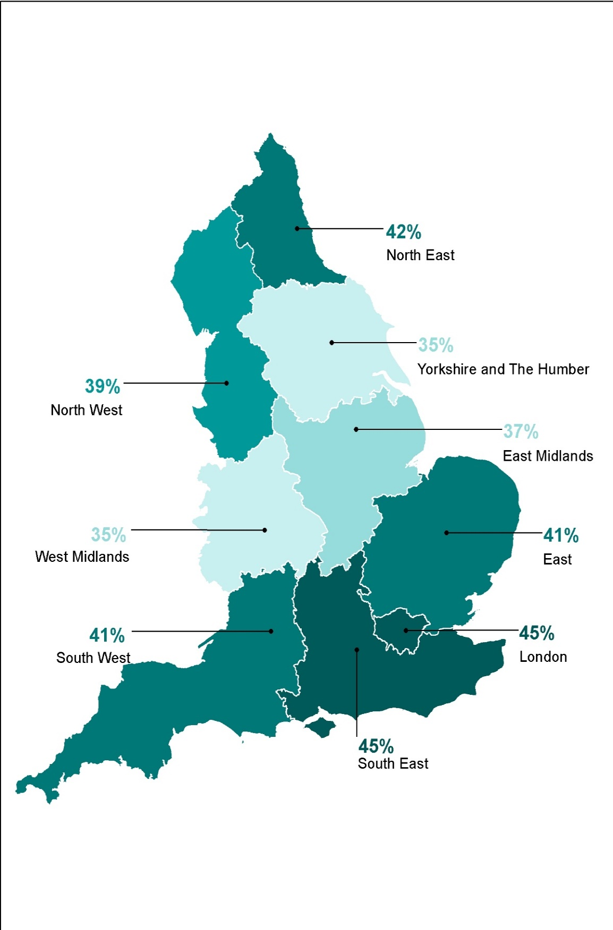
Figure 1.2: Proportion of A to C rated dwellings, by region, 2019 | Underlying data for Figure 1.2: Proportion of A to C rated dwellings, by region, 2019

 |  | percentages
 | North East | 41.9
 | North West | 39.0
 | Yorkshire and the Humber | 34.7
 | East Midlands | 36.7
 | West Midlands | 35.4
 | East | 40.7
 | London | 44.8
 | South East | 45.1
 | South West | 40.8

Base: all dwellings
Note: underlying data are presented in Annex Table 1.4
Source: English Housing Survey, dwelling sample

Fig 1.3
Figure 1.3: Hot water heating systems, 2019 | Underlying Data for Figure 1.3: Hot water heating systems, 2019

 |  | percentages
 | dedicated boiler | 0.2
 | instantaneous | 0.9
 | cylinder with immersion heater | 7.0
 | from central heating with hot water cylinder | 32.5
 | from central heating (no hot water cylinder) | 59.4

Base: all dwellings
Note: underlying data are presented in Annex Table 1.9
Source: English Housing Survey, dwelling sample

Fig 1.4
Figure 1.4: Wall construction, by tenure, 2019 | Underlying Data for Figure 1.4: Wall construction, by tenure, 2019
 |  | owner occupied | private rented | local authority | housing association

 |  |  |  |  | percentages
 | cavity with insulation | 49.3 | 31.3 | 50.1 | 59.9
 | cavity uninsulated | 20.8 | 25.0 | 24.0 | 20.2
 | solid with insulation | 2.4 | 3.2 | 6.8 | 4.6
 | solid uninsulated | 25.6 | 38.0 | 18.6 | 11.6
 | other | 1.8 | 2.6 | 0.6 | 3.7

Base: all dwellings
Note: underlying data are presented in Annex Table 1.12
Source: English Housing Survey, dwelling sample

