Title


 |  |  | Green Homes Grant Vouchers (GHGV)
 |  |  | Statistics

Please direct all press enquiries to Press Officer 020 7215 5975

Responsible Statistician |  | Responsible Statistician
Helene Clark |  | Billy Cole
EnergyEfficiency.Stats@beis.gov.uk |  | EnergyEfficiency.Stats@beis.gov.uk
020 7215 1259 |  | 020 7215 1927

This workbook was updated on: | 24-Jun-21
The next update for these statistics is: | 22-Jul-21

Data covered in this release is for all applications to the end of March 2021.
Data covered in this release is for all processing of applications and vouchers to 3rd June 2021.

Charts
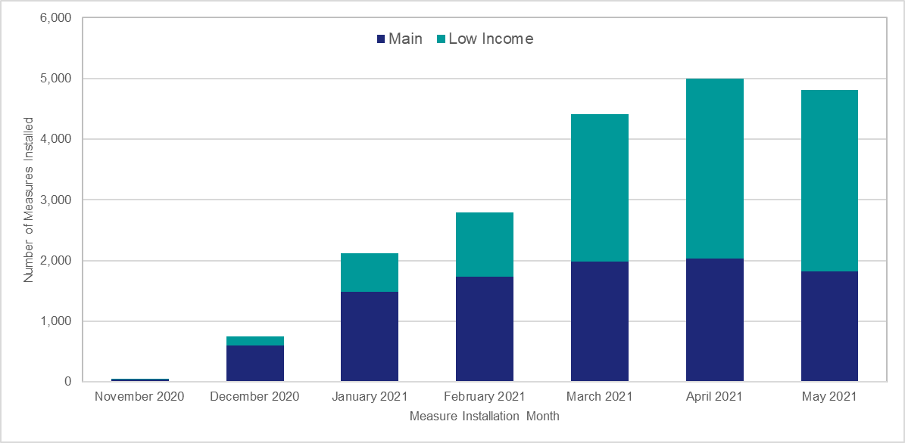
Chart 1: Household Application Processing by Application Month | Chart 2: Voucher Application Processing by Application Month

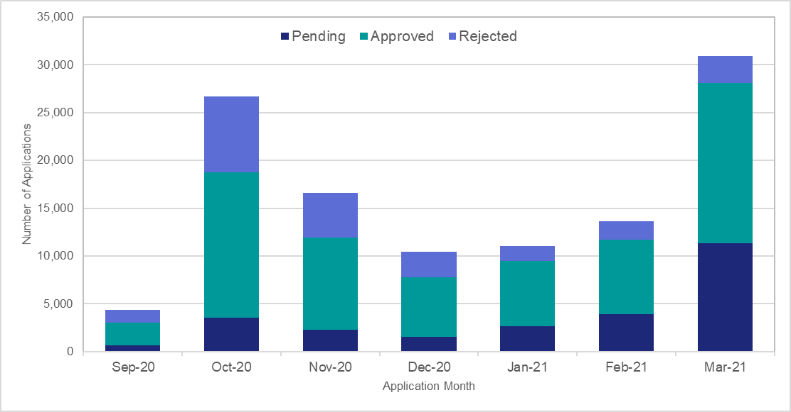
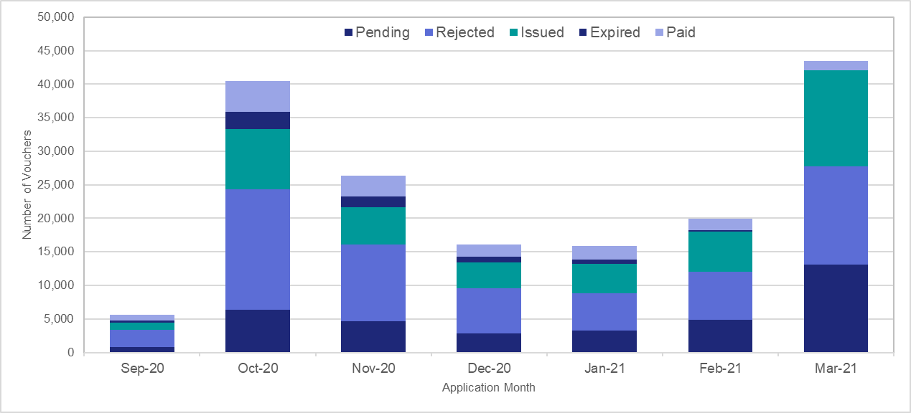

Chart 3: Number of Measures Installed by Measure Type | Chart 4: Proportion of Measures Installed by English Region
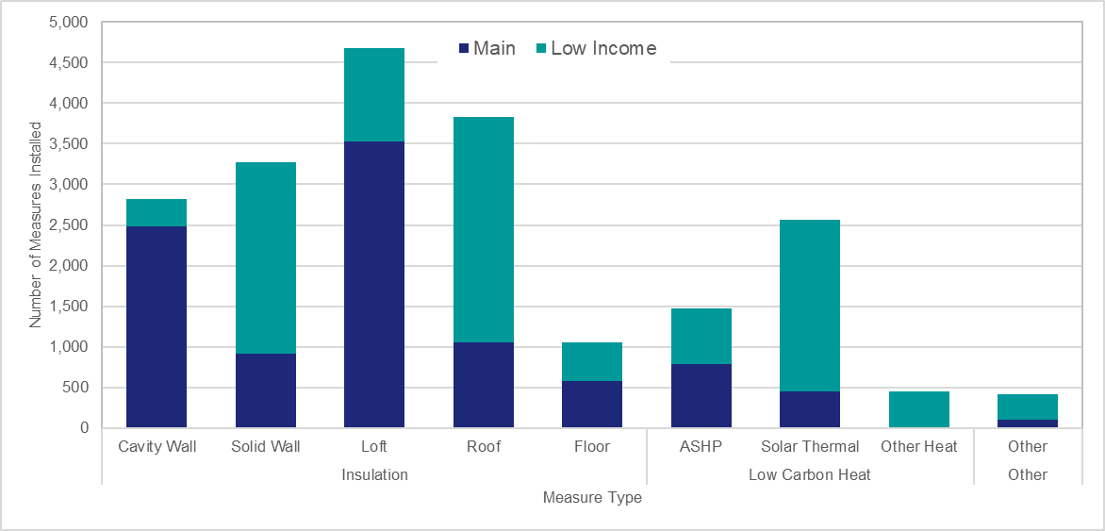
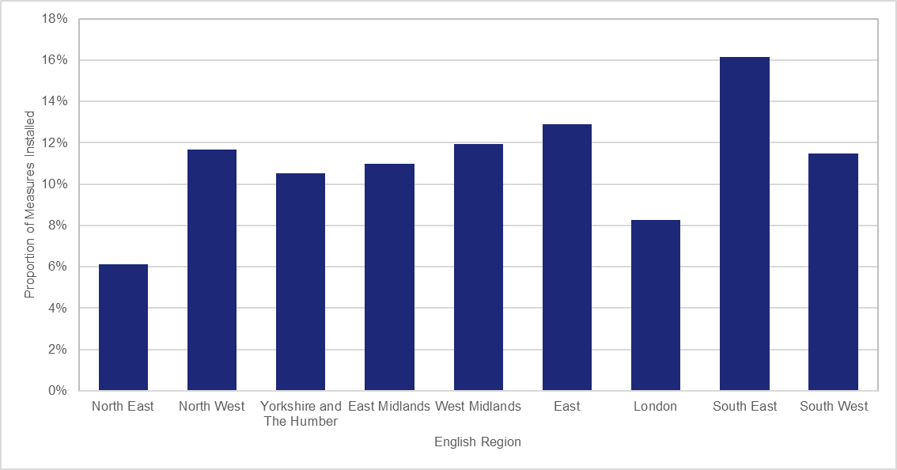

Chart 5: Number of Net Vouchers Applied for and Issued by Measure Group | Chart 6: Proportion of Vouchers Applied for and Issued per 1,000 Households by Region

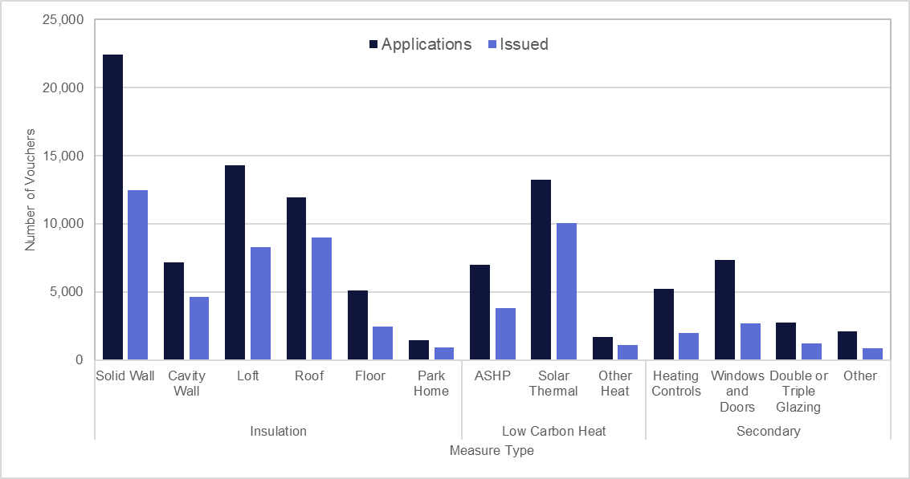
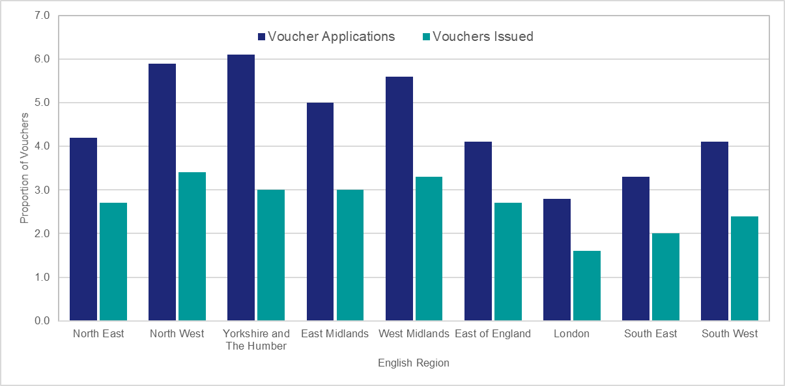

Chart 7: Proportion of Household Applications by Status | Chart 8: Net Household Applications by Application Month and scheme type proportion
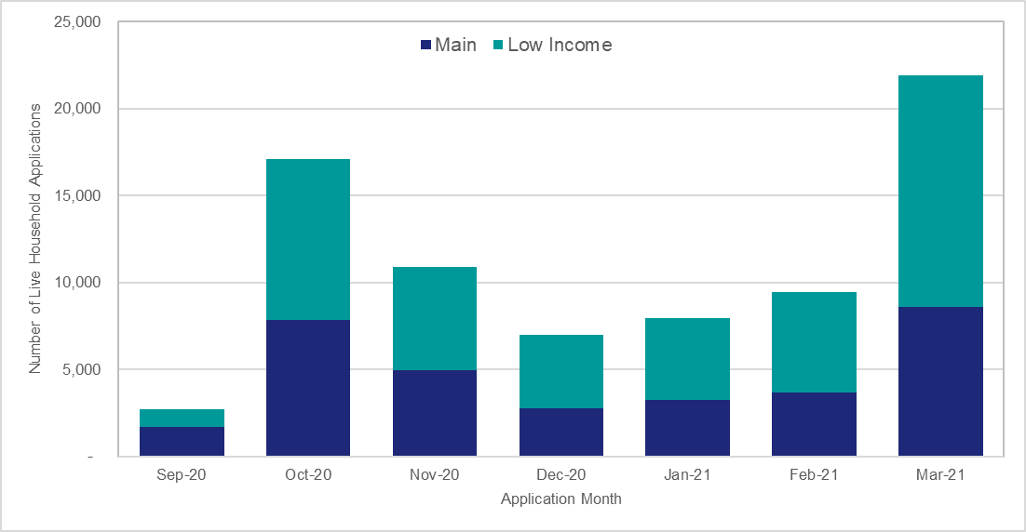
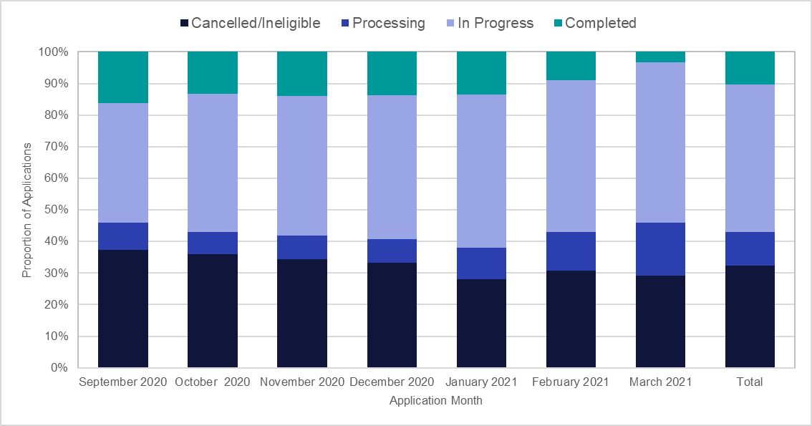

Chart 9: Number of Measures Installed by Month and Scheme Type

