Table 10
Table 10: Predicted time to clear AFCS claims1, by claim type

IF YOU ARE A USER OF THESE STATISTICS AND HAVE ANY COMMENTS OR WOULD LIKE TO DISCUSS THESE STATISTICS, PLEASE EMAIL DEFENCE STATISTICS: Analysis-Health-PQ-FOI@mod.gov.uk

Table 10 provides summary results from the survival analysis, presenting the predicted number of working days at which 25%, 50% and 75% of claims will be cleared
1 April 2017 - 31 March 2021

Return to Contents

 | Predicted number of days to clear 25%, 50%, 75% and 100% of claims |  |  |  | Significance of relationship between claim types
Claim type | 25% | 50% | 75% | 100% | Claim | Injury | Survivor's | Reconsideration | Appeal
Injury Claims | 44 | 61 | 105 | N/A | Injury | - | 0.00 | 0.00 | 0.00
Survivors' Claims | 69 | 165 | 258 | N/A | Survivor's | 0.00 | - | 0.00 | 0.00
Reconsiderations | 30 | 87 | 151 | N/A | Reconsideration | 0.00 | 0.00 | - | 0.00
Appeals | 289 | 384 | N/A | N/A | Appeal | 0.00 | 0.00 | 0.00 | -

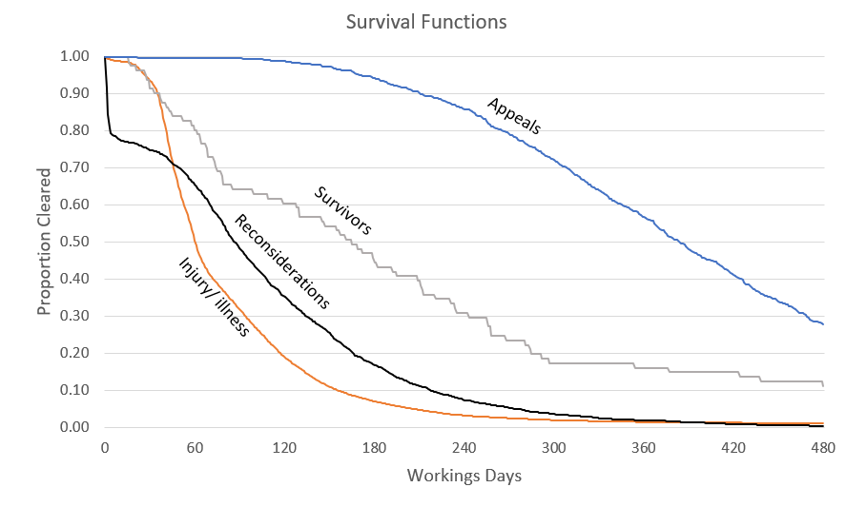

Source: Compensation and Pension System (CAPS)
Generated using a Kaplan Meier survival model.
1. Claims cleared as at 31 March 2021.
N/A: The value exceeds the study limit of 480 working days

