Cover
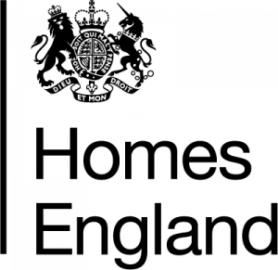

 |  | Making homes happen

 | Housing Statistics Tables
 | 1 April 2020 – 31 March 2021
 | Published 22 June 2021

enquiries@homesengland.gov.uk
0300 1234 500
gov.uk/homes-england

