Intro

Monthly Provisional UK Sea Fisheries Statistics April 2021

This workbook was updated 28th May 2021

Contents

Highlights - Time Series | Highlights - Live weight landings (t) and Value (£000's) by month and cumulative totals over the year.
Highlights - Time Series Data | Highlights - Breakdown of data used for time series graphs by each month in 2019, 2020 & 2021
Highlights - April | Highlights - April 2021 (compared to same month in 2019 & 2020)
Table 1 | Landings by UK vessels into all ports (Live weight (tonnes) and Value (£000's)) by vessel nationality, vessel length and species group (Summary)
Table 1a | Landings of UK vessels into UK ports (Live weight (tonnes) and Value (£000's)) by vessel nationality, vessel length and species group (Summary)
Table 1b | Landings of UK vessels into Foreign ports (Live weight (tonnes) and Value (£000's)) of UK vessels into Foreign ports by vessel nationality, vessel length and species group (Summary)
Table 2 | Landings of UK vessels into UK ports (Live weight (tonnes), Value (£000's) and Price (£/tonne)) by Species
Table 3 | Landings of UK vessels into all ports (Live weight (tonnes), Value (£000's) and Price (£/tonne)) by Species
Table 4 | Landings of foreign vessels into the UK (Live weight (tonnes), Value (£000's) and Price (£/tonne)) by species
Table 5 | Landings into UK ports by all vessels (Live weight (tonnes) and Value (£000's)) by country of landing and port
Table 6 | Landings by all UK vessels into all ports (Live weight (t) and Value (£000's)) by species group and vessel nationality
Table 7 | Landings (Live weight (t) and Value (£000's)) and number of trips of UK vessels in all ports by country and vessel length
Table 8 | Quantity of landings (t) and value landed (£000's) by UK vessels and Foreign vessels into the UK in last 3 years

Intro

This is a National Statistics publication. This notice provides an overview of the reported weight and value of landings by UK vessels into the UK and abroad, and by foreign vessels into the UK. Data are used to provide analysis and evidence to researchers and the media and to respond to ad-hoc requests from fishers, other fishing organisations and the general public. They are also used to formulate and monitor fishing policy for fisheries administrations. This data is provisional and represents the best available data the MMO holds on fishing activity by the UK fleet and into the UK. Data will be revised each month and lags will be reviewed following protocol documented here: https://www.gov.uk/guidance/fishing-activity-and-landings-data-collection-and-processing. The raw data that feeds into this publication is equivalent to the data used to produce our regular national statistics and is processed and collected as outlined above. We welcome feedback on this publication: https://forms.gle/Qoaty1byCddJYryb9.

Highlights - Time Series
Highlights - Time Series showing landings by month and cumulative totals over the year.
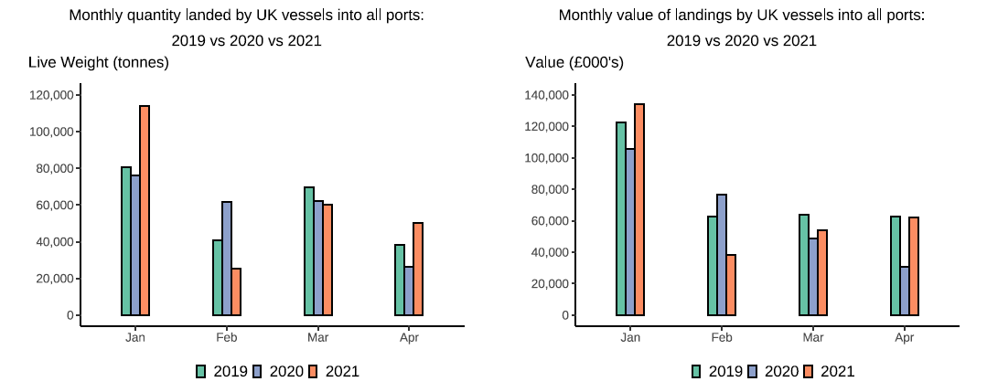

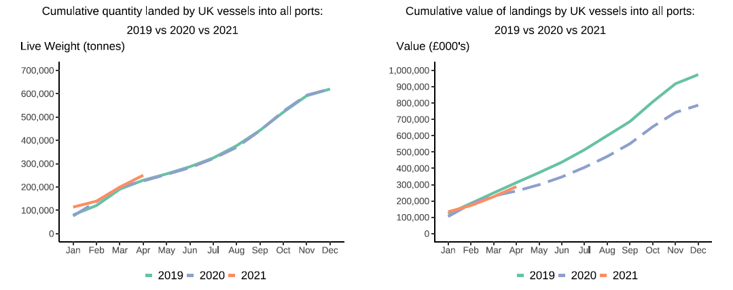

In this release, fishing activity recorded from January to April 2021 is compared to both 2019 and 2020. All quantities are reported as live weight tonnage and values are at first sale in pounds sterling (£).
2020 was an abnormal year for fishing activity due to the ongoing pandemic. In this release we therefore compare 2021 activity to 2020 and 2019, where 2019 was a relatively normal year for fishing activity.
From March 2020, the UK fishing fleet started to be affected by coronavirus, the impact of the pandemic has continued into 2021 due to the current lockdown measures in place in the UK. Cumulatively for January to April 2021, the value of landings is down 15 per cent compared to 2019 but slightly up by 1 per cent compared to 2020. While the quantity of landings is up 8 per cent and 9.5 per cent compared to 2019 and 2020 respectively. This was driven by February 2021 activity seeing a large drop in both value and quantity landed from the previous month of January caused by a large reduction in Scottish Pelagic vessel activity. Landings of pelagic species by Scottish vessels were 77 thousand tonnes in January 2021 dropping to just 4 thousand tonnes in February 2021. However, in March this sector saw an increase of landings followed by 25 thousand tonnes of pelagic species landed by Scottish Vessels in April. This has shifted the cumulative totals back in line with the January to April in both 2019 and 2020 showing a recovery for UK fisheries.
For breakdown and comparisons of value and quanity landed for individual months see Highlights - Time Series Data tab.

Highlights - April
Highlights - April 2021

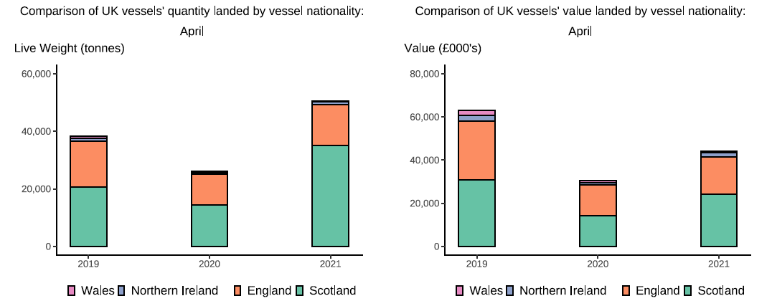

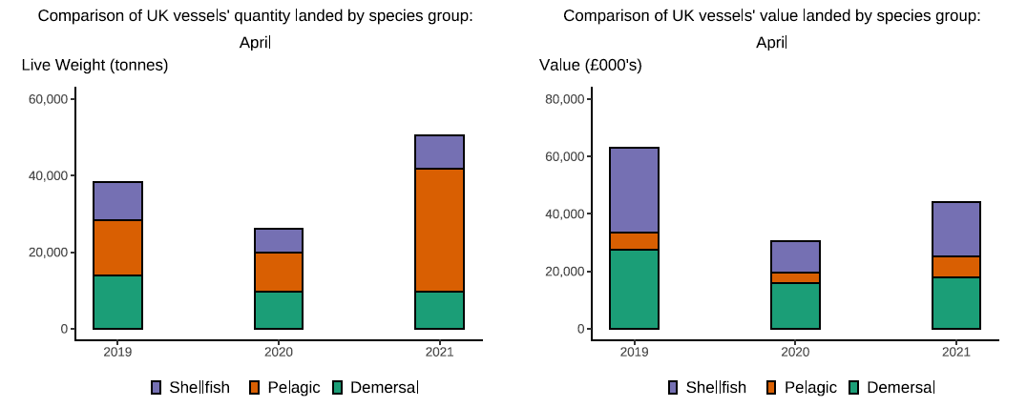

Here, fishing activity recorded in April 2021 is compared to activity in April 2019 and April 2020. All quantities are reported as live weight tonnes and values are at first sale in pounds sterling (£000's).
2020 was an abnormal year for fishing activity due to the ongoing pandemic. In this release we therefore compare 2021 activity to 2020 and 2019, where 2019 was a relatively normal year for fishing activity.
The overall quantity of landings (tonnes) increased in April 2021 compared to April 2019 and 2020, up 32 per cent and 92 per cent respectively. The value of landings in April 2021(£44m) decreased when compared to 2019; down 44 per cent conversely this was a large increase on April 2020 landings (54 per cent increase). Landings of pelagic species by Scottish vessels which were down in February and increased in March compared to 2019 & 2020, have seen again seen an increase compared to April 2019 (126 per cent increase) with a larger increase compared to April 2020 by 215 per cent (T6). This is disproportionate to the observed increases in quantity landed (T1), likely driven by landings in 2021 composing mostly of pelagic species which usually fetch a lower price when sold. Pelagic landings are likely heavily influenced by increased Mackerel TACs since EU Exit with Western Mackerel TAC rising from 214,647 tonnes (2020) to 220,606 tonnes in 2021. An increase of almost 6 thousand tonnes in TAC.
Similar to the effects seen in 2020 as well as January - March 2021, smaller vessels in the demersal sector are still seeing lower activity due to the pandemic. However, the Shellfish sector has seen an increase in both landings and value compared to 2020, a 36 per cent and 70 per cent increase respectively. However, when compared to April 2019, the value of shellfish landings by UK vessels in April 2021 is still down by 36 per cent. The value of demersal fish landings are down 35 per cent and the value of pelagic species are up 21 per cent (T6).
This month the number of trips has decreased from all DA's with English vessels having the largest decrease in the number of trips, down by 3 per cent compared to April 2019.
Landings of UK vessels into foreign ports are higher overall in 2021 when compared to 2019 and 2020 (T1b). This is mostly driven by the increase in landings by Scottish vessels in April. Similar to activity by UK vessels into the UK (T1a), landings into foreign ports are up in 2021, largely driven by the overall decrease in the number of trips. EU Exit and current lockdown measures in the UK and elsewhere continue to impact trade and prices and therefore have lead to a change in fishing behaviours.
The total quantity of landings into UK ports (by UK and foreign vessels) is up in April 2021 compared to 2019 and 2020 (by 5 and 60 per cent respectively). However, value is down compared to 2019 (a 38 per cent decrease) but up compared to 2020 (a 37 per cent increase) (T5). The observed decrease in landings was driven by lower landings into English and Welsh ports in April 2021 compared to 2019 & 2020 (T5).

