Title


 |  |  | Green Homes Grant Vouchers (GHGV)
 |  |  | Statistics

Please direct all press enquiries to Press Officer 020 7215 5975

Responsible Statistician |  | Responsible Statistician
Helene Clark |  | Billy Cole
EnergyEfficiency.Stats@beis.gov.uk |  | EnergyEfficiency.Stats@beis.gov.uk
020 7215 1259 |  | 020 7215 1927

This workbook was updated on: | 20-May-21
The next update for these statistics is: | 24-Jun-21

Data covered in this release is for all applications to the end of March 2021.

Charts
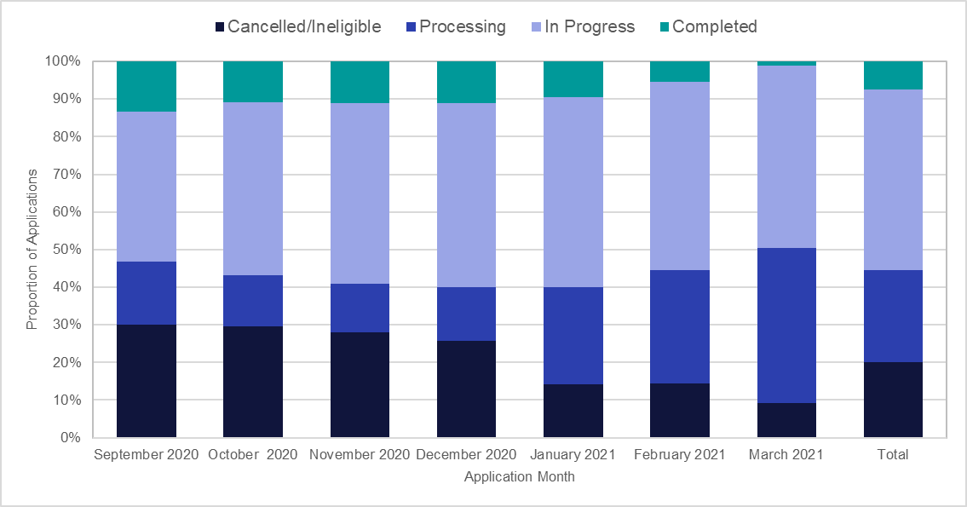
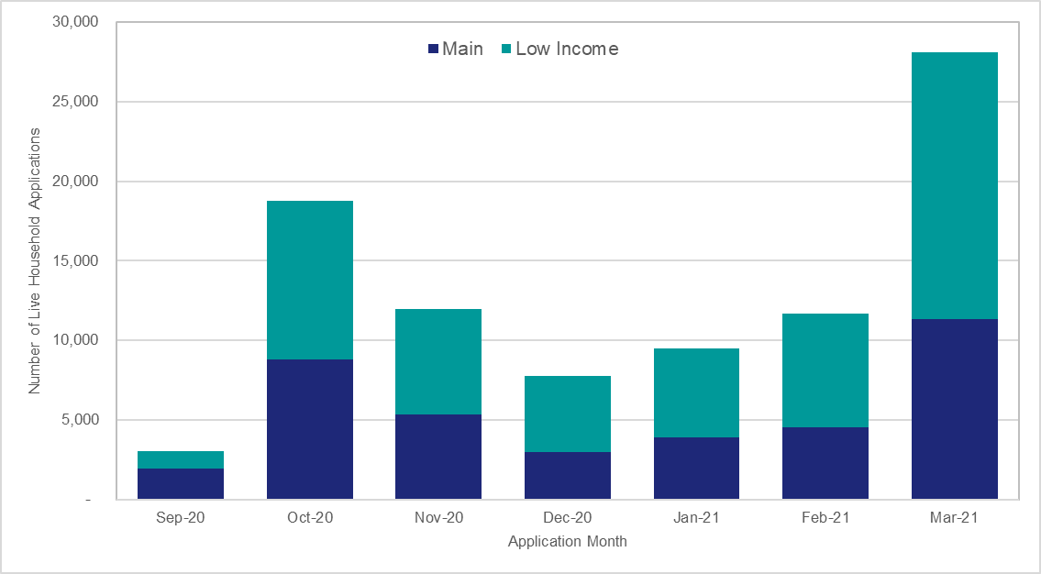
Chart 1: Household Application Processing by Application Month | Chart 2: Voucher Application Processing by Application Month

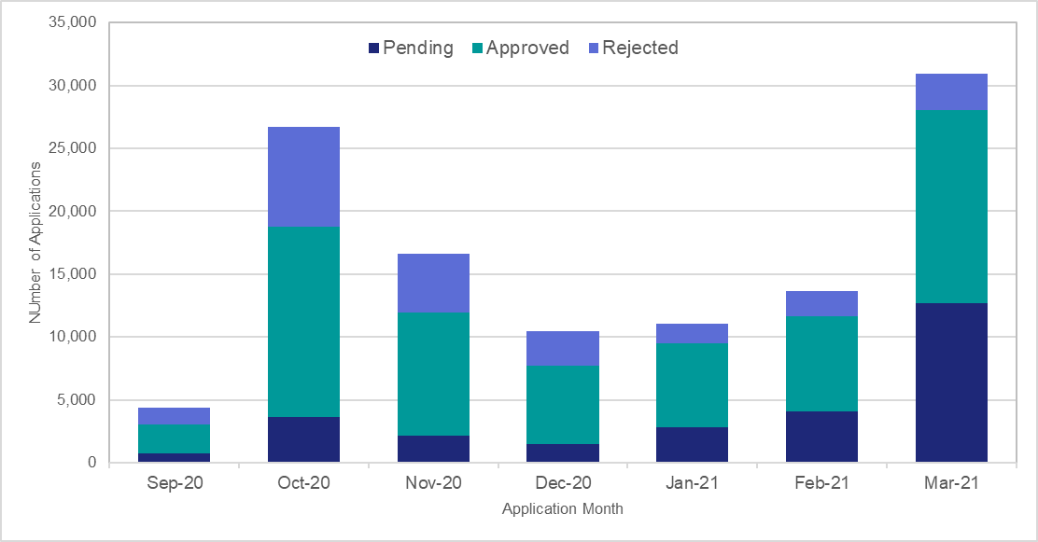
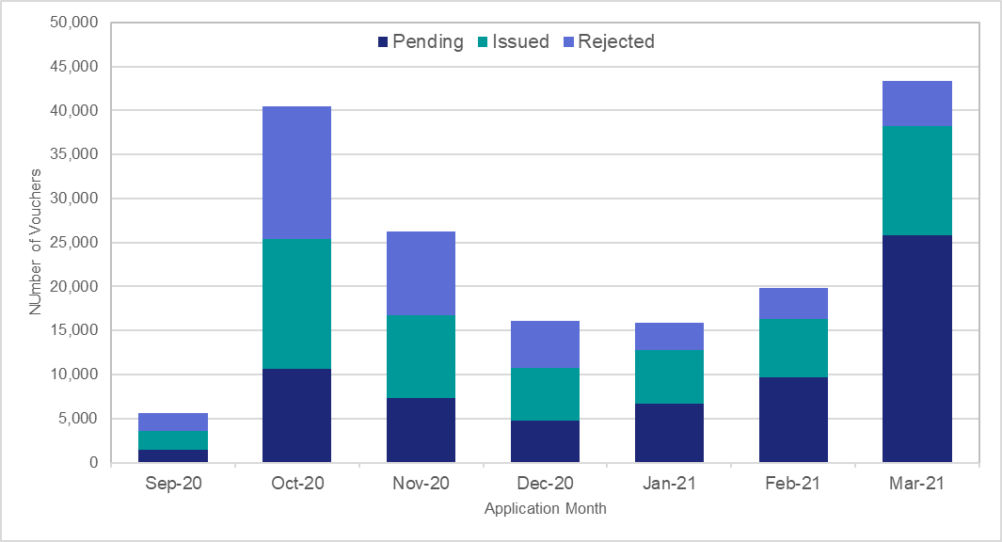

Chart 3: Number of Measures Installed by Measure Type | Chart 4: Proportion of Measures Installed by English Region
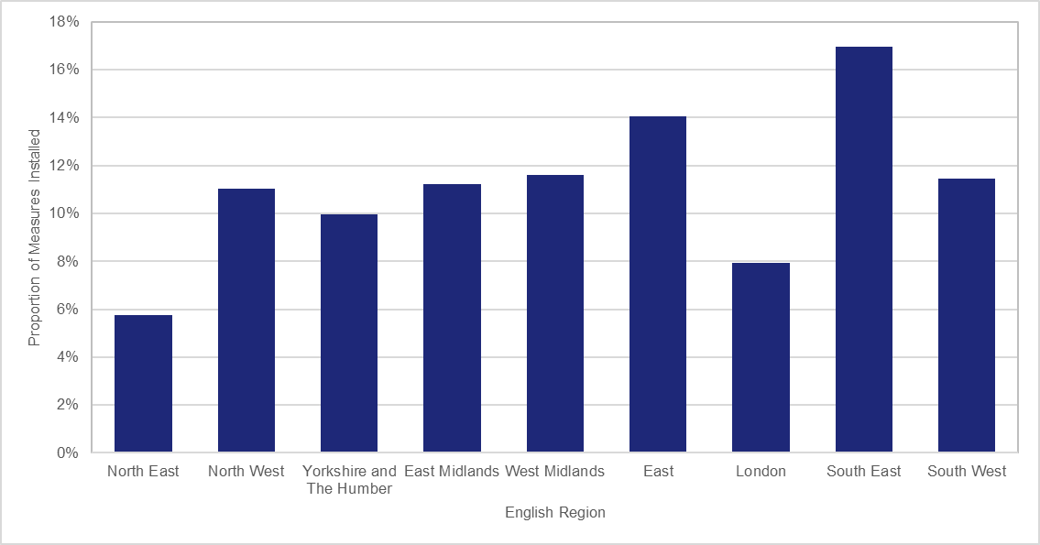
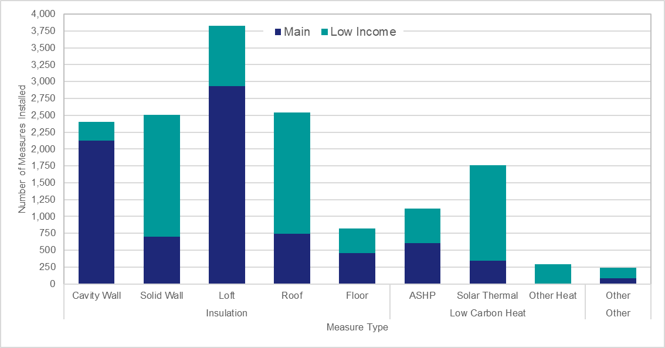

Chart 5: Number of Vouchers Applied for and Issued by Measure Group | Chart 6: Ratio of Vouchers Applied for and Issued per 1,000 Households by Region

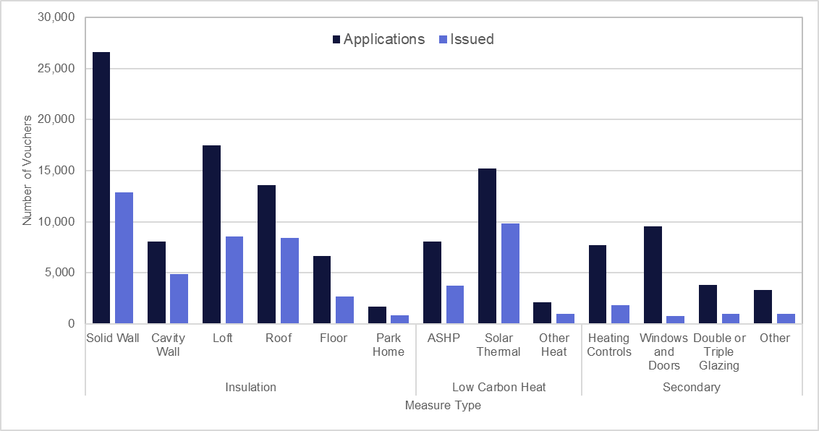
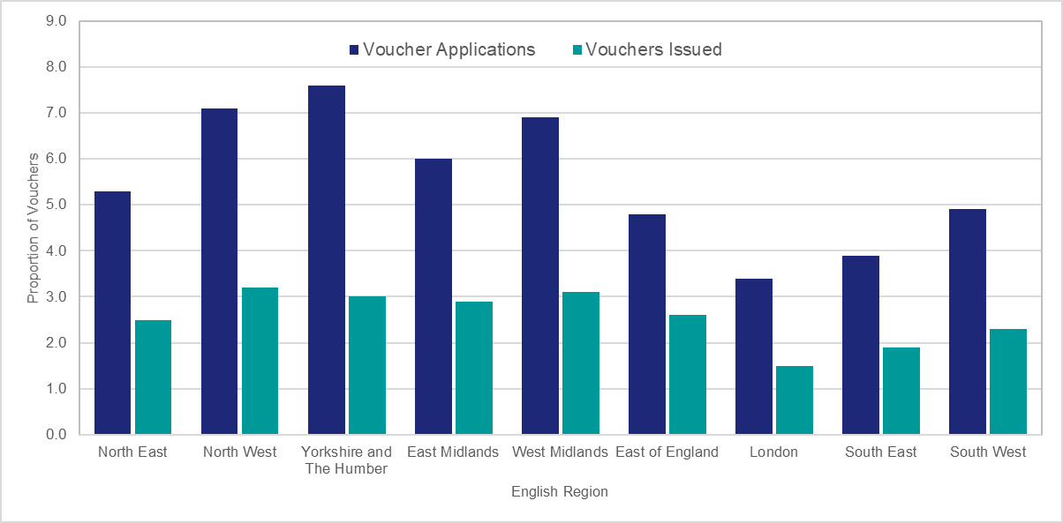

Chart 7: Proportion of Household Applications by Status | Chart 8: 'Live' Applications by Application Month and scheme type proportion

