Contents


Family Resources Survey, 2019/20
Income and State Support

Published: 25 March 2021
Next Publication: March 2022
Coverage: United Kingdom
Frequency: Annual

Contents

To access data tables, select the table headings or tabs.
To return to contents click "Back to contents" link at the top of each page.

Table | Table Description
2.1 | Sources of total gross household income, 2009/10 to 2019/20, United Kingdom
2.2 | Sources of total gross household income by region/country, 2019/20, United Kingdom
2.3 | Sources of total gross household income by ethnic group of head, average of 2017/18, 2018/19 and 2019/20, United Kingdom
2.4 | Sources of total gross household income by age of head, 2019/20, United Kingdom
2.5 | Households by composition and total gross weekly household income, 2019/20, United Kingdom
2.6 | Households by region/country and total gross weekly household income, 2019/20, United Kingdom
2.7 | Households by ethnic group of head and total gross weekly household income, average of 2017/18, 2018/19 and 2019/20, United Kingdom
2.8 | Benefit units by state support receipt and region/country, 2019/20, United Kingdom
2.9 | Benefit units by state support receipt and benefit unit type, 2019/20, United Kingdom
2.10 | Benefit units by state support receipt and ethnic group of head, average of 2017/18, 2018/19 and 2019/20, United Kingdom
2.11 | Benefit units by state support receipt and age of head, 2019/20, United Kingdom
2.12 | Benefit units by state support receipt and tenure, 2019/20, United Kingdom
2.13 | Benefit units by state support receipt and economic status, 2019/20, United Kingdom
2.14 | Benefit units by amount of annual state support received, 2017/18 to 2019/20, United Kingdom

Contacts

Statistician: M A Vaughan
Email: team.frs@dwp.gov.uk
Family Resources Survey
DWP Surveys Branch
2nd Floor, Caxton House
Tothill Street
London
SW1H 9NA
Press enquiries: 0203 267 5144

Further Information

Website for this release, including supporting guides:
https://www.gov.uk/government/statistics/family-resources-survey-financial-year-2019-to-2020

2_11
Back to Contents

Table 2.11: Benefit units by state support receipt and age of head, 2019/20, United Kingdom |  |  |  |  |  |  |  |  |  |  | Receipt of state support by age of head of family, 2019/20, United Kingdom
 |  |  |  |  |  |  |  |  |  | Percentage of benefit units
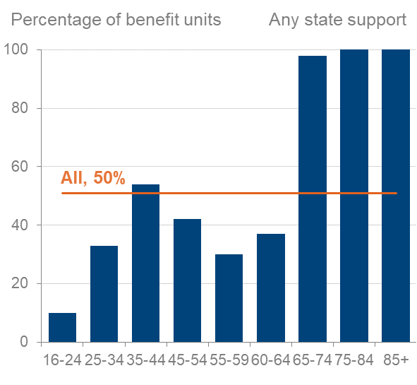
 |  |  |  |  |  | Age of head
State support received | All benefit units | 16-24 | 25-34 | 35-44 | 45-54 | 55-59 | 60-64 | 65-74 | 75-84 | 85+

All in receipt of state support | 50 | 10 | 33 | 54 | 42 | 30 | 37 | 98 | 100 | 100
All in receipt of benefit | 50 | 10 | 33 | 54 | 42 | 29 | 36 | 98 | 100 | 100
All in receipt of Tax Credits | 6 | 1 | 9 | 14 | 9 | 3 | 2 | - | - | 0

On any income-related benefit | 15 | 6 | 10 | 14 | 14 | 14 | 17 | 22 | 24 | 27
On any non-income-related benefit1 | 47 | 8 | 31 | 51 | 38 | 24 | 29 | 97 | 100 | 100

Working Tax Credit | 3 | - | 4 | 8 | 5 | 1 | 2 | - | 0 | 0
Child Tax Credit | 5 | 1 | 9 | 14 | 8 | 2 | 1 | - | - | 0

Child Benefit | 18 | 4 | 28 | 47 | 28 | 9 | 3 | 1 | - | 0

Universal Credit2 | 4 | 5 | 6 | 6 | 5 | 4 | 3 | - | 0 | 0

Income Support | 1 | 1 | 2 | 2 | 1 | 2 | 1 | - | - | -
Pension Credit3 | 3 | 0 | 0 | 0 | - | - | - | 12 | 14 | 15
Housing Benefit | 8 | 1 | 5 | 8 | 8 | 8 | 10 | 14 | 13 | 10
Council Tax Reduction4 | 11 | 3 | 7 | 10 | 11 | 11 | 14 | 17 | 20 | 20

State Pension5 | 24 | 0 | 0 | - | 1 | 3 | 8 | 93 | 98 | 99
Jobseeker's Allowance | 1 | 1 | 1 | 1 | 1 | 1 | 1 | - | 0 | 0
Employment and Support Allowance | 3 | 1 | 2 | 3 | 6 | 8 | 11 | 1 | - | 0

Attendance Allowance | 2 | 0 | 0 | 0 | - | - | - | 4 | 12 | 23
Carer's Allowance | 2 | 1 | 1 | 2 | 3 | 3 | 4 | 1 | 1 | 1
Disability Living Allowance (care component) | 3 | - | 2 | 2 | 2 | 2 | 4 | 5 | 8 | 4
Disability Living Allowance (mobility component) | 2 | - | 1 | 2 | 2 | 2 | 3 | 5 | 6 | 3
Personal Independence Payment (daily living component) | 4 | 2 | 2 | 4 | 7 | 8 | 10 | 5 | 1 | 0
Personal Independence Payment (mobility component) | 3 | 2 | 1 | 3 | 5 | 6 | 8 | 4 | 1 | 0

Sample size | 22,740 | 2,212 | 3,210 | 3,412 | 3,553 | 1,877 | 1,757 | 3,622 | 2,288 | 809

1 Sample sizes are too small to be presented for Severe Disablement Allowance, the bereavement benefits, industrial injuries benefits and the Armed Forces
Compensation Scheme so these are only included in the "On any non-income-related benefits" category.
2 Since April 2013, Universal Credit has been replacing income-based Jobseeker’s Allowance, income-based Employment and Support Allowance, Income Support,
Working Tax Credit, Child Tax Credit and Housing Benefit. UC is being rolled out over a number of years: as a result, the composition of the UC caseload at the current
time will not necessarily be the same as when UC is fully rolled-out, and the information in these tables should be seen in this context.
3 The qualifying age for Pension Credit has increased in line with the increases in State Pension age.
4 This includes support for Rates payable to those receiving Housing Benefit in Northern Ireland.
5 From 6 April 2010, the State Pension age has been increasing gradually for women, and since December 2018 has been increasing for both men and women. The data in
this report was collected throughout the financial year 2019-20, during which the State Pension age for both men and women increased from 65 years 2 months to 65 years
8 months.

