Figure_1
Overall numbers of UK armed forces deaths whilst on training or exercise

Figure 1 presents the number of UK armed forces deaths on training or exercise by calendar year
Figure 1: UK armed forces1 deaths2 whilst on training3 or exercise by calendar year4, numbers.
1 January 2000 to 28 February 2021

Source: Defence Statistics Health
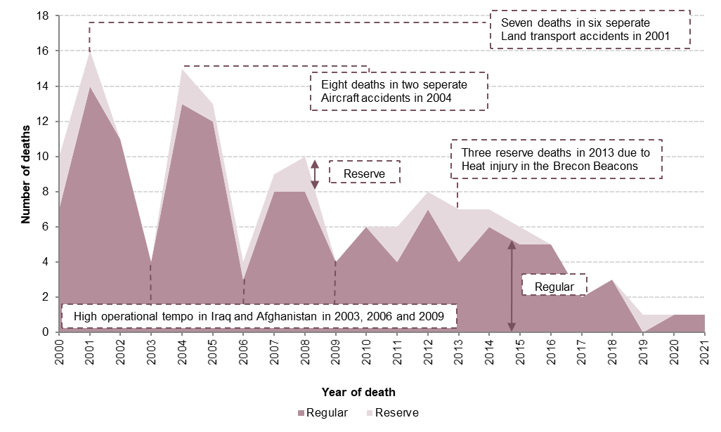

1 Figures are for regulars and reservist personnel ‘on duty’.
2 Figures are for all causes of death and therefore include those deaths that occurred due to injury or natural causes whilst on training and exercise.
3 Figures are for all types of training and exercise.
4 Up to and including 28 February 2021.

Figure_8
Overall numbers of UK armed forces deaths whilst on training or exercise

Figure 8 presents the number of UK armed forces deaths on training or exercise by cause of death
Figure 8: UK armed forces1 deaths2 whilst on training3 or exercise by cause of death, numbers and percentages4.
1 January 2000 to 28 February 2021

Source: Defence Statistics Health

5

1 Figures are for regular and reservist personnel 'on duty'.
2 Figures are for all causes of death and therefore include those deaths that occurred due to injury or natural causes whilst on training or exercise.
3 Figures are for all types of training and exercise.
4 Percentages may not add up to 100% due to rounding.
5 Deaths which have been investigated by a coroner or by the Procurator Fiscal for Scotland and for which no definitive medical cause of death can be found.

