Title
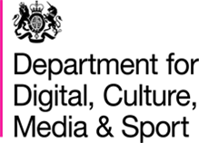

ONS Opinions and lifestyle survey- data module: February 2020
Estimates from the data module of the February ONS Opinions and Lifestyle survey.

The Opinions and Lifestyles Survey (OPN) is run by the Office for National Statistics. DCMS commissioned 19 questions to be included in the February 2020 survey, the high level results are included in this document. The sample size is 1,333 and includes adults 16+ across the whole of Great Britain (excluding the Isles of Scilly). Some questions were only asked to certain groups of people which results in smaller sample sizes for these questions. Where this applies, this has been detailed in the footnotes. Upper and lower estimates refer to the 95% confidence intervals and illustrate the range of values that the analysis suggests there is a 95% probability the true value for the population falls between. The data was collected using a mixed-mode method, with online collection used as the initial collection method and telephone interviews offered to those who did not wish to complete the survey online.
Responsible analysts
Joshua Ballantyne
Rosanna White

Statistical enquiries
evidence@dcms.gov.uk
@DCMSInsight

Media enquiries
020 7211 2210

Date of publication
24th July 2020

