Contents
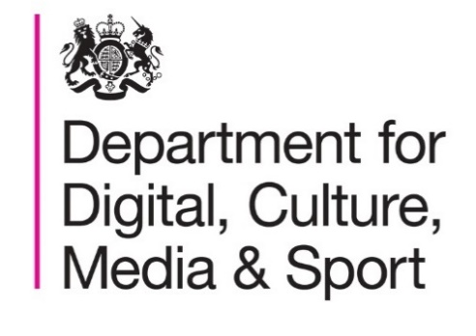

Statistical Release for Reported Treasure Finds 2018 and 2019 (provisional)
Published: 3rd February 2021

Contents
 | Table A: | Number of treasure cases in 2012 to 2019 by country and by county: England, Wales and Northern Ireland, 2012-2019
 | Table B: | Number of treasure cases by country and by regions in England, Wales and Northern Ireland, 2019
 | Table C: | Analysis of treasure cases by period and distribution: England, Wales and Northern Ireland, 2018
 | Table D: | Method of discovery for treasure finds: England, Wales and Northern Ireland, 2018
 | Table E: | Number of treasure cases acquired by or donated to museums: England, Wales and Northern Ireland, 2012-2018
 | Table F: | Percentage of adults who have taken part in metal detecting at least once in the past 12 months by region: England, 2019/20

More information about Treasure and Portable Antiquities statistics is available at:

https://www.gov.uk/government/collections/treasure-and-portable-antiquities-statistics

Responsible statistician
Aleister Skinner

Statistical enquiries
evidence@dcms.gov.uk

