Cover sheet


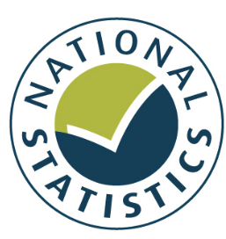

Taking Part Survey: October 2017 to September 2018 (Provisional)

This publication presents provisional estimates of cultural engagement. The data were collected during interviews conducted between October 2017 and September 2018, and refer to participation and engagement in the 12 months prior to interview. The time series data for 2005/06 to 2016/17 are provided for context but are not comparable with the most recent data. Following the introduction of the Taking Part web panel, longitudinal respondents are no longer interviewed face-to-face and their data are not included in the headline estimates for cultural engagement. Longitudinal respondents may have different engagement levels to the fresh sample respondents so the removal of their data may impact the headline measures. Finally, the Taking Part questionnaire was reviewed for 2017/18. Details of the changes can be found in Annex C of the accompanying report.

Responsible statistician
Maria Willoughby
020 7211 6771

Statistical enquiries
takingpart@culture.gov.uk
@DCMSInsight

Media enquiries
020 7211 2210

Date of publication
11th June 2019

Further information
Taking Part website

Contents


Taking Part Survey: October 2017 to September 2018 (Provisional)

Table 1. | Proportion of adults (16+) who have engaged with cultural activities in the 12 months prior to interview, 2017/18 to September 2018
Table 2. | Proportion of adults (16+) who have engaged with cultural activities in the 12 months prior to interview, 2005/06 to 2016/17
Table 3. | Mean wellbeing scores for adults (16+), 2017/18 to September 2018
Table 4. | Mean wellbeing scores for adults (16+), 2005/06 to 2016/17

