Contents

Vocational and Other Qualifications Quarterly: Apr to Jun (quarter 2) 2020
 |  | England

Table 1 | Number of certificates awarded by qualification type

Table 2 | Number of certificates awarded by qualification level

Table 3 | Number of certificates awarded by sector subject area

Table 4 | Number of certificates awarded in the past 5 years

Table 5 | Number of certificates awarded in this quarter by second-tier sector subject area

Table 6 | The 50 qualifications with the highest number of certificates issued in this quarter

Table 7 | The 50 awarding organisations with the highest number of certificates issued in this quarter

Table 8 | The 50 awarding organisations with the highest number of certificates issued in the 12 months to this quarter end

Notes | Notes accompanying this release

Reference: Ofqual/20/6686
Release date: 17 September 2020
Head of Profession: Vikas Dhawan
Contact: data.analytics@ofqual.gov.uk

Certificates by type
Number of certificates awarded by qualification type
Comparison with the same quarter previous year and previous 12 months

 | Quarterly comparison |  | Annual comparison

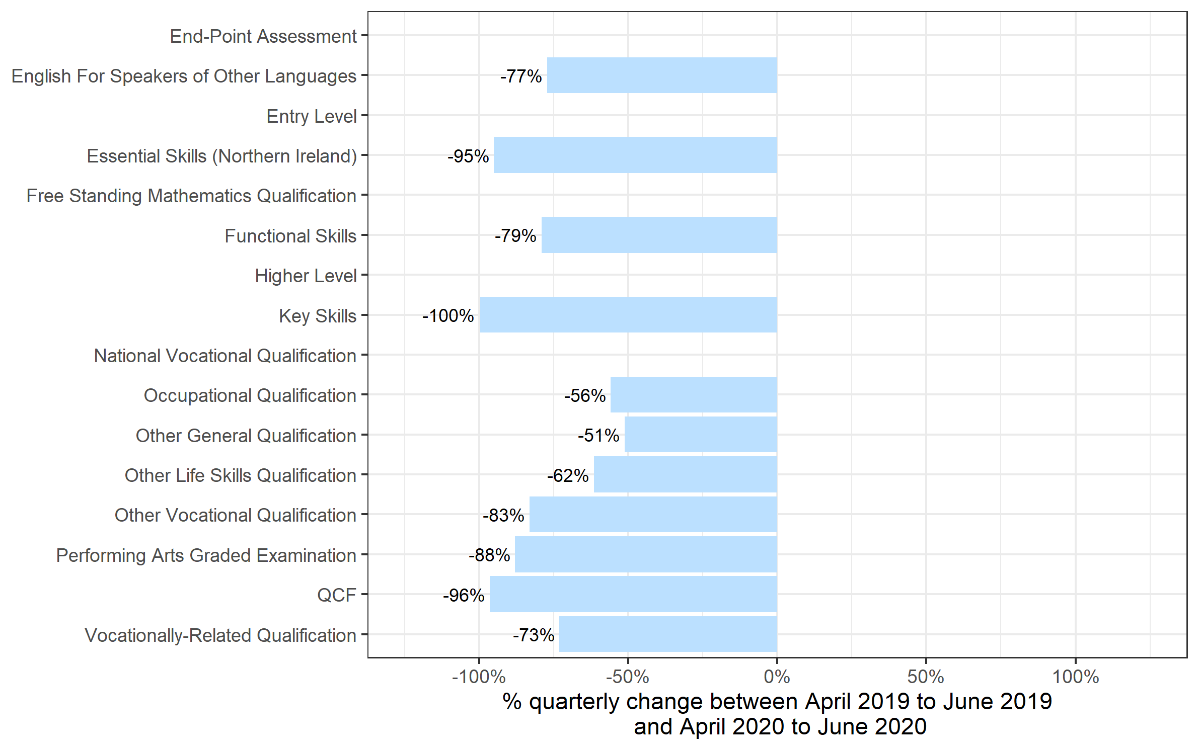
Qualification Type | Apr to Jun 2019 | Apr to Jun 2020 | Jul 2018 to Jun 2019 | Jul 2019 to Jun 2020
End-Point Assessment | 15 | 255 | 90 | 2,345
English For Speakers of Other Languages | 96,705 | 21,965 | 382,265 | 300,410
Entry Level | 0 | 0 | 11,780 | 470
Essential Skills (Northern Ireland) | 60 | 0~ | 225 | 125
Free Standing Mathematics Qualification | 0 | 0 | 2,195 | 0
Functional Skills | 185,155 | 38,670 | 653,620 | 402,030
Higher Level | 0 | 0 | 55 | 0
Key Skills | 930 | 0~ | 2,255 | 860
National Vocational Qualification | 0 | 0 | 0~ | 0~
Occupational Qualification | 162,105 | 71,475 | 716,440 | 574,480
Other General Qualification | 28,540 | 13,920 | 334,470 | 358,660
Other Life Skills Qualification | 70,345 | 27,045 | 311,075 | 246,980
Other Vocational Qualification | 121,505 | 20,465 | 458,895 | 378,560
Performing Arts Graded Examination | 141,800 | 17,070 | 488,980 | 364,345
QCF | 685 | 25 | 24,945 | 875
Vocationally-Related Qualification | 581,370 | 156,195 | 2,395,085 | 1,841,745
Total | 1,389,215 | 367,085 | 5,782,370 | 4,471,900

 |  |  |  |  | Note: End-Point Assessment qualifications are not shown because, due to small numbers, the percentage changes would not be meaningful. Other categories without visible bars have a change of 0% from last year's quarter 2.

Certificates by Level
Number of certificates awarded by qualification level
Comparison with the same quarter previous year and previous 12 months

 | Quarterly comparison |  | Annual comparison

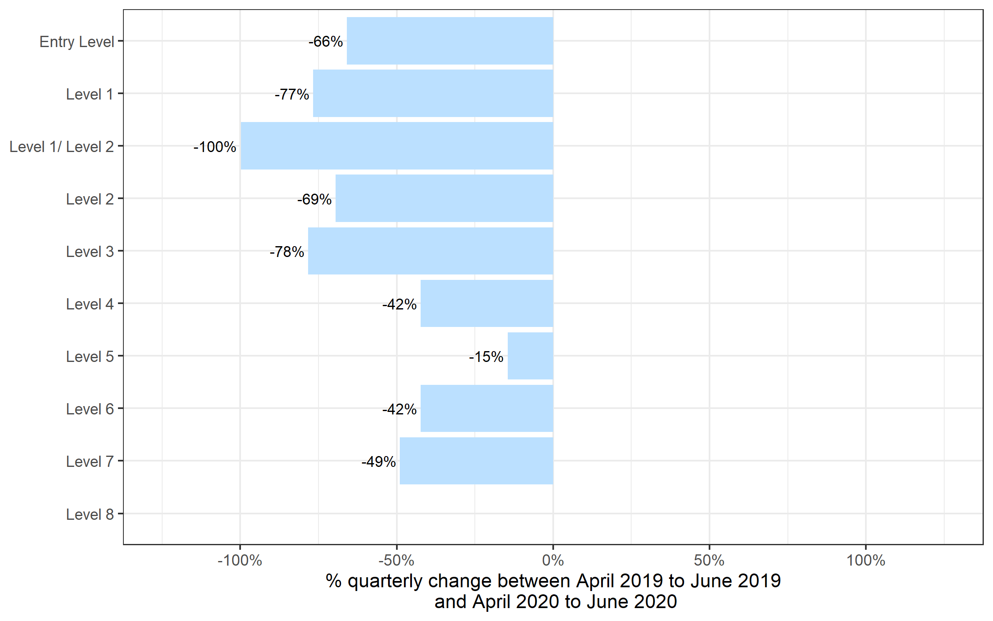
Qualification Level | Apr to Jun 2019 | Apr to Jun 2020 | Jul 2018 to Jun 2019 | Jul 2019 to Jun 2020
Entry Level | 171,145 | 58,400 | 721,200 | 546,105
Level 1 | 327,240 | 76,330 | 1,298,855 | 948,690
Level 1/ Level 2 | 66,140 | 145 | 260,040 | 251,530
Level 2 | 426,310 | 130,035 | 1,817,325 | 1,419,620
Level 3 | 362,365 | 78,560 | 1,529,415 | 1,165,720
Level 4 | 18,850 | 10,870 | 79,810 | 69,700
Level 5 | 10,555 | 9,025 | 51,520 | 47,940
Level 6 | 4,710 | 2,715 | 16,470 | 14,970
Level 7 | 1,895 | 965 | 7,540 | 7,495
Level 8 | 5 | 40 | 195 | 130
Total | 1,389,215 | 367,085 | 5,782,370 | 4,471,900

 |  |  |  |  | Note: Level 8 qualifications are not shown because, due to small numbers, the percentage changes would not be meaningful.

Certificates by SSA
Number of certificates awarded by sector subject area
Comparison with the same quarter previous year and previous 12 months

 | Quarterly comparison |  | Annual comparison
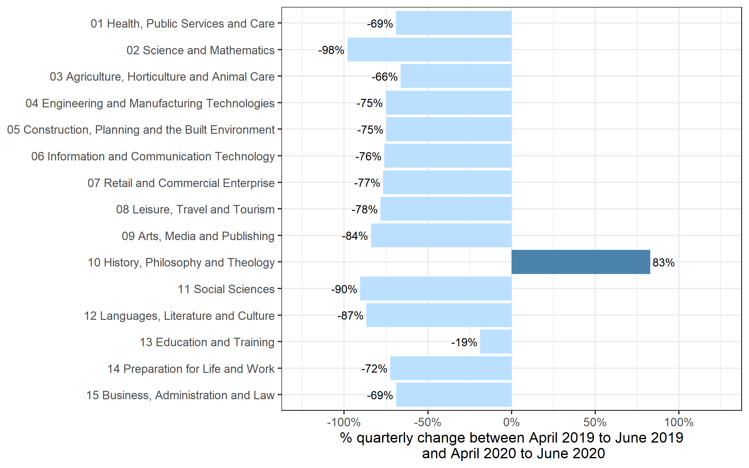
Sector Subject Area Code With Description | Apr to Jun 2019 | Apr to Jun 2020 | Jul 2018 to Jun 2019 | Jul 2019 to Jun 2020
01 Health, Public Services and Care | 273,520 | 84,540 | 1,144,305 | 958,455
02 Science and Mathematics | 8,165 | 155 | 116,470 | 104,520
03 Agriculture, Horticulture and Animal Care | 18,820 | 6,355 | 88,785 | 75,620
04 Engineering and Manufacturing Technologies | 66,380 | 16,480 | 300,905 | 241,260
05 Construction, Planning and the Built Environment | 100,310 | 25,155 | 423,550 | 298,750
06 Information and Communication Technology | 46,640 | 11,180 | 207,915 | 154,710
07 Retail and Commercial Enterprise | 84,260 | 19,550 | 374,800 | 278,000
08 Leisure, Travel and Tourism | 93,925 | 20,385 | 336,980 | 267,150
09 Arts, Media and Publishing | 201,310 | 32,270 | 746,800 | 579,515
10 History, Philosophy and Theology | 2,250 | 4,115 | 18,430 | 15,390
11 Social Sciences | 20 | 0~ | 13,220 | 15,820
12 Languages, Literature and Culture | 26,640 | 3,550 | 132,180 | 94,365
13 Education and Training | 20,665 | 16,805 | 92,305 | 81,625
14 Preparation for Life and Work | 342,715 | 94,380 | 1,372,485 | 975,725
15 Business, Administration and Law | 103,595 | 32,170 | 413,240 | 330,995
Total | 1,389,215 | 367,085 | 5,782,370 | 4,471,900

Historical trends
Number of certificates awarded in the past 5 years
Quarterly and 12 months to quarter end

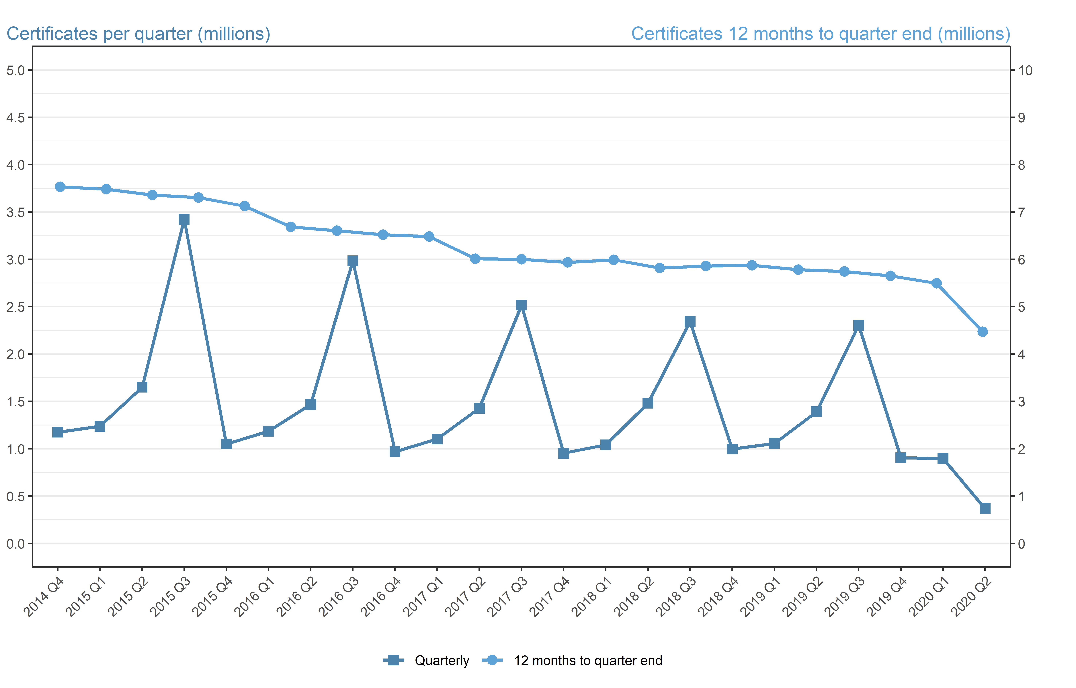
Period | Quarterly | 12 months to quarter end
Jul to Sep 2015 | 3,420,865 | 7,482,140
Oct to Dec 2015 | 1,049,635 | 7,357,345
Jan to Mar 2016 | 1,184,885 | 7,305,245
Apr to Jun 2016 | 1,467,455 | 7,122,840
Jul to Sep 2016 | 2,983,350 | 6,685,325
Oct to Dec 2016 | 967,835 | 6,603,530
Jan to Mar 2017 | 1,102,385 | 6,521,030
Apr to Jun 2017 | 1,427,520 | 6,481,095
Jul to Sep 2017 | 2,516,310 | 6,014,055
Oct to Dec 2017 | 952,960 | 5,999,180
Jan to Mar 2018 | 1,040,515 | 5,937,310
Apr to Jun 2018 | 1,480,105 | 5,989,895
Jul to Sep 2018 | 2,341,210 | 5,814,790
Oct to Dec 2018 | 996,565 | 5,858,395
Jan to Mar 2019 | 1,055,375 | 5,873,255
Apr to Jun 2019 | 1,389,215 | 5,782,370
Jul to Sept 2019 | 2,303,845 | 5,745,005
Oct to Dec 2019 | 904,010 | 5,652,450
Jan to Mar 2020 | 896,955 | 5,494,030
Apr to Jun 2020 | 367,085 | 4,471,900

