Front


 | HM Revenue and Customs KAI Benefits & Credits

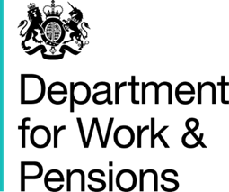
 | Department for Work and Pensions

 | Child Tax Credit and Universal Credit claimants

Coverage: | Statistics related to the policy to provide support for a maximum of two children
United Kingdom

Released:
16 July 2020
 | 2 April 2020
Media contact:
HMRC Press Office
03000 585018

Statistical contacts:
Boniface Yao Seworde
David Bailey
benefitsandcredits.analysis@hmrc.gov.uk

Jessie Smith
JESSIE.SMITH1@dwp.gov.uk
Ally Mays | An Official Statistics Publication
ALLY.MAYS@dwp.gov.uk | © Crown Copyright 2020

