Table 10
Table 10: Predicted time to clear AFCS claims1, by claim type

IF YOU ARE A USER OF THESE STATISTICS AND HAVE ANY COMMENTS OR WOULD LIKE TO DISCUSS THESE STATISTICS, THEN PLEASE EMAIL DEFENCE STATISTICS: Analysis-Health-PQ-FOI@mod.gov.uk

Table 10 provides summary results from the survival analysis, presenting the predicted number of working days at which 25%, 50% and 75% of claims will be cleared.
1 April 2017 - 31 March 2020

Return to Contents

 | Predicted number of days to clear 25%, 50%, 75% and 100% of claims |  |  |  | Significance of relationship between claim types
Claim type | 25% | 50% | 75% | 100% | Claim | Injury | Survivor's | Reconsideration | Appeal
Injury Claims | 45 | 60 | 104 | 1,541 | Injury | - | .000 | .000 | .000
Survivors' Claims | 69 | 167 | 258 | 924 | Survivor's | .000 | - | .000 | .000
Reconsiderations | 47 | 117 | 205 | 1011 | Reconsideration | .000 | .000 | - | .000
Appeals | 327 | 417 | 551 | 1,724 | Appeal | .000 | .000 | .000 | -

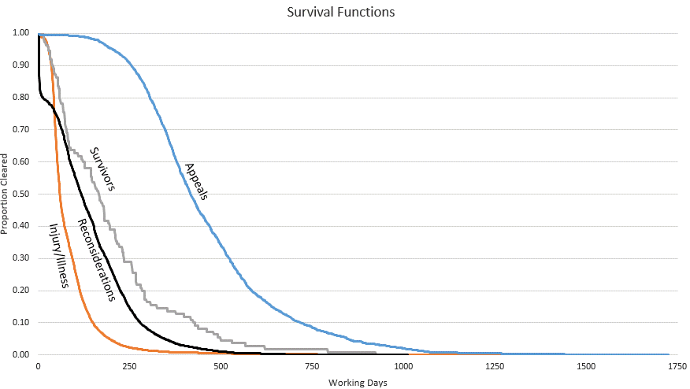

Source: Compensation and Pension System (CAPS)
Generated using a Kaplan Meier survival model.
1. Claims cleared as at 31 March 2020.

