Contents

Vocational and Other Qualifications Quarterly: Jan to Mar (quarter 1) 2020
 |  | England

Table 1 | Number of certificates awarded by qualification type

Table 2 | Number of certificates awarded by qualification level

Table 3 | Number of certificates awarded by sector subject area

Table 4 | Number of certificates awarded in the past 5 years

Table 5 | Number of certificates awarded in this quarter by second-tier sector subject area

Table 6 | The 50 qualifications with the highest number of certificates issued in this quarter

Table 7 | The 50 awarding organisations with the highest number of certificates issued in this quarter

Table 8 | The 50 awarding organisations with the highest number of certificates issued in the 12 months to this quarter end

Notes | Notes accompanying this release

Reference: Ofqual/20/6627
Release date: 18 June 2020
Head of Profession: Vikas Dhawan
Contact: data.analytics@ofqual.gov.uk

Certificates by type
Number of certificates awarded by qualification type
Comparison with the same quarter previous year and previous 12 months

 | Quarterly comparison |  | Annual comparison
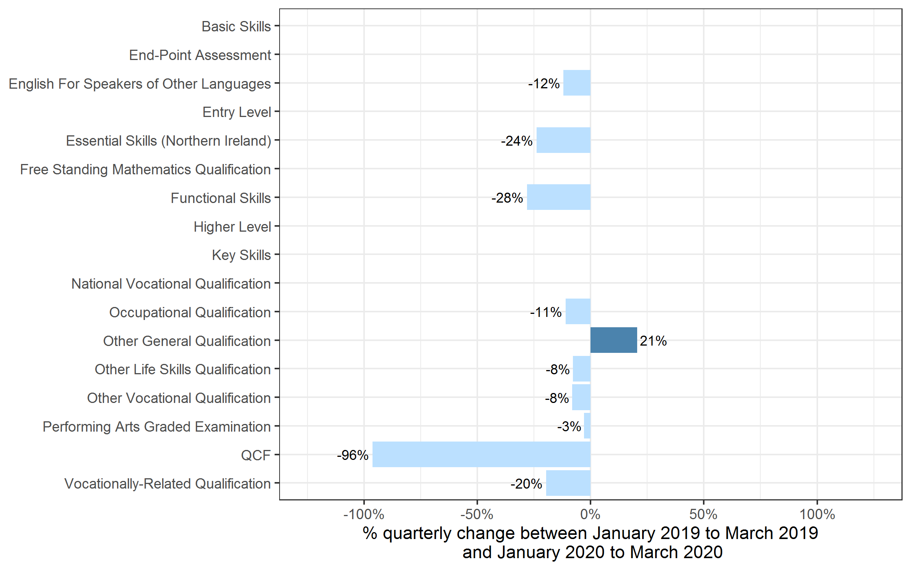
Qualification Type | Jan to Mar 2019 | Jan to Mar 2020 | Apr 2018 to Mar 2019 | Apr 2019 to Mar 2020
Basic Skills | 0 | 0 | 0 | 0
End-Point Assessment | 30 | 1,070 | 80 | 2,110
English For Speakers of Other Languages | 92,860 | 81,690 | 375,680 | 375,155
Entry Level | 0 | 0 | 12,435 | 470
Essential Skills (Northern Ireland) | 45 | 35 | 280 | 185
Free Standing Mathematics Qualification | 0 | 0 | 2,195 | 0
Functional Skills | 120,055 | 86,315 | 677,710 | 548,515
Higher Level | 0 | 0 | 95 | 0
Key Skills | 5 | 50 | 1,565 | 1,785
National Vocational Qualification | 0~ | 0~ | 0~ | 0~
Occupational Qualification | 157,630 | 140,205 | 744,295 | 664,785
Other General Qualification | 6,605 | 7,965 | 321,130 | 373,330
Other Life Skills Qualification | 57,290 | 52,790 | 317,670 | 290,680
Other Vocational Qualification | 130,545 | 119,815 | 442,950 | 478,995
Performing Arts Graded Examination | 80,935 | 78,625 | 462,555 | 488,035
QCF | 1,305 | 50 | 40,415 | 1,535
Vocationally-Related Qualification | 407,990 | 327,820 | 2,473,655 | 2,267,415
Total | 1,055,295 | 896,425 | 5,872,705 | 5,492,990

 |  |  |  |  | Note: Key Skills and End-Point Assessment qualifications are not shown because, due to small numbers, the percentage changes would not be meaningful. Other categories without visible bars have a change of 0% from last year's quarter 1.

Certificates by Level
Number of certificates awarded by qualification level
Comparison with the same quarter previous year and previous 12 months

 | Quarterly comparison |  | Annual comparison

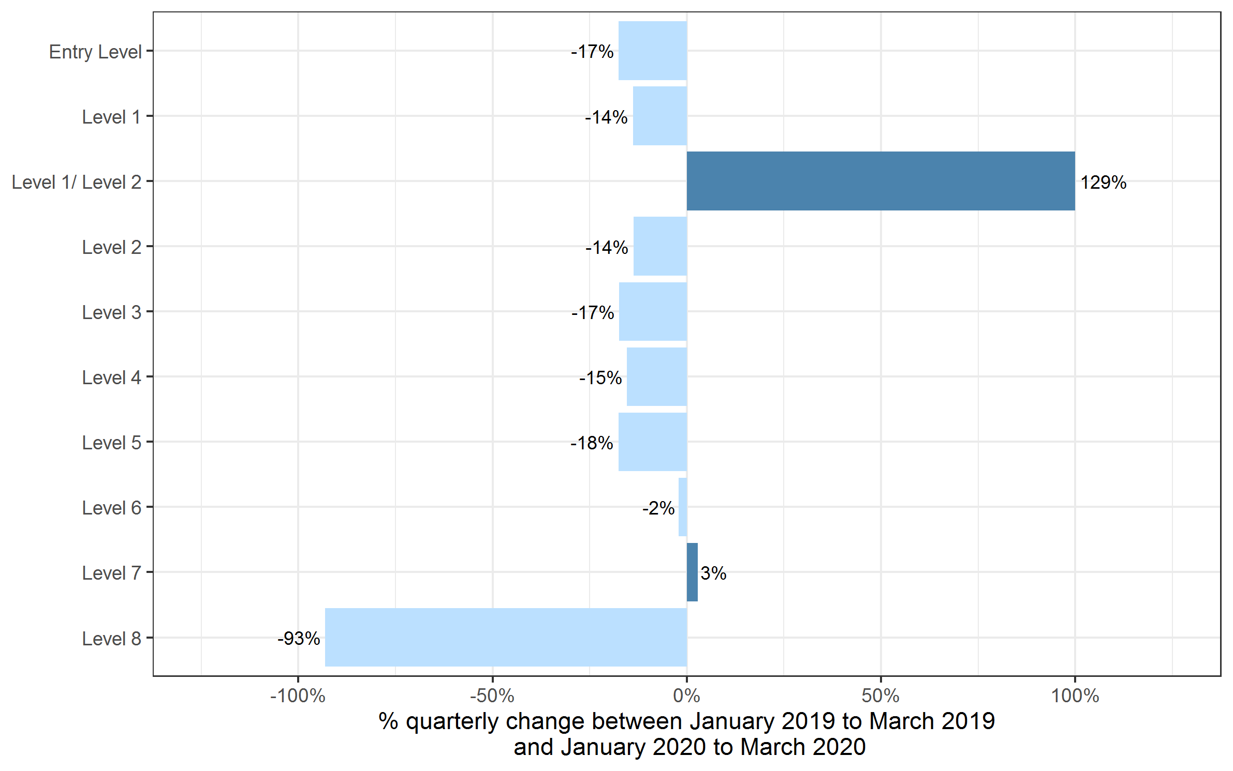
Qualification Level | Jan to Mar 2019 | Jan to Mar 2020 | Apr 2018 to March 2019 | Apr 2019 to Mar 2020
Entry Level | 130,025 | 107,275 | 734,665 | 658,855
Level 1 | 250,110 | 215,465 | 1,318,470 | 1,198,930
Level 1/ Level 2 | 1,075 | 2,465 | 273,345 | 317,520
Level 2 | 362,515 | 312,715 | 1,877,930 | 1,715,685
Level 3 | 277,695 | 229,390 | 1,511,480 | 1,449,380
Level 4 | 17,545 | 14,850 | 79,415 | 77,660
Level 5 | 11,165 | 9,200 | 54,040 | 49,470
Level 6 | 3,415 | 3,345 | 16,060 | 16,965
Level 7 | 1,660 | 1,710 | 7,095 | 8,425
Level 8 | 85 | 5 | 210 | 100
Total | 1,055,295 | 896,425 | 5,872,705 | 5,492,990

Certificates by SSA
Number of certificates awarded by sector subject area
Comparison with the same quarter previous year and previous 12 months

 | Quarterly comparison |  | Annual comparison
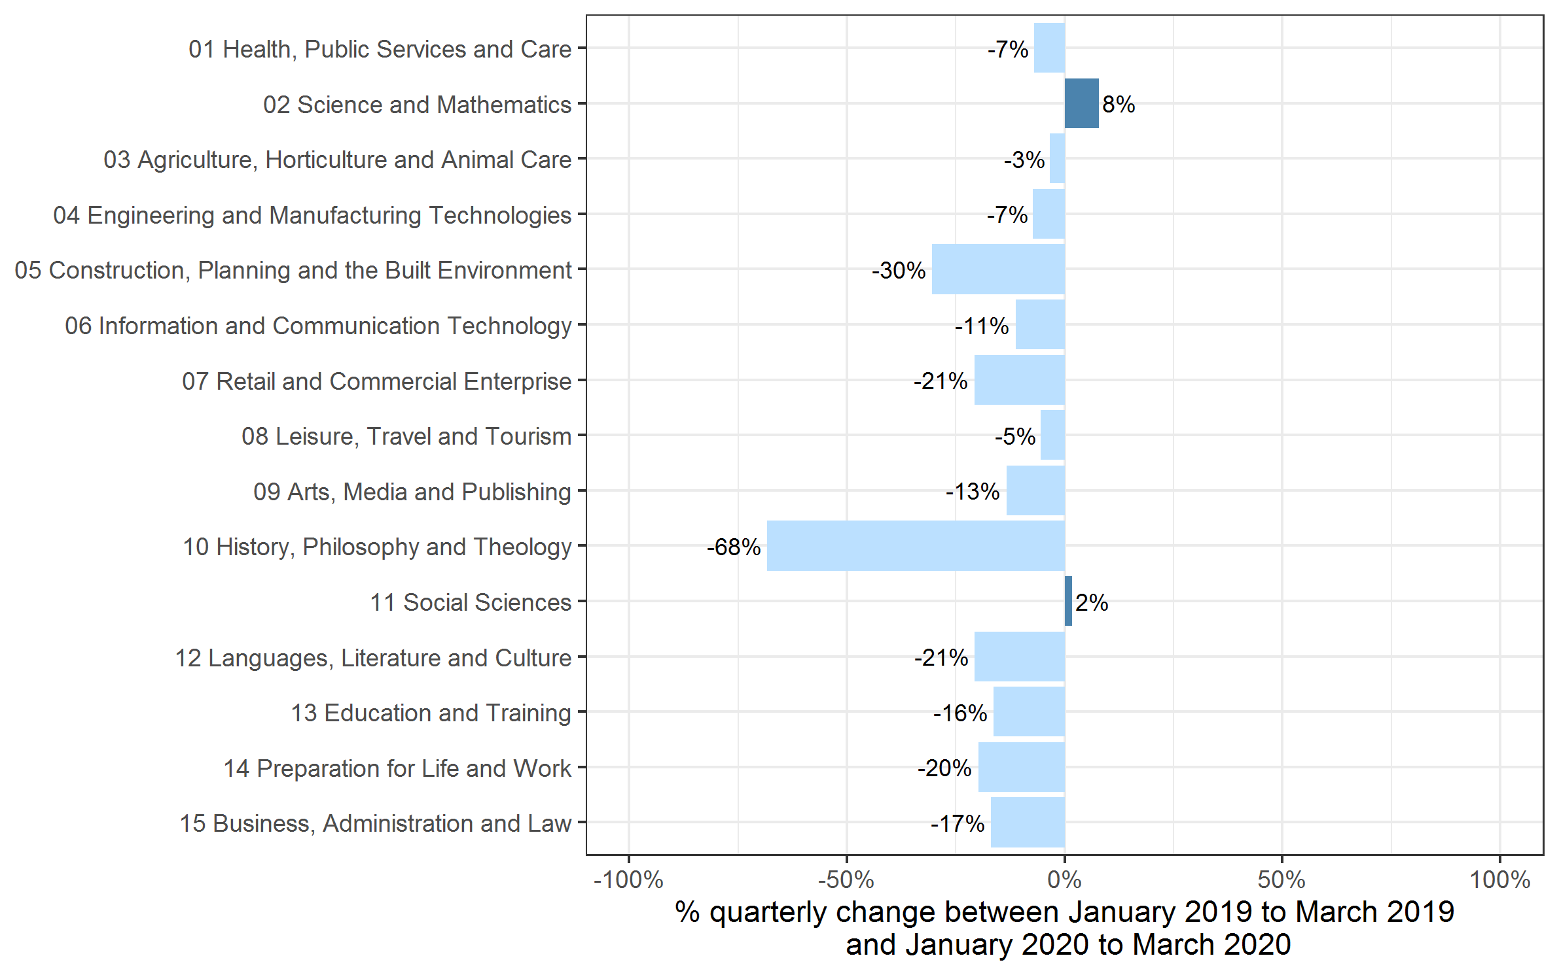
Sector Subject Area Code With Description | Jan to Mar 2019 | Jan to Mar 2020 | Apr 2018 to Mar 2019 | Apr 2019 to Mar 2020
01 Health, Public Services and Care | 266,475 | 247,690 | 1,166,990 | 1,147,435
02 Science and Mathematics | 3,195 | 3,445 | 117,330 | 112,530
03 Agriculture, Horticulture and Animal Care | 14,390 | 13,900 | 89,925 | 88,085
04 Engineering and Manufacturing Technologies | 55,545 | 51,510 | 304,135 | 291,165
05 Construction, Planning and the Built Environment | 97,630 | 67,875 | 398,255 | 373,910
06 Information and Communication Technology | 26,500 | 23,515 | 252,155 | 190,175
07 Retail and Commercial Enterprise | 75,360 | 59,745 | 389,560 | 342,705
08 Leisure, Travel and Tourism | 40,780 | 38,555 | 340,490 | 340,690
09 Arts, Media and Publishing | 99,850 | 86,480 | 730,425 | 747,515
10 History, Philosophy and Theology | 100 | 30 | 18,510 | 13,525
11 Social Sciences | 120 | 120 | 13,245 | 15,840
12 Languages, Literature and Culture | 22,385 | 17,750 | 129,935 | 117,450
13 Education and Training | 20,755 | 17,360 | 93,340 | 85,485
14 Preparation for Life and Work | 260,120 | 208,555 | 1,403,630 | 1,224,060
15 Business, Administration and Law | 72,090 | 59,890 | 424,775 | 402,420
Total | 1,055,295 | 896,425 | 5,872,705 | 5,492,990

Historical trends
Number of certificates awarded in the past 5 years
Quarterly and 12 months to quarter end

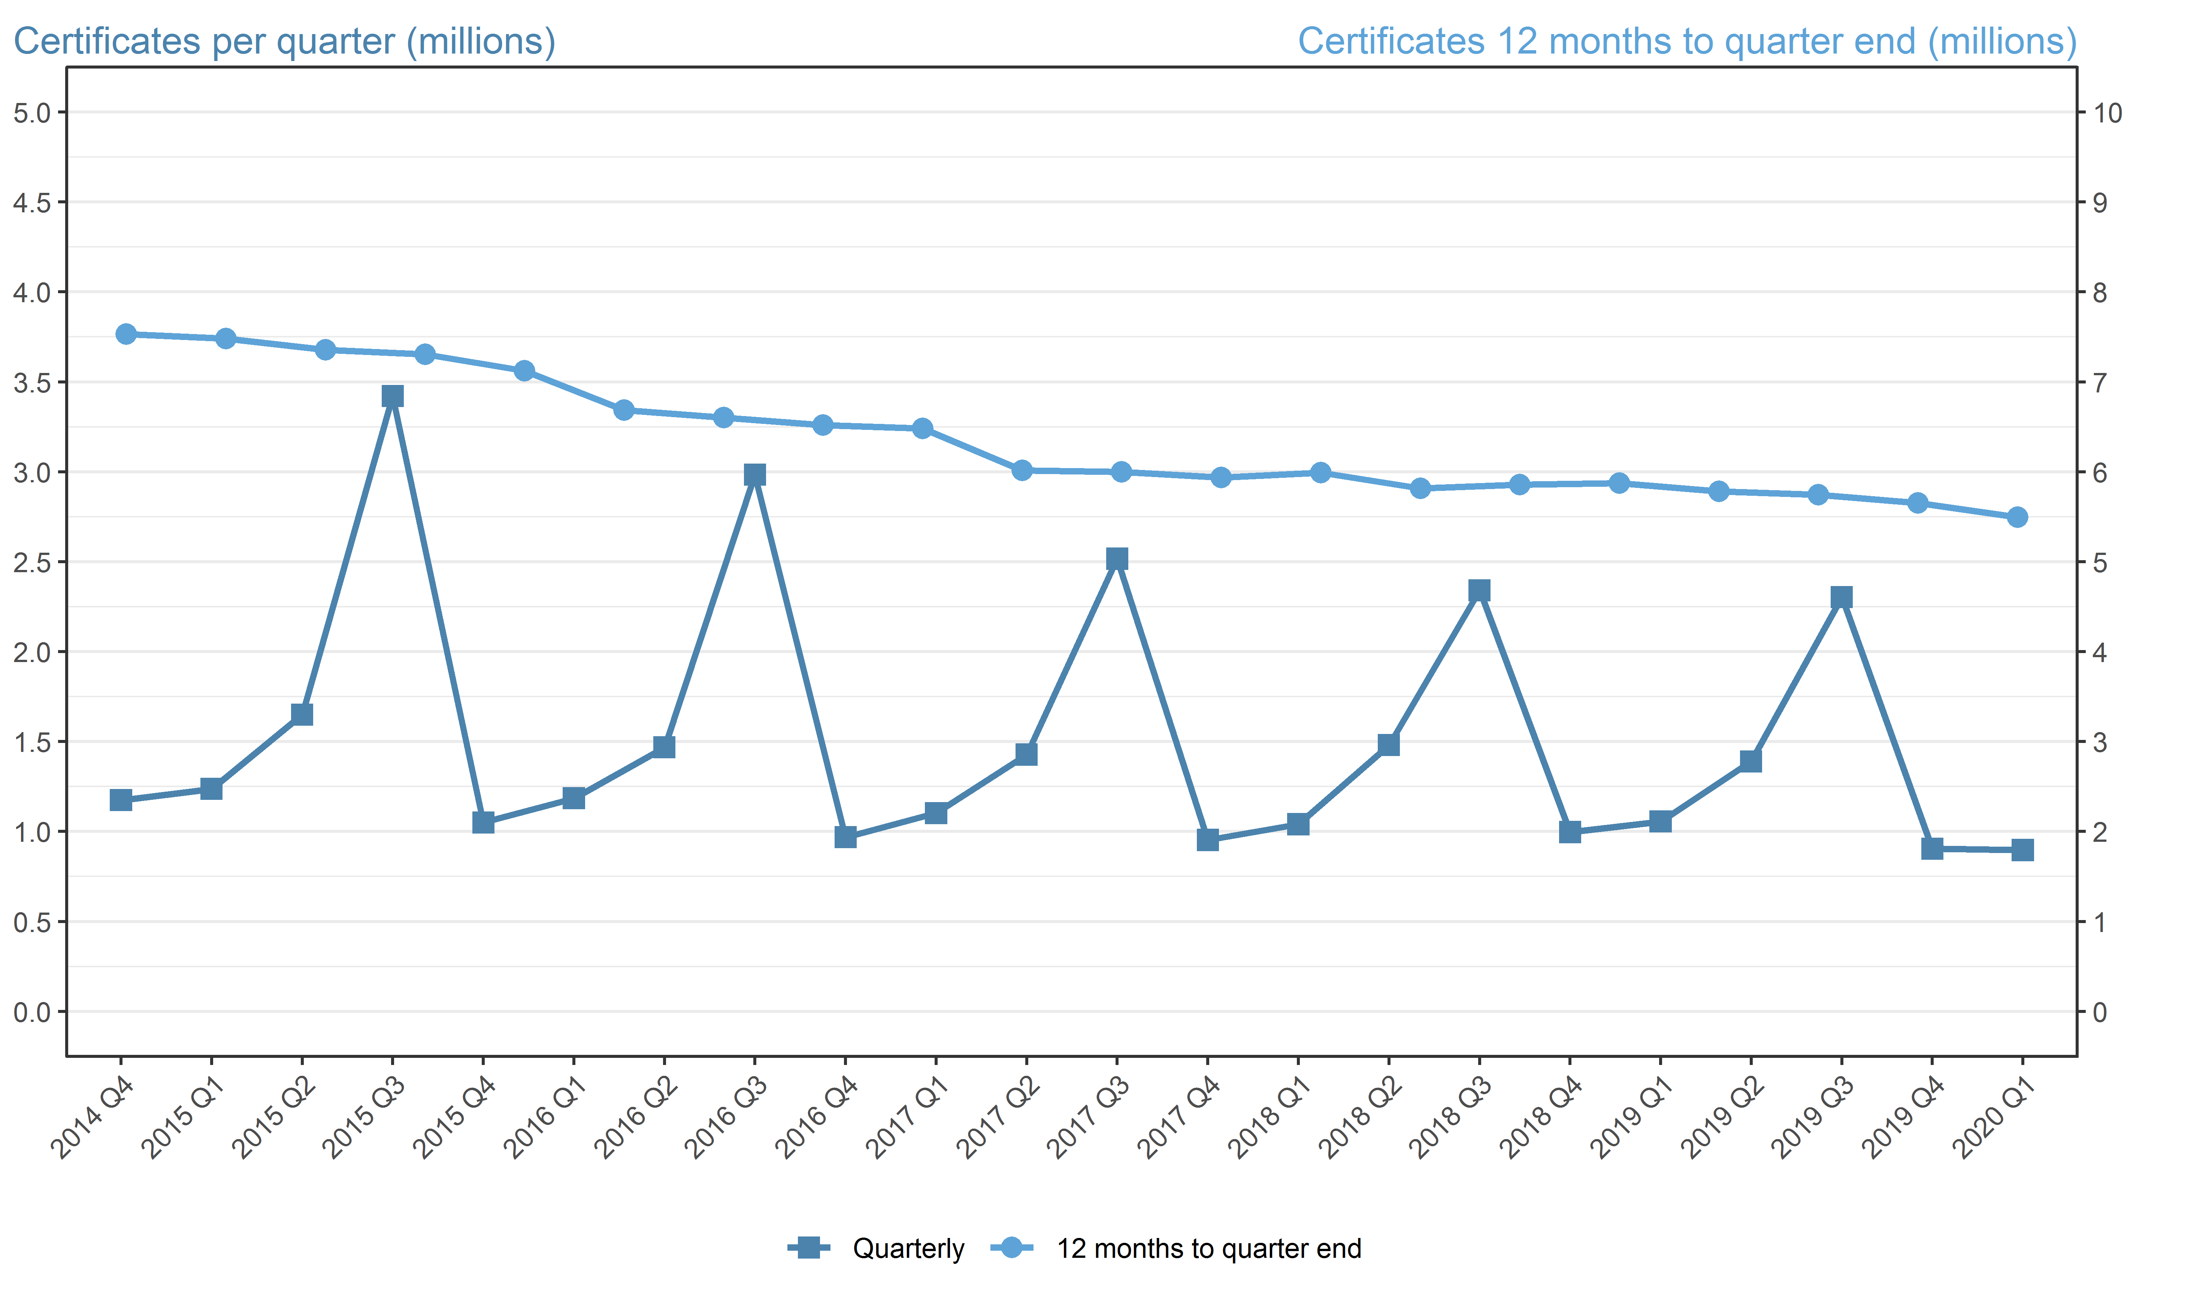
Period | Quarterly | 12 months to quarter end
Apr to Jun 2015 | 1,649,860 | 7,531,165
Jul to Sep 2015 | 3,420,865 | 7,482,140
Oct to Dec 2015 | 1,049,635 | 7,357,345
Jan to Mar 2016 | 1,184,800 | 7,305,160
Apr to Jun 2016 | 1,467,380 | 7,122,680
Jul to Sep 2016 | 2,983,140 | 6,684,960
Oct to Dec 2016 | 967,750 | 6,603,075
Jan to Mar 2017 | 1,102,280 | 6,520,550
Apr to Jun 2017 | 1,427,430 | 6,480,600
Jul to Sep 2017 | 2,516,240 | 6,013,700
Oct to Dec 2017 | 952,870 | 5,998,820
Jan to Mar 2018 | 1,040,435 | 5,936,975
Apr to Jun 2018 | 1,479,880 | 5,989,430
Jul to Sep 2018 | 2,341,065 | 5,814,250
Oct to Dec 2018 | 996,465 | 5,857,845
Jan to Mar 2019 | 1,055,295 | 5,872,705
Apr to Jun 2019 | 1,389,040 | 5,781,865
Jul to Sept 2019 | 2,303,590 | 5,744,390
Oct to Dec 2019 | 903,935 | 5,651,865
Jan to Mar 2020 | 896,425 | 5,492,990

