Figure 1
Section 1: All mental health in the UK Armed Forces 2012/13 to 2019/20

Figure 1 shows the percentage of UK Armed Forces personnel seen in a military healthcare setting for a mental health related reason between 2012/13 - 2019/20

Figure 1: UK Armed Forces personnel seen in a military healthcare setting for a mental health related reason1,2. Percentage of personnel at risk.
2012/13 - 2019/20
Source: DMICP

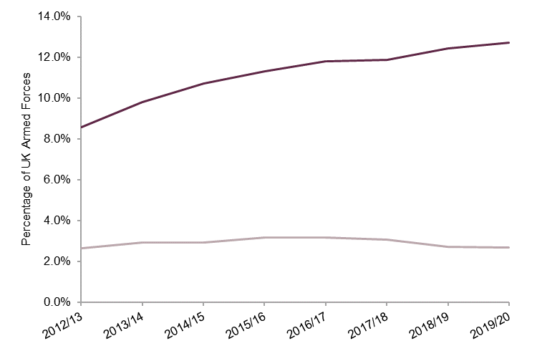
Return to Contents
 | Underlying data:

 |  | All mental health in the UK Armed Forces1 |  | UK Armed Forces personnel seen for a mental disorder at MOD Specialist Mental Health Services3

 |  | n | % | n | %
 | 2012/13 | 15,996 | 8.6% | 4,952 | 2.7%
 | 2013/14 | 17,256 | 9.8% | 5,165 | 2.9%
 | 2014/15 | 17,846 | 10.7% | 4,858 | 2.9%
 | 2015/16 | 18,385 | 11.3% | 5,147 | 3.2%
 | 2016/17 | 19,018 | 11.8% | 5,083 | 3.2%
 | 2017/18 | 18,882 | 11.9% | 4,886 | 3.1%
 | 2018/19 | 19,353 | 12.4% | 4,214 | 2.7%
 | 2019/20 | 19,793 | 12.7% | 4,155 | 2.7%

1. Seen in primary care or specialist mental health care at a MOD DCMH
2. Mental health related reasons do include signs and symptoms of mental health as well as ICD-10 mental health disorders
3. Initial assessment at MOD Specialist Mental Health Services for a mental disorder

Figure 8
Section 2: Differences in mental disorders assessed at MOD Specialist Mental Health Services among those previously deployed to Iraq/Afghanistan compared to those not previously deployed there

Figure 8 shows the rate ratio and CI for UK Armed Forces personnel seen at the MOD’s DCMH’s, for Iraq and/or Afghanistan by mental disorder in 2019/20

Figure 8 : UK Armed Forces personnel seen at the MOD’s DCMH’s, for Iraq and/or Afghanistan by mental disorder, Rate Ratio, 95% Confidence Interval1,2
2019/20
Source: Defence Statistics Health DS Database and DMICP

Return to Contents
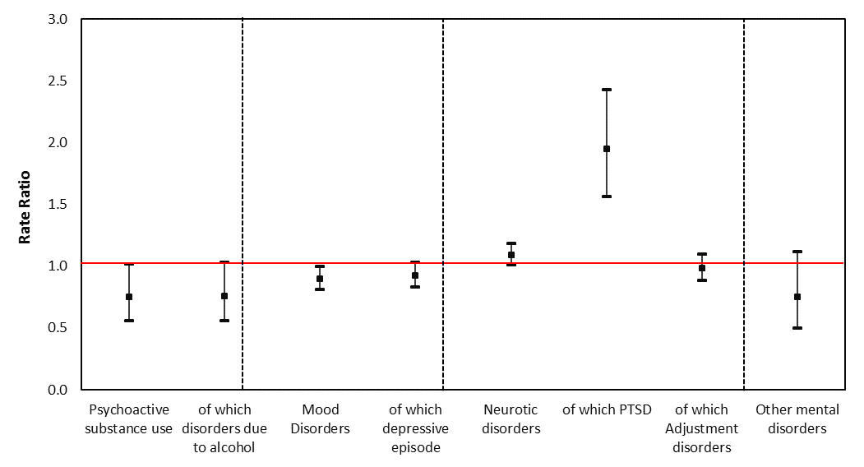
 |  |  |  |  |  |  |  |  |  | Underlying data: | RR | LCI | UCI
 |  |  |  |  |  |  |  |  |  | Psychoactive substance use | 0.8 | 0.6 | 1.0
 |  |  |  |  |  |  |  |  |  | of which disorders due to alcohol | 0.8 | 0.6 | 1.0
 |  |  |  |  |  |  |  |  |  | Mood Disorders | 0.9 | 0.8 | 1.0
 |  |  |  |  |  |  |  |  |  | of which depressive episode | 0.9 | 0.8 | 1.0
 |  |  |  |  |  |  |  |  |  | Neurotic disorders | 1.1 | 1.0 | 1.2
 |  |  |  |  |  |  |  |  |  | of which PTSD | 1.9 | 1.6 | 2.4
 |  |  |  |  |  |  |  |  |  | of which Adjustment disorders | 1.0 | 0.9 | 1.1
 |  |  |  |  |  |  |  |  |  | Other mental disorders | 0.7 | 0.5 | 1.1

1. Deployment to the wider theatre of operation (see BQR)
2. Data for Afghanistan between 1 January 2003 and 14 October 2005 were not available for person level deployment (see BQR).

Table 6 shows the number of patients seen and rate ratios by disorder and deployment 2019/20

Table 6: UK Armed Forces assessed at the MOD’s DCMH by ICD-10 and deployment, number and rate ratios1,2,3.
2019/20
Source: Defence Statistics (Health) DS Database and DMICP

 |  |  | Deployment - Theatres of operation1
 |  |  | Iraq and/or Afghanistan2 |  |  | of which |  |  |  |  |  | Not previously deployed
 |  | All patients seen |  |  |  | Iraq |  |  | Afghanistan3
ICD-10 description |  |  | Patients seen | Rate ratio | 95% CI | Patients seen | Rate ratio | 95% CI | Patients seen | Rate ratio | 95% CI | Patients seen
Psychoactive substance use |  | 182 | 68 | 0.8 | (0.6 - 1.0) | 42 | 0.8 | (0.6 - 1.2) | 52 | 0.7 | (0.5 - 0.9) | 114
of which disorders due to alcohol |  | 178 | 67 | 0.8 | (0.6 - 1.0) | 42 | 0.9 | (0.6 - 1.2) | 51 | 0.7 | (0.5 - 1.0) | 111
Mood disorders |  | 1,451 | 604 | 0.9 | (0.8 - 1.0) | 322 | 0.9 | (0.8 - 1.0) | 501 | 0.9 | (0.8 - 1.0) | 847
of which depressive episode |  | 1,308 | 554 | 0.9 | (0.8 - 1.0) | 295 | 0.9 | (0.8 - 1.0) | 465 | 0.9 | (0.8 - 1.0) | 754
Neurotic disorders |  | 2,421 | 1,124 | 1.1 | (1.0 - 1.2) | 589 | 1.0 | (0.9 - 1.1) | 965 | 1.1 | (1.0 - 1.2) | 1,297
of which PTSD |  | 336 | 204 | 1.9 | (1.6 - 2.4) | 108 | 1.9 | (1.4 - 2.4) | 177 | 2.0 | (1.6 - 2.5) | 132
of which Adjustment disorders |  | 1,360 | 596 | 1.0 | (0.9 - 1.1) | 314 | 0.9 | (0.8 - 1.1) | 513 | 1.0 | (0.9 - 1.1) | 764
Other mental and behavioural disorders |  | 102 | 38 | 0.7 | (0.5 - 1.1) | 22 | 0.8 | (0.5 - 1.3) | 34 | 0.8 | (0.5 - 1.2) | 64

1. | Deployment to the wider theatre of operation (see BQR).
2. | Rate ratio compares personnel identified as deployed to these theatres of operation with those not identified as deployed to either theatre of operation.
3. | Figures for Afghanistan theatre of Operation for period October 2005 – present (see BQR).

Figure 16
Section 2: UK Armed Forces mental disorders at MOD DCMH 2007/08-2019/20

Figure 16 shows percentage personnel at risk for UK Armed Forces personnel with an initial assessment at the MOD’s DCMH, for psychoactive substance misuse due to alcohol, by gender between 2007/08 and 2019/20

Figure 16: UK Armed Forces personnel with an initial assessment at the MOD’s DCMH, for psychoactive substance misuse due to alcohol, by gender, percentage personnel at risk1,2,3,4.
2007/08 - 2019/20
Source: Defence Statistics Health DS Database and DMICP

Return to contents
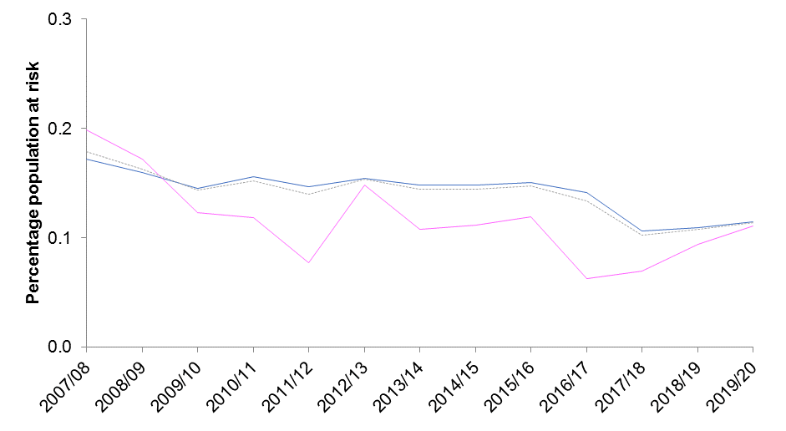
 | Underlying data: |  |  |  |  |  |  |  |  |  |  |  |  |  |  | 2007/08 |  |  | 2008/09 |  |  | 2009/10 |  |  | 2010/11 |  |  | 2011/12 |  |  | 2012/13 |  |  | 2013/14 |  |  | 2014/15 |  |  | 2015/16 |  |  | 2016/17 |  |  | 2017/18 |  |  | 2018/19 |  |  | 2019/20
 |  | 2007/08 | 2008/09 | 2009/10 | 2010/11 | 2011/12 | 2012/131 | 2013/14 | 2014/15 | 2015/16 | 2016/17 | 2017/18 | 2018/19 | 2019/20 |  | n | rate | 95% CI | n | rate | 95% CI | n | rate | 95% CI | n | rate | 95% CI | n | rate | 95% CI | n | rate | 95% CI | n | rate | 95% CI | n | rate | 95% CI | n | rate | 95% CI | n | rate | 95% CI | n | rate | 95% CI | n | rate | 95% CI | n | rate | 95% CI
 | Male | 0.2 | 0.2 | 0.1 | 0.2 | 0.1 | 0.2 | 0.1 | 0.1 | 0.2 | 0.1 | 0.1 | 0.1 | 0.1 | Male | 310 | 1.7 | (1.5 - 1.9) | 286 | 1.6 | (1.4 - 1.8) | 266 | 1.5 | (1.3 - 1.6) | 283 | 1.6 | (1.4 - 1.7) | 259 | 1.5 | (1.3 - 1.6) | 261 | 1.5 | (1.4 - 1.7) | 236 | 1.5 | (1.3 - 1.7) | 223 | 1.5 | (1.3 - 1.7) | 221 | 1.5 | (1.3 - 1.7) | 206 | 1.4 | (1.2 - 1.6) | 152 | 1.1 | (0.9 - 1.2) | 153 | 1.1 | (0.9 - 1.3) | 160 | 1.1 | (1.0 - 1.3)
 | Female | 0.2 | 0.2 | 0.1 | 0.1 | 0.1 | 0.1 | 0.1 | 0.1 | 0.1 | 0.1 | 0.1 | 0.1 | 0.1 | Female | 36 | 2.0 | (1.3 - 2.6) | 31 | 1.7 | (1.1 - 2.3) | 23 | 1.2 | (0.8 - 1.9) | 22 | 1.2 | (0.7 - 1.8) | 14 | 0.8 | (0.4 - 1.3) | 26 | 1.5 | (1.0 - 2.2) | 18 | 1.1 | (0.6 - 1.7) | 18 | 1.1 | (0.7 - 1.8) | 19 | 1.2 | (0.7 - 1.9) | 10 | 0.6 | (0.3 - 1.2) | 11 | 0.7 | (0.3 - 1.2) | 15 | 0.9 | (0.5 - 1.6) | 18 | 1.1 | (0.7 - 1.7)
 | UK Armed Forces | 0.2 | 0.2 | 0.1 | 0.2 | 0.1 | 0.2 | 0.1 | 0.1 | 0.1 | 0.1 | 0.1 | 0.1 | 0.1 | UK Armed Forces | 355 | 1.8 | (1.6 - 2.0) | 321 | 1.6 | (1.4 - 1.8) | 290 | 1.4 | (1.3 - 1.6) | 305 | 1.5 | (1.4 - 1.7) | 273 | 1.4 | (1.2 - 1.6) | 287 | 1.5 | (1.4 - 1.7) | 254 | 1.4 | (1.3 - 1.6) | 241 | 1.4 | (1.3 - 1.6) | 240 | 1.5 | (1.3 - 1.7) | 216 | 1.3 | (1.2 - 1.5) | 163 | 1.0 | (0.9 - 1.2) | 168 | 1.1 | (0.9 - 1.2) | 178 | 1.1 | (1.0 - 1.3)

1. Dotted lines represent 2012/13 revised methodology to include electronic patient record data source (paragraph 79).
2. Percentages are based on the calculation of the absolute number and are presented to 1dp (See paragraph 83).
3. Excludes personnel where Initial diagnosis was not supplied (See BQR)
4. For some years the sum of males and females will not equal the overall UK Armed Forces total as there were some personnel missing demographic information (See BQR)

Figure 17
Section 2: UK Armed Forces mental disorders at MOD DCMH 2007/08-2019/20

Figure 17 shows percentage personnel at risk for UK Armed Forces personnel with an initial assessment at the MOD’s DCMH, for PTSD, by gender between 2007/08 and 2019/20

Figure 17: UK Armed Forces personnel with an initial assessment at the MOD’s DCMH, for PTSD, by gender, percentage personnel at risk1,2,3,4.
2007/08 - 2019/20
Source: Defence Statistics Health DS Database and DMICP

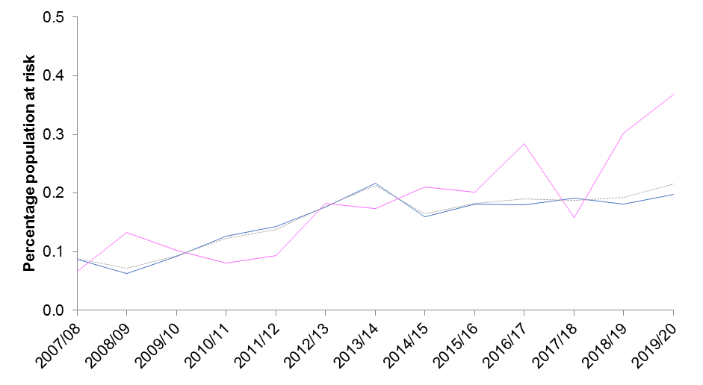
Return to Contents
 | Underlying data: |  |  |  |  |  |  |  |  |  |  |  |  |  |  | 2007/08 |  |  | 2008/09 |  |  | 2009/10 |  |  | 2010/11 |  |  | 2011/12 |  |  | 2012/13 |  |  | 2013/14 |  |  | 2014/15 |  |  | 2015/16 |  |  | 2016/17 |  |  | 2017/18 |  |  | 2018/19 |  |  | 2019/20
 |  | 2007/08 | 2008/09 | 2009/10 | 2010/11 | 2011/12 | 2012/131 | 2013/14 | 2014/15 | 2015/16 | 2016/17 | 2017/18 | 2018/19 | 2019/20 |  | n | rate | 95% CI | n | rate | 95% CI | n | rate | 95% CI | n | rate | 95% CI | n | rate | 95% CI | n | rate | 95% CI | n | rate | 95% CI | n | rate | 95% CI | n | rate | 95% CI | n | rate | 95% CI | n | rate | 95% CI | n | rate | 95% CI | n | rate | 95% CI
 | Male | 0.1 | 0.1 | 0.1 | 0.1 | 0.1 | 0.2 | 0.2 | 0.2 | 0.2 | 0.2 | 0.2 | 0.2 | 0.2 | Male | 156 | 0.9 | (0.7 - 1) | 113 | 0.6 | (0.5 - 0.7) | 168 | 0.9 | (0.8 - 1.1) | 229 | 1.3 | (1.1 - 1.4) | 252 | 1.4 | (1.2 - 1.6) | 298 | 1.8 | (1.6 - 2) | 346 | 2.2 | (1.9 - 2.4) | 240 | 1.6 | (1.4 - 1.8) | 265 | 1.8 | (1.6 - 2) | 262 | 1.8 | (1.6 - 2) | 274 | 1.9 | (1.7 - 2.1) | 253 | 1.8 | (1.6 - 2) | 276 | 2.0 | (1.7 - 2.2)
 | Female | 0.1 | 0.1 | 0.1 | 0.1 | 0.1 | 0.2 | 0.2 | 0.2 | 0.2 | 0.3 | 0.2 | 0.3 | 0.4 | Female | 12 | 0.7 | (0.3 - 1.2) | 24 | 1.3 | (0.9 - 2) | 19 | 1.0 | (0.6 - 1.6) | 15 | 0.8 | (0.5 - 1.3) | 17 | 0.9 | (0.5 - 1.5) | 32 | 1.8 | (1.2 - 2.5) | 29 | 1.7 | (1.2 - 2.5) | 34 | 2.1 | (1.4 - 2.8) | 32 | 2.0 | (1.3 - 2.7) | 45 | 2.8 | (2 - 3.7) | 25 | 1.6 | (1 - 2.3) | 48 | 3.0 | (2.2 - 3.9) | 60 | 3.7 | (2.8 - 4.6)
 | UK Armed Forces | 0.1 | 0.1 | 0.1 | 0.1 | 0.1 | 0.2 | 0.2 | 0.2 | 0.2 | 0.2 | 0.2 | 0.2 | 0.2 | UK Armed Forces | 174 | 0.9 | (0.7 - 1) | 141 | 0.7 | (0.6 - 0.8) | 188 | 0.9 | (0.8 - 1.1) | 244 | 1.2 | (1.1 - 1.4) | 269 | 1.4 | (1.2 - 1.5) | 330 | 1.8 | (1.6 - 2) | 375 | 2.1 | (1.9 - 2.3) | 274 | 1.6 | (1.4 - 1.8) | 297 | 1.8 | (1.6 - 2) | 307 | 1.9 | (1.7 - 2.1) | 299 | 1.9 | (1.7 - 2.1) | 301 | 1.9 | (1.7 - 2.1) | 336 | 2.2 | (1.9 - 2.4)

1. Dotted lines represent 2012/13 revised methodology to include electronic patient record data source (paragraph 79).
2. Percentages are based on the calculation of the absolute number and are presented to 1dp (See paragraph 83).
3. Excludes personnel where Initial diagnosis was not supplied (See BQR)
4. For some years the sum of males and females will not equal the overall UK Armed Forces total as there were some personnel missing demographic information (See BQR)

